Reporte
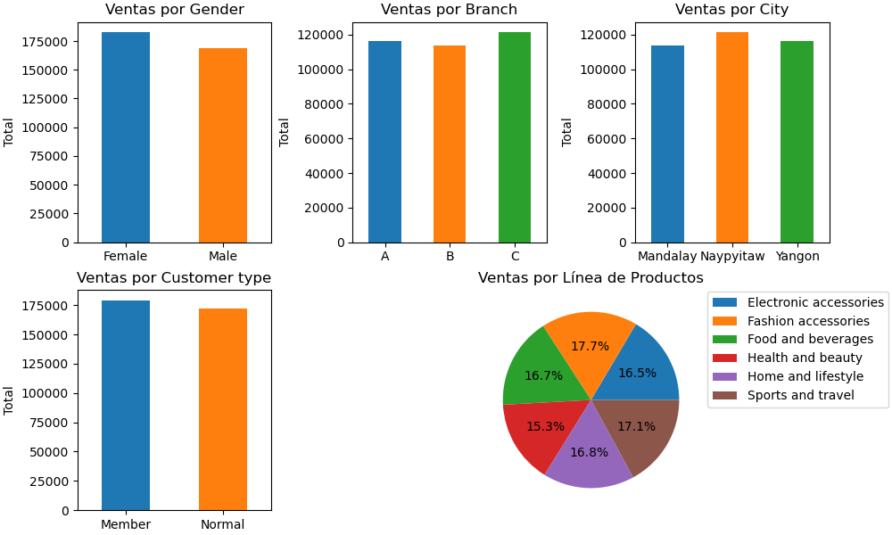
Métrica | Valor
Total de Ventas | 351498.83
Productos Vendidos | 5510
Número de Clientes | 1000
Promedio de Ventas | 351.5
Mediana de Ventas | 260.48
Dispersión de Ventas | 278.35
Mayor Venta | 1346.36
Menor Venta | 15.26
Total Impuestos (5%) | 43911.39

