Sheet1
/Users/as16542/Downloads/10m32xl88x2b61zlkkgz3fml17/identification/images/test/002/000011.jpg | 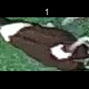
/Users/as16542/Downloads/10m32xl88x2b61zlkkgz3fml17/identification/images/test/002/000002.jpg | 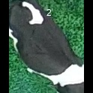
/Users/as16542/Downloads/10m32xl88x2b61zlkkgz3fml17/identification/images/test/002/000003.jpg | 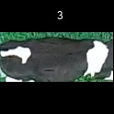
/Users/as16542/Downloads/10m32xl88x2b61zlkkgz3fml17/identification/images/test/002/000012.jpg | 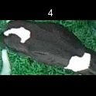
/Users/as16542/Downloads/10m32xl88x2b61zlkkgz3fml17/identification/images/test/002/000013.jpg | 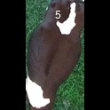
/Users/as16542/Downloads/10m32xl88x2b61zlkkgz3fml17/identification/images/test/002/000008.jpg | 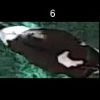
/Users/as16542/Downloads/10m32xl88x2b61zlkkgz3fml17/identification/images/test/002/000005.jpg | 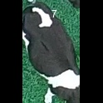
/Users/as16542/Downloads/10m32xl88x2b61zlkkgz3fml17/identification/images/test/002/000001.jpg | 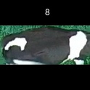
/Users/as16542/Downloads/10m32xl88x2b61zlkkgz3fml17/identification/images/test/002/000006.jpg | 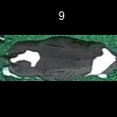
/Users/as16542/Downloads/10m32xl88x2b61zlkkgz3fml17/identification/images/test/002/000010.jpg | 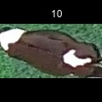
/Users/as16542/Downloads/10m32xl88x2b61zlkkgz3fml17/identification/images/test/002/000004.jpg | 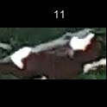
/Users/as16542/Downloads/10m32xl88x2b61zlkkgz3fml17/identification/images/test/002/000007.jpg | 