Sheet1
/Users/as16542/Downloads/10m32xl88x2b61zlkkgz3fml17/identification/images/test/004/000015.jpg | 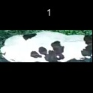
/Users/as16542/Downloads/10m32xl88x2b61zlkkgz3fml17/identification/images/test/004/000014.jpg | 
/Users/as16542/Downloads/10m32xl88x2b61zlkkgz3fml17/identification/images/test/004/000019.jpg | 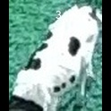
/Users/as16542/Downloads/10m32xl88x2b61zlkkgz3fml17/identification/images/test/004/000011.jpg | 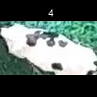
/Users/as16542/Downloads/10m32xl88x2b61zlkkgz3fml17/identification/images/test/004/000002.jpg | 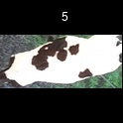
/Users/as16542/Downloads/10m32xl88x2b61zlkkgz3fml17/identification/images/test/004/000003.jpg | 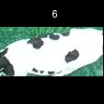
/Users/as16542/Downloads/10m32xl88x2b61zlkkgz3fml17/identification/images/test/004/000032.jpg | 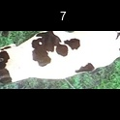
/Users/as16542/Downloads/10m32xl88x2b61zlkkgz3fml17/identification/images/test/004/000025.jpg | 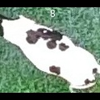
/Users/as16542/Downloads/10m32xl88x2b61zlkkgz3fml17/identification/images/test/004/000012.jpg | 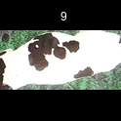
/Users/as16542/Downloads/10m32xl88x2b61zlkkgz3fml17/identification/images/test/004/000018.jpg | 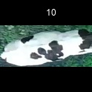
/Users/as16542/Downloads/10m32xl88x2b61zlkkgz3fml17/identification/images/test/004/000013.jpg | 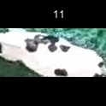
/Users/as16542/Downloads/10m32xl88x2b61zlkkgz3fml17/identification/images/test/004/000017.jpg | 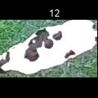
/Users/as16542/Downloads/10m32xl88x2b61zlkkgz3fml17/identification/images/test/004/000008.jpg | 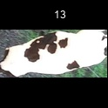
/Users/as16542/Downloads/10m32xl88x2b61zlkkgz3fml17/identification/images/test/004/000035.jpg | 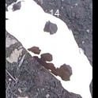
/Users/as16542/Downloads/10m32xl88x2b61zlkkgz3fml17/identification/images/test/004/000005.jpg | 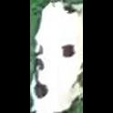
/Users/as16542/Downloads/10m32xl88x2b61zlkkgz3fml17/identification/images/test/004/000001.jpg | 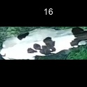
/Users/as16542/Downloads/10m32xl88x2b61zlkkgz3fml17/identification/images/test/004/000006.jpg | 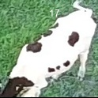
/Users/as16542/Downloads/10m32xl88x2b61zlkkgz3fml17/identification/images/test/004/000023.jpg | 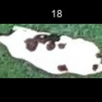
/Users/as16542/Downloads/10m32xl88x2b61zlkkgz3fml17/identification/images/test/004/000026.jpg | 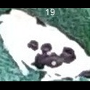
/Users/as16542/Downloads/10m32xl88x2b61zlkkgz3fml17/identification/images/test/004/000036.jpg | 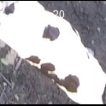
/Users/as16542/Downloads/10m32xl88x2b61zlkkgz3fml17/identification/images/test/004/000010.jpg | 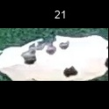
/Users/as16542/Downloads/10m32xl88x2b61zlkkgz3fml17/identification/images/test/004/000004.jpg | 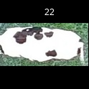
/Users/as16542/Downloads/10m32xl88x2b61zlkkgz3fml17/identification/images/test/004/000033.jpg | 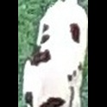
/Users/as16542/Downloads/10m32xl88x2b61zlkkgz3fml17/identification/images/test/004/000034.jpg | 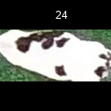
/Users/as16542/Downloads/10m32xl88x2b61zlkkgz3fml17/identification/images/test/004/000028.jpg | 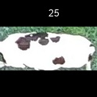
/Users/as16542/Downloads/10m32xl88x2b61zlkkgz3fml17/identification/images/test/004/000030.jpg | 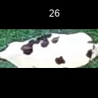
/Users/as16542/Downloads/10m32xl88x2b61zlkkgz3fml17/identification/images/test/004/000029.jpg | 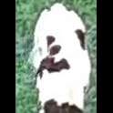
/Users/as16542/Downloads/10m32xl88x2b61zlkkgz3fml17/identification/images/test/004/000031.jpg | 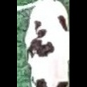
/Users/as16542/Downloads/10m32xl88x2b61zlkkgz3fml17/identification/images/test/004/000021.jpg | 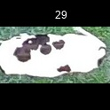
/Users/as16542/Downloads/10m32xl88x2b61zlkkgz3fml17/identification/images/test/004/000022.jpg | 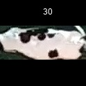
/Users/as16542/Downloads/10m32xl88x2b61zlkkgz3fml17/identification/images/test/004/000016.jpg | 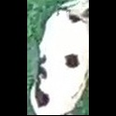
/Users/as16542/Downloads/10m32xl88x2b61zlkkgz3fml17/identification/images/test/004/000027.jpg | 
/Users/as16542/Downloads/10m32xl88x2b61zlkkgz3fml17/identification/images/test/004/000024.jpg | 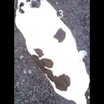
/Users/as16542/Downloads/10m32xl88x2b61zlkkgz3fml17/identification/images/test/004/000007.jpg | 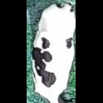
/Users/as16542/Downloads/10m32xl88x2b61zlkkgz3fml17/identification/images/test/004/000020.jpg | 