Sheet1
/Users/as16542/Downloads/10m32xl88x2b61zlkkgz3fml17/identification/images/test/006/000015.jpg | 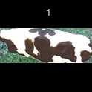
/Users/as16542/Downloads/10m32xl88x2b61zlkkgz3fml17/identification/images/test/006/000014.jpg | 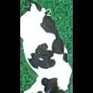
/Users/as16542/Downloads/10m32xl88x2b61zlkkgz3fml17/identification/images/test/006/000011.jpg | 
/Users/as16542/Downloads/10m32xl88x2b61zlkkgz3fml17/identification/images/test/006/000002.jpg | 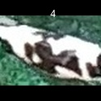
/Users/as16542/Downloads/10m32xl88x2b61zlkkgz3fml17/identification/images/test/006/000003.jpg | 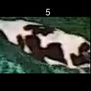
/Users/as16542/Downloads/10m32xl88x2b61zlkkgz3fml17/identification/images/test/006/000012.jpg | 
/Users/as16542/Downloads/10m32xl88x2b61zlkkgz3fml17/identification/images/test/006/000013.jpg | 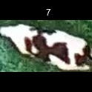
/Users/as16542/Downloads/10m32xl88x2b61zlkkgz3fml17/identification/images/test/006/000017.jpg | 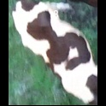
/Users/as16542/Downloads/10m32xl88x2b61zlkkgz3fml17/identification/images/test/006/000008.jpg | 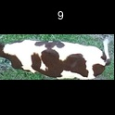
/Users/as16542/Downloads/10m32xl88x2b61zlkkgz3fml17/identification/images/test/006/000005.jpg | 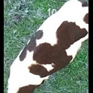
/Users/as16542/Downloads/10m32xl88x2b61zlkkgz3fml17/identification/images/test/006/000001.jpg | 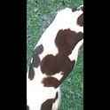
/Users/as16542/Downloads/10m32xl88x2b61zlkkgz3fml17/identification/images/test/006/000006.jpg | 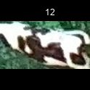
/Users/as16542/Downloads/10m32xl88x2b61zlkkgz3fml17/identification/images/test/006/000010.jpg | 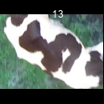
/Users/as16542/Downloads/10m32xl88x2b61zlkkgz3fml17/identification/images/test/006/000004.jpg | 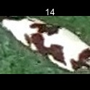
/Users/as16542/Downloads/10m32xl88x2b61zlkkgz3fml17/identification/images/test/006/000016.jpg | 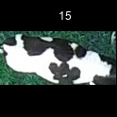
/Users/as16542/Downloads/10m32xl88x2b61zlkkgz3fml17/identification/images/test/006/000007.jpg | 