Sheet1
/Users/as16542/Downloads/10m32xl88x2b61zlkkgz3fml17/identification/images/test/008/000015.jpg | 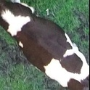
/Users/as16542/Downloads/10m32xl88x2b61zlkkgz3fml17/identification/images/test/008/000014.jpg | 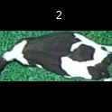
/Users/as16542/Downloads/10m32xl88x2b61zlkkgz3fml17/identification/images/test/008/000019.jpg | 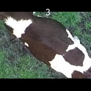
/Users/as16542/Downloads/10m32xl88x2b61zlkkgz3fml17/identification/images/test/008/000011.jpg | 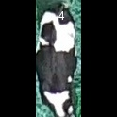
/Users/as16542/Downloads/10m32xl88x2b61zlkkgz3fml17/identification/images/test/008/000002.jpg | 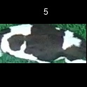
/Users/as16542/Downloads/10m32xl88x2b61zlkkgz3fml17/identification/images/test/008/000003.jpg | 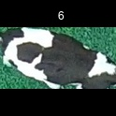
/Users/as16542/Downloads/10m32xl88x2b61zlkkgz3fml17/identification/images/test/008/000012.jpg | 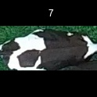
/Users/as16542/Downloads/10m32xl88x2b61zlkkgz3fml17/identification/images/test/008/000018.jpg | 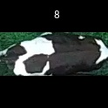
/Users/as16542/Downloads/10m32xl88x2b61zlkkgz3fml17/identification/images/test/008/000013.jpg | 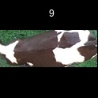
/Users/as16542/Downloads/10m32xl88x2b61zlkkgz3fml17/identification/images/test/008/000017.jpg | 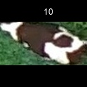
/Users/as16542/Downloads/10m32xl88x2b61zlkkgz3fml17/identification/images/test/008/000008.jpg | 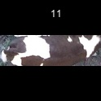
/Users/as16542/Downloads/10m32xl88x2b61zlkkgz3fml17/identification/images/test/008/000005.jpg | 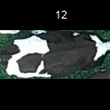
/Users/as16542/Downloads/10m32xl88x2b61zlkkgz3fml17/identification/images/test/008/000001.jpg | 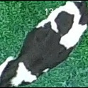
/Users/as16542/Downloads/10m32xl88x2b61zlkkgz3fml17/identification/images/test/008/000006.jpg | 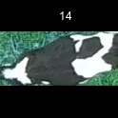
/Users/as16542/Downloads/10m32xl88x2b61zlkkgz3fml17/identification/images/test/008/000010.jpg | 
/Users/as16542/Downloads/10m32xl88x2b61zlkkgz3fml17/identification/images/test/008/000004.jpg | 
/Users/as16542/Downloads/10m32xl88x2b61zlkkgz3fml17/identification/images/test/008/000021.jpg | 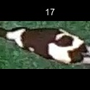
/Users/as16542/Downloads/10m32xl88x2b61zlkkgz3fml17/identification/images/test/008/000022.jpg | 
/Users/as16542/Downloads/10m32xl88x2b61zlkkgz3fml17/identification/images/test/008/000016.jpg | 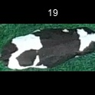
/Users/as16542/Downloads/10m32xl88x2b61zlkkgz3fml17/identification/images/test/008/000007.jpg | 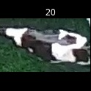
/Users/as16542/Downloads/10m32xl88x2b61zlkkgz3fml17/identification/images/test/008/000020.jpg | 