Sheet1
/Users/as16542/Downloads/10m32xl88x2b61zlkkgz3fml17/identification/images/test/011/000015.jpg | 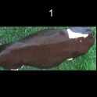
/Users/as16542/Downloads/10m32xl88x2b61zlkkgz3fml17/identification/images/test/011/000014.jpg | 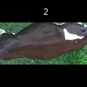
/Users/as16542/Downloads/10m32xl88x2b61zlkkgz3fml17/identification/images/test/011/000011.jpg | 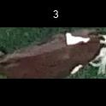
/Users/as16542/Downloads/10m32xl88x2b61zlkkgz3fml17/identification/images/test/011/000002.jpg | 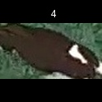
/Users/as16542/Downloads/10m32xl88x2b61zlkkgz3fml17/identification/images/test/011/000003.jpg | 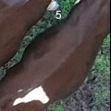
/Users/as16542/Downloads/10m32xl88x2b61zlkkgz3fml17/identification/images/test/011/000012.jpg | 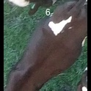
/Users/as16542/Downloads/10m32xl88x2b61zlkkgz3fml17/identification/images/test/011/000013.jpg | 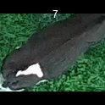
/Users/as16542/Downloads/10m32xl88x2b61zlkkgz3fml17/identification/images/test/011/000008.jpg | 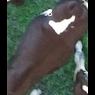
/Users/as16542/Downloads/10m32xl88x2b61zlkkgz3fml17/identification/images/test/011/000005.jpg | 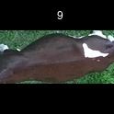
/Users/as16542/Downloads/10m32xl88x2b61zlkkgz3fml17/identification/images/test/011/000001.jpg | 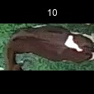
/Users/as16542/Downloads/10m32xl88x2b61zlkkgz3fml17/identification/images/test/011/000006.jpg | 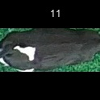
/Users/as16542/Downloads/10m32xl88x2b61zlkkgz3fml17/identification/images/test/011/000010.jpg | 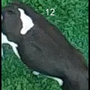
/Users/as16542/Downloads/10m32xl88x2b61zlkkgz3fml17/identification/images/test/011/000004.jpg | 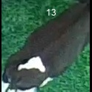
/Users/as16542/Downloads/10m32xl88x2b61zlkkgz3fml17/identification/images/test/011/000007.jpg | 