Sheet1
/Users/as16542/Downloads/10m32xl88x2b61zlkkgz3fml17/identification/images/test/012/000015.jpg | 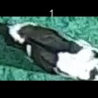
/Users/as16542/Downloads/10m32xl88x2b61zlkkgz3fml17/identification/images/test/012/000014.jpg | 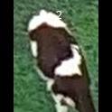
/Users/as16542/Downloads/10m32xl88x2b61zlkkgz3fml17/identification/images/test/012/000019.jpg | 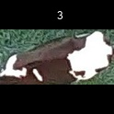
/Users/as16542/Downloads/10m32xl88x2b61zlkkgz3fml17/identification/images/test/012/000011.jpg | 
/Users/as16542/Downloads/10m32xl88x2b61zlkkgz3fml17/identification/images/test/012/000002.jpg | 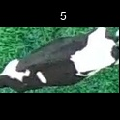
/Users/as16542/Downloads/10m32xl88x2b61zlkkgz3fml17/identification/images/test/012/000003.jpg | 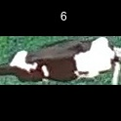
/Users/as16542/Downloads/10m32xl88x2b61zlkkgz3fml17/identification/images/test/012/000012.jpg | 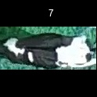
/Users/as16542/Downloads/10m32xl88x2b61zlkkgz3fml17/identification/images/test/012/000018.jpg | 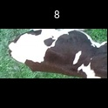
/Users/as16542/Downloads/10m32xl88x2b61zlkkgz3fml17/identification/images/test/012/000013.jpg | 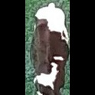
/Users/as16542/Downloads/10m32xl88x2b61zlkkgz3fml17/identification/images/test/012/000017.jpg | 
/Users/as16542/Downloads/10m32xl88x2b61zlkkgz3fml17/identification/images/test/012/000008.jpg | 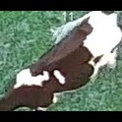
/Users/as16542/Downloads/10m32xl88x2b61zlkkgz3fml17/identification/images/test/012/000005.jpg | 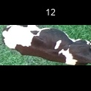
/Users/as16542/Downloads/10m32xl88x2b61zlkkgz3fml17/identification/images/test/012/000001.jpg | 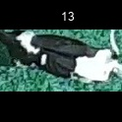
/Users/as16542/Downloads/10m32xl88x2b61zlkkgz3fml17/identification/images/test/012/000006.jpg | 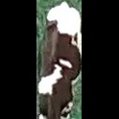
/Users/as16542/Downloads/10m32xl88x2b61zlkkgz3fml17/identification/images/test/012/000023.jpg | 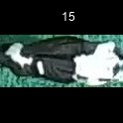
/Users/as16542/Downloads/10m32xl88x2b61zlkkgz3fml17/identification/images/test/012/000010.jpg | 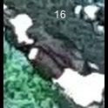
/Users/as16542/Downloads/10m32xl88x2b61zlkkgz3fml17/identification/images/test/012/000004.jpg | 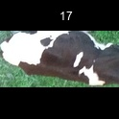
/Users/as16542/Downloads/10m32xl88x2b61zlkkgz3fml17/identification/images/test/012/000021.jpg | 
/Users/as16542/Downloads/10m32xl88x2b61zlkkgz3fml17/identification/images/test/012/000022.jpg | 
/Users/as16542/Downloads/10m32xl88x2b61zlkkgz3fml17/identification/images/test/012/000016.jpg | 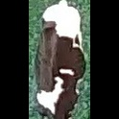
/Users/as16542/Downloads/10m32xl88x2b61zlkkgz3fml17/identification/images/test/012/000007.jpg | 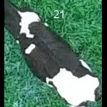
/Users/as16542/Downloads/10m32xl88x2b61zlkkgz3fml17/identification/images/test/012/000020.jpg | 