Sheet1
/Users/as16542/Downloads/10m32xl88x2b61zlkkgz3fml17/identification/images/test/013/000015.jpg | 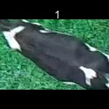
/Users/as16542/Downloads/10m32xl88x2b61zlkkgz3fml17/identification/images/test/013/000014.jpg | 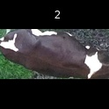
/Users/as16542/Downloads/10m32xl88x2b61zlkkgz3fml17/identification/images/test/013/000019.jpg | 
/Users/as16542/Downloads/10m32xl88x2b61zlkkgz3fml17/identification/images/test/013/000011.jpg | 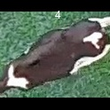
/Users/as16542/Downloads/10m32xl88x2b61zlkkgz3fml17/identification/images/test/013/000002.jpg | 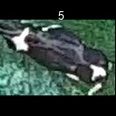
/Users/as16542/Downloads/10m32xl88x2b61zlkkgz3fml17/identification/images/test/013/000003.jpg | 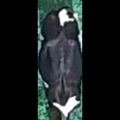
/Users/as16542/Downloads/10m32xl88x2b61zlkkgz3fml17/identification/images/test/013/000012.jpg | 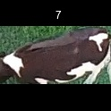
/Users/as16542/Downloads/10m32xl88x2b61zlkkgz3fml17/identification/images/test/013/000018.jpg | 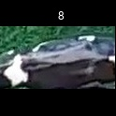
/Users/as16542/Downloads/10m32xl88x2b61zlkkgz3fml17/identification/images/test/013/000013.jpg | 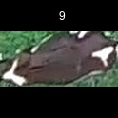
/Users/as16542/Downloads/10m32xl88x2b61zlkkgz3fml17/identification/images/test/013/000017.jpg | 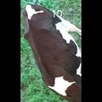
/Users/as16542/Downloads/10m32xl88x2b61zlkkgz3fml17/identification/images/test/013/000008.jpg | 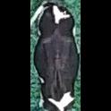
/Users/as16542/Downloads/10m32xl88x2b61zlkkgz3fml17/identification/images/test/013/000005.jpg | 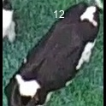
/Users/as16542/Downloads/10m32xl88x2b61zlkkgz3fml17/identification/images/test/013/000001.jpg | 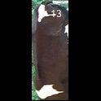
/Users/as16542/Downloads/10m32xl88x2b61zlkkgz3fml17/identification/images/test/013/000006.jpg | 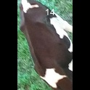
/Users/as16542/Downloads/10m32xl88x2b61zlkkgz3fml17/identification/images/test/013/000023.jpg | 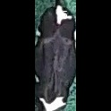
/Users/as16542/Downloads/10m32xl88x2b61zlkkgz3fml17/identification/images/test/013/000010.jpg | 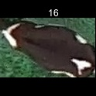
/Users/as16542/Downloads/10m32xl88x2b61zlkkgz3fml17/identification/images/test/013/000004.jpg | 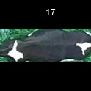
/Users/as16542/Downloads/10m32xl88x2b61zlkkgz3fml17/identification/images/test/013/000021.jpg | 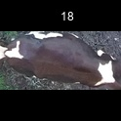
/Users/as16542/Downloads/10m32xl88x2b61zlkkgz3fml17/identification/images/test/013/000022.jpg | 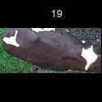
/Users/as16542/Downloads/10m32xl88x2b61zlkkgz3fml17/identification/images/test/013/000016.jpg | 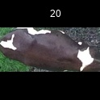
/Users/as16542/Downloads/10m32xl88x2b61zlkkgz3fml17/identification/images/test/013/000007.jpg | 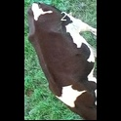
/Users/as16542/Downloads/10m32xl88x2b61zlkkgz3fml17/identification/images/test/013/000020.jpg | 