Sheet1
/Users/as16542/Downloads/10m32xl88x2b61zlkkgz3fml17/identification/images/test/017/000015.jpg | 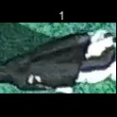
/Users/as16542/Downloads/10m32xl88x2b61zlkkgz3fml17/identification/images/test/017/000014.jpg | 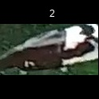
/Users/as16542/Downloads/10m32xl88x2b61zlkkgz3fml17/identification/images/test/017/000011.jpg | 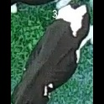
/Users/as16542/Downloads/10m32xl88x2b61zlkkgz3fml17/identification/images/test/017/000002.jpg | 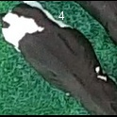
/Users/as16542/Downloads/10m32xl88x2b61zlkkgz3fml17/identification/images/test/017/000003.jpg | 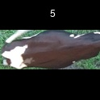
/Users/as16542/Downloads/10m32xl88x2b61zlkkgz3fml17/identification/images/test/017/000012.jpg | 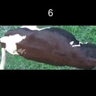
/Users/as16542/Downloads/10m32xl88x2b61zlkkgz3fml17/identification/images/test/017/000013.jpg | 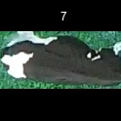
/Users/as16542/Downloads/10m32xl88x2b61zlkkgz3fml17/identification/images/test/017/000008.jpg | 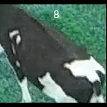
/Users/as16542/Downloads/10m32xl88x2b61zlkkgz3fml17/identification/images/test/017/000005.jpg | 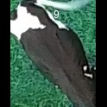
/Users/as16542/Downloads/10m32xl88x2b61zlkkgz3fml17/identification/images/test/017/000001.jpg | 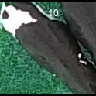
/Users/as16542/Downloads/10m32xl88x2b61zlkkgz3fml17/identification/images/test/017/000006.jpg | 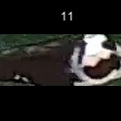
/Users/as16542/Downloads/10m32xl88x2b61zlkkgz3fml17/identification/images/test/017/000010.jpg | 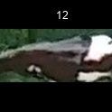
/Users/as16542/Downloads/10m32xl88x2b61zlkkgz3fml17/identification/images/test/017/000004.jpg | 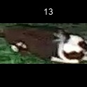
/Users/as16542/Downloads/10m32xl88x2b61zlkkgz3fml17/identification/images/test/017/000016.jpg | 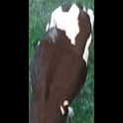
/Users/as16542/Downloads/10m32xl88x2b61zlkkgz3fml17/identification/images/test/017/000007.jpg | 

