Sheet1
/Users/as16542/Downloads/10m32xl88x2b61zlkkgz3fml17/identification/images/test/018/000002.jpg | 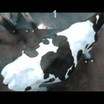
/Users/as16542/Downloads/10m32xl88x2b61zlkkgz3fml17/identification/images/test/018/000003.jpg | 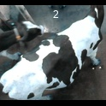
/Users/as16542/Downloads/10m32xl88x2b61zlkkgz3fml17/identification/images/test/018/000008.jpg | 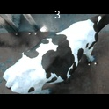
/Users/as16542/Downloads/10m32xl88x2b61zlkkgz3fml17/identification/images/test/018/000005.jpg | 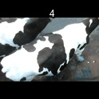
/Users/as16542/Downloads/10m32xl88x2b61zlkkgz3fml17/identification/images/test/018/000001.jpg | 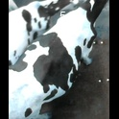
/Users/as16542/Downloads/10m32xl88x2b61zlkkgz3fml17/identification/images/test/018/000006.jpg | 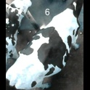
/Users/as16542/Downloads/10m32xl88x2b61zlkkgz3fml17/identification/images/test/018/000004.jpg | 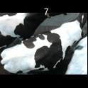
/Users/as16542/Downloads/10m32xl88x2b61zlkkgz3fml17/identification/images/test/018/000007.jpg | 