Sheet1
/Users/as16542/Downloads/10m32xl88x2b61zlkkgz3fml17/identification/images/test/021/000003.jpg | 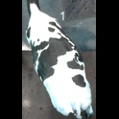
/Users/as16542/Downloads/10m32xl88x2b61zlkkgz3fml17/identification/images/test/021/000001.jpg | 