Sheet1
/Users/as16542/Downloads/10m32xl88x2b61zlkkgz3fml17/identification/images/train/001/000088.jpg | 5 |  |  |  |  |  |  |  |  |  | 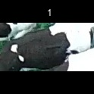
/Users/as16542/Downloads/10m32xl88x2b61zlkkgz3fml17/identification/images/train/001/000079.jpg | 0 | 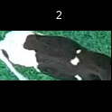
/Users/as16542/Downloads/10m32xl88x2b61zlkkgz3fml17/identification/images/train/001/000071.jpg | 5 |  |  |  |  |  |  |  |  |  | 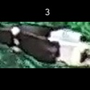
/Users/as16542/Downloads/10m32xl88x2b61zlkkgz3fml17/identification/images/train/001/000116.jpg | 5 |  |  |  |  |  |  |  |  |  | 
/Users/as16542/Downloads/10m32xl88x2b61zlkkgz3fml17/identification/images/train/001/000053.jpg | 5 |  |  |  |  |  |  |  |  |  | 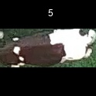
/Users/as16542/Downloads/10m32xl88x2b61zlkkgz3fml17/identification/images/train/001/000077.jpg | 5 |  |  |  |  |  |  |  |  |  | 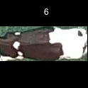
/Users/as16542/Downloads/10m32xl88x2b61zlkkgz3fml17/identification/images/train/001/000107.jpg | 4 |  |  |  |  |  |  |  | 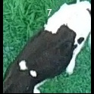
/Users/as16542/Downloads/10m32xl88x2b61zlkkgz3fml17/identification/images/train/001/000148.jpg | 5 |  |  |  |  |  |  |  |  |  | 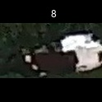
/Users/as16542/Downloads/10m32xl88x2b61zlkkgz3fml17/identification/images/train/001/000124.jpg | 3 |  |  |  |  |  | 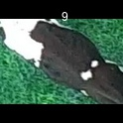
/Users/as16542/Downloads/10m32xl88x2b61zlkkgz3fml17/identification/images/train/001/000144.jpg | 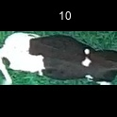 0
/Users/as16542/Downloads/10m32xl88x2b61zlkkgz3fml17/identification/images/train/001/000147.jpg | 6 |  |  |  |  |  |  |  |  |  |  |  | 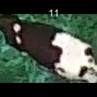
/Users/as16542/Downloads/10m32xl88x2b61zlkkgz3fml17/identification/images/train/001/000066.jpg | 3 |  |  |  |  |  | 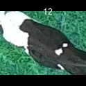
/Users/as16542/Downloads/10m32xl88x2b61zlkkgz3fml17/identification/images/train/001/000095.jpg | 3 |  |  |  |  |  | 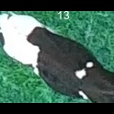
/Users/as16542/Downloads/10m32xl88x2b61zlkkgz3fml17/identification/images/train/001/000056.jpg | 5 |  |  |  |  |  |  |  |  |  | 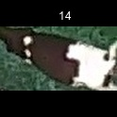
/Users/as16542/Downloads/10m32xl88x2b61zlkkgz3fml17/identification/images/train/001/000158.jpg | 5 |  |  |  |  |  |  |  |  |  | 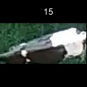
/Users/as16542/Downloads/10m32xl88x2b61zlkkgz3fml17/identification/images/train/001/000009.jpg | 3 |  |  |  |  |  | 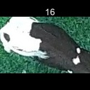
/Users/as16542/Downloads/10m32xl88x2b61zlkkgz3fml17/identification/images/train/001/000146.jpg | 5 |  |  |  |  |  |  |  |  |  | 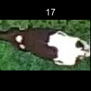
/Users/as16542/Downloads/10m32xl88x2b61zlkkgz3fml17/identification/images/train/001/000015.jpg | 5 |  |  |  |  |  |  |  |  |  | 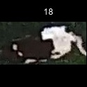
/Users/as16542/Downloads/10m32xl88x2b61zlkkgz3fml17/identification/images/train/001/000120.jpg | 3 |  |  |  |  | 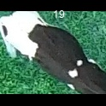
/Users/as16542/Downloads/10m32xl88x2b61zlkkgz3fml17/identification/images/train/001/000154.jpg | 3 |  |  |  |  | 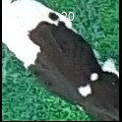
/Users/as16542/Downloads/10m32xl88x2b61zlkkgz3fml17/identification/images/train/001/000093.jpg | 3 |  |  |  |  | 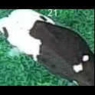
/Users/as16542/Downloads/10m32xl88x2b61zlkkgz3fml17/identification/images/train/001/000156.jpg | 5 |  |  |  |  |  |  |  |  |  | 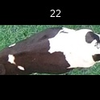
/Users/as16542/Downloads/10m32xl88x2b61zlkkgz3fml17/identification/images/train/001/000118.jpg | 3 |  |  |  |  | 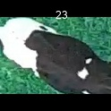
/Users/as16542/Downloads/10m32xl88x2b61zlkkgz3fml17/identification/images/train/001/000091.jpg | 3 |  |  |  |  | 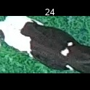
/Users/as16542/Downloads/10m32xl88x2b61zlkkgz3fml17/identification/images/train/001/000075.jpg | 5 |  |  |  |  |  |  |  |  |  | 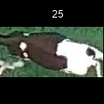
/Users/as16542/Downloads/10m32xl88x2b61zlkkgz3fml17/identification/images/train/001/000048.jpg | 4 |  |  |  |  |  |  | 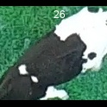
/Users/as16542/Downloads/10m32xl88x2b61zlkkgz3fml17/identification/images/train/001/000164.jpg | 5 |  |  |  |  |  |  |  |  |  | 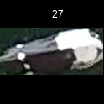
/Users/as16542/Downloads/10m32xl88x2b61zlkkgz3fml17/identification/images/train/001/000050.jpg | 3 |  |  |  |  |  | 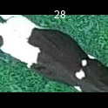
/Users/as16542/Downloads/10m32xl88x2b61zlkkgz3fml17/identification/images/train/001/000112.jpg | 5 |  |  |  |  |  |  |  |  | 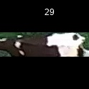
/Users/as16542/Downloads/10m32xl88x2b61zlkkgz3fml17/identification/images/train/001/000052.jpg | 5 |  |  |  |  |  |  |  |  | 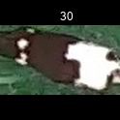
/Users/as16542/Downloads/10m32xl88x2b61zlkkgz3fml17/identification/images/train/001/000043.jpg | 5 |  |  |  |  |  |  |  |  | 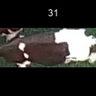
/Users/as16542/Downloads/10m32xl88x2b61zlkkgz3fml17/identification/images/train/001/000115.jpg | 0 | 
/Users/as16542/Downloads/10m32xl88x2b61zlkkgz3fml17/identification/images/train/001/000086.jpg | 5 |  |  |  |  |  |  |  |  |  | 
/Users/as16542/Downloads/10m32xl88x2b61zlkkgz3fml17/identification/images/train/001/000037.jpg | 5 |  |  |  |  |  |  |  |  |  | 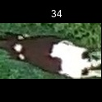
/Users/as16542/Downloads/10m32xl88x2b61zlkkgz3fml17/identification/images/train/001/000014.jpg | 1 |  |  | 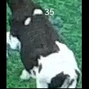
/Users/as16542/Downloads/10m32xl88x2b61zlkkgz3fml17/identification/images/train/001/000057.jpg | 5 |  |  |  |  |  |  |  |  |  | 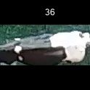
/Users/as16542/Downloads/10m32xl88x2b61zlkkgz3fml17/identification/images/train/001/000019.jpg | 5 |  |  |  |  |  |  |  |  |  | 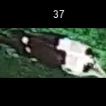
/Users/as16542/Downloads/10m32xl88x2b61zlkkgz3fml17/identification/images/train/001/000040.jpg | 5 |  |  |  |  |  |  |  |  |  | 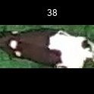
/Users/as16542/Downloads/10m32xl88x2b61zlkkgz3fml17/identification/images/train/001/000069.jpg | 1 |  |  | 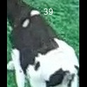
/Users/as16542/Downloads/10m32xl88x2b61zlkkgz3fml17/identification/images/train/001/000060.jpg | 3 |  |  |  |  | 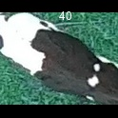
/Users/as16542/Downloads/10m32xl88x2b61zlkkgz3fml17/identification/images/train/001/000046.jpg | 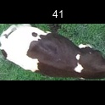 0
/Users/as16542/Downloads/10m32xl88x2b61zlkkgz3fml17/identification/images/train/001/000105.jpg | 5 |  |  |  |  |  |  |  |  |  | 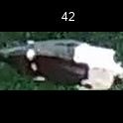
/Users/as16542/Downloads/10m32xl88x2b61zlkkgz3fml17/identification/images/train/001/000132.jpg | 1 |  | 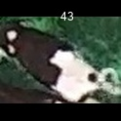
/Users/as16542/Downloads/10m32xl88x2b61zlkkgz3fml17/identification/images/train/001/000136.jpg | 5 |  |  |  |  |  |  |  |  |  | 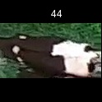
/Users/as16542/Downloads/10m32xl88x2b61zlkkgz3fml17/identification/images/train/001/000089.jpg | 5 |  |  |  |  |  |  |  |  |  | 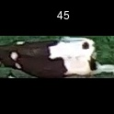
/Users/as16542/Downloads/10m32xl88x2b61zlkkgz3fml17/identification/images/train/001/000161.jpg | 0 | 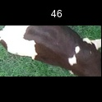
/Users/as16542/Downloads/10m32xl88x2b61zlkkgz3fml17/identification/images/train/001/000051.jpg | 3 |  |  |  |  |  | 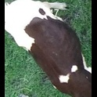
/Users/as16542/Downloads/10m32xl88x2b61zlkkgz3fml17/identification/images/train/001/000072.jpg | 5 |  |  |  |  |  |  |  |  |  | 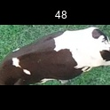
/Users/as16542/Downloads/10m32xl88x2b61zlkkgz3fml17/identification/images/train/001/000044.jpg | 3 |  |  |  |  | 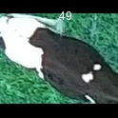
/Users/as16542/Downloads/10m32xl88x2b61zlkkgz3fml17/identification/images/train/001/000078.jpg | 5 |  |  |  |  |  |  |  |  | 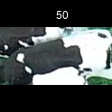
/Users/as16542/Downloads/10m32xl88x2b61zlkkgz3fml17/identification/images/train/001/000011.jpg | 5 |  |  |  |  |  |  |  |  | 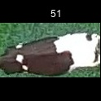
/Users/as16542/Downloads/10m32xl88x2b61zlkkgz3fml17/identification/images/train/001/000128.jpg | 3 |  |  |  |  |  | 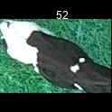
/Users/as16542/Downloads/10m32xl88x2b61zlkkgz3fml17/identification/images/train/001/000063.jpg | 0 | 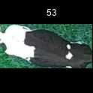
/Users/as16542/Downloads/10m32xl88x2b61zlkkgz3fml17/identification/images/train/001/000002.jpg | 0 | 
/Users/as16542/Downloads/10m32xl88x2b61zlkkgz3fml17/identification/images/train/001/000081.jpg | 0 | 
/Users/as16542/Downloads/10m32xl88x2b61zlkkgz3fml17/identification/images/train/001/000041.jpg | 1 |  |  | 
/Users/as16542/Downloads/10m32xl88x2b61zlkkgz3fml17/identification/images/train/001/000153.jpg | 5 |  |  |  |  |  |  |  |  |  | 
/Users/as16542/Downloads/10m32xl88x2b61zlkkgz3fml17/identification/images/train/001/000003.jpg | 5 |  |  |  |  |  |  |  |  |  | 
/Users/as16542/Downloads/10m32xl88x2b61zlkkgz3fml17/identification/images/train/001/000032.jpg | 5 |  |  |  |  |  |  |  |  | 
/Users/as16542/Downloads/10m32xl88x2b61zlkkgz3fml17/identification/images/train/001/000025.jpg | 5 |  |  |  |  |  |  |  |  | 
/Users/as16542/Downloads/10m32xl88x2b61zlkkgz3fml17/identification/images/train/001/000141.jpg | 5 |  |  |  |  |  |  |  |  | 
/Users/as16542/Downloads/10m32xl88x2b61zlkkgz3fml17/identification/images/train/001/000067.jpg | 5 |  |  |  |  |  |  |  |  | 
/Users/as16542/Downloads/10m32xl88x2b61zlkkgz3fml17/identification/images/train/001/000097.jpg | 1 |  |  | 
/Users/as16542/Downloads/10m32xl88x2b61zlkkgz3fml17/identification/images/train/001/000012.jpg | 0 | 
/Users/as16542/Downloads/10m32xl88x2b61zlkkgz3fml17/identification/images/train/001/000058.jpg | 5 |  |  |  |  |  |  |  |  |  | 
/Users/as16542/Downloads/10m32xl88x2b61zlkkgz3fml17/identification/images/train/001/000152.jpg | 5 |  |  |  |  |  |  |  |  |  | 
/Users/as16542/Downloads/10m32xl88x2b61zlkkgz3fml17/identification/images/train/001/000018.jpg | 5 |  |  |  |  |  |  |  |  |  | 
/Users/as16542/Downloads/10m32xl88x2b61zlkkgz3fml17/identification/images/train/001/000013.jpg | 0 | 
/Users/as16542/Downloads/10m32xl88x2b61zlkkgz3fml17/identification/images/train/001/000129.jpg | 0 | 
/Users/as16542/Downloads/10m32xl88x2b61zlkkgz3fml17/identification/images/train/001/000131.jpg | 5 |  |  |  |  |  |  |  |  |  | 
/Users/as16542/Downloads/10m32xl88x2b61zlkkgz3fml17/identification/images/train/001/000151.jpg | 5 |  |  |  |  |  |  |  |  |  | 
/Users/as16542/Downloads/10m32xl88x2b61zlkkgz3fml17/identification/images/train/001/000068.jpg | 3 |  |  |  |  |  | 
/Users/as16542/Downloads/10m32xl88x2b61zlkkgz3fml17/identification/images/train/001/000017.jpg | 5 |  |  |  |  |  |  |  |  |  | 
/Users/as16542/Downloads/10m32xl88x2b61zlkkgz3fml17/identification/images/train/001/000149.jpg | 3 |  |  |  |  |  | 
/Users/as16542/Downloads/10m32xl88x2b61zlkkgz3fml17/identification/images/train/001/000008.jpg | 0 | 
/Users/as16542/Downloads/10m32xl88x2b61zlkkgz3fml17/identification/images/train/001/000035.jpg | 5 |  |  |  |  |  |  |  |  |  | 
/Users/as16542/Downloads/10m32xl88x2b61zlkkgz3fml17/identification/images/train/001/000108.jpg | 5 |  |  |  |  |  |  |  |  |  | 
/Users/as16542/Downloads/10m32xl88x2b61zlkkgz3fml17/identification/images/train/001/000005.jpg | 5 |  |  |  |  |  |  |  |  |  | 
/Users/as16542/Downloads/10m32xl88x2b61zlkkgz3fml17/identification/images/train/001/000163.jpg | 2 |  |  |  | 
/Users/as16542/Downloads/10m32xl88x2b61zlkkgz3fml17/identification/images/train/001/000139.jpg | 5 |  |  |  |  |  |  |  |  | 
/Users/as16542/Downloads/10m32xl88x2b61zlkkgz3fml17/identification/images/train/001/000130.jpg | 3 |  |  |  |  |  | 
/Users/as16542/Downloads/10m32xl88x2b61zlkkgz3fml17/identification/images/train/001/000159.jpg | 5 |  |  |  |  |  |  |  |  |  | 
/Users/as16542/Downloads/10m32xl88x2b61zlkkgz3fml17/identification/images/train/001/000070.jpg | 5 |  |  |  |  |  |  |  |  |  | 
/Users/as16542/Downloads/10m32xl88x2b61zlkkgz3fml17/identification/images/train/001/000001.jpg | 3 |  |  |  |  | 
/Users/as16542/Downloads/10m32xl88x2b61zlkkgz3fml17/identification/images/train/001/000085.jpg | 2 |  |  |  | 
/Users/as16542/Downloads/10m32xl88x2b61zlkkgz3fml17/identification/images/train/001/000111.jpg | 5 |  |  |  |  |  |  |  |  |  | 
/Users/as16542/Downloads/10m32xl88x2b61zlkkgz3fml17/identification/images/train/001/000127.jpg | 3 |  |  |  |  |  | 
/Users/as16542/Downloads/10m32xl88x2b61zlkkgz3fml17/identification/images/train/001/000104.jpg | 5 |  |  |  |  |  |  |  |  |  | 
/Users/as16542/Downloads/10m32xl88x2b61zlkkgz3fml17/identification/images/train/001/000099.jpg | 6 |  |  |  |  |  |  |  |  |  |  |  | 
/Users/as16542/Downloads/10m32xl88x2b61zlkkgz3fml17/identification/images/train/001/000137.jpg | 5 |  |  |  |  |  |  |  |  |  | 
/Users/as16542/Downloads/10m32xl88x2b61zlkkgz3fml17/identification/images/train/001/000006.jpg | 5 |  |  |  |  |  |  |  |  |  | 
/Users/as16542/Downloads/10m32xl88x2b61zlkkgz3fml17/identification/images/train/001/000062.jpg | 3 |  |  |  |  |  | 
/Users/as16542/Downloads/10m32xl88x2b61zlkkgz3fml17/identification/images/train/001/000140.jpg | 5 |  |  |  |  |  |  |  |  |  | 
/Users/as16542/Downloads/10m32xl88x2b61zlkkgz3fml17/identification/images/train/001/000023.jpg | 0 | 
/Users/as16542/Downloads/10m32xl88x2b61zlkkgz3fml17/identification/images/train/001/000026.jpg | 3 |  |  |  |  |  | 
/Users/as16542/Downloads/10m32xl88x2b61zlkkgz3fml17/identification/images/train/001/000134.jpg | 3 |  |  |  |  |  | 
/Users/as16542/Downloads/10m32xl88x2b61zlkkgz3fml17/identification/images/train/001/000036.jpg | 0 | 
/Users/as16542/Downloads/10m32xl88x2b61zlkkgz3fml17/identification/images/train/001/000157.jpg | 1 |  |  | 
/Users/as16542/Downloads/10m32xl88x2b61zlkkgz3fml17/identification/images/train/001/000010.jpg | 5 |  |  |  |  |  |  |  |  |  | 
/Users/as16542/Downloads/10m32xl88x2b61zlkkgz3fml17/identification/images/train/001/000114.jpg | 5 |  |  |  |  |  |  |  |  |  | 
/Users/as16542/Downloads/10m32xl88x2b61zlkkgz3fml17/identification/images/train/001/000083.jpg | 5 |  |  |  |  |  |  |  |  |  | 
/Users/as16542/Downloads/10m32xl88x2b61zlkkgz3fml17/identification/images/train/001/000119.jpg | 1 |  |  | 
/Users/as16542/Downloads/10m32xl88x2b61zlkkgz3fml17/identification/images/train/001/000039.jpg | 5 |  |  |  |  |  |  |  |  |  | 
/Users/as16542/Downloads/10m32xl88x2b61zlkkgz3fml17/identification/images/train/001/000059.jpg | 6 |  |  |  |  |  |  |  |  |  |  | 
/Users/as16542/Downloads/10m32xl88x2b61zlkkgz3fml17/identification/images/train/001/000110.jpg | 3 |  |  |  |  |  | 
/Users/as16542/Downloads/10m32xl88x2b61zlkkgz3fml17/identification/images/train/001/000135.jpg | 5 |  |  |  |  |  |  |  |  |  | 
/Users/as16542/Downloads/10m32xl88x2b61zlkkgz3fml17/identification/images/train/001/000113.jpg | 5 |  |  |  |  |  |  |  |  |  | 
/Users/as16542/Downloads/10m32xl88x2b61zlkkgz3fml17/identification/images/train/001/000004.jpg | 5 |  |  |  |  |  |  |  |  |  | 
/Users/as16542/Downloads/10m32xl88x2b61zlkkgz3fml17/identification/images/train/001/000084.jpg | 5 |  |  |  |  |  |  |  |  |  | 
/Users/as16542/Downloads/10m32xl88x2b61zlkkgz3fml17/identification/images/train/001/000092.jpg | 5 |  |  |  |  |  |  |  |  |  | 
/Users/as16542/Downloads/10m32xl88x2b61zlkkgz3fml17/identification/images/train/001/000033.jpg | 5 |  |  |  |  |  |  |  |  |  | 
/Users/as16542/Downloads/10m32xl88x2b61zlkkgz3fml17/identification/images/train/001/000034.jpg | 6 |  |  |  |  |  |  |  |  |  |  |  | 
/Users/as16542/Downloads/10m32xl88x2b61zlkkgz3fml17/identification/images/train/001/000061.jpg | 0 | 
/Users/as16542/Downloads/10m32xl88x2b61zlkkgz3fml17/identification/images/train/001/000160.jpg | 5 |  |  |  |  |  |  |  |  |  | 
/Users/as16542/Downloads/10m32xl88x2b61zlkkgz3fml17/identification/images/train/001/000028.jpg | 5 |  |  |  |  |  |  |  |  | 
/Users/as16542/Downloads/10m32xl88x2b61zlkkgz3fml17/identification/images/train/001/000082.jpg | 3 |  |  |  |  |  | 
/Users/as16542/Downloads/10m32xl88x2b61zlkkgz3fml17/identification/images/train/001/000098.jpg | 3 |  |  |  |  |  | 
/Users/as16542/Downloads/10m32xl88x2b61zlkkgz3fml17/identification/images/train/001/000030.jpg | 5 |  |  |  |  |  |  |  |  |  | 
/Users/as16542/Downloads/10m32xl88x2b61zlkkgz3fml17/identification/images/train/001/000045.jpg | 1 |  |  | 
/Users/as16542/Downloads/10m32xl88x2b61zlkkgz3fml17/identification/images/train/001/000080.jpg | 5 |  |  |  |  |  |  |  |  |  | 
/Users/as16542/Downloads/10m32xl88x2b61zlkkgz3fml17/identification/images/train/001/000117.jpg | 5 |  |  |  |  |  |  |  |  |  | 
/Users/as16542/Downloads/10m32xl88x2b61zlkkgz3fml17/identification/images/train/001/000074.jpg | 5 |  |  |  |  |  |  |  |  |  | 
/Users/as16542/Downloads/10m32xl88x2b61zlkkgz3fml17/identification/images/train/001/000029.jpg | 3 |  |  |  |  |  | 
/Users/as16542/Downloads/10m32xl88x2b61zlkkgz3fml17/identification/images/train/001/000103.jpg | 0 | 
/Users/as16542/Downloads/10m32xl88x2b61zlkkgz3fml17/identification/images/train/001/000155.jpg | 5 |  |  |  |  |  |  |  |  |  | 
/Users/as16542/Downloads/10m32xl88x2b61zlkkgz3fml17/identification/images/train/001/000064.jpg | 3 |  |  |  |  | 
/Users/as16542/Downloads/10m32xl88x2b61zlkkgz3fml17/identification/images/train/001/000121.jpg | 0 | 
/Users/as16542/Downloads/10m32xl88x2b61zlkkgz3fml17/identification/images/train/001/000133.jpg | 5 |  |  |  |  |  |  |  |  |  | 
/Users/as16542/Downloads/10m32xl88x2b61zlkkgz3fml17/identification/images/train/001/000042.jpg | 5 |  |  |  |  |  |  |  |  |  | 
/Users/as16542/Downloads/10m32xl88x2b61zlkkgz3fml17/identification/images/train/001/000109.jpg | 5 |  |  |  |  |  |  |  |  |  | 
/Users/as16542/Downloads/10m32xl88x2b61zlkkgz3fml17/identification/images/train/001/000138.jpg | 5 |  |  |  |  |  |  |  |  |  | 
/Users/as16542/Downloads/10m32xl88x2b61zlkkgz3fml17/identification/images/train/001/000031.jpg | 5 |  |  |  |  |  |  |  |  |  | 
/Users/as16542/Downloads/10m32xl88x2b61zlkkgz3fml17/identification/images/train/001/000073.jpg | 5 |  |  |  |  |  |  |  |  |  | 
/Users/as16542/Downloads/10m32xl88x2b61zlkkgz3fml17/identification/images/train/001/000021.jpg | 0 | 
/Users/as16542/Downloads/10m32xl88x2b61zlkkgz3fml17/identification/images/train/001/000122.jpg | 0 | 
/Users/as16542/Downloads/10m32xl88x2b61zlkkgz3fml17/identification/images/train/001/000094.jpg | 3 |  |  |  |  |  | 
/Users/as16542/Downloads/10m32xl88x2b61zlkkgz3fml17/identification/images/train/001/000022.jpg | 5 |  |  |  |  |  |  |  |  |  | 
/Users/as16542/Downloads/10m32xl88x2b61zlkkgz3fml17/identification/images/train/001/000101.jpg | 1 |  |  | 
/Users/as16542/Downloads/10m32xl88x2b61zlkkgz3fml17/identification/images/train/001/000047.jpg | 1 |  |  | 
/Users/as16542/Downloads/10m32xl88x2b61zlkkgz3fml17/identification/images/train/001/000055.jpg | 3 |  |  |  |  |  | 
/Users/as16542/Downloads/10m32xl88x2b61zlkkgz3fml17/identification/images/train/001/000049.jpg | 0 | 
/Users/as16542/Downloads/10m32xl88x2b61zlkkgz3fml17/identification/images/train/001/000096.jpg | 5 |  |  |  |  |  |  |  |  | 
/Users/as16542/Downloads/10m32xl88x2b61zlkkgz3fml17/identification/images/train/001/000076.jpg | 0 | 
/Users/as16542/Downloads/10m32xl88x2b61zlkkgz3fml17/identification/images/train/001/000125.jpg | 5 |  |  |  |  |  |  |  |  |  | 
/Users/as16542/Downloads/10m32xl88x2b61zlkkgz3fml17/identification/images/train/001/000038.jpg | 5 |  |  |  |  |  |  |  |  |  | 
/Users/as16542/Downloads/10m32xl88x2b61zlkkgz3fml17/identification/images/train/001/000016.jpg | 5 |  |  |  |  |  |  |  |  |  | 
/Users/as16542/Downloads/10m32xl88x2b61zlkkgz3fml17/identification/images/train/001/000087.jpg |  0
/Users/as16542/Downloads/10m32xl88x2b61zlkkgz3fml17/identification/images/train/001/000027.jpg | 5 |  |  |  |  |  |  |  |  |  | 
/Users/as16542/Downloads/10m32xl88x2b61zlkkgz3fml17/identification/images/train/001/000106.jpg | 5 |  |  |  |  |  |  |  |  |  | 
/Users/as16542/Downloads/10m32xl88x2b61zlkkgz3fml17/identification/images/train/001/000143.jpg | 2 |  |  |  | 
/Users/as16542/Downloads/10m32xl88x2b61zlkkgz3fml17/identification/images/train/001/000145.jpg | 5 |  |  |  |  |  |  |  |  |  | 
/Users/as16542/Downloads/10m32xl88x2b61zlkkgz3fml17/identification/images/train/001/000090.jpg | 5 |  |  |  |  |  |  |  |  |  | 
/Users/as16542/Downloads/10m32xl88x2b61zlkkgz3fml17/identification/images/train/001/000126.jpg | 5 |  |  |  |  |  |  |  |  |  | 
/Users/as16542/Downloads/10m32xl88x2b61zlkkgz3fml17/identification/images/train/001/000162.jpg | 5 |  |  |  |  |  |  |  |  |  | 
/Users/as16542/Downloads/10m32xl88x2b61zlkkgz3fml17/identification/images/train/001/000100.jpg | 5 |  |  |  |  |  |  |  |  |  | 
/Users/as16542/Downloads/10m32xl88x2b61zlkkgz3fml17/identification/images/train/001/000123.jpg | 5 |  |  |  |  |  |  |  |  |  | 
/Users/as16542/Downloads/10m32xl88x2b61zlkkgz3fml17/identification/images/train/001/000150.jpg | 5 |  |  |  |  |  |  |  |  |  | 
/Users/as16542/Downloads/10m32xl88x2b61zlkkgz3fml17/identification/images/train/001/000065.jpg | 3 |  |  |  |  |  | 
/Users/as16542/Downloads/10m32xl88x2b61zlkkgz3fml17/identification/images/train/001/000024.jpg | 0 | 
/Users/as16542/Downloads/10m32xl88x2b61zlkkgz3fml17/identification/images/train/001/000054.jpg | 5 |  |  |  |  |  |  |  |  |  | 
/Users/as16542/Downloads/10m32xl88x2b61zlkkgz3fml17/identification/images/train/001/000007.jpg | 5 |  |  |  |  |  |  |  |  |  | 
/Users/as16542/Downloads/10m32xl88x2b61zlkkgz3fml17/identification/images/train/001/000102.jpg | 3 |  |  |  |  |  | 
/Users/as16542/Downloads/10m32xl88x2b61zlkkgz3fml17/identification/images/train/001/000020.jpg | 5 |  |  |  |  |  |  |  |  |  | 

