Sheet1
/Users/as16542/Downloads/10m32xl88x2b61zlkkgz3fml17/identification/images/train/005/000088.jpg | 1 |  | 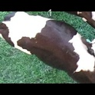
/Users/as16542/Downloads/10m32xl88x2b61zlkkgz3fml17/identification/images/train/005/000079.jpg | 1 |  | 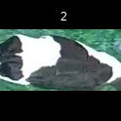
/Users/as16542/Downloads/10m32xl88x2b61zlkkgz3fml17/identification/images/train/005/000071.jpg | 1 |  | 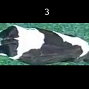
/Users/as16542/Downloads/10m32xl88x2b61zlkkgz3fml17/identification/images/train/005/000165.jpg | 2 |  |  | 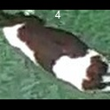
/Users/as16542/Downloads/10m32xl88x2b61zlkkgz3fml17/identification/images/train/005/000116.jpg | 3 |  |  |  | 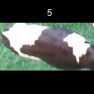
/Users/as16542/Downloads/10m32xl88x2b61zlkkgz3fml17/identification/images/train/005/000053.jpg | 0 | 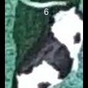
/Users/as16542/Downloads/10m32xl88x2b61zlkkgz3fml17/identification/images/train/005/000077.jpg | 2 |  |  | 
/Users/as16542/Downloads/10m32xl88x2b61zlkkgz3fml17/identification/images/train/005/000107.jpg | 2 |  |  | 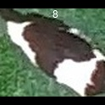
/Users/as16542/Downloads/10m32xl88x2b61zlkkgz3fml17/identification/images/train/005/000148.jpg | 0 | 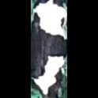
/Users/as16542/Downloads/10m32xl88x2b61zlkkgz3fml17/identification/images/train/005/000124.jpg | 1 |  | 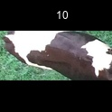
/Users/as16542/Downloads/10m32xl88x2b61zlkkgz3fml17/identification/images/train/005/000144.jpg | 1 |  | 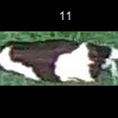
/Users/as16542/Downloads/10m32xl88x2b61zlkkgz3fml17/identification/images/train/005/000147.jpg | 0 | 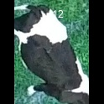
/Users/as16542/Downloads/10m32xl88x2b61zlkkgz3fml17/identification/images/train/005/000066.jpg | 1 |  | 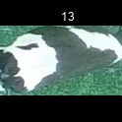
/Users/as16542/Downloads/10m32xl88x2b61zlkkgz3fml17/identification/images/train/005/000174.jpg | 1 |  | 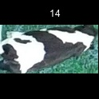
/Users/as16542/Downloads/10m32xl88x2b61zlkkgz3fml17/identification/images/train/005/000095.jpg | 1 |  | 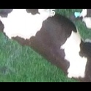
/Users/as16542/Downloads/10m32xl88x2b61zlkkgz3fml17/identification/images/train/005/000056.jpg | 1 |  | 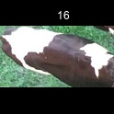
/Users/as16542/Downloads/10m32xl88x2b61zlkkgz3fml17/identification/images/train/005/000158.jpg | 1 |  | 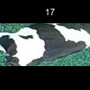
/Users/as16542/Downloads/10m32xl88x2b61zlkkgz3fml17/identification/images/train/005/000177.jpg | 1 |  | 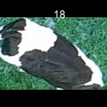
/Users/as16542/Downloads/10m32xl88x2b61zlkkgz3fml17/identification/images/train/005/000009.jpg | 2 |  |  | 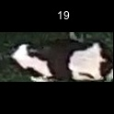
/Users/as16542/Downloads/10m32xl88x2b61zlkkgz3fml17/identification/images/train/005/000168.jpg | 1 |  | 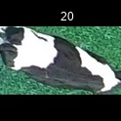
/Users/as16542/Downloads/10m32xl88x2b61zlkkgz3fml17/identification/images/train/005/000146.jpg | 0 | 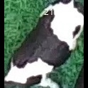
/Users/as16542/Downloads/10m32xl88x2b61zlkkgz3fml17/identification/images/train/005/000015.jpg | 0 | 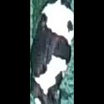
/Users/as16542/Downloads/10m32xl88x2b61zlkkgz3fml17/identification/images/train/005/000120.jpg | 2 |  |  | 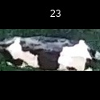
/Users/as16542/Downloads/10m32xl88x2b61zlkkgz3fml17/identification/images/train/005/000154.jpg | 2 |  |  | 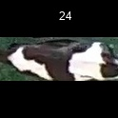
/Users/as16542/Downloads/10m32xl88x2b61zlkkgz3fml17/identification/images/train/005/000093.jpg | 1 |  | 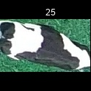
/Users/as16542/Downloads/10m32xl88x2b61zlkkgz3fml17/identification/images/train/005/000156.jpg | 3 |  |  |  | 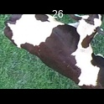
/Users/as16542/Downloads/10m32xl88x2b61zlkkgz3fml17/identification/images/train/005/000118.jpg | 0 | 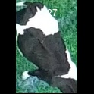
/Users/as16542/Downloads/10m32xl88x2b61zlkkgz3fml17/identification/images/train/005/000091.jpg | 3 |  |  |  | 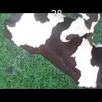
/Users/as16542/Downloads/10m32xl88x2b61zlkkgz3fml17/identification/images/train/005/000075.jpg | 2 |  |  | 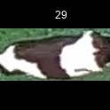
/Users/as16542/Downloads/10m32xl88x2b61zlkkgz3fml17/identification/images/train/005/000048.jpg | 1 |  | 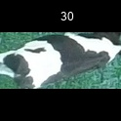
/Users/as16542/Downloads/10m32xl88x2b61zlkkgz3fml17/identification/images/train/005/000164.jpg | 2 |  |  | 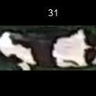
/Users/as16542/Downloads/10m32xl88x2b61zlkkgz3fml17/identification/images/train/005/000050.jpg | 1 |  | 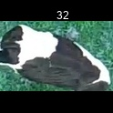
/Users/as16542/Downloads/10m32xl88x2b61zlkkgz3fml17/identification/images/train/005/000112.jpg | 0 | 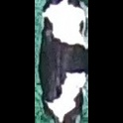
/Users/as16542/Downloads/10m32xl88x2b61zlkkgz3fml17/identification/images/train/005/000052.jpg | 2 |  |  | 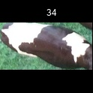
/Users/as16542/Downloads/10m32xl88x2b61zlkkgz3fml17/identification/images/train/005/000043.jpg | 1 |  | 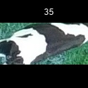
/Users/as16542/Downloads/10m32xl88x2b61zlkkgz3fml17/identification/images/train/005/000115.jpg | 0 | 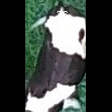
/Users/as16542/Downloads/10m32xl88x2b61zlkkgz3fml17/identification/images/train/005/000086.jpg | 0 | 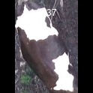
/Users/as16542/Downloads/10m32xl88x2b61zlkkgz3fml17/identification/images/train/005/000037.jpg | 1 |  | 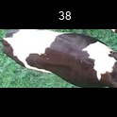
/Users/as16542/Downloads/10m32xl88x2b61zlkkgz3fml17/identification/images/train/005/000014.jpg | 0 | 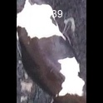
/Users/as16542/Downloads/10m32xl88x2b61zlkkgz3fml17/identification/images/train/005/000057.jpg | 2 |  |  | 
/Users/as16542/Downloads/10m32xl88x2b61zlkkgz3fml17/identification/images/train/005/000173.jpg | 0 | 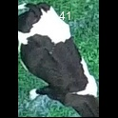
/Users/as16542/Downloads/10m32xl88x2b61zlkkgz3fml17/identification/images/train/005/000019.jpg | 0 | 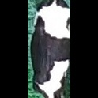
/Users/as16542/Downloads/10m32xl88x2b61zlkkgz3fml17/identification/images/train/005/000040.jpg | 2 |  |  | 
/Users/as16542/Downloads/10m32xl88x2b61zlkkgz3fml17/identification/images/train/005/000069.jpg | 2 |  |  | 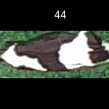
/Users/as16542/Downloads/10m32xl88x2b61zlkkgz3fml17/identification/images/train/005/000060.jpg | 0 | 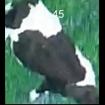
/Users/as16542/Downloads/10m32xl88x2b61zlkkgz3fml17/identification/images/train/005/000046.jpg | 0 | 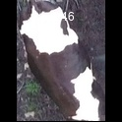
/Users/as16542/Downloads/10m32xl88x2b61zlkkgz3fml17/identification/images/train/005/000105.jpg | 0 | 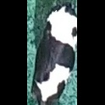
/Users/as16542/Downloads/10m32xl88x2b61zlkkgz3fml17/identification/images/train/005/000132.jpg | 1 |  | 
/Users/as16542/Downloads/10m32xl88x2b61zlkkgz3fml17/identification/images/train/005/000136.jpg | 0 | 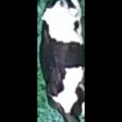
/Users/as16542/Downloads/10m32xl88x2b61zlkkgz3fml17/identification/images/train/005/000089.jpg | 1 |  | 
/Users/as16542/Downloads/10m32xl88x2b61zlkkgz3fml17/identification/images/train/005/000161.jpg | 2 |  |  | 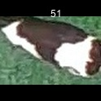
/Users/as16542/Downloads/10m32xl88x2b61zlkkgz3fml17/identification/images/train/005/000051.jpg | 2 |  |  | 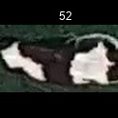
/Users/as16542/Downloads/10m32xl88x2b61zlkkgz3fml17/identification/images/train/005/000072.jpg | 1 |  | 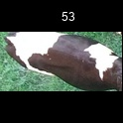
/Users/as16542/Downloads/10m32xl88x2b61zlkkgz3fml17/identification/images/train/005/000044.jpg | 0 | 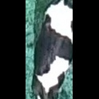
/Users/as16542/Downloads/10m32xl88x2b61zlkkgz3fml17/identification/images/train/005/000078.jpg | 0 | 
/Users/as16542/Downloads/10m32xl88x2b61zlkkgz3fml17/identification/images/train/005/000011.jpg | 2 |  |  | 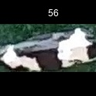
/Users/as16542/Downloads/10m32xl88x2b61zlkkgz3fml17/identification/images/train/005/000128.jpg | 2 |  |  | 
/Users/as16542/Downloads/10m32xl88x2b61zlkkgz3fml17/identification/images/train/005/000063.jpg | 0 | 
/Users/as16542/Downloads/10m32xl88x2b61zlkkgz3fml17/identification/images/train/005/000002.jpg | 0 | 
/Users/as16542/Downloads/10m32xl88x2b61zlkkgz3fml17/identification/images/train/005/000081.jpg | 2 |  |  | 
/Users/as16542/Downloads/10m32xl88x2b61zlkkgz3fml17/identification/images/train/005/000041.jpg | 2 |  |  | 
/Users/as16542/Downloads/10m32xl88x2b61zlkkgz3fml17/identification/images/train/005/000153.jpg | 0 | 
/Users/as16542/Downloads/10m32xl88x2b61zlkkgz3fml17/identification/images/train/005/000003.jpg | 2 |  |  | 
/Users/as16542/Downloads/10m32xl88x2b61zlkkgz3fml17/identification/images/train/005/000032.jpg | 0 | 
/Users/as16542/Downloads/10m32xl88x2b61zlkkgz3fml17/identification/images/train/005/000025.jpg | 1 |  | 
/Users/as16542/Downloads/10m32xl88x2b61zlkkgz3fml17/identification/images/train/005/000141.jpg | 1 |  | 
/Users/as16542/Downloads/10m32xl88x2b61zlkkgz3fml17/identification/images/train/005/000067.jpg | 1 |  | 
/Users/as16542/Downloads/10m32xl88x2b61zlkkgz3fml17/identification/images/train/005/000097.jpg | 2 |  |  | 
/Users/as16542/Downloads/10m32xl88x2b61zlkkgz3fml17/identification/images/train/005/000012.jpg | 2 |  |  | 
/Users/as16542/Downloads/10m32xl88x2b61zlkkgz3fml17/identification/images/train/005/000184.jpg | 2 |  |  | 
/Users/as16542/Downloads/10m32xl88x2b61zlkkgz3fml17/identification/images/train/005/000058.jpg | 3 |  |  |  | 
/Users/as16542/Downloads/10m32xl88x2b61zlkkgz3fml17/identification/images/train/005/000152.jpg | 0 | 
/Users/as16542/Downloads/10m32xl88x2b61zlkkgz3fml17/identification/images/train/005/000018.jpg | 0 | 
/Users/as16542/Downloads/10m32xl88x2b61zlkkgz3fml17/identification/images/train/005/000013.jpg | 2 |  |  | 
/Users/as16542/Downloads/10m32xl88x2b61zlkkgz3fml17/identification/images/train/005/000129.jpg | 3 |  |  |  | 
/Users/as16542/Downloads/10m32xl88x2b61zlkkgz3fml17/identification/images/train/005/000131.jpg | 0 | 
/Users/as16542/Downloads/10m32xl88x2b61zlkkgz3fml17/identification/images/train/005/000151.jpg | 0 | 
/Users/as16542/Downloads/10m32xl88x2b61zlkkgz3fml17/identification/images/train/005/000068.jpg | 0 | 
/Users/as16542/Downloads/10m32xl88x2b61zlkkgz3fml17/identification/images/train/005/000017.jpg | 1 |  | 
/Users/as16542/Downloads/10m32xl88x2b61zlkkgz3fml17/identification/images/train/005/000149.jpg | 1 |  | 
/Users/as16542/Downloads/10m32xl88x2b61zlkkgz3fml17/identification/images/train/005/000008.jpg | 2 |  |  | 
/Users/as16542/Downloads/10m32xl88x2b61zlkkgz3fml17/identification/images/train/005/000035.jpg | 3 |  |  |  | 
/Users/as16542/Downloads/10m32xl88x2b61zlkkgz3fml17/identification/images/train/005/000108.jpg | 2 |  |  | 
/Users/as16542/Downloads/10m32xl88x2b61zlkkgz3fml17/identification/images/train/005/000005.jpg | 1 |  | 
/Users/as16542/Downloads/10m32xl88x2b61zlkkgz3fml17/identification/images/train/005/000172.jpg | 2 |  |  | 
/Users/as16542/Downloads/10m32xl88x2b61zlkkgz3fml17/identification/images/train/005/000163.jpg | 1 |  | 
/Users/as16542/Downloads/10m32xl88x2b61zlkkgz3fml17/identification/images/train/005/000139.jpg | 0 | 
/Users/as16542/Downloads/10m32xl88x2b61zlkkgz3fml17/identification/images/train/005/000130.jpg | 0 | 
/Users/as16542/Downloads/10m32xl88x2b61zlkkgz3fml17/identification/images/train/005/000159.jpg | 2 |  |  | 
/Users/as16542/Downloads/10m32xl88x2b61zlkkgz3fml17/identification/images/train/005/000167.jpg | 2 |  |  | 
/Users/as16542/Downloads/10m32xl88x2b61zlkkgz3fml17/identification/images/train/005/000070.jpg | 0 | 
/Users/as16542/Downloads/10m32xl88x2b61zlkkgz3fml17/identification/images/train/005/000179.jpg | 2 |  |  | 
/Users/as16542/Downloads/10m32xl88x2b61zlkkgz3fml17/identification/images/train/005/000001.jpg | 0 | 
/Users/as16542/Downloads/10m32xl88x2b61zlkkgz3fml17/identification/images/train/005/000085.jpg | 0 | 
/Users/as16542/Downloads/10m32xl88x2b61zlkkgz3fml17/identification/images/train/005/000111.jpg | 2 |  |  | 
/Users/as16542/Downloads/10m32xl88x2b61zlkkgz3fml17/identification/images/train/005/000127.jpg | 0 | 
/Users/as16542/Downloads/10m32xl88x2b61zlkkgz3fml17/identification/images/train/005/000104.jpg | 2 |  |  | 
/Users/as16542/Downloads/10m32xl88x2b61zlkkgz3fml17/identification/images/train/005/000099.jpg | 0 | 
/Users/as16542/Downloads/10m32xl88x2b61zlkkgz3fml17/identification/images/train/005/000137.jpg | 2 |  |  | 
/Users/as16542/Downloads/10m32xl88x2b61zlkkgz3fml17/identification/images/train/005/000006.jpg | 1 |  | 
/Users/as16542/Downloads/10m32xl88x2b61zlkkgz3fml17/identification/images/train/005/000062.jpg | 1 |  | 
/Users/as16542/Downloads/10m32xl88x2b61zlkkgz3fml17/identification/images/train/005/000140.jpg | 1 |  | 
/Users/as16542/Downloads/10m32xl88x2b61zlkkgz3fml17/identification/images/train/005/000023.jpg | 2 |  |  | 
/Users/as16542/Downloads/10m32xl88x2b61zlkkgz3fml17/identification/images/train/005/000026.jpg | 1 |  | 
/Users/as16542/Downloads/10m32xl88x2b61zlkkgz3fml17/identification/images/train/005/000166.jpg | 1 |  | 
/Users/as16542/Downloads/10m32xl88x2b61zlkkgz3fml17/identification/images/train/005/000134.jpg | 2 |  |  | 
/Users/as16542/Downloads/10m32xl88x2b61zlkkgz3fml17/identification/images/train/005/000171.jpg | 1 |  | 
/Users/as16542/Downloads/10m32xl88x2b61zlkkgz3fml17/identification/images/train/005/000036.jpg | 1 |  | 
/Users/as16542/Downloads/10m32xl88x2b61zlkkgz3fml17/identification/images/train/005/000157.jpg | 2 |  |  | 
/Users/as16542/Downloads/10m32xl88x2b61zlkkgz3fml17/identification/images/train/005/000010.jpg | 2 |  |  | 
/Users/as16542/Downloads/10m32xl88x2b61zlkkgz3fml17/identification/images/train/005/000114.jpg | 0 | 
/Users/as16542/Downloads/10m32xl88x2b61zlkkgz3fml17/identification/images/train/005/000083.jpg | 0 | 
/Users/as16542/Downloads/10m32xl88x2b61zlkkgz3fml17/identification/images/train/005/000119.jpg | 1 |  | 
/Users/as16542/Downloads/10m32xl88x2b61zlkkgz3fml17/identification/images/train/005/000039.jpg | 2 |  |  | 
/Users/as16542/Downloads/10m32xl88x2b61zlkkgz3fml17/identification/images/train/005/000059.jpg | 3 |  |  |  | 
/Users/as16542/Downloads/10m32xl88x2b61zlkkgz3fml17/identification/images/train/005/000110.jpg | 1 |  | 
/Users/as16542/Downloads/10m32xl88x2b61zlkkgz3fml17/identification/images/train/005/000135.jpg | 1 |  | 
/Users/as16542/Downloads/10m32xl88x2b61zlkkgz3fml17/identification/images/train/005/000113.jpg | 0 | 
/Users/as16542/Downloads/10m32xl88x2b61zlkkgz3fml17/identification/images/train/005/000170.jpg | 0 | 
/Users/as16542/Downloads/10m32xl88x2b61zlkkgz3fml17/identification/images/train/005/000004.jpg | 2 |  |  | 
/Users/as16542/Downloads/10m32xl88x2b61zlkkgz3fml17/identification/images/train/005/000084.jpg | 2 |  |  | 
/Users/as16542/Downloads/10m32xl88x2b61zlkkgz3fml17/identification/images/train/005/000092.jpg | 2 |  |  | 
/Users/as16542/Downloads/10m32xl88x2b61zlkkgz3fml17/identification/images/train/005/000033.jpg | 0 | 
/Users/as16542/Downloads/10m32xl88x2b61zlkkgz3fml17/identification/images/train/005/000034.jpg | 2 |  |  | 
/Users/as16542/Downloads/10m32xl88x2b61zlkkgz3fml17/identification/images/train/005/000061.jpg | 2 |  |  | 
/Users/as16542/Downloads/10m32xl88x2b61zlkkgz3fml17/identification/images/train/005/000160.jpg | 2 |  |  | 
/Users/as16542/Downloads/10m32xl88x2b61zlkkgz3fml17/identification/images/train/005/000028.jpg | 2 |  |  | 
/Users/as16542/Downloads/10m32xl88x2b61zlkkgz3fml17/identification/images/train/005/000082.jpg | 2 |  |  | 
/Users/as16542/Downloads/10m32xl88x2b61zlkkgz3fml17/identification/images/train/005/000178.jpg | 2 |  |  | 
/Users/as16542/Downloads/10m32xl88x2b61zlkkgz3fml17/identification/images/train/005/000098.jpg | 2 |  |  | 
/Users/as16542/Downloads/10m32xl88x2b61zlkkgz3fml17/identification/images/train/005/000180.jpg | 0 | 
/Users/as16542/Downloads/10m32xl88x2b61zlkkgz3fml17/identification/images/train/005/000176.jpg | 2 |  |  | 
/Users/as16542/Downloads/10m32xl88x2b61zlkkgz3fml17/identification/images/train/005/000030.jpg | 1 |  | 
/Users/as16542/Downloads/10m32xl88x2b61zlkkgz3fml17/identification/images/train/005/000045.jpg | 2 |  |  | 
/Users/as16542/Downloads/10m32xl88x2b61zlkkgz3fml17/identification/images/train/005/000080.jpg | 1 |  | 
/Users/as16542/Downloads/10m32xl88x2b61zlkkgz3fml17/identification/images/train/005/000117.jpg | 2 |  |  | 
/Users/as16542/Downloads/10m32xl88x2b61zlkkgz3fml17/identification/images/train/005/000181.jpg | 0 | 
/Users/as16542/Downloads/10m32xl88x2b61zlkkgz3fml17/identification/images/train/005/000074.jpg | 0 | 
/Users/as16542/Downloads/10m32xl88x2b61zlkkgz3fml17/identification/images/train/005/000029.jpg | 1 |  | 
/Users/as16542/Downloads/10m32xl88x2b61zlkkgz3fml17/identification/images/train/005/000103.jpg | 0 | 
/Users/as16542/Downloads/10m32xl88x2b61zlkkgz3fml17/identification/images/train/005/000155.jpg | 2 |  |  | 
/Users/as16542/Downloads/10m32xl88x2b61zlkkgz3fml17/identification/images/train/005/000064.jpg | 0 | 
/Users/as16542/Downloads/10m32xl88x2b61zlkkgz3fml17/identification/images/train/005/000121.jpg | 0 | 
/Users/as16542/Downloads/10m32xl88x2b61zlkkgz3fml17/identification/images/train/005/000133.jpg | 2 |  |  | 
/Users/as16542/Downloads/10m32xl88x2b61zlkkgz3fml17/identification/images/train/005/000042.jpg | 0 | 
/Users/as16542/Downloads/10m32xl88x2b61zlkkgz3fml17/identification/images/train/005/000109.jpg | 3 |  |  |  | 
/Users/as16542/Downloads/10m32xl88x2b61zlkkgz3fml17/identification/images/train/005/000138.jpg | 2 |  |  | 
/Users/as16542/Downloads/10m32xl88x2b61zlkkgz3fml17/identification/images/train/005/000031.jpg | 1 |  | 
/Users/as16542/Downloads/10m32xl88x2b61zlkkgz3fml17/identification/images/train/005/000073.jpg | 2 |  |  | 
/Users/as16542/Downloads/10m32xl88x2b61zlkkgz3fml17/identification/images/train/005/000021.jpg | 3 |  |  |  | 
/Users/as16542/Downloads/10m32xl88x2b61zlkkgz3fml17/identification/images/train/005/000122.jpg | 1 |  | 
/Users/as16542/Downloads/10m32xl88x2b61zlkkgz3fml17/identification/images/train/005/000094.jpg | 2 |  |  | 
/Users/as16542/Downloads/10m32xl88x2b61zlkkgz3fml17/identification/images/train/005/000022.jpg | 0 | 
/Users/as16542/Downloads/10m32xl88x2b61zlkkgz3fml17/identification/images/train/005/000101.jpg | 1 |  | 
/Users/as16542/Downloads/10m32xl88x2b61zlkkgz3fml17/identification/images/train/005/000047.jpg | 2 |  |  | 
/Users/as16542/Downloads/10m32xl88x2b61zlkkgz3fml17/identification/images/train/005/000055.jpg | 0 | 
/Users/as16542/Downloads/10m32xl88x2b61zlkkgz3fml17/identification/images/train/005/000049.jpg | 1 |  | 
/Users/as16542/Downloads/10m32xl88x2b61zlkkgz3fml17/identification/images/train/005/000175.jpg | 0 | 
/Users/as16542/Downloads/10m32xl88x2b61zlkkgz3fml17/identification/images/train/005/000096.jpg | 1 |  | 
/Users/as16542/Downloads/10m32xl88x2b61zlkkgz3fml17/identification/images/train/005/000076.jpg | 0 | 
/Users/as16542/Downloads/10m32xl88x2b61zlkkgz3fml17/identification/images/train/005/000125.jpg | 2 |  |  | 
/Users/as16542/Downloads/10m32xl88x2b61zlkkgz3fml17/identification/images/train/005/000038.jpg | 2 |  |  | 
/Users/as16542/Downloads/10m32xl88x2b61zlkkgz3fml17/identification/images/train/005/000016.jpg | 1 |  | 
/Users/as16542/Downloads/10m32xl88x2b61zlkkgz3fml17/identification/images/train/005/000087.jpg | 2 |  |  | 
/Users/as16542/Downloads/10m32xl88x2b61zlkkgz3fml17/identification/images/train/005/000027.jpg | 0 | 
/Users/as16542/Downloads/10m32xl88x2b61zlkkgz3fml17/identification/images/train/005/000106.jpg | 0 | 
/Users/as16542/Downloads/10m32xl88x2b61zlkkgz3fml17/identification/images/train/005/000143.jpg | 2 |  |  | 
/Users/as16542/Downloads/10m32xl88x2b61zlkkgz3fml17/identification/images/train/005/000145.jpg | 0 | 
/Users/as16542/Downloads/10m32xl88x2b61zlkkgz3fml17/identification/images/train/005/000090.jpg | 0 | 
/Users/as16542/Downloads/10m32xl88x2b61zlkkgz3fml17/identification/images/train/005/000126.jpg | 2 |  |  | 
/Users/as16542/Downloads/10m32xl88x2b61zlkkgz3fml17/identification/images/train/005/000183.jpg | 0 | 
/Users/as16542/Downloads/10m32xl88x2b61zlkkgz3fml17/identification/images/train/005/000162.jpg | 0 | 
/Users/as16542/Downloads/10m32xl88x2b61zlkkgz3fml17/identification/images/train/005/000100.jpg | 2 |  |  | 
/Users/as16542/Downloads/10m32xl88x2b61zlkkgz3fml17/identification/images/train/005/000169.jpg | 1 |  | 
/Users/as16542/Downloads/10m32xl88x2b61zlkkgz3fml17/identification/images/train/005/000123.jpg | 1 |  | 
/Users/as16542/Downloads/10m32xl88x2b61zlkkgz3fml17/identification/images/train/005/000182.jpg | 1 |  | 
/Users/as16542/Downloads/10m32xl88x2b61zlkkgz3fml17/identification/images/train/005/000150.jpg | 2 |  |  | 
/Users/as16542/Downloads/10m32xl88x2b61zlkkgz3fml17/identification/images/train/005/000065.jpg | 2 |  |  | 
/Users/as16542/Downloads/10m32xl88x2b61zlkkgz3fml17/identification/images/train/005/000024.jpg | 2 |  |  | 
/Users/as16542/Downloads/10m32xl88x2b61zlkkgz3fml17/identification/images/train/005/000054.jpg | 0 | 
/Users/as16542/Downloads/10m32xl88x2b61zlkkgz3fml17/identification/images/train/005/000007.jpg | 2 |  |  | 
/Users/as16542/Downloads/10m32xl88x2b61zlkkgz3fml17/identification/images/train/005/000102.jpg | 1 |  | 
/Users/as16542/Downloads/10m32xl88x2b61zlkkgz3fml17/identification/images/train/005/000020.jpg | 0 | 

