Sheet1
/Users/as16542/Downloads/10m32xl88x2b61zlkkgz3fml17/identification/images/train/006/000088.jpg | 1 |  | 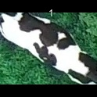
/Users/as16542/Downloads/10m32xl88x2b61zlkkgz3fml17/identification/images/train/006/000079.jpg | 1 |  | 
/Users/as16542/Downloads/10m32xl88x2b61zlkkgz3fml17/identification/images/train/006/000071.jpg | 0 | 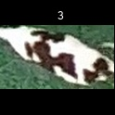
/Users/as16542/Downloads/10m32xl88x2b61zlkkgz3fml17/identification/images/train/006/000116.jpg | 1 |  | 
/Users/as16542/Downloads/10m32xl88x2b61zlkkgz3fml17/identification/images/train/006/000053.jpg | 0 | 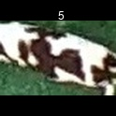
/Users/as16542/Downloads/10m32xl88x2b61zlkkgz3fml17/identification/images/train/006/000077.jpg | 2 |  |  | 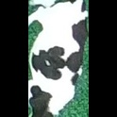
/Users/as16542/Downloads/10m32xl88x2b61zlkkgz3fml17/identification/images/train/006/000107.jpg | 0 | 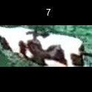
/Users/as16542/Downloads/10m32xl88x2b61zlkkgz3fml17/identification/images/train/006/000148.jpg | 0 | 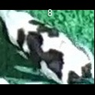
/Users/as16542/Downloads/10m32xl88x2b61zlkkgz3fml17/identification/images/train/006/000124.jpg | 2 |  |  | 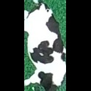
/Users/as16542/Downloads/10m32xl88x2b61zlkkgz3fml17/identification/images/train/006/000144.jpg | 1 |  | 
/Users/as16542/Downloads/10m32xl88x2b61zlkkgz3fml17/identification/images/train/006/000147.jpg | 0 | 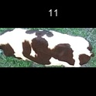
/Users/as16542/Downloads/10m32xl88x2b61zlkkgz3fml17/identification/images/train/006/000066.jpg | 0 | 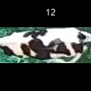
/Users/as16542/Downloads/10m32xl88x2b61zlkkgz3fml17/identification/images/train/006/000095.jpg | 2 |  |  | 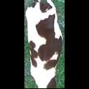
/Users/as16542/Downloads/10m32xl88x2b61zlkkgz3fml17/identification/images/train/006/000056.jpg | 0 | 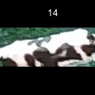
/Users/as16542/Downloads/10m32xl88x2b61zlkkgz3fml17/identification/images/train/006/000009.jpg | 4 |  |  |  |  | 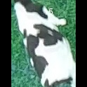
/Users/as16542/Downloads/10m32xl88x2b61zlkkgz3fml17/identification/images/train/006/000146.jpg | 0 | 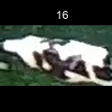
/Users/as16542/Downloads/10m32xl88x2b61zlkkgz3fml17/identification/images/train/006/000015.jpg | 3 |  |  |  | 
/Users/as16542/Downloads/10m32xl88x2b61zlkkgz3fml17/identification/images/train/006/000120.jpg | 1 |  | 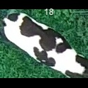
/Users/as16542/Downloads/10m32xl88x2b61zlkkgz3fml17/identification/images/train/006/000093.jpg | 0 | 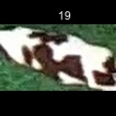
/Users/as16542/Downloads/10m32xl88x2b61zlkkgz3fml17/identification/images/train/006/000118.jpg | 1 |  | 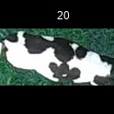
/Users/as16542/Downloads/10m32xl88x2b61zlkkgz3fml17/identification/images/train/006/000091.jpg | 0 | 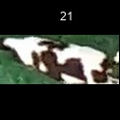
/Users/as16542/Downloads/10m32xl88x2b61zlkkgz3fml17/identification/images/train/006/000075.jpg | 1 |  | 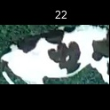
/Users/as16542/Downloads/10m32xl88x2b61zlkkgz3fml17/identification/images/train/006/000048.jpg | 0 | 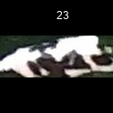
/Users/as16542/Downloads/10m32xl88x2b61zlkkgz3fml17/identification/images/train/006/000050.jpg | 1 |  | 
/Users/as16542/Downloads/10m32xl88x2b61zlkkgz3fml17/identification/images/train/006/000112.jpg | 2 |  |  | 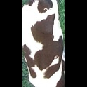
/Users/as16542/Downloads/10m32xl88x2b61zlkkgz3fml17/identification/images/train/006/000052.jpg | 0 | 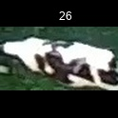
/Users/as16542/Downloads/10m32xl88x2b61zlkkgz3fml17/identification/images/train/006/000043.jpg | 1 |  | 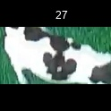
/Users/as16542/Downloads/10m32xl88x2b61zlkkgz3fml17/identification/images/train/006/000115.jpg | 1 |  | 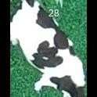
/Users/as16542/Downloads/10m32xl88x2b61zlkkgz3fml17/identification/images/train/006/000086.jpg | 0 | 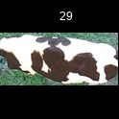
/Users/as16542/Downloads/10m32xl88x2b61zlkkgz3fml17/identification/images/train/006/000037.jpg | 0 | 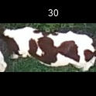
/Users/as16542/Downloads/10m32xl88x2b61zlkkgz3fml17/identification/images/train/006/000014.jpg | 0 | 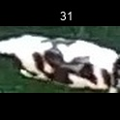
/Users/as16542/Downloads/10m32xl88x2b61zlkkgz3fml17/identification/images/train/006/000057.jpg | 1 |  | 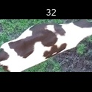
/Users/as16542/Downloads/10m32xl88x2b61zlkkgz3fml17/identification/images/train/006/000019.jpg | 1 |  | 
/Users/as16542/Downloads/10m32xl88x2b61zlkkgz3fml17/identification/images/train/006/000040.jpg | 1 |  | 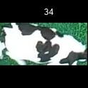
/Users/as16542/Downloads/10m32xl88x2b61zlkkgz3fml17/identification/images/train/006/000069.jpg | 0 | 
/Users/as16542/Downloads/10m32xl88x2b61zlkkgz3fml17/identification/images/train/006/000060.jpg | 1 |  | 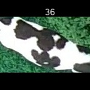
/Users/as16542/Downloads/10m32xl88x2b61zlkkgz3fml17/identification/images/train/006/000046.jpg | 2 |  |  | 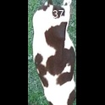
/Users/as16542/Downloads/10m32xl88x2b61zlkkgz3fml17/identification/images/train/006/000105.jpg | 0 | 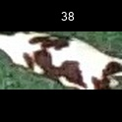
/Users/as16542/Downloads/10m32xl88x2b61zlkkgz3fml17/identification/images/train/006/000132.jpg | 2 |  |  | 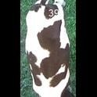
/Users/as16542/Downloads/10m32xl88x2b61zlkkgz3fml17/identification/images/train/006/000136.jpg | 0 | 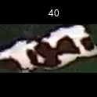
/Users/as16542/Downloads/10m32xl88x2b61zlkkgz3fml17/identification/images/train/006/000089.jpg | 2 |  |  | 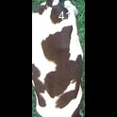
/Users/as16542/Downloads/10m32xl88x2b61zlkkgz3fml17/identification/images/train/006/000051.jpg | 0 | 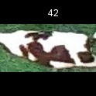
/Users/as16542/Downloads/10m32xl88x2b61zlkkgz3fml17/identification/images/train/006/000072.jpg | 1 |  | 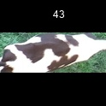
/Users/as16542/Downloads/10m32xl88x2b61zlkkgz3fml17/identification/images/train/006/000044.jpg | 1 |  | 
/Users/as16542/Downloads/10m32xl88x2b61zlkkgz3fml17/identification/images/train/006/000078.jpg | 0 | 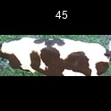
/Users/as16542/Downloads/10m32xl88x2b61zlkkgz3fml17/identification/images/train/006/000011.jpg | 0 | 
/Users/as16542/Downloads/10m32xl88x2b61zlkkgz3fml17/identification/images/train/006/000128.jpg | 0 | 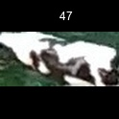
/Users/as16542/Downloads/10m32xl88x2b61zlkkgz3fml17/identification/images/train/006/000063.jpg | 1 |  | 
/Users/as16542/Downloads/10m32xl88x2b61zlkkgz3fml17/identification/images/train/006/000002.jpg | 3 |  |  |  | 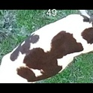
/Users/as16542/Downloads/10m32xl88x2b61zlkkgz3fml17/identification/images/train/006/000081.jpg | 1 |  | 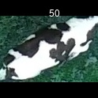
/Users/as16542/Downloads/10m32xl88x2b61zlkkgz3fml17/identification/images/train/006/000041.jpg | 0 | 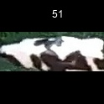
/Users/as16542/Downloads/10m32xl88x2b61zlkkgz3fml17/identification/images/train/006/000003.jpg | 0 | 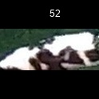
/Users/as16542/Downloads/10m32xl88x2b61zlkkgz3fml17/identification/images/train/006/000032.jpg | 3 |  |  |  | 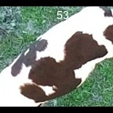
/Users/as16542/Downloads/10m32xl88x2b61zlkkgz3fml17/identification/images/train/006/000025.jpg | 1 |  | 
/Users/as16542/Downloads/10m32xl88x2b61zlkkgz3fml17/identification/images/train/006/000141.jpg | 2 |  |  | 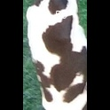
/Users/as16542/Downloads/10m32xl88x2b61zlkkgz3fml17/identification/images/train/006/000067.jpg | 1 |  | 
/Users/as16542/Downloads/10m32xl88x2b61zlkkgz3fml17/identification/images/train/006/000097.jpg | 0 | 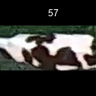
/Users/as16542/Downloads/10m32xl88x2b61zlkkgz3fml17/identification/images/train/006/000012.jpg | 0 | 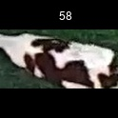
/Users/as16542/Downloads/10m32xl88x2b61zlkkgz3fml17/identification/images/train/006/000058.jpg | 0 | 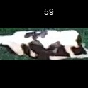
/Users/as16542/Downloads/10m32xl88x2b61zlkkgz3fml17/identification/images/train/006/000018.jpg | 5 |  |  |  |  |  | 
/Users/as16542/Downloads/10m32xl88x2b61zlkkgz3fml17/identification/images/train/006/000013.jpg | 1 |  | 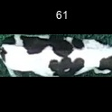
/Users/as16542/Downloads/10m32xl88x2b61zlkkgz3fml17/identification/images/train/006/000129.jpg | 1 |  | 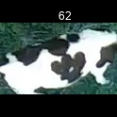
/Users/as16542/Downloads/10m32xl88x2b61zlkkgz3fml17/identification/images/train/006/000131.jpg | 2 |  |  | 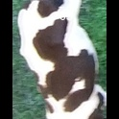
/Users/as16542/Downloads/10m32xl88x2b61zlkkgz3fml17/identification/images/train/006/000151.jpg | 0 | 
/Users/as16542/Downloads/10m32xl88x2b61zlkkgz3fml17/identification/images/train/006/000068.jpg | 1 |  | 
/Users/as16542/Downloads/10m32xl88x2b61zlkkgz3fml17/identification/images/train/006/000017.jpg | 2 |  |  | 
/Users/as16542/Downloads/10m32xl88x2b61zlkkgz3fml17/identification/images/train/006/000149.jpg | 0 | 
/Users/as16542/Downloads/10m32xl88x2b61zlkkgz3fml17/identification/images/train/006/000008.jpg | 1 |  | 
/Users/as16542/Downloads/10m32xl88x2b61zlkkgz3fml17/identification/images/train/006/000035.jpg | 0 | 
/Users/as16542/Downloads/10m32xl88x2b61zlkkgz3fml17/identification/images/train/006/000108.jpg | 1 |  | 
/Users/as16542/Downloads/10m32xl88x2b61zlkkgz3fml17/identification/images/train/006/000005.jpg | 1 |  | 
/Users/as16542/Downloads/10m32xl88x2b61zlkkgz3fml17/identification/images/train/006/000139.jpg | 3 |  |  |  | 
/Users/as16542/Downloads/10m32xl88x2b61zlkkgz3fml17/identification/images/train/006/000130.jpg | 2 |  |  | 
/Users/as16542/Downloads/10m32xl88x2b61zlkkgz3fml17/identification/images/train/006/000070.jpg | 0 | 
/Users/as16542/Downloads/10m32xl88x2b61zlkkgz3fml17/identification/images/train/006/000001.jpg | 2 |  |  | 
/Users/as16542/Downloads/10m32xl88x2b61zlkkgz3fml17/identification/images/train/006/000085.jpg | 1 |  | 
/Users/as16542/Downloads/10m32xl88x2b61zlkkgz3fml17/identification/images/train/006/000111.jpg | 1 |  | 
/Users/as16542/Downloads/10m32xl88x2b61zlkkgz3fml17/identification/images/train/006/000127.jpg | 0 | 
/Users/as16542/Downloads/10m32xl88x2b61zlkkgz3fml17/identification/images/train/006/000104.jpg | 0 | 
/Users/as16542/Downloads/10m32xl88x2b61zlkkgz3fml17/identification/images/train/006/000099.jpg | 2 |  |  | 
/Users/as16542/Downloads/10m32xl88x2b61zlkkgz3fml17/identification/images/train/006/000137.jpg | 2 |  |  | 
/Users/as16542/Downloads/10m32xl88x2b61zlkkgz3fml17/identification/images/train/006/000006.jpg | 1 |  | 
/Users/as16542/Downloads/10m32xl88x2b61zlkkgz3fml17/identification/images/train/006/000062.jpg | 1 |  | 
/Users/as16542/Downloads/10m32xl88x2b61zlkkgz3fml17/identification/images/train/006/000140.jpg | 1 |  | 
/Users/as16542/Downloads/10m32xl88x2b61zlkkgz3fml17/identification/images/train/006/000023.jpg | 2 |  |  | 
/Users/as16542/Downloads/10m32xl88x2b61zlkkgz3fml17/identification/images/train/006/000026.jpg | 1 |  | 
/Users/as16542/Downloads/10m32xl88x2b61zlkkgz3fml17/identification/images/train/006/000134.jpg | 0 | 
/Users/as16542/Downloads/10m32xl88x2b61zlkkgz3fml17/identification/images/train/006/000036.jpg | 0 | 
/Users/as16542/Downloads/10m32xl88x2b61zlkkgz3fml17/identification/images/train/006/000010.jpg | 5 |  |  |  |  |  | 
/Users/as16542/Downloads/10m32xl88x2b61zlkkgz3fml17/identification/images/train/006/000114.jpg | 0 | 
/Users/as16542/Downloads/10m32xl88x2b61zlkkgz3fml17/identification/images/train/006/000083.jpg | 1 |  | 
/Users/as16542/Downloads/10m32xl88x2b61zlkkgz3fml17/identification/images/train/006/000119.jpg | 1 |  | 
/Users/as16542/Downloads/10m32xl88x2b61zlkkgz3fml17/identification/images/train/006/000039.jpg | 0 | 
/Users/as16542/Downloads/10m32xl88x2b61zlkkgz3fml17/identification/images/train/006/000059.jpg | 2 |  |  | 
/Users/as16542/Downloads/10m32xl88x2b61zlkkgz3fml17/identification/images/train/006/000110.jpg | 0 | 
/Users/as16542/Downloads/10m32xl88x2b61zlkkgz3fml17/identification/images/train/006/000135.jpg | 0 | 
/Users/as16542/Downloads/10m32xl88x2b61zlkkgz3fml17/identification/images/train/006/000113.jpg | 1 |  | 
/Users/as16542/Downloads/10m32xl88x2b61zlkkgz3fml17/identification/images/train/006/000004.jpg | 2 |  |  | 
/Users/as16542/Downloads/10m32xl88x2b61zlkkgz3fml17/identification/images/train/006/000084.jpg | 2 |  |  | 
/Users/as16542/Downloads/10m32xl88x2b61zlkkgz3fml17/identification/images/train/006/000092.jpg | 1 |  | 
/Users/as16542/Downloads/10m32xl88x2b61zlkkgz3fml17/identification/images/train/006/000033.jpg | 1 |  | 
/Users/as16542/Downloads/10m32xl88x2b61zlkkgz3fml17/identification/images/train/006/000034.jpg | 1 |  | 
/Users/as16542/Downloads/10m32xl88x2b61zlkkgz3fml17/identification/images/train/006/000061.jpg | 0 | 
/Users/as16542/Downloads/10m32xl88x2b61zlkkgz3fml17/identification/images/train/006/000028.jpg | 0 | 
/Users/as16542/Downloads/10m32xl88x2b61zlkkgz3fml17/identification/images/train/006/000082.jpg | 1 |  | 
/Users/as16542/Downloads/10m32xl88x2b61zlkkgz3fml17/identification/images/train/006/000098.jpg | 3 |  |  |  | 
/Users/as16542/Downloads/10m32xl88x2b61zlkkgz3fml17/identification/images/train/006/000030.jpg | 1 |  | 
/Users/as16542/Downloads/10m32xl88x2b61zlkkgz3fml17/identification/images/train/006/000045.jpg | 1 |  | 
/Users/as16542/Downloads/10m32xl88x2b61zlkkgz3fml17/identification/images/train/006/000080.jpg | 0 | 
/Users/as16542/Downloads/10m32xl88x2b61zlkkgz3fml17/identification/images/train/006/000117.jpg | 0 | 
/Users/as16542/Downloads/10m32xl88x2b61zlkkgz3fml17/identification/images/train/006/000074.jpg | 1 |  | 
/Users/as16542/Downloads/10m32xl88x2b61zlkkgz3fml17/identification/images/train/006/000029.jpg | 0 | 
/Users/as16542/Downloads/10m32xl88x2b61zlkkgz3fml17/identification/images/train/006/000103.jpg | 0 | 
/Users/as16542/Downloads/10m32xl88x2b61zlkkgz3fml17/identification/images/train/006/000064.jpg | 0 | 
/Users/as16542/Downloads/10m32xl88x2b61zlkkgz3fml17/identification/images/train/006/000121.jpg | 0 | 
/Users/as16542/Downloads/10m32xl88x2b61zlkkgz3fml17/identification/images/train/006/000133.jpg | 0 | 
/Users/as16542/Downloads/10m32xl88x2b61zlkkgz3fml17/identification/images/train/006/000042.jpg | 1 |  | 
/Users/as16542/Downloads/10m32xl88x2b61zlkkgz3fml17/identification/images/train/006/000109.jpg | 0 | 
/Users/as16542/Downloads/10m32xl88x2b61zlkkgz3fml17/identification/images/train/006/000138.jpg | 0 | 
/Users/as16542/Downloads/10m32xl88x2b61zlkkgz3fml17/identification/images/train/006/000031.jpg | 1 |  | 
/Users/as16542/Downloads/10m32xl88x2b61zlkkgz3fml17/identification/images/train/006/000073.jpg | 1 |  | 
/Users/as16542/Downloads/10m32xl88x2b61zlkkgz3fml17/identification/images/train/006/000021.jpg | 2 |  |  | 
/Users/as16542/Downloads/10m32xl88x2b61zlkkgz3fml17/identification/images/train/006/000122.jpg | 0 | 
/Users/as16542/Downloads/10m32xl88x2b61zlkkgz3fml17/identification/images/train/006/000094.jpg | 0 | 
/Users/as16542/Downloads/10m32xl88x2b61zlkkgz3fml17/identification/images/train/006/000022.jpg | 0 | 
/Users/as16542/Downloads/10m32xl88x2b61zlkkgz3fml17/identification/images/train/006/000101.jpg | 0 | 
/Users/as16542/Downloads/10m32xl88x2b61zlkkgz3fml17/identification/images/train/006/000047.jpg | 1 |  | 
/Users/as16542/Downloads/10m32xl88x2b61zlkkgz3fml17/identification/images/train/006/000055.jpg | 1 |  | 
/Users/as16542/Downloads/10m32xl88x2b61zlkkgz3fml17/identification/images/train/006/000049.jpg | 0 | 
/Users/as16542/Downloads/10m32xl88x2b61zlkkgz3fml17/identification/images/train/006/000096.jpg | 2 |  |  | 
/Users/as16542/Downloads/10m32xl88x2b61zlkkgz3fml17/identification/images/train/006/000076.jpg | 3 |  |  |  | 
/Users/as16542/Downloads/10m32xl88x2b61zlkkgz3fml17/identification/images/train/006/000125.jpg | 3 |  |  |  | 
/Users/as16542/Downloads/10m32xl88x2b61zlkkgz3fml17/identification/images/train/006/000038.jpg | 0 | 
/Users/as16542/Downloads/10m32xl88x2b61zlkkgz3fml17/identification/images/train/006/000016.jpg | 1 |  | 
/Users/as16542/Downloads/10m32xl88x2b61zlkkgz3fml17/identification/images/train/006/000087.jpg | 0 | 
/Users/as16542/Downloads/10m32xl88x2b61zlkkgz3fml17/identification/images/train/006/000027.jpg | 0 | 
/Users/as16542/Downloads/10m32xl88x2b61zlkkgz3fml17/identification/images/train/006/000106.jpg | 0 | 
/Users/as16542/Downloads/10m32xl88x2b61zlkkgz3fml17/identification/images/train/006/000143.jpg | 0 | 
/Users/as16542/Downloads/10m32xl88x2b61zlkkgz3fml17/identification/images/train/006/000145.jpg | 0 | 
/Users/as16542/Downloads/10m32xl88x2b61zlkkgz3fml17/identification/images/train/006/000090.jpg | 0 | 
/Users/as16542/Downloads/10m32xl88x2b61zlkkgz3fml17/identification/images/train/006/000126.jpg | 4 |  |  |  |  | 
/Users/as16542/Downloads/10m32xl88x2b61zlkkgz3fml17/identification/images/train/006/000100.jpg | 1 |  | 
/Users/as16542/Downloads/10m32xl88x2b61zlkkgz3fml17/identification/images/train/006/000123.jpg | 0 | 
/Users/as16542/Downloads/10m32xl88x2b61zlkkgz3fml17/identification/images/train/006/000150.jpg | 2 |  |  | 
/Users/as16542/Downloads/10m32xl88x2b61zlkkgz3fml17/identification/images/train/006/000065.jpg | 1 |  | 
/Users/as16542/Downloads/10m32xl88x2b61zlkkgz3fml17/identification/images/train/006/000024.jpg | 0 | 
/Users/as16542/Downloads/10m32xl88x2b61zlkkgz3fml17/identification/images/train/006/000054.jpg | 0 | 
/Users/as16542/Downloads/10m32xl88x2b61zlkkgz3fml17/identification/images/train/006/000007.jpg | 1 |  | 
/Users/as16542/Downloads/10m32xl88x2b61zlkkgz3fml17/identification/images/train/006/000102.jpg | 0 | 
/Users/as16542/Downloads/10m32xl88x2b61zlkkgz3fml17/identification/images/train/006/000020.jpg | 2 |  |  | 

