Sheet1
/Users/as16542/Downloads/10m32xl88x2b61zlkkgz3fml17/identification/images/train/010/000088.jpg | 3 |  |  |  | 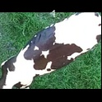
/Users/as16542/Downloads/10m32xl88x2b61zlkkgz3fml17/identification/images/train/010/000079.jpg | 3 |  |  |  | 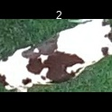
/Users/as16542/Downloads/10m32xl88x2b61zlkkgz3fml17/identification/images/train/010/000071.jpg | 1 |  | 
/Users/as16542/Downloads/10m32xl88x2b61zlkkgz3fml17/identification/images/train/010/000165.jpg | 1 |  | 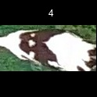
/Users/as16542/Downloads/10m32xl88x2b61zlkkgz3fml17/identification/images/train/010/000116.jpg | 0 | 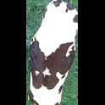
/Users/as16542/Downloads/10m32xl88x2b61zlkkgz3fml17/identification/images/train/010/000053.jpg | 1 |  | 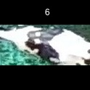
/Users/as16542/Downloads/10m32xl88x2b61zlkkgz3fml17/identification/images/train/010/000077.jpg | 1 |  | 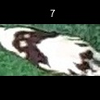
/Users/as16542/Downloads/10m32xl88x2b61zlkkgz3fml17/identification/images/train/010/000107.jpg | 1 |  | 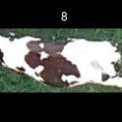
/Users/as16542/Downloads/10m32xl88x2b61zlkkgz3fml17/identification/images/train/010/000148.jpg | 3 |  |  |  | 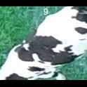
/Users/as16542/Downloads/10m32xl88x2b61zlkkgz3fml17/identification/images/train/010/000124.jpg | 0 | 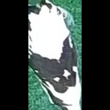
/Users/as16542/Downloads/10m32xl88x2b61zlkkgz3fml17/identification/images/train/010/000144.jpg | 1 |  | 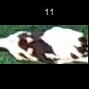
/Users/as16542/Downloads/10m32xl88x2b61zlkkgz3fml17/identification/images/train/010/000147.jpg | 1 |  | 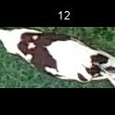
/Users/as16542/Downloads/10m32xl88x2b61zlkkgz3fml17/identification/images/train/010/000066.jpg | 1 |  | 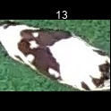
/Users/as16542/Downloads/10m32xl88x2b61zlkkgz3fml17/identification/images/train/010/000174.jpg | 1 |  | 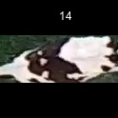
/Users/as16542/Downloads/10m32xl88x2b61zlkkgz3fml17/identification/images/train/010/000095.jpg | 0 | 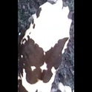
/Users/as16542/Downloads/10m32xl88x2b61zlkkgz3fml17/identification/images/train/010/000056.jpg | 4 |  |  |  |  | 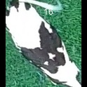
/Users/as16542/Downloads/10m32xl88x2b61zlkkgz3fml17/identification/images/train/010/000158.jpg | 1 |  | 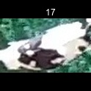
/Users/as16542/Downloads/10m32xl88x2b61zlkkgz3fml17/identification/images/train/010/000177.jpg | 3 |  |  |  | 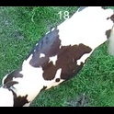
/Users/as16542/Downloads/10m32xl88x2b61zlkkgz3fml17/identification/images/train/010/000009.jpg | 0 | 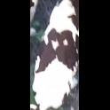
/Users/as16542/Downloads/10m32xl88x2b61zlkkgz3fml17/identification/images/train/010/000168.jpg | 0 | 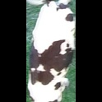
/Users/as16542/Downloads/10m32xl88x2b61zlkkgz3fml17/identification/images/train/010/000146.jpg | 1 |  | 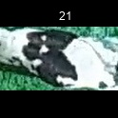
/Users/as16542/Downloads/10m32xl88x2b61zlkkgz3fml17/identification/images/train/010/000015.jpg | 0 | 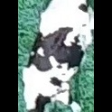
/Users/as16542/Downloads/10m32xl88x2b61zlkkgz3fml17/identification/images/train/010/000120.jpg | 2 |  |  | 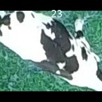
/Users/as16542/Downloads/10m32xl88x2b61zlkkgz3fml17/identification/images/train/010/000154.jpg | 3 |  |  |  | 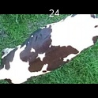
/Users/as16542/Downloads/10m32xl88x2b61zlkkgz3fml17/identification/images/train/010/000093.jpg | 3 |  |  |  | 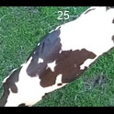
/Users/as16542/Downloads/10m32xl88x2b61zlkkgz3fml17/identification/images/train/010/000156.jpg | 1 |  | 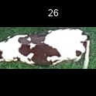
/Users/as16542/Downloads/10m32xl88x2b61zlkkgz3fml17/identification/images/train/010/000118.jpg | 1 |  | 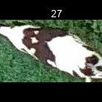
/Users/as16542/Downloads/10m32xl88x2b61zlkkgz3fml17/identification/images/train/010/000091.jpg | 1 |  | 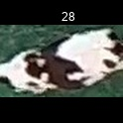
/Users/as16542/Downloads/10m32xl88x2b61zlkkgz3fml17/identification/images/train/010/000075.jpg | 2 |  |  | 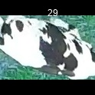
/Users/as16542/Downloads/10m32xl88x2b61zlkkgz3fml17/identification/images/train/010/000048.jpg | 3 |  |  |  | 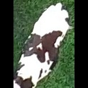
/Users/as16542/Downloads/10m32xl88x2b61zlkkgz3fml17/identification/images/train/010/000164.jpg | 3 |  |  |  | 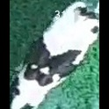
/Users/as16542/Downloads/10m32xl88x2b61zlkkgz3fml17/identification/images/train/010/000050.jpg | 1 |  | 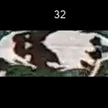
/Users/as16542/Downloads/10m32xl88x2b61zlkkgz3fml17/identification/images/train/010/000112.jpg | 3 |  |  |  | 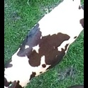
/Users/as16542/Downloads/10m32xl88x2b61zlkkgz3fml17/identification/images/train/010/000052.jpg | 0 | 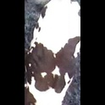
/Users/as16542/Downloads/10m32xl88x2b61zlkkgz3fml17/identification/images/train/010/000043.jpg | 0 | 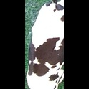
/Users/as16542/Downloads/10m32xl88x2b61zlkkgz3fml17/identification/images/train/010/000115.jpg | 1 |  | 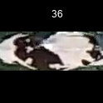
/Users/as16542/Downloads/10m32xl88x2b61zlkkgz3fml17/identification/images/train/010/000086.jpg | 1 |  | 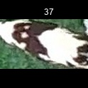
/Users/as16542/Downloads/10m32xl88x2b61zlkkgz3fml17/identification/images/train/010/000037.jpg | 0 | 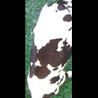
/Users/as16542/Downloads/10m32xl88x2b61zlkkgz3fml17/identification/images/train/010/000014.jpg | 1 |  | 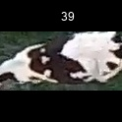
/Users/as16542/Downloads/10m32xl88x2b61zlkkgz3fml17/identification/images/train/010/000057.jpg | 1 |  | 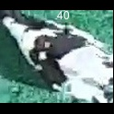
/Users/as16542/Downloads/10m32xl88x2b61zlkkgz3fml17/identification/images/train/010/000173.jpg | 2 |  |  | 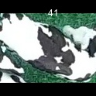
/Users/as16542/Downloads/10m32xl88x2b61zlkkgz3fml17/identification/images/train/010/000019.jpg | 3 |  |  |  | 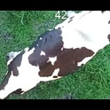
/Users/as16542/Downloads/10m32xl88x2b61zlkkgz3fml17/identification/images/train/010/000040.jpg | 4 |  |  |  |  | 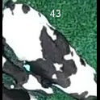
/Users/as16542/Downloads/10m32xl88x2b61zlkkgz3fml17/identification/images/train/010/000069.jpg | 1 |  | 
/Users/as16542/Downloads/10m32xl88x2b61zlkkgz3fml17/identification/images/train/010/000060.jpg | 1 |  | 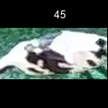
/Users/as16542/Downloads/10m32xl88x2b61zlkkgz3fml17/identification/images/train/010/000046.jpg | 0 | 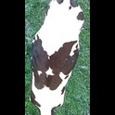
/Users/as16542/Downloads/10m32xl88x2b61zlkkgz3fml17/identification/images/train/010/000105.jpg | 3 |  |  |  | 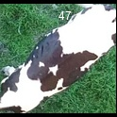
/Users/as16542/Downloads/10m32xl88x2b61zlkkgz3fml17/identification/images/train/010/000132.jpg | 4 |  |  |  |  | 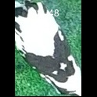
/Users/as16542/Downloads/10m32xl88x2b61zlkkgz3fml17/identification/images/train/010/000136.jpg | 1 |  | 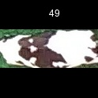
/Users/as16542/Downloads/10m32xl88x2b61zlkkgz3fml17/identification/images/train/010/000089.jpg | 0 | 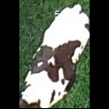
/Users/as16542/Downloads/10m32xl88x2b61zlkkgz3fml17/identification/images/train/010/000161.jpg | 1 |  | 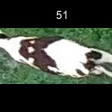
/Users/as16542/Downloads/10m32xl88x2b61zlkkgz3fml17/identification/images/train/010/000051.jpg | 1 |  | 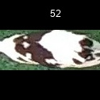
/Users/as16542/Downloads/10m32xl88x2b61zlkkgz3fml17/identification/images/train/010/000072.jpg | 0 | 
/Users/as16542/Downloads/10m32xl88x2b61zlkkgz3fml17/identification/images/train/010/000044.jpg | 3 |  |  |  | 
/Users/as16542/Downloads/10m32xl88x2b61zlkkgz3fml17/identification/images/train/010/000078.jpg | 3 |  |  |  | 
/Users/as16542/Downloads/10m32xl88x2b61zlkkgz3fml17/identification/images/train/010/000011.jpg | 3 |  |  |  | 
/Users/as16542/Downloads/10m32xl88x2b61zlkkgz3fml17/identification/images/train/010/000128.jpg | 4 |  |  |  |  | 
/Users/as16542/Downloads/10m32xl88x2b61zlkkgz3fml17/identification/images/train/010/000063.jpg | 0 | 
/Users/as16542/Downloads/10m32xl88x2b61zlkkgz3fml17/identification/images/train/010/000002.jpg | 0 | 
/Users/as16542/Downloads/10m32xl88x2b61zlkkgz3fml17/identification/images/train/010/000081.jpg | 1 |  | 
/Users/as16542/Downloads/10m32xl88x2b61zlkkgz3fml17/identification/images/train/010/000041.jpg | 1 |  | 
/Users/as16542/Downloads/10m32xl88x2b61zlkkgz3fml17/identification/images/train/010/000153.jpg | 2 |  |  | 
/Users/as16542/Downloads/10m32xl88x2b61zlkkgz3fml17/identification/images/train/010/000003.jpg | 2 |  |  | 
/Users/as16542/Downloads/10m32xl88x2b61zlkkgz3fml17/identification/images/train/010/000032.jpg | 2 |  |  | 
/Users/as16542/Downloads/10m32xl88x2b61zlkkgz3fml17/identification/images/train/010/000025.jpg | 3 |  |  |  | 
/Users/as16542/Downloads/10m32xl88x2b61zlkkgz3fml17/identification/images/train/010/000141.jpg | 4 |  |  |  |  | 
/Users/as16542/Downloads/10m32xl88x2b61zlkkgz3fml17/identification/images/train/010/000067.jpg | 0 | 
/Users/as16542/Downloads/10m32xl88x2b61zlkkgz3fml17/identification/images/train/010/000097.jpg | 0 | 
/Users/as16542/Downloads/10m32xl88x2b61zlkkgz3fml17/identification/images/train/010/000012.jpg | 0 | 
/Users/as16542/Downloads/10m32xl88x2b61zlkkgz3fml17/identification/images/train/010/000058.jpg | 2 |  |  | 
/Users/as16542/Downloads/10m32xl88x2b61zlkkgz3fml17/identification/images/train/010/000152.jpg | 0 | 
/Users/as16542/Downloads/10m32xl88x2b61zlkkgz3fml17/identification/images/train/010/000018.jpg | 2 |  |  | 
/Users/as16542/Downloads/10m32xl88x2b61zlkkgz3fml17/identification/images/train/010/000013.jpg | 1 |  | 
/Users/as16542/Downloads/10m32xl88x2b61zlkkgz3fml17/identification/images/train/010/000129.jpg | 0 | 
/Users/as16542/Downloads/10m32xl88x2b61zlkkgz3fml17/identification/images/train/010/000131.jpg | 0 | 
/Users/as16542/Downloads/10m32xl88x2b61zlkkgz3fml17/identification/images/train/010/000151.jpg | 1 |  | 
/Users/as16542/Downloads/10m32xl88x2b61zlkkgz3fml17/identification/images/train/010/000068.jpg | 1 |  | 
/Users/as16542/Downloads/10m32xl88x2b61zlkkgz3fml17/identification/images/train/010/000017.jpg | 1 |  | 
/Users/as16542/Downloads/10m32xl88x2b61zlkkgz3fml17/identification/images/train/010/000149.jpg | 1 |  | 
/Users/as16542/Downloads/10m32xl88x2b61zlkkgz3fml17/identification/images/train/010/000008.jpg | 4 |  |  |  |  | 
/Users/as16542/Downloads/10m32xl88x2b61zlkkgz3fml17/identification/images/train/010/000035.jpg | 3 |  |  |  | 
/Users/as16542/Downloads/10m32xl88x2b61zlkkgz3fml17/identification/images/train/010/000108.jpg | 4 |  |  |  |  | 
/Users/as16542/Downloads/10m32xl88x2b61zlkkgz3fml17/identification/images/train/010/000005.jpg | 1 |  | 
/Users/as16542/Downloads/10m32xl88x2b61zlkkgz3fml17/identification/images/train/010/000172.jpg | 1 |  | 
/Users/as16542/Downloads/10m32xl88x2b61zlkkgz3fml17/identification/images/train/010/000163.jpg | 1 |  | 
/Users/as16542/Downloads/10m32xl88x2b61zlkkgz3fml17/identification/images/train/010/000139.jpg | 1 |  | 
/Users/as16542/Downloads/10m32xl88x2b61zlkkgz3fml17/identification/images/train/010/000130.jpg | 1 |  | 
/Users/as16542/Downloads/10m32xl88x2b61zlkkgz3fml17/identification/images/train/010/000159.jpg | 0 | 
/Users/as16542/Downloads/10m32xl88x2b61zlkkgz3fml17/identification/images/train/010/000167.jpg | 1 |  | 
/Users/as16542/Downloads/10m32xl88x2b61zlkkgz3fml17/identification/images/train/010/000070.jpg | 1 |  | 
/Users/as16542/Downloads/10m32xl88x2b61zlkkgz3fml17/identification/images/train/010/000179.jpg | 3 |  |  |  | 
/Users/as16542/Downloads/10m32xl88x2b61zlkkgz3fml17/identification/images/train/010/000001.jpg | 0 | 
/Users/as16542/Downloads/10m32xl88x2b61zlkkgz3fml17/identification/images/train/010/000085.jpg | 4 |  |  |  |  | 
/Users/as16542/Downloads/10m32xl88x2b61zlkkgz3fml17/identification/images/train/010/000111.jpg | 2 |  |  | 
/Users/as16542/Downloads/10m32xl88x2b61zlkkgz3fml17/identification/images/train/010/000127.jpg | 2 |  |  | 
/Users/as16542/Downloads/10m32xl88x2b61zlkkgz3fml17/identification/images/train/010/000104.jpg | 1 |  | 
/Users/as16542/Downloads/10m32xl88x2b61zlkkgz3fml17/identification/images/train/010/000099.jpg | 4 |  |  |  |  | 
/Users/as16542/Downloads/10m32xl88x2b61zlkkgz3fml17/identification/images/train/010/000137.jpg | 1 |  | 
/Users/as16542/Downloads/10m32xl88x2b61zlkkgz3fml17/identification/images/train/010/000006.jpg | 1 |  | 
/Users/as16542/Downloads/10m32xl88x2b61zlkkgz3fml17/identification/images/train/010/000062.jpg | 1 |  | 
/Users/as16542/Downloads/10m32xl88x2b61zlkkgz3fml17/identification/images/train/010/000140.jpg | 2 |  |  | 
/Users/as16542/Downloads/10m32xl88x2b61zlkkgz3fml17/identification/images/train/010/000023.jpg | 0 | 
/Users/as16542/Downloads/10m32xl88x2b61zlkkgz3fml17/identification/images/train/010/000026.jpg | 0 | 
/Users/as16542/Downloads/10m32xl88x2b61zlkkgz3fml17/identification/images/train/010/000166.jpg | 5 |  |  |  |  |  | 
/Users/as16542/Downloads/10m32xl88x2b61zlkkgz3fml17/identification/images/train/010/000134.jpg | 1 |  | 
/Users/as16542/Downloads/10m32xl88x2b61zlkkgz3fml17/identification/images/train/010/000171.jpg | 1 |  | 
/Users/as16542/Downloads/10m32xl88x2b61zlkkgz3fml17/identification/images/train/010/000036.jpg | 0 | 
/Users/as16542/Downloads/10m32xl88x2b61zlkkgz3fml17/identification/images/train/010/000157.jpg | 0 | 
/Users/as16542/Downloads/10m32xl88x2b61zlkkgz3fml17/identification/images/train/010/000010.jpg | 2 |  |  | 
/Users/as16542/Downloads/10m32xl88x2b61zlkkgz3fml17/identification/images/train/010/000114.jpg | 3 |  |  |  | 
/Users/as16542/Downloads/10m32xl88x2b61zlkkgz3fml17/identification/images/train/010/000083.jpg | 3 |  |  |  | 
/Users/as16542/Downloads/10m32xl88x2b61zlkkgz3fml17/identification/images/train/010/000119.jpg | 1 |  | 
/Users/as16542/Downloads/10m32xl88x2b61zlkkgz3fml17/identification/images/train/010/000039.jpg | 3 |  |  |  | 
/Users/as16542/Downloads/10m32xl88x2b61zlkkgz3fml17/identification/images/train/010/000059.jpg | 1 |  | 
/Users/as16542/Downloads/10m32xl88x2b61zlkkgz3fml17/identification/images/train/010/000110.jpg | 4 |  |  |  |  | 
/Users/as16542/Downloads/10m32xl88x2b61zlkkgz3fml17/identification/images/train/010/000135.jpg | 1 |  | 
/Users/as16542/Downloads/10m32xl88x2b61zlkkgz3fml17/identification/images/train/010/000113.jpg | 0 | 
/Users/as16542/Downloads/10m32xl88x2b61zlkkgz3fml17/identification/images/train/010/000170.jpg | 2 |  |  | 
/Users/as16542/Downloads/10m32xl88x2b61zlkkgz3fml17/identification/images/train/010/000004.jpg | 4 |  |  |  |  | 
/Users/as16542/Downloads/10m32xl88x2b61zlkkgz3fml17/identification/images/train/010/000084.jpg | 3 |  |  |  | 
/Users/as16542/Downloads/10m32xl88x2b61zlkkgz3fml17/identification/images/train/010/000092.jpg | 2 |  |  | 
/Users/as16542/Downloads/10m32xl88x2b61zlkkgz3fml17/identification/images/train/010/000033.jpg | 0 | 
/Users/as16542/Downloads/10m32xl88x2b61zlkkgz3fml17/identification/images/train/010/000034.jpg | 3 |  |  |  | 
/Users/as16542/Downloads/10m32xl88x2b61zlkkgz3fml17/identification/images/train/010/000061.jpg | 3 |  |  |  | 
/Users/as16542/Downloads/10m32xl88x2b61zlkkgz3fml17/identification/images/train/010/000160.jpg | 1 |  | 
/Users/as16542/Downloads/10m32xl88x2b61zlkkgz3fml17/identification/images/train/010/000028.jpg | 5 |  |  |  |  |  | 
/Users/as16542/Downloads/10m32xl88x2b61zlkkgz3fml17/identification/images/train/010/000082.jpg | 2 |  |  | 
/Users/as16542/Downloads/10m32xl88x2b61zlkkgz3fml17/identification/images/train/010/000178.jpg | 0 | 
/Users/as16542/Downloads/10m32xl88x2b61zlkkgz3fml17/identification/images/train/010/000098.jpg | 1 |  | 
/Users/as16542/Downloads/10m32xl88x2b61zlkkgz3fml17/identification/images/train/010/000180.jpg | 2 |  |  | 
/Users/as16542/Downloads/10m32xl88x2b61zlkkgz3fml17/identification/images/train/010/000176.jpg | 0 | 
/Users/as16542/Downloads/10m32xl88x2b61zlkkgz3fml17/identification/images/train/010/000030.jpg | 3 |  |  |  | 
/Users/as16542/Downloads/10m32xl88x2b61zlkkgz3fml17/identification/images/train/010/000045.jpg | 1 |  | 
/Users/as16542/Downloads/10m32xl88x2b61zlkkgz3fml17/identification/images/train/010/000080.jpg | 1 |  | 
/Users/as16542/Downloads/10m32xl88x2b61zlkkgz3fml17/identification/images/train/010/000117.jpg | 1 |  | 
/Users/as16542/Downloads/10m32xl88x2b61zlkkgz3fml17/identification/images/train/010/000074.jpg | 0 | 
/Users/as16542/Downloads/10m32xl88x2b61zlkkgz3fml17/identification/images/train/010/000029.jpg | 1 |  | 

/Users/as16542/Downloads/10m32xl88x2b61zlkkgz3fml17/identification/images/train/010/000103.jpg | 1 |  | 
/Users/as16542/Downloads/10m32xl88x2b61zlkkgz3fml17/identification/images/train/010/000155.jpg | 0
/Users/as16542/Downloads/10m32xl88x2b61zlkkgz3fml17/identification/images/train/010/000064.jpg | 3 |  |  |  | 
/Users/as16542/Downloads/10m32xl88x2b61zlkkgz3fml17/identification/images/train/010/000121.jpg | 1 |  | 
/Users/as16542/Downloads/10m32xl88x2b61zlkkgz3fml17/identification/images/train/010/000133.jpg | 1 |  | 
/Users/as16542/Downloads/10m32xl88x2b61zlkkgz3fml17/identification/images/train/010/000042.jpg | 2 |  |  | 
/Users/as16542/Downloads/10m32xl88x2b61zlkkgz3fml17/identification/images/train/010/000109.jpg | 5 |  |  |  |  |  | 
/Users/as16542/Downloads/10m32xl88x2b61zlkkgz3fml17/identification/images/train/010/000138.jpg | 3 |  |  |  | 
/Users/as16542/Downloads/10m32xl88x2b61zlkkgz3fml17/identification/images/train/010/000031.jpg | 1 |  | 
/Users/as16542/Downloads/10m32xl88x2b61zlkkgz3fml17/identification/images/train/010/000073.jpg | 0 | 
/Users/as16542/Downloads/10m32xl88x2b61zlkkgz3fml17/identification/images/train/010/000021.jpg | 4 |  |  |  |  | 
/Users/as16542/Downloads/10m32xl88x2b61zlkkgz3fml17/identification/images/train/010/000122.jpg | 4 |  |  |  |  | 
/Users/as16542/Downloads/10m32xl88x2b61zlkkgz3fml17/identification/images/train/010/000094.jpg | 4 |  |  |  |  | 
/Users/as16542/Downloads/10m32xl88x2b61zlkkgz3fml17/identification/images/train/010/000022.jpg | 0 | 
/Users/as16542/Downloads/10m32xl88x2b61zlkkgz3fml17/identification/images/train/010/000101.jpg | 4 |  |  |  |  | 
/Users/as16542/Downloads/10m32xl88x2b61zlkkgz3fml17/identification/images/train/010/000047.jpg | 1 |  | 
/Users/as16542/Downloads/10m32xl88x2b61zlkkgz3fml17/identification/images/train/010/000055.jpg | 1 |  | 
/Users/as16542/Downloads/10m32xl88x2b61zlkkgz3fml17/identification/images/train/010/000049.jpg | 2 |  |  | 
/Users/as16542/Downloads/10m32xl88x2b61zlkkgz3fml17/identification/images/train/010/000175.jpg | 4 |  |  |  |  | 
/Users/as16542/Downloads/10m32xl88x2b61zlkkgz3fml17/identification/images/train/010/000096.jpg | 2 |  |  | 
/Users/as16542/Downloads/10m32xl88x2b61zlkkgz3fml17/identification/images/train/010/000076.jpg | 0 | 
/Users/as16542/Downloads/10m32xl88x2b61zlkkgz3fml17/identification/images/train/010/000125.jpg | 0 | 
/Users/as16542/Downloads/10m32xl88x2b61zlkkgz3fml17/identification/images/train/010/000038.jpg | 0 | 
/Users/as16542/Downloads/10m32xl88x2b61zlkkgz3fml17/identification/images/train/010/000016.jpg | 2 |  |  | 
/Users/as16542/Downloads/10m32xl88x2b61zlkkgz3fml17/identification/images/train/010/000087.jpg | 1 |  | 
/Users/as16542/Downloads/10m32xl88x2b61zlkkgz3fml17/identification/images/train/010/000027.jpg | 0 | 
/Users/as16542/Downloads/10m32xl88x2b61zlkkgz3fml17/identification/images/train/010/000106.jpg | 1 |  | 
/Users/as16542/Downloads/10m32xl88x2b61zlkkgz3fml17/identification/images/train/010/000143.jpg | 1 |  | 
/Users/as16542/Downloads/10m32xl88x2b61zlkkgz3fml17/identification/images/train/010/000145.jpg | 4 |  |  |  |  | 
/Users/as16542/Downloads/10m32xl88x2b61zlkkgz3fml17/identification/images/train/010/000090.jpg | 1 |  | 
/Users/as16542/Downloads/10m32xl88x2b61zlkkgz3fml17/identification/images/train/010/000126.jpg | 2 |  |  | 
/Users/as16542/Downloads/10m32xl88x2b61zlkkgz3fml17/identification/images/train/010/000162.jpg | 2 |  |  | 
/Users/as16542/Downloads/10m32xl88x2b61zlkkgz3fml17/identification/images/train/010/000100.jpg | 1 |  | 
/Users/as16542/Downloads/10m32xl88x2b61zlkkgz3fml17/identification/images/train/010/000169.jpg | 0 | 
/Users/as16542/Downloads/10m32xl88x2b61zlkkgz3fml17/identification/images/train/010/000123.jpg | 0 | 
/Users/as16542/Downloads/10m32xl88x2b61zlkkgz3fml17/identification/images/train/010/000150.jpg | 1 |  | 
/Users/as16542/Downloads/10m32xl88x2b61zlkkgz3fml17/identification/images/train/010/000065.jpg | 0 | 
/Users/as16542/Downloads/10m32xl88x2b61zlkkgz3fml17/identification/images/train/010/000024.jpg | 2 |  |  | 
/Users/as16542/Downloads/10m32xl88x2b61zlkkgz3fml17/identification/images/train/010/000054.jpg | 2 |  |  | 
/Users/as16542/Downloads/10m32xl88x2b61zlkkgz3fml17/identification/images/train/010/000007.jpg | 3 |  |  |  | 
/Users/as16542/Downloads/10m32xl88x2b61zlkkgz3fml17/identification/images/train/010/000102.jpg | 1 |  | 
/Users/as16542/Downloads/10m32xl88x2b61zlkkgz3fml17/identification/images/train/010/000020.jpg | 2 |  |  | 

