Sheet1
/Users/as16542/Downloads/10m32xl88x2b61zlkkgz3fml17/identification/images/train/011/000079.jpg | 2 |  |  | 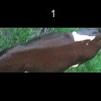
/Users/as16542/Downloads/10m32xl88x2b61zlkkgz3fml17/identification/images/train/011/000071.jpg | 2 |  |  | 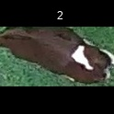
/Users/as16542/Downloads/10m32xl88x2b61zlkkgz3fml17/identification/images/train/011/000116.jpg | 1 |  | 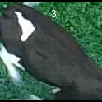
/Users/as16542/Downloads/10m32xl88x2b61zlkkgz3fml17/identification/images/train/011/000053.jpg | 2 |  |  | 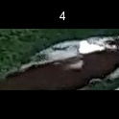
/Users/as16542/Downloads/10m32xl88x2b61zlkkgz3fml17/identification/images/train/011/000077.jpg | 3 |  |  |  | 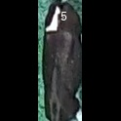
/Users/as16542/Downloads/10m32xl88x2b61zlkkgz3fml17/identification/images/train/011/000107.jpg | 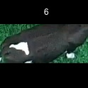 0
/Users/as16542/Downloads/10m32xl88x2b61zlkkgz3fml17/identification/images/train/011/000124.jpg | 2 |  |  | 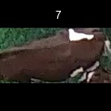
/Users/as16542/Downloads/10m32xl88x2b61zlkkgz3fml17/identification/images/train/011/000066.jpg | 5 |  |  |  |  |  | 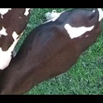
/Users/as16542/Downloads/10m32xl88x2b61zlkkgz3fml17/identification/images/train/011/000095.jpg | 2 |  |  | 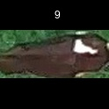
/Users/as16542/Downloads/10m32xl88x2b61zlkkgz3fml17/identification/images/train/011/000056.jpg | 2 |  |  | 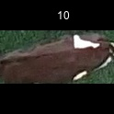
/Users/as16542/Downloads/10m32xl88x2b61zlkkgz3fml17/identification/images/train/011/000009.jpg | 0 | 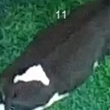
/Users/as16542/Downloads/10m32xl88x2b61zlkkgz3fml17/identification/images/train/011/000015.jpg | 2 |  |  | 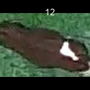
/Users/as16542/Downloads/10m32xl88x2b61zlkkgz3fml17/identification/images/train/011/000120.jpg | 3 |  |  |  | 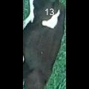
/Users/as16542/Downloads/10m32xl88x2b61zlkkgz3fml17/identification/images/train/011/000093.jpg | 3 |  |  |  | 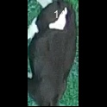
/Users/as16542/Downloads/10m32xl88x2b61zlkkgz3fml17/identification/images/train/011/000118.jpg | 4 |  |  |  |  | 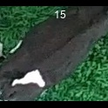
/Users/as16542/Downloads/10m32xl88x2b61zlkkgz3fml17/identification/images/train/011/000091.jpg | 4 |  |  |  |  | 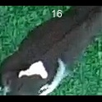
/Users/as16542/Downloads/10m32xl88x2b61zlkkgz3fml17/identification/images/train/011/000075.jpg | 5 |  |  |  |  |  | 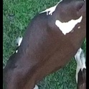
/Users/as16542/Downloads/10m32xl88x2b61zlkkgz3fml17/identification/images/train/011/000048.jpg | 2 |  |  | 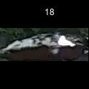
/Users/as16542/Downloads/10m32xl88x2b61zlkkgz3fml17/identification/images/train/011/000050.jpg | 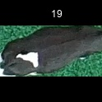 0
/Users/as16542/Downloads/10m32xl88x2b61zlkkgz3fml17/identification/images/train/011/000112.jpg | 5 |  |  |  |  |  | 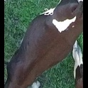
/Users/as16542/Downloads/10m32xl88x2b61zlkkgz3fml17/identification/images/train/011/000052.jpg | 5 |  |  |  |  |  | 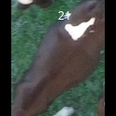
/Users/as16542/Downloads/10m32xl88x2b61zlkkgz3fml17/identification/images/train/011/000043.jpg | 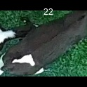 0
/Users/as16542/Downloads/10m32xl88x2b61zlkkgz3fml17/identification/images/train/011/000115.jpg | 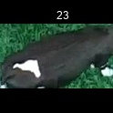 0
/Users/as16542/Downloads/10m32xl88x2b61zlkkgz3fml17/identification/images/train/011/000086.jpg | 5 |  |  |  |  |  | 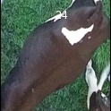
/Users/as16542/Downloads/10m32xl88x2b61zlkkgz3fml17/identification/images/train/011/000037.jpg | 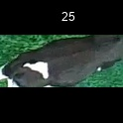 0
/Users/as16542/Downloads/10m32xl88x2b61zlkkgz3fml17/identification/images/train/011/000014.jpg | 2 |  |  | 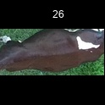
/Users/as16542/Downloads/10m32xl88x2b61zlkkgz3fml17/identification/images/train/011/000057.jpg | 2 |  |  | 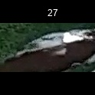
/Users/as16542/Downloads/10m32xl88x2b61zlkkgz3fml17/identification/images/train/011/000019.jpg | 2 |  |  | 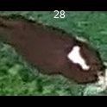
/Users/as16542/Downloads/10m32xl88x2b61zlkkgz3fml17/identification/images/train/011/000040.jpg | 3 |  |  |  | 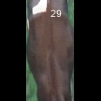
/Users/as16542/Downloads/10m32xl88x2b61zlkkgz3fml17/identification/images/train/011/000069.jpg | 4 |  |  |  |  | 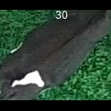
/Users/as16542/Downloads/10m32xl88x2b61zlkkgz3fml17/identification/images/train/011/000060.jpg | 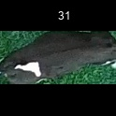 0
/Users/as16542/Downloads/10m32xl88x2b61zlkkgz3fml17/identification/images/train/011/000046.jpg | 4 |  |  |  |  | 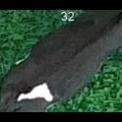
/Users/as16542/Downloads/10m32xl88x2b61zlkkgz3fml17/identification/images/train/011/000105.jpg | 5 |  |  |  |  |  | 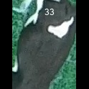
/Users/as16542/Downloads/10m32xl88x2b61zlkkgz3fml17/identification/images/train/011/000089.jpg | 2 |  |  | 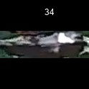
/Users/as16542/Downloads/10m32xl88x2b61zlkkgz3fml17/identification/images/train/011/000051.jpg | 4 |  |  |  |  | 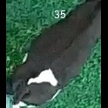
/Users/as16542/Downloads/10m32xl88x2b61zlkkgz3fml17/identification/images/train/011/000072.jpg | 3 |  |  |  | 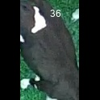
/Users/as16542/Downloads/10m32xl88x2b61zlkkgz3fml17/identification/images/train/011/000044.jpg | 2 |  |  | 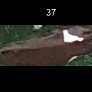
/Users/as16542/Downloads/10m32xl88x2b61zlkkgz3fml17/identification/images/train/011/000078.jpg | 2 |  |  | 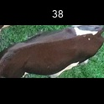
/Users/as16542/Downloads/10m32xl88x2b61zlkkgz3fml17/identification/images/train/011/000011.jpg | 2 |  |  | 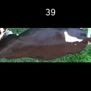
/Users/as16542/Downloads/10m32xl88x2b61zlkkgz3fml17/identification/images/train/011/000128.jpg | 2 |  |  | 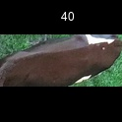
/Users/as16542/Downloads/10m32xl88x2b61zlkkgz3fml17/identification/images/train/011/000063.jpg | 4 |  |  |  |  | 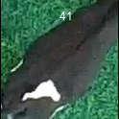
/Users/as16542/Downloads/10m32xl88x2b61zlkkgz3fml17/identification/images/train/011/000002.jpg | 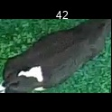 0
/Users/as16542/Downloads/10m32xl88x2b61zlkkgz3fml17/identification/images/train/011/000081.jpg | 2 |  |  | 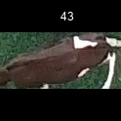
/Users/as16542/Downloads/10m32xl88x2b61zlkkgz3fml17/identification/images/train/011/000041.jpg | 2 |  |  | 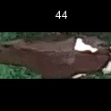
/Users/as16542/Downloads/10m32xl88x2b61zlkkgz3fml17/identification/images/train/011/000003.jpg | 2 |  |  | 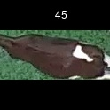
/Users/as16542/Downloads/10m32xl88x2b61zlkkgz3fml17/identification/images/train/011/000032.jpg | 2 |  |  | 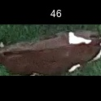
/Users/as16542/Downloads/10m32xl88x2b61zlkkgz3fml17/identification/images/train/011/000025.jpg | 2 |  |  | 
/Users/as16542/Downloads/10m32xl88x2b61zlkkgz3fml17/identification/images/train/011/000067.jpg | 2 |  |  | 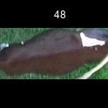
/Users/as16542/Downloads/10m32xl88x2b61zlkkgz3fml17/identification/images/train/011/000097.jpg | 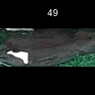 0
/Users/as16542/Downloads/10m32xl88x2b61zlkkgz3fml17/identification/images/train/011/000012.jpg | 2 |  |  | 
/Users/as16542/Downloads/10m32xl88x2b61zlkkgz3fml17/identification/images/train/011/000058.jpg | 2 |  |  | 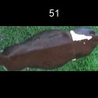
/Users/as16542/Downloads/10m32xl88x2b61zlkkgz3fml17/identification/images/train/011/000018.jpg | 3 |  |  |  | 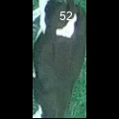
/Users/as16542/Downloads/10m32xl88x2b61zlkkgz3fml17/identification/images/train/011/000013.jpg | 2 |  |  | 
/Users/as16542/Downloads/10m32xl88x2b61zlkkgz3fml17/identification/images/train/011/000129.jpg |  0
/Users/as16542/Downloads/10m32xl88x2b61zlkkgz3fml17/identification/images/train/011/000068.jpg |  0
/Users/as16542/Downloads/10m32xl88x2b61zlkkgz3fml17/identification/images/train/011/000017.jpg |  0
/Users/as16542/Downloads/10m32xl88x2b61zlkkgz3fml17/identification/images/train/011/000008.jpg | 1 |  | 
/Users/as16542/Downloads/10m32xl88x2b61zlkkgz3fml17/identification/images/train/011/000035.jpg | 5 |  |  |  |  |  | 
/Users/as16542/Downloads/10m32xl88x2b61zlkkgz3fml17/identification/images/train/011/000108.jpg | 5 |  |  |  |  |  | 
/Users/as16542/Downloads/10m32xl88x2b61zlkkgz3fml17/identification/images/train/011/000005.jpg | 5 |  |  |  |  |  | 
/Users/as16542/Downloads/10m32xl88x2b61zlkkgz3fml17/identification/images/train/011/000070.jpg | 5 |  |  |  |  |  | 
/Users/as16542/Downloads/10m32xl88x2b61zlkkgz3fml17/identification/images/train/011/000001.jpg | 2 |  |  | 
/Users/as16542/Downloads/10m32xl88x2b61zlkkgz3fml17/identification/images/train/011/000085.jpg | 2 |  |  | 
/Users/as16542/Downloads/10m32xl88x2b61zlkkgz3fml17/identification/images/train/011/000111.jpg | 2 |  |  | 
/Users/as16542/Downloads/10m32xl88x2b61zlkkgz3fml17/identification/images/train/011/000127.jpg | 2 |  |  | 
/Users/as16542/Downloads/10m32xl88x2b61zlkkgz3fml17/identification/images/train/011/000104.jpg | 3 |  |  |  | 
/Users/as16542/Downloads/10m32xl88x2b61zlkkgz3fml17/identification/images/train/011/000099.jpg | 2 |  |  | 
/Users/as16542/Downloads/10m32xl88x2b61zlkkgz3fml17/identification/images/train/011/000006.jpg | 2 |  |  | 
/Users/as16542/Downloads/10m32xl88x2b61zlkkgz3fml17/identification/images/train/011/000062.jpg |  0
/Users/as16542/Downloads/10m32xl88x2b61zlkkgz3fml17/identification/images/train/011/000023.jpg |  0
/Users/as16542/Downloads/10m32xl88x2b61zlkkgz3fml17/identification/images/train/011/000026.jpg | 5 |  |  |  |  |  | 
/Users/as16542/Downloads/10m32xl88x2b61zlkkgz3fml17/identification/images/train/011/000036.jpg | 2 |  |  | 
/Users/as16542/Downloads/10m32xl88x2b61zlkkgz3fml17/identification/images/train/011/000010.jpg | 2 |  |  | 
/Users/as16542/Downloads/10m32xl88x2b61zlkkgz3fml17/identification/images/train/011/000114.jpg | 2 |  |  | 
/Users/as16542/Downloads/10m32xl88x2b61zlkkgz3fml17/identification/images/train/011/000083.jpg | 2 |  |  | 
/Users/as16542/Downloads/10m32xl88x2b61zlkkgz3fml17/identification/images/train/011/000119.jpg | 2 |  |  | 
/Users/as16542/Downloads/10m32xl88x2b61zlkkgz3fml17/identification/images/train/011/000039.jpg | 5 |  |  |  |  |  | 
/Users/as16542/Downloads/10m32xl88x2b61zlkkgz3fml17/identification/images/train/011/000059.jpg |  0
/Users/as16542/Downloads/10m32xl88x2b61zlkkgz3fml17/identification/images/train/011/000110.jpg | 3 |  |  |  | 
/Users/as16542/Downloads/10m32xl88x2b61zlkkgz3fml17/identification/images/train/011/000113.jpg | 3 |  |  |  | 
/Users/as16542/Downloads/10m32xl88x2b61zlkkgz3fml17/identification/images/train/011/000004.jpg | 2 |  |  | 
/Users/as16542/Downloads/10m32xl88x2b61zlkkgz3fml17/identification/images/train/011/000084.jpg | 2 |  |  | 
/Users/as16542/Downloads/10m32xl88x2b61zlkkgz3fml17/identification/images/train/011/000092.jpg | 3 |  |  |  | 
/Users/as16542/Downloads/10m32xl88x2b61zlkkgz3fml17/identification/images/train/011/000033.jpg | 2 |  |  | 
/Users/as16542/Downloads/10m32xl88x2b61zlkkgz3fml17/identification/images/train/011/000034.jpg | 2 |  |  | 
/Users/as16542/Downloads/10m32xl88x2b61zlkkgz3fml17/identification/images/train/011/000061.jpg | 2 |  |  | 
/Users/as16542/Downloads/10m32xl88x2b61zlkkgz3fml17/identification/images/train/011/000028.jpg | 2 |  |  | 
/Users/as16542/Downloads/10m32xl88x2b61zlkkgz3fml17/identification/images/train/011/000082.jpg |  0
/Users/as16542/Downloads/10m32xl88x2b61zlkkgz3fml17/identification/images/train/011/000098.jpg | 2 |  |  | 
/Users/as16542/Downloads/10m32xl88x2b61zlkkgz3fml17/identification/images/train/011/000030.jpg | 2 |  |  | 
/Users/as16542/Downloads/10m32xl88x2b61zlkkgz3fml17/identification/images/train/011/000045.jpg | 2 |  |  | 
/Users/as16542/Downloads/10m32xl88x2b61zlkkgz3fml17/identification/images/train/011/000080.jpg |  0
/Users/as16542/Downloads/10m32xl88x2b61zlkkgz3fml17/identification/images/train/011/000117.jpg | 2 |  |  | 
/Users/as16542/Downloads/10m32xl88x2b61zlkkgz3fml17/identification/images/train/011/000074.jpg | 2 |  |  | 
/Users/as16542/Downloads/10m32xl88x2b61zlkkgz3fml17/identification/images/train/011/000029.jpg | 2 |  |  | 
/Users/as16542/Downloads/10m32xl88x2b61zlkkgz3fml17/identification/images/train/011/000103.jpg | 2 |  |  | 
/Users/as16542/Downloads/10m32xl88x2b61zlkkgz3fml17/identification/images/train/011/000064.jpg | 2 |  |  | 
/Users/as16542/Downloads/10m32xl88x2b61zlkkgz3fml17/identification/images/train/011/000121.jpg |  0
/Users/as16542/Downloads/10m32xl88x2b61zlkkgz3fml17/identification/images/train/011/000042.jpg | 2 |  |  | 
/Users/as16542/Downloads/10m32xl88x2b61zlkkgz3fml17/identification/images/train/011/000109.jpg | 0 | 
/Users/as16542/Downloads/10m32xl88x2b61zlkkgz3fml17/identification/images/train/011/000031.jpg | 3 |  |  |  | 
/Users/as16542/Downloads/10m32xl88x2b61zlkkgz3fml17/identification/images/train/011/000073.jpg | 2 |  |  | 
/Users/as16542/Downloads/10m32xl88x2b61zlkkgz3fml17/identification/images/train/011/000021.jpg | 3 |  |  |  | 
/Users/as16542/Downloads/10m32xl88x2b61zlkkgz3fml17/identification/images/train/011/000122.jpg | 2 |  |  | 
/Users/as16542/Downloads/10m32xl88x2b61zlkkgz3fml17/identification/images/train/011/000094.jpg | 3 |  |  |  | 
/Users/as16542/Downloads/10m32xl88x2b61zlkkgz3fml17/identification/images/train/011/000022.jpg | 3 |  |  |  | 
/Users/as16542/Downloads/10m32xl88x2b61zlkkgz3fml17/identification/images/train/011/000101.jpg | 4 |  |  |  |  | 
/Users/as16542/Downloads/10m32xl88x2b61zlkkgz3fml17/identification/images/train/011/000047.jpg | 2 |  |  | 
/Users/as16542/Downloads/10m32xl88x2b61zlkkgz3fml17/identification/images/train/011/000055.jpg |  0
/Users/as16542/Downloads/10m32xl88x2b61zlkkgz3fml17/identification/images/train/011/000049.jpg | 5 |  |  |  |  |  | 
/Users/as16542/Downloads/10m32xl88x2b61zlkkgz3fml17/identification/images/train/011/000096.jpg |  0
/Users/as16542/Downloads/10m32xl88x2b61zlkkgz3fml17/identification/images/train/011/000076.jpg | 2 |  |  | 
/Users/as16542/Downloads/10m32xl88x2b61zlkkgz3fml17/identification/images/train/011/000125.jpg | 2 |  |  | 
/Users/as16542/Downloads/10m32xl88x2b61zlkkgz3fml17/identification/images/train/011/000038.jpg | 1 |  | 
/Users/as16542/Downloads/10m32xl88x2b61zlkkgz3fml17/identification/images/train/011/000016.jpg |  0
/Users/as16542/Downloads/10m32xl88x2b61zlkkgz3fml17/identification/images/train/011/000087.jpg |  0
/Users/as16542/Downloads/10m32xl88x2b61zlkkgz3fml17/identification/images/train/011/000027.jpg | 1 |  | 
/Users/as16542/Downloads/10m32xl88x2b61zlkkgz3fml17/identification/images/train/011/000106.jpg | 2 |  |  | 
/Users/as16542/Downloads/10m32xl88x2b61zlkkgz3fml17/identification/images/train/011/000090.jpg | 2 |  |  | 
/Users/as16542/Downloads/10m32xl88x2b61zlkkgz3fml17/identification/images/train/011/000126.jpg | 2 |  |  | 
/Users/as16542/Downloads/10m32xl88x2b61zlkkgz3fml17/identification/images/train/011/000100.jpg |  0
/Users/as16542/Downloads/10m32xl88x2b61zlkkgz3fml17/identification/images/train/011/000123.jpg | 2 |  |  | 
/Users/as16542/Downloads/10m32xl88x2b61zlkkgz3fml17/identification/images/train/011/000065.jpg | 3 |  |  |  | 
/Users/as16542/Downloads/10m32xl88x2b61zlkkgz3fml17/identification/images/train/011/000024.jpg | 2 |  |  | 
/Users/as16542/Downloads/10m32xl88x2b61zlkkgz3fml17/identification/images/train/011/000054.jpg | 2 |  |  | 
/Users/as16542/Downloads/10m32xl88x2b61zlkkgz3fml17/identification/images/train/011/000007.jpg | 2 |  |  | 
/Users/as16542/Downloads/10m32xl88x2b61zlkkgz3fml17/identification/images/train/011/000102.jpg | 2 |  |  | 
/Users/as16542/Downloads/10m32xl88x2b61zlkkgz3fml17/identification/images/train/011/000020.jpg |  0

