Sheet1
/Users/as16542/Downloads/10m32xl88x2b61zlkkgz3fml17/identification/images/train/013/000088.jpg | 0 | 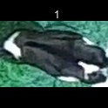
/Users/as16542/Downloads/10m32xl88x2b61zlkkgz3fml17/identification/images/train/013/000079.jpg | 2 |  |  | 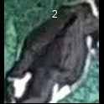
/Users/as16542/Downloads/10m32xl88x2b61zlkkgz3fml17/identification/images/train/013/000071.jpg | 1 |  | 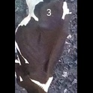
/Users/as16542/Downloads/10m32xl88x2b61zlkkgz3fml17/identification/images/train/013/000165.jpg | 0 | 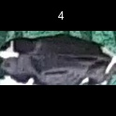
/Users/as16542/Downloads/10m32xl88x2b61zlkkgz3fml17/identification/images/train/013/000116.jpg | 0 | 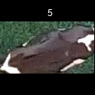
/Users/as16542/Downloads/10m32xl88x2b61zlkkgz3fml17/identification/images/train/013/000053.jpg | 0 | 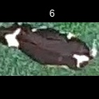
/Users/as16542/Downloads/10m32xl88x2b61zlkkgz3fml17/identification/images/train/013/000077.jpg | 1 |  | 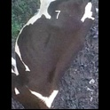
/Users/as16542/Downloads/10m32xl88x2b61zlkkgz3fml17/identification/images/train/013/000107.jpg | 1 |  | 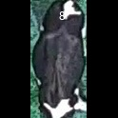
/Users/as16542/Downloads/10m32xl88x2b61zlkkgz3fml17/identification/images/train/013/000148.jpg | 0 | 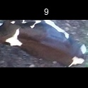
/Users/as16542/Downloads/10m32xl88x2b61zlkkgz3fml17/identification/images/train/013/000124.jpg | 0 | 
/Users/as16542/Downloads/10m32xl88x2b61zlkkgz3fml17/identification/images/train/013/000144.jpg | 0 | 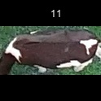
/Users/as16542/Downloads/10m32xl88x2b61zlkkgz3fml17/identification/images/train/013/000147.jpg | 1 |  | 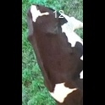
/Users/as16542/Downloads/10m32xl88x2b61zlkkgz3fml17/identification/images/train/013/000066.jpg | 1 |  | 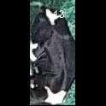
/Users/as16542/Downloads/10m32xl88x2b61zlkkgz3fml17/identification/images/train/013/000174.jpg | 0 | 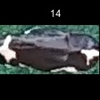
/Users/as16542/Downloads/10m32xl88x2b61zlkkgz3fml17/identification/images/train/013/000095.jpg | 0 | 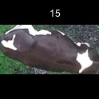
/Users/as16542/Downloads/10m32xl88x2b61zlkkgz3fml17/identification/images/train/013/000056.jpg | 0 | 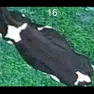
/Users/as16542/Downloads/10m32xl88x2b61zlkkgz3fml17/identification/images/train/013/000158.jpg | 0 | 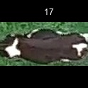
/Users/as16542/Downloads/10m32xl88x2b61zlkkgz3fml17/identification/images/train/013/000177.jpg | 0 | 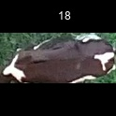
/Users/as16542/Downloads/10m32xl88x2b61zlkkgz3fml17/identification/images/train/013/000009.jpg | 1 |  | 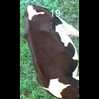
/Users/as16542/Downloads/10m32xl88x2b61zlkkgz3fml17/identification/images/train/013/000168.jpg | 1 |  | 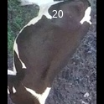
/Users/as16542/Downloads/10m32xl88x2b61zlkkgz3fml17/identification/images/train/013/000146.jpg | 1 |  | 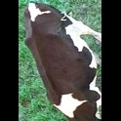
/Users/as16542/Downloads/10m32xl88x2b61zlkkgz3fml17/identification/images/train/013/000015.jpg | 0 | 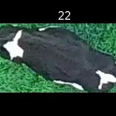
/Users/as16542/Downloads/10m32xl88x2b61zlkkgz3fml17/identification/images/train/013/000120.jpg | 1 |  | 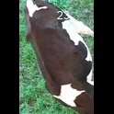
/Users/as16542/Downloads/10m32xl88x2b61zlkkgz3fml17/identification/images/train/013/000154.jpg | 2 |  |  | 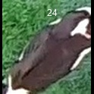
/Users/as16542/Downloads/10m32xl88x2b61zlkkgz3fml17/identification/images/train/013/000093.jpg | 0 | 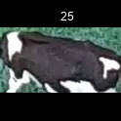
/Users/as16542/Downloads/10m32xl88x2b61zlkkgz3fml17/identification/images/train/013/000156.jpg | 1 |  | 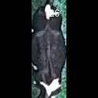
/Users/as16542/Downloads/10m32xl88x2b61zlkkgz3fml17/identification/images/train/013/000118.jpg | 0 | 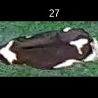
/Users/as16542/Downloads/10m32xl88x2b61zlkkgz3fml17/identification/images/train/013/000091.jpg | 0 | 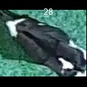
/Users/as16542/Downloads/10m32xl88x2b61zlkkgz3fml17/identification/images/train/013/000075.jpg | 0 | 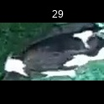
/Users/as16542/Downloads/10m32xl88x2b61zlkkgz3fml17/identification/images/train/013/000048.jpg | 0 | 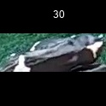
/Users/as16542/Downloads/10m32xl88x2b61zlkkgz3fml17/identification/images/train/013/000164.jpg | 0 | 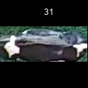
/Users/as16542/Downloads/10m32xl88x2b61zlkkgz3fml17/identification/images/train/013/000050.jpg | 1 |  | 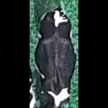
/Users/as16542/Downloads/10m32xl88x2b61zlkkgz3fml17/identification/images/train/013/000112.jpg | 1 |  | 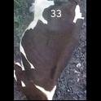
/Users/as16542/Downloads/10m32xl88x2b61zlkkgz3fml17/identification/images/train/013/000052.jpg | 0 | 
/Users/as16542/Downloads/10m32xl88x2b61zlkkgz3fml17/identification/images/train/013/000043.jpg | 0 | 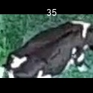
/Users/as16542/Downloads/10m32xl88x2b61zlkkgz3fml17/identification/images/train/013/000115.jpg | 0 | 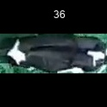
/Users/as16542/Downloads/10m32xl88x2b61zlkkgz3fml17/identification/images/train/013/000086.jpg | 0 | 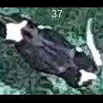
/Users/as16542/Downloads/10m32xl88x2b61zlkkgz3fml17/identification/images/train/013/000037.jpg | 1 |  | 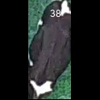
/Users/as16542/Downloads/10m32xl88x2b61zlkkgz3fml17/identification/images/train/013/000014.jpg | 1 |  | 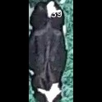
/Users/as16542/Downloads/10m32xl88x2b61zlkkgz3fml17/identification/images/train/013/000057.jpg | 1 |  | 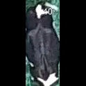
/Users/as16542/Downloads/10m32xl88x2b61zlkkgz3fml17/identification/images/train/013/000173.jpg | 1 |  | 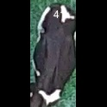
/Users/as16542/Downloads/10m32xl88x2b61zlkkgz3fml17/identification/images/train/013/000019.jpg | 0 | 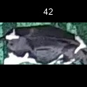
/Users/as16542/Downloads/10m32xl88x2b61zlkkgz3fml17/identification/images/train/013/000040.jpg | 0 | 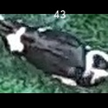
/Users/as16542/Downloads/10m32xl88x2b61zlkkgz3fml17/identification/images/train/013/000198.jpg | 0 | 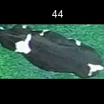
/Users/as16542/Downloads/10m32xl88x2b61zlkkgz3fml17/identification/images/train/013/000069.jpg | 1 |  | 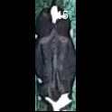
/Users/as16542/Downloads/10m32xl88x2b61zlkkgz3fml17/identification/images/train/013/000060.jpg | 0 | 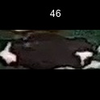
/Users/as16542/Downloads/10m32xl88x2b61zlkkgz3fml17/identification/images/train/013/000046.jpg | 2 |  |  | 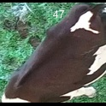
/Users/as16542/Downloads/10m32xl88x2b61zlkkgz3fml17/identification/images/train/013/000105.jpg | 1 |  | 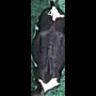
/Users/as16542/Downloads/10m32xl88x2b61zlkkgz3fml17/identification/images/train/013/000132.jpg | 1 |  | 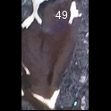
/Users/as16542/Downloads/10m32xl88x2b61zlkkgz3fml17/identification/images/train/013/000136.jpg | 1 |  | 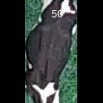
/Users/as16542/Downloads/10m32xl88x2b61zlkkgz3fml17/identification/images/train/013/000089.jpg | 0 | 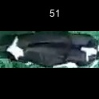
/Users/as16542/Downloads/10m32xl88x2b61zlkkgz3fml17/identification/images/train/013/000161.jpg | 0 | 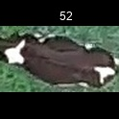
/Users/as16542/Downloads/10m32xl88x2b61zlkkgz3fml17/identification/images/train/013/000051.jpg | 0 | 
/Users/as16542/Downloads/10m32xl88x2b61zlkkgz3fml17/identification/images/train/013/000072.jpg | 0 | 
/Users/as16542/Downloads/10m32xl88x2b61zlkkgz3fml17/identification/images/train/013/000044.jpg | 0 | 
/Users/as16542/Downloads/10m32xl88x2b61zlkkgz3fml17/identification/images/train/013/000189.jpg | 0 | 
/Users/as16542/Downloads/10m32xl88x2b61zlkkgz3fml17/identification/images/train/013/000078.jpg | 1 |  | 
/Users/as16542/Downloads/10m32xl88x2b61zlkkgz3fml17/identification/images/train/013/000011.jpg | 0 | 
/Users/as16542/Downloads/10m32xl88x2b61zlkkgz3fml17/identification/images/train/013/000128.jpg | 0 | 
/Users/as16542/Downloads/10m32xl88x2b61zlkkgz3fml17/identification/images/train/013/000063.jpg | 0 | 
/Users/as16542/Downloads/10m32xl88x2b61zlkkgz3fml17/identification/images/train/013/000002.jpg | 1 |  | 
/Users/as16542/Downloads/10m32xl88x2b61zlkkgz3fml17/identification/images/train/013/000197.jpg | 1 |  | 
/Users/as16542/Downloads/10m32xl88x2b61zlkkgz3fml17/identification/images/train/013/000081.jpg | 1 |  | 
/Users/as16542/Downloads/10m32xl88x2b61zlkkgz3fml17/identification/images/train/013/000188.jpg | 0 | 
/Users/as16542/Downloads/10m32xl88x2b61zlkkgz3fml17/identification/images/train/013/000191.jpg | 0 | 
/Users/as16542/Downloads/10m32xl88x2b61zlkkgz3fml17/identification/images/train/013/000041.jpg | 0 | 
/Users/as16542/Downloads/10m32xl88x2b61zlkkgz3fml17/identification/images/train/013/000153.jpg | 0 | 
/Users/as16542/Downloads/10m32xl88x2b61zlkkgz3fml17/identification/images/train/013/000003.jpg | 0 | 
/Users/as16542/Downloads/10m32xl88x2b61zlkkgz3fml17/identification/images/train/013/000032.jpg | 0 | 
/Users/as16542/Downloads/10m32xl88x2b61zlkkgz3fml17/identification/images/train/013/000025.jpg | 1 |  | 
/Users/as16542/Downloads/10m32xl88x2b61zlkkgz3fml17/identification/images/train/013/000141.jpg | 1 |  | 
/Users/as16542/Downloads/10m32xl88x2b61zlkkgz3fml17/identification/images/train/013/000067.jpg | 0 | 
/Users/as16542/Downloads/10m32xl88x2b61zlkkgz3fml17/identification/images/train/013/000097.jpg | 1 |  | 
/Users/as16542/Downloads/10m32xl88x2b61zlkkgz3fml17/identification/images/train/013/000012.jpg | 0 | 
/Users/as16542/Downloads/10m32xl88x2b61zlkkgz3fml17/identification/images/train/013/000184.jpg | 1 |  | 
/Users/as16542/Downloads/10m32xl88x2b61zlkkgz3fml17/identification/images/train/013/000058.jpg | 0 | 
/Users/as16542/Downloads/10m32xl88x2b61zlkkgz3fml17/identification/images/train/013/000152.jpg | 1 |  | 
/Users/as16542/Downloads/10m32xl88x2b61zlkkgz3fml17/identification/images/train/013/000018.jpg | 0 | 
/Users/as16542/Downloads/10m32xl88x2b61zlkkgz3fml17/identification/images/train/013/000013.jpg | 0 | 
/Users/as16542/Downloads/10m32xl88x2b61zlkkgz3fml17/identification/images/train/013/000129.jpg | 0 | 
/Users/as16542/Downloads/10m32xl88x2b61zlkkgz3fml17/identification/images/train/013/000131.jpg | 0 | 
/Users/as16542/Downloads/10m32xl88x2b61zlkkgz3fml17/identification/images/train/013/000195.jpg | 0 | 
/Users/as16542/Downloads/10m32xl88x2b61zlkkgz3fml17/identification/images/train/013/000151.jpg | 0 | 
/Users/as16542/Downloads/10m32xl88x2b61zlkkgz3fml17/identification/images/train/013/000068.jpg | 1 |  | 
/Users/as16542/Downloads/10m32xl88x2b61zlkkgz3fml17/identification/images/train/013/000017.jpg | 1 |  | 
/Users/as16542/Downloads/10m32xl88x2b61zlkkgz3fml17/identification/images/train/013/000149.jpg | 0 | 
/Users/as16542/Downloads/10m32xl88x2b61zlkkgz3fml17/identification/images/train/013/000008.jpg | 1 |  | 
/Users/as16542/Downloads/10m32xl88x2b61zlkkgz3fml17/identification/images/train/013/000035.jpg | 0 | 
/Users/as16542/Downloads/10m32xl88x2b61zlkkgz3fml17/identification/images/train/013/000192.jpg | 0 | 
/Users/as16542/Downloads/10m32xl88x2b61zlkkgz3fml17/identification/images/train/013/000108.jpg | 0 | 
/Users/as16542/Downloads/10m32xl88x2b61zlkkgz3fml17/identification/images/train/013/000005.jpg | 1 |  | 
/Users/as16542/Downloads/10m32xl88x2b61zlkkgz3fml17/identification/images/train/013/000172.jpg | 0 | 
/Users/as16542/Downloads/10m32xl88x2b61zlkkgz3fml17/identification/images/train/013/000163.jpg | 0 | 
/Users/as16542/Downloads/10m32xl88x2b61zlkkgz3fml17/identification/images/train/013/000193.jpg | 0 | 
/Users/as16542/Downloads/10m32xl88x2b61zlkkgz3fml17/identification/images/train/013/000139.jpg | 0 | 
/Users/as16542/Downloads/10m32xl88x2b61zlkkgz3fml17/identification/images/train/013/000130.jpg | 2 |  |  | 
/Users/as16542/Downloads/10m32xl88x2b61zlkkgz3fml17/identification/images/train/013/000159.jpg | 0 | 
/Users/as16542/Downloads/10m32xl88x2b61zlkkgz3fml17/identification/images/train/013/000167.jpg | 1 |  | 
/Users/as16542/Downloads/10m32xl88x2b61zlkkgz3fml17/identification/images/train/013/000070.jpg | 0 | 
/Users/as16542/Downloads/10m32xl88x2b61zlkkgz3fml17/identification/images/train/013/000179.jpg | 0 | 
/Users/as16542/Downloads/10m32xl88x2b61zlkkgz3fml17/identification/images/train/013/000190.jpg | 0 | 
/Users/as16542/Downloads/10m32xl88x2b61zlkkgz3fml17/identification/images/train/013/000001.jpg | 0 | 
/Users/as16542/Downloads/10m32xl88x2b61zlkkgz3fml17/identification/images/train/013/000085.jpg | 1 |  | 
/Users/as16542/Downloads/10m32xl88x2b61zlkkgz3fml17/identification/images/train/013/000111.jpg | 0 | 
/Users/as16542/Downloads/10m32xl88x2b61zlkkgz3fml17/identification/images/train/013/000127.jpg | 0 | 
/Users/as16542/Downloads/10m32xl88x2b61zlkkgz3fml17/identification/images/train/013/000104.jpg | 0 | 
/Users/as16542/Downloads/10m32xl88x2b61zlkkgz3fml17/identification/images/train/013/000099.jpg | 1 |  | 
/Users/as16542/Downloads/10m32xl88x2b61zlkkgz3fml17/identification/images/train/013/000137.jpg | 0 | 
/Users/as16542/Downloads/10m32xl88x2b61zlkkgz3fml17/identification/images/train/013/000006.jpg | 0 | 
/Users/as16542/Downloads/10m32xl88x2b61zlkkgz3fml17/identification/images/train/013/000062.jpg | 0 | 
/Users/as16542/Downloads/10m32xl88x2b61zlkkgz3fml17/identification/images/train/013/000187.jpg | 2 |  |  | 
/Users/as16542/Downloads/10m32xl88x2b61zlkkgz3fml17/identification/images/train/013/000140.jpg | 0 | 
/Users/as16542/Downloads/10m32xl88x2b61zlkkgz3fml17/identification/images/train/013/000023.jpg | 0 | 
/Users/as16542/Downloads/10m32xl88x2b61zlkkgz3fml17/identification/images/train/013/000026.jpg | 0 | 
/Users/as16542/Downloads/10m32xl88x2b61zlkkgz3fml17/identification/images/train/013/000166.jpg | 0 | 
/Users/as16542/Downloads/10m32xl88x2b61zlkkgz3fml17/identification/images/train/013/000134.jpg | 0 | 
/Users/as16542/Downloads/10m32xl88x2b61zlkkgz3fml17/identification/images/train/013/000171.jpg | 0 | 
/Users/as16542/Downloads/10m32xl88x2b61zlkkgz3fml17/identification/images/train/013/000036.jpg | 0 | 
/Users/as16542/Downloads/10m32xl88x2b61zlkkgz3fml17/identification/images/train/013/000157.jpg | 1 |  | 
/Users/as16542/Downloads/10m32xl88x2b61zlkkgz3fml17/identification/images/train/013/000010.jpg | 1 |  | 
/Users/as16542/Downloads/10m32xl88x2b61zlkkgz3fml17/identification/images/train/013/000114.jpg | 0 | 
/Users/as16542/Downloads/10m32xl88x2b61zlkkgz3fml17/identification/images/train/013/000083.jpg | 0 | 
/Users/as16542/Downloads/10m32xl88x2b61zlkkgz3fml17/identification/images/train/013/000119.jpg | 1 |  | 
/Users/as16542/Downloads/10m32xl88x2b61zlkkgz3fml17/identification/images/train/013/000039.jpg | 1 |  | 
/Users/as16542/Downloads/10m32xl88x2b61zlkkgz3fml17/identification/images/train/013/000059.jpg | 1 |  | 
/Users/as16542/Downloads/10m32xl88x2b61zlkkgz3fml17/identification/images/train/013/000110.jpg | 1 |  | 
/Users/as16542/Downloads/10m32xl88x2b61zlkkgz3fml17/identification/images/train/013/000135.jpg | 1 |  | 
/Users/as16542/Downloads/10m32xl88x2b61zlkkgz3fml17/identification/images/train/013/000113.jpg | 2 |  |  | 
/Users/as16542/Downloads/10m32xl88x2b61zlkkgz3fml17/identification/images/train/013/000170.jpg | 0 | 
/Users/as16542/Downloads/10m32xl88x2b61zlkkgz3fml17/identification/images/train/013/000004.jpg | 0 | 
/Users/as16542/Downloads/10m32xl88x2b61zlkkgz3fml17/identification/images/train/013/000084.jpg | 0 | 
/Users/as16542/Downloads/10m32xl88x2b61zlkkgz3fml17/identification/images/train/013/000092.jpg | 0 | 
/Users/as16542/Downloads/10m32xl88x2b61zlkkgz3fml17/identification/images/train/013/000033.jpg | 0 | 
/Users/as16542/Downloads/10m32xl88x2b61zlkkgz3fml17/identification/images/train/013/000034.jpg | 0 | 
/Users/as16542/Downloads/10m32xl88x2b61zlkkgz3fml17/identification/images/train/013/000061.jpg | 0 | 
/Users/as16542/Downloads/10m32xl88x2b61zlkkgz3fml17/identification/images/train/013/000160.jpg | 0 | 
/Users/as16542/Downloads/10m32xl88x2b61zlkkgz3fml17/identification/images/train/013/000028.jpg | 2 |  |  | 
/Users/as16542/Downloads/10m32xl88x2b61zlkkgz3fml17/identification/images/train/013/000082.jpg | 0 | 
/Users/as16542/Downloads/10m32xl88x2b61zlkkgz3fml17/identification/images/train/013/000178.jpg | 0 | 
/Users/as16542/Downloads/10m32xl88x2b61zlkkgz3fml17/identification/images/train/013/000098.jpg | 0 | 
/Users/as16542/Downloads/10m32xl88x2b61zlkkgz3fml17/identification/images/train/013/000180.jpg | 0 | 
/Users/as16542/Downloads/10m32xl88x2b61zlkkgz3fml17/identification/images/train/013/000176.jpg | 1 |  | 
/Users/as16542/Downloads/10m32xl88x2b61zlkkgz3fml17/identification/images/train/013/000030.jpg | 0 | 
/Users/as16542/Downloads/10m32xl88x2b61zlkkgz3fml17/identification/images/train/013/000045.jpg | 0 | 
/Users/as16542/Downloads/10m32xl88x2b61zlkkgz3fml17/identification/images/train/013/000080.jpg | 0 | 
/Users/as16542/Downloads/10m32xl88x2b61zlkkgz3fml17/identification/images/train/013/000117.jpg | 0 | 
/Users/as16542/Downloads/10m32xl88x2b61zlkkgz3fml17/identification/images/train/013/000181.jpg | 0 | 
/Users/as16542/Downloads/10m32xl88x2b61zlkkgz3fml17/identification/images/train/013/000074.jpg | 2 |  |  | 
/Users/as16542/Downloads/10m32xl88x2b61zlkkgz3fml17/identification/images/train/013/000029.jpg | 0 | 
/Users/as16542/Downloads/10m32xl88x2b61zlkkgz3fml17/identification/images/train/013/000103.jpg | 0 | 
/Users/as16542/Downloads/10m32xl88x2b61zlkkgz3fml17/identification/images/train/013/000155.jpg | 0 | 
/Users/as16542/Downloads/10m32xl88x2b61zlkkgz3fml17/identification/images/train/013/000064.jpg | 0 | 
/Users/as16542/Downloads/10m32xl88x2b61zlkkgz3fml17/identification/images/train/013/000121.jpg | 0 | 
/Users/as16542/Downloads/10m32xl88x2b61zlkkgz3fml17/identification/images/train/013/000133.jpg | 0 | 
/Users/as16542/Downloads/10m32xl88x2b61zlkkgz3fml17/identification/images/train/013/000042.jpg | 2 |  |  | 
/Users/as16542/Downloads/10m32xl88x2b61zlkkgz3fml17/identification/images/train/013/000109.jpg | 0 | 
/Users/as16542/Downloads/10m32xl88x2b61zlkkgz3fml17/identification/images/train/013/000138.jpg | 0 | 
/Users/as16542/Downloads/10m32xl88x2b61zlkkgz3fml17/identification/images/train/013/000031.jpg | 1 |  | 
/Users/as16542/Downloads/10m32xl88x2b61zlkkgz3fml17/identification/images/train/013/000073.jpg | 0 | 
/Users/as16542/Downloads/10m32xl88x2b61zlkkgz3fml17/identification/images/train/013/000021.jpg | 0 | 
/Users/as16542/Downloads/10m32xl88x2b61zlkkgz3fml17/identification/images/train/013/000186.jpg | 1 |  | 
/Users/as16542/Downloads/10m32xl88x2b61zlkkgz3fml17/identification/images/train/013/000122.jpg | 0 | 
/Users/as16542/Downloads/10m32xl88x2b61zlkkgz3fml17/identification/images/train/013/000094.jpg | 1 |  | 
/Users/as16542/Downloads/10m32xl88x2b61zlkkgz3fml17/identification/images/train/013/000022.jpg | 1 |  | 
/Users/as16542/Downloads/10m32xl88x2b61zlkkgz3fml17/identification/images/train/013/000101.jpg | 1 |  | 
/Users/as16542/Downloads/10m32xl88x2b61zlkkgz3fml17/identification/images/train/013/000047.jpg | 1 |  | 
/Users/as16542/Downloads/10m32xl88x2b61zlkkgz3fml17/identification/images/train/013/000194.jpg | 1 |  | 
/Users/as16542/Downloads/10m32xl88x2b61zlkkgz3fml17/identification/images/train/013/000055.jpg | 1 |  | 
/Users/as16542/Downloads/10m32xl88x2b61zlkkgz3fml17/identification/images/train/013/000049.jpg | 0 | 
/Users/as16542/Downloads/10m32xl88x2b61zlkkgz3fml17/identification/images/train/013/000175.jpg | 0 | 
/Users/as16542/Downloads/10m32xl88x2b61zlkkgz3fml17/identification/images/train/013/000185.jpg | 0 | 
/Users/as16542/Downloads/10m32xl88x2b61zlkkgz3fml17/identification/images/train/013/000096.jpg | 0 | 
/Users/as16542/Downloads/10m32xl88x2b61zlkkgz3fml17/identification/images/train/013/000076.jpg | 2 |  |  | 
/Users/as16542/Downloads/10m32xl88x2b61zlkkgz3fml17/identification/images/train/013/000125.jpg | 0 | 
/Users/as16542/Downloads/10m32xl88x2b61zlkkgz3fml17/identification/images/train/013/000038.jpg | 0 | 
/Users/as16542/Downloads/10m32xl88x2b61zlkkgz3fml17/identification/images/train/013/000016.jpg | 0 | 
/Users/as16542/Downloads/10m32xl88x2b61zlkkgz3fml17/identification/images/train/013/000087.jpg | 0 | 
/Users/as16542/Downloads/10m32xl88x2b61zlkkgz3fml17/identification/images/train/013/000027.jpg | 0 | 
/Users/as16542/Downloads/10m32xl88x2b61zlkkgz3fml17/identification/images/train/013/000106.jpg | 0 | 
/Users/as16542/Downloads/10m32xl88x2b61zlkkgz3fml17/identification/images/train/013/000143.jpg | 0 | 
/Users/as16542/Downloads/10m32xl88x2b61zlkkgz3fml17/identification/images/train/013/000145.jpg | 1 |  | 
/Users/as16542/Downloads/10m32xl88x2b61zlkkgz3fml17/identification/images/train/013/000090.jpg | 0 | 
/Users/as16542/Downloads/10m32xl88x2b61zlkkgz3fml17/identification/images/train/013/000126.jpg | 0 | 
/Users/as16542/Downloads/10m32xl88x2b61zlkkgz3fml17/identification/images/train/013/000183.jpg | 0 | 
/Users/as16542/Downloads/10m32xl88x2b61zlkkgz3fml17/identification/images/train/013/000162.jpg | 0 | 
/Users/as16542/Downloads/10m32xl88x2b61zlkkgz3fml17/identification/images/train/013/000100.jpg | 0 | 
/Users/as16542/Downloads/10m32xl88x2b61zlkkgz3fml17/identification/images/train/013/000169.jpg | 0 | 
/Users/as16542/Downloads/10m32xl88x2b61zlkkgz3fml17/identification/images/train/013/000123.jpg | 1 |  | 
/Users/as16542/Downloads/10m32xl88x2b61zlkkgz3fml17/identification/images/train/013/000182.jpg | 0 | 
/Users/as16542/Downloads/10m32xl88x2b61zlkkgz3fml17/identification/images/train/013/000150.jpg | 0 | 
/Users/as16542/Downloads/10m32xl88x2b61zlkkgz3fml17/identification/images/train/013/000065.jpg | 1 |  | 
/Users/as16542/Downloads/10m32xl88x2b61zlkkgz3fml17/identification/images/train/013/000024.jpg | 0 | 
/Users/as16542/Downloads/10m32xl88x2b61zlkkgz3fml17/identification/images/train/013/000054.jpg | 0 | 
/Users/as16542/Downloads/10m32xl88x2b61zlkkgz3fml17/identification/images/train/013/000007.jpg | 0 | 
/Users/as16542/Downloads/10m32xl88x2b61zlkkgz3fml17/identification/images/train/013/000102.jpg | 1 |  | 
/Users/as16542/Downloads/10m32xl88x2b61zlkkgz3fml17/identification/images/train/013/000196.jpg | 0 | 
/Users/as16542/Downloads/10m32xl88x2b61zlkkgz3fml17/identification/images/train/013/000020.jpg | 0 | 

