Sheet1
/Users/as16542/Downloads/10m32xl88x2b61zlkkgz3fml17/identification/images/train/020/000015.jpg | 0 | 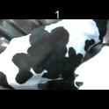
/Users/as16542/Downloads/10m32xl88x2b61zlkkgz3fml17/identification/images/train/020/000014.jpg | 0 | 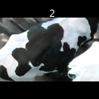
/Users/as16542/Downloads/10m32xl88x2b61zlkkgz3fml17/identification/images/train/020/000019.jpg | 0 | 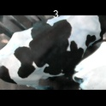
/Users/as16542/Downloads/10m32xl88x2b61zlkkgz3fml17/identification/images/train/020/000011.jpg | 0 | 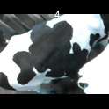
/Users/as16542/Downloads/10m32xl88x2b61zlkkgz3fml17/identification/images/train/020/000002.jpg | 0 | 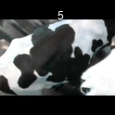
/Users/as16542/Downloads/10m32xl88x2b61zlkkgz3fml17/identification/images/train/020/000003.jpg | 0 | 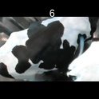
/Users/as16542/Downloads/10m32xl88x2b61zlkkgz3fml17/identification/images/train/020/000012.jpg | 0 | 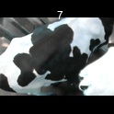
/Users/as16542/Downloads/10m32xl88x2b61zlkkgz3fml17/identification/images/train/020/000018.jpg | 0 | 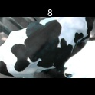
/Users/as16542/Downloads/10m32xl88x2b61zlkkgz3fml17/identification/images/train/020/000013.jpg | 0 | 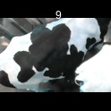
/Users/as16542/Downloads/10m32xl88x2b61zlkkgz3fml17/identification/images/train/020/000017.jpg | 0 | 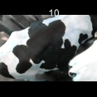
/Users/as16542/Downloads/10m32xl88x2b61zlkkgz3fml17/identification/images/train/020/000008.jpg | 0 | 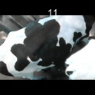
/Users/as16542/Downloads/10m32xl88x2b61zlkkgz3fml17/identification/images/train/020/000005.jpg | 0 | 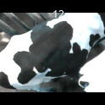
/Users/as16542/Downloads/10m32xl88x2b61zlkkgz3fml17/identification/images/train/020/000001.jpg | 0 | 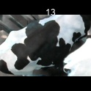
/Users/as16542/Downloads/10m32xl88x2b61zlkkgz3fml17/identification/images/train/020/000006.jpg | 0 | 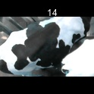
/Users/as16542/Downloads/10m32xl88x2b61zlkkgz3fml17/identification/images/train/020/000023.jpg | 0 | 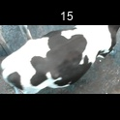
/Users/as16542/Downloads/10m32xl88x2b61zlkkgz3fml17/identification/images/train/020/000010.jpg | 0 | 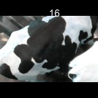
/Users/as16542/Downloads/10m32xl88x2b61zlkkgz3fml17/identification/images/train/020/000004.jpg | 0 | 
/Users/as16542/Downloads/10m32xl88x2b61zlkkgz3fml17/identification/images/train/020/000021.jpg | 0 | 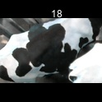
/Users/as16542/Downloads/10m32xl88x2b61zlkkgz3fml17/identification/images/train/020/000022.jpg | 0 | 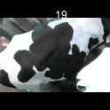
/Users/as16542/Downloads/10m32xl88x2b61zlkkgz3fml17/identification/images/train/020/000016.jpg | 0 | 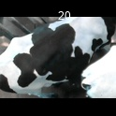
/Users/as16542/Downloads/10m32xl88x2b61zlkkgz3fml17/identification/images/train/020/000024.jpg | 0 | 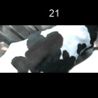
/Users/as16542/Downloads/10m32xl88x2b61zlkkgz3fml17/identification/images/train/020/000007.jpg | 0 | 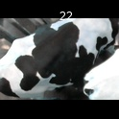
/Users/as16542/Downloads/10m32xl88x2b61zlkkgz3fml17/identification/images/train/020/000020.jpg | 0 | 