Sheet1
/Users/as16542/Downloads/10m32xl88x2b61zlkkgz3fml17/identification/images/train/021/000015.jpg | 0 | 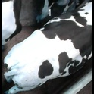
/Users/as16542/Downloads/10m32xl88x2b61zlkkgz3fml17/identification/images/train/021/000014.jpg | 3 |  |  |  | 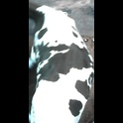
/Users/as16542/Downloads/10m32xl88x2b61zlkkgz3fml17/identification/images/train/021/000019.jpg | 1 |  | 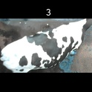
/Users/as16542/Downloads/10m32xl88x2b61zlkkgz3fml17/identification/images/train/021/000011.jpg | 0 | 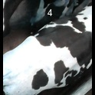
/Users/as16542/Downloads/10m32xl88x2b61zlkkgz3fml17/identification/images/train/021/000002.jpg | 0 | 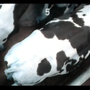
/Users/as16542/Downloads/10m32xl88x2b61zlkkgz3fml17/identification/images/train/021/000003.jpg | 0 | 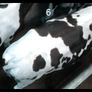
/Users/as16542/Downloads/10m32xl88x2b61zlkkgz3fml17/identification/images/train/021/000025.jpg | 2 |  |  | 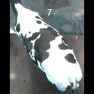
/Users/as16542/Downloads/10m32xl88x2b61zlkkgz3fml17/identification/images/train/021/000012.jpg | 2 |  |  | 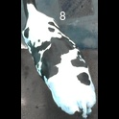
/Users/as16542/Downloads/10m32xl88x2b61zlkkgz3fml17/identification/images/train/021/000018.jpg | 2 |  |  | 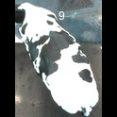
/Users/as16542/Downloads/10m32xl88x2b61zlkkgz3fml17/identification/images/train/021/000013.jpg | 1 |  | 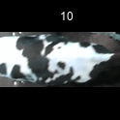
/Users/as16542/Downloads/10m32xl88x2b61zlkkgz3fml17/identification/images/train/021/000017.jpg | 2 |  |  | 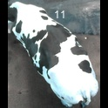
/Users/as16542/Downloads/10m32xl88x2b61zlkkgz3fml17/identification/images/train/021/000008.jpg | 1 |  | 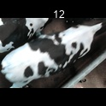
/Users/as16542/Downloads/10m32xl88x2b61zlkkgz3fml17/identification/images/train/021/000005.jpg | 1 |  | 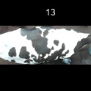
/Users/as16542/Downloads/10m32xl88x2b61zlkkgz3fml17/identification/images/train/021/000001.jpg | 3 |  |  |  | 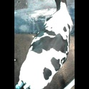
/Users/as16542/Downloads/10m32xl88x2b61zlkkgz3fml17/identification/images/train/021/000006.jpg | 0 | 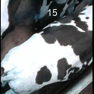
/Users/as16542/Downloads/10m32xl88x2b61zlkkgz3fml17/identification/images/train/021/000023.jpg | 0 | 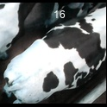
/Users/as16542/Downloads/10m32xl88x2b61zlkkgz3fml17/identification/images/train/021/000026.jpg | 0 | 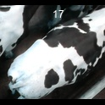
/Users/as16542/Downloads/10m32xl88x2b61zlkkgz3fml17/identification/images/train/021/000010.jpg | 2 |  |  | 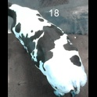
/Users/as16542/Downloads/10m32xl88x2b61zlkkgz3fml17/identification/images/train/021/000004.jpg | 2 |  |  | 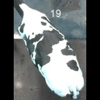
/Users/as16542/Downloads/10m32xl88x2b61zlkkgz3fml17/identification/images/train/021/000021.jpg | 2 |  |  | 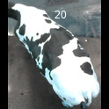
/Users/as16542/Downloads/10m32xl88x2b61zlkkgz3fml17/identification/images/train/021/000022.jpg | 0 | 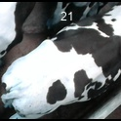
/Users/as16542/Downloads/10m32xl88x2b61zlkkgz3fml17/identification/images/train/021/000016.jpg | 0 | 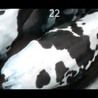
/Users/as16542/Downloads/10m32xl88x2b61zlkkgz3fml17/identification/images/train/021/000024.jpg | 0 | 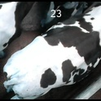
/Users/as16542/Downloads/10m32xl88x2b61zlkkgz3fml17/identification/images/train/021/000007.jpg | 0 | 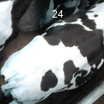
/Users/as16542/Downloads/10m32xl88x2b61zlkkgz3fml17/identification/images/train/021/000020.jpg | 2 |  |  | 