Sheet1
/Users/as16542/Downloads/10m32xl88x2b61zlkkgz3fml17/identification/images/train/022/000015.jpg | 0 | 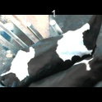
/Users/as16542/Downloads/10m32xl88x2b61zlkkgz3fml17/identification/images/train/022/000014.jpg | 0 | 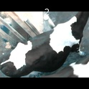
/Users/as16542/Downloads/10m32xl88x2b61zlkkgz3fml17/identification/images/train/022/000019.jpg | 1 |  | 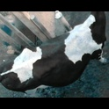
/Users/as16542/Downloads/10m32xl88x2b61zlkkgz3fml17/identification/images/train/022/000011.jpg | 1 |  | 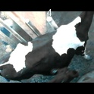
/Users/as16542/Downloads/10m32xl88x2b61zlkkgz3fml17/identification/images/train/022/000002.jpg | 1 |  | 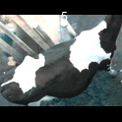
/Users/as16542/Downloads/10m32xl88x2b61zlkkgz3fml17/identification/images/train/022/000003.jpg | 1 |  | 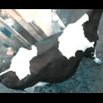
/Users/as16542/Downloads/10m32xl88x2b61zlkkgz3fml17/identification/images/train/022/000012.jpg | 1 |  | 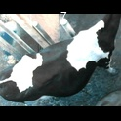
/Users/as16542/Downloads/10m32xl88x2b61zlkkgz3fml17/identification/images/train/022/000018.jpg | 0 | 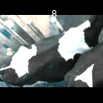
/Users/as16542/Downloads/10m32xl88x2b61zlkkgz3fml17/identification/images/train/022/000013.jpg | 0 | 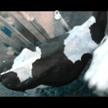
/Users/as16542/Downloads/10m32xl88x2b61zlkkgz3fml17/identification/images/train/022/000017.jpg | 0 | 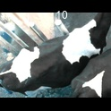
/Users/as16542/Downloads/10m32xl88x2b61zlkkgz3fml17/identification/images/train/022/000008.jpg | 1 |  | 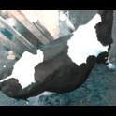
/Users/as16542/Downloads/10m32xl88x2b61zlkkgz3fml17/identification/images/train/022/000005.jpg | 1 |  | 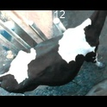
/Users/as16542/Downloads/10m32xl88x2b61zlkkgz3fml17/identification/images/train/022/000001.jpg | 1 |  | 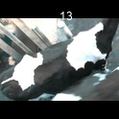
/Users/as16542/Downloads/10m32xl88x2b61zlkkgz3fml17/identification/images/train/022/000006.jpg | 1 |  | 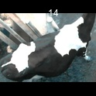
/Users/as16542/Downloads/10m32xl88x2b61zlkkgz3fml17/identification/images/train/022/000010.jpg | 1 |  | 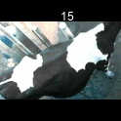
/Users/as16542/Downloads/10m32xl88x2b61zlkkgz3fml17/identification/images/train/022/000004.jpg | 1 |  | 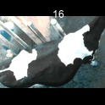
/Users/as16542/Downloads/10m32xl88x2b61zlkkgz3fml17/identification/images/train/022/000021.jpg | 1 |  | 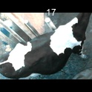
/Users/as16542/Downloads/10m32xl88x2b61zlkkgz3fml17/identification/images/train/022/000016.jpg | 1 |  | 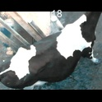
/Users/as16542/Downloads/10m32xl88x2b61zlkkgz3fml17/identification/images/train/022/000007.jpg | 1 |  | 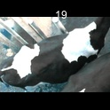
/Users/as16542/Downloads/10m32xl88x2b61zlkkgz3fml17/identification/images/train/022/000020.jpg | 1 |  | 