Sheet1
/Users/as16542/Downloads/10m32xl88x2b61zlkkgz3fml17/identification/images/train/023/000015.jpg | 0 | 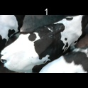
/Users/as16542/Downloads/10m32xl88x2b61zlkkgz3fml17/identification/images/train/023/000014.jpg | 0 | 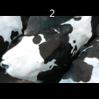
/Users/as16542/Downloads/10m32xl88x2b61zlkkgz3fml17/identification/images/train/023/000019.jpg | 1 |  | 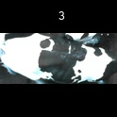
/Users/as16542/Downloads/10m32xl88x2b61zlkkgz3fml17/identification/images/train/023/000011.jpg | 0 | 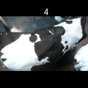
/Users/as16542/Downloads/10m32xl88x2b61zlkkgz3fml17/identification/images/train/023/000002.jpg | 0 | 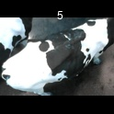
/Users/as16542/Downloads/10m32xl88x2b61zlkkgz3fml17/identification/images/train/023/000003.jpg | 0 | 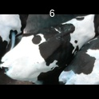
/Users/as16542/Downloads/10m32xl88x2b61zlkkgz3fml17/identification/images/train/023/000025.jpg | 0 | 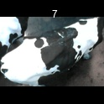
/Users/as16542/Downloads/10m32xl88x2b61zlkkgz3fml17/identification/images/train/023/000012.jpg | 0 | 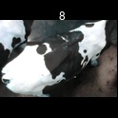
/Users/as16542/Downloads/10m32xl88x2b61zlkkgz3fml17/identification/images/train/023/000018.jpg | 0 | 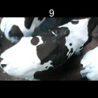
/Users/as16542/Downloads/10m32xl88x2b61zlkkgz3fml17/identification/images/train/023/000013.jpg | 1 |  | 
/Users/as16542/Downloads/10m32xl88x2b61zlkkgz3fml17/identification/images/train/023/000017.jpg | 0 | 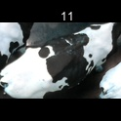
/Users/as16542/Downloads/10m32xl88x2b61zlkkgz3fml17/identification/images/train/023/000008.jpg | 0 | 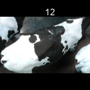
/Users/as16542/Downloads/10m32xl88x2b61zlkkgz3fml17/identification/images/train/023/000005.jpg | 0 | 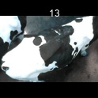
/Users/as16542/Downloads/10m32xl88x2b61zlkkgz3fml17/identification/images/train/023/000001.jpg | 0 | 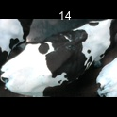
/Users/as16542/Downloads/10m32xl88x2b61zlkkgz3fml17/identification/images/train/023/000006.jpg | 0 | 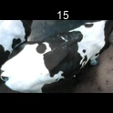
/Users/as16542/Downloads/10m32xl88x2b61zlkkgz3fml17/identification/images/train/023/000023.jpg | 0 | 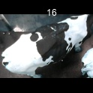
/Users/as16542/Downloads/10m32xl88x2b61zlkkgz3fml17/identification/images/train/023/000026.jpg | 1 |  | 
/Users/as16542/Downloads/10m32xl88x2b61zlkkgz3fml17/identification/images/train/023/000010.jpg | 0 | 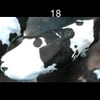
/Users/as16542/Downloads/10m32xl88x2b61zlkkgz3fml17/identification/images/train/023/000004.jpg | 0 | 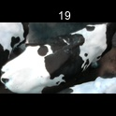
/Users/as16542/Downloads/10m32xl88x2b61zlkkgz3fml17/identification/images/train/023/000028.jpg | 0 | 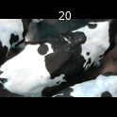
/Users/as16542/Downloads/10m32xl88x2b61zlkkgz3fml17/identification/images/train/023/000030.jpg | 0 | 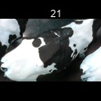
/Users/as16542/Downloads/10m32xl88x2b61zlkkgz3fml17/identification/images/train/023/000029.jpg | 0 | 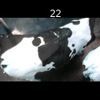
/Users/as16542/Downloads/10m32xl88x2b61zlkkgz3fml17/identification/images/train/023/000021.jpg | 0 | 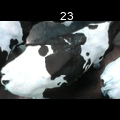
/Users/as16542/Downloads/10m32xl88x2b61zlkkgz3fml17/identification/images/train/023/000022.jpg | 0 | 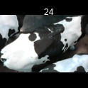
/Users/as16542/Downloads/10m32xl88x2b61zlkkgz3fml17/identification/images/train/023/000016.jpg | 0 | 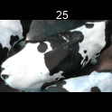
/Users/as16542/Downloads/10m32xl88x2b61zlkkgz3fml17/identification/images/train/023/000027.jpg | 0 | 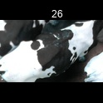
/Users/as16542/Downloads/10m32xl88x2b61zlkkgz3fml17/identification/images/train/023/000024.jpg | 0 | 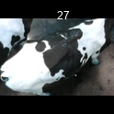
/Users/as16542/Downloads/10m32xl88x2b61zlkkgz3fml17/identification/images/train/023/000007.jpg | 0 | 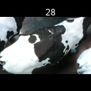
/Users/as16542/Downloads/10m32xl88x2b61zlkkgz3fml17/identification/images/train/023/000020.jpg | 0 | 