Sheet1
/Users/as16542/Downloads/10m32xl88x2b61zlkkgz3fml17/identification/images/train/024/000009.jpg | 0 | 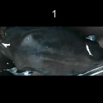
/Users/as16542/Downloads/10m32xl88x2b61zlkkgz3fml17/identification/images/train/024/000015.jpg | 0 | 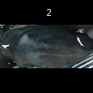
/Users/as16542/Downloads/10m32xl88x2b61zlkkgz3fml17/identification/images/train/024/000048.jpg | 0 | 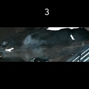
/Users/as16542/Downloads/10m32xl88x2b61zlkkgz3fml17/identification/images/train/024/000050.jpg | 1 |  | 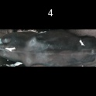
/Users/as16542/Downloads/10m32xl88x2b61zlkkgz3fml17/identification/images/train/024/000052.jpg | 1 |  | 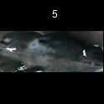
/Users/as16542/Downloads/10m32xl88x2b61zlkkgz3fml17/identification/images/train/024/000043.jpg | 0 | 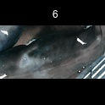
/Users/as16542/Downloads/10m32xl88x2b61zlkkgz3fml17/identification/images/train/024/000037.jpg | 0 | 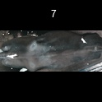
/Users/as16542/Downloads/10m32xl88x2b61zlkkgz3fml17/identification/images/train/024/000014.jpg | 1 |  | 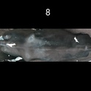
/Users/as16542/Downloads/10m32xl88x2b61zlkkgz3fml17/identification/images/train/024/000019.jpg | 0 | 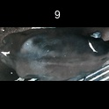
/Users/as16542/Downloads/10m32xl88x2b61zlkkgz3fml17/identification/images/train/024/000040.jpg | 0 | 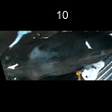
/Users/as16542/Downloads/10m32xl88x2b61zlkkgz3fml17/identification/images/train/024/000046.jpg | 0 | 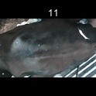
/Users/as16542/Downloads/10m32xl88x2b61zlkkgz3fml17/identification/images/train/024/000051.jpg | 1 |  | 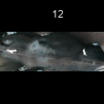
/Users/as16542/Downloads/10m32xl88x2b61zlkkgz3fml17/identification/images/train/024/000044.jpg | 0 | 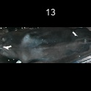
/Users/as16542/Downloads/10m32xl88x2b61zlkkgz3fml17/identification/images/train/024/000011.jpg | 0 | 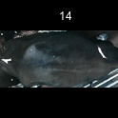
/Users/as16542/Downloads/10m32xl88x2b61zlkkgz3fml17/identification/images/train/024/000002.jpg | 1 |  | 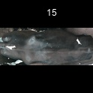
/Users/as16542/Downloads/10m32xl88x2b61zlkkgz3fml17/identification/images/train/024/000041.jpg | 1 |  | 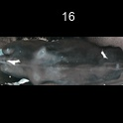
/Users/as16542/Downloads/10m32xl88x2b61zlkkgz3fml17/identification/images/train/024/000003.jpg | 0 | 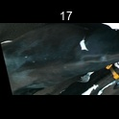
/Users/as16542/Downloads/10m32xl88x2b61zlkkgz3fml17/identification/images/train/024/000032.jpg | 0 | 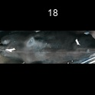
/Users/as16542/Downloads/10m32xl88x2b61zlkkgz3fml17/identification/images/train/024/000025.jpg | 0 | 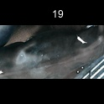
/Users/as16542/Downloads/10m32xl88x2b61zlkkgz3fml17/identification/images/train/024/000012.jpg | 1 |  | 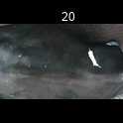
/Users/as16542/Downloads/10m32xl88x2b61zlkkgz3fml17/identification/images/train/024/000018.jpg | 0 | 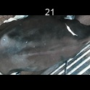
/Users/as16542/Downloads/10m32xl88x2b61zlkkgz3fml17/identification/images/train/024/000013.jpg | 1 |  | 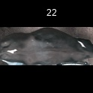
/Users/as16542/Downloads/10m32xl88x2b61zlkkgz3fml17/identification/images/train/024/000017.jpg | 0 | 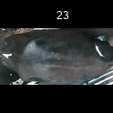
/Users/as16542/Downloads/10m32xl88x2b61zlkkgz3fml17/identification/images/train/024/000008.jpg | 0 | 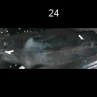
/Users/as16542/Downloads/10m32xl88x2b61zlkkgz3fml17/identification/images/train/024/000035.jpg | 0 | 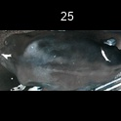
/Users/as16542/Downloads/10m32xl88x2b61zlkkgz3fml17/identification/images/train/024/000005.jpg | 0 | 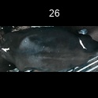
/Users/as16542/Downloads/10m32xl88x2b61zlkkgz3fml17/identification/images/train/024/000001.jpg | 0 | 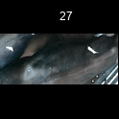
/Users/as16542/Downloads/10m32xl88x2b61zlkkgz3fml17/identification/images/train/024/000006.jpg | 0 | 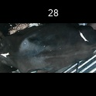
/Users/as16542/Downloads/10m32xl88x2b61zlkkgz3fml17/identification/images/train/024/000023.jpg | 1 |  | 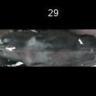
/Users/as16542/Downloads/10m32xl88x2b61zlkkgz3fml17/identification/images/train/024/000026.jpg | 0 | 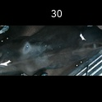
/Users/as16542/Downloads/10m32xl88x2b61zlkkgz3fml17/identification/images/train/024/000036.jpg | 0 | 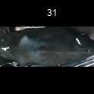
/Users/as16542/Downloads/10m32xl88x2b61zlkkgz3fml17/identification/images/train/024/000010.jpg | 0 | 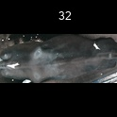
/Users/as16542/Downloads/10m32xl88x2b61zlkkgz3fml17/identification/images/train/024/000039.jpg | 0 | 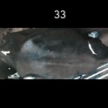
/Users/as16542/Downloads/10m32xl88x2b61zlkkgz3fml17/identification/images/train/024/000004.jpg | 1 |  | 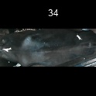
/Users/as16542/Downloads/10m32xl88x2b61zlkkgz3fml17/identification/images/train/024/000033.jpg | 1 |  | 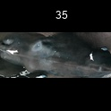
/Users/as16542/Downloads/10m32xl88x2b61zlkkgz3fml17/identification/images/train/024/000034.jpg | 1 |  | 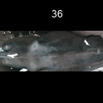
/Users/as16542/Downloads/10m32xl88x2b61zlkkgz3fml17/identification/images/train/024/000028.jpg | 1 |  | 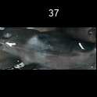
/Users/as16542/Downloads/10m32xl88x2b61zlkkgz3fml17/identification/images/train/024/000030.jpg | 0 | 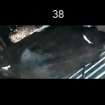
/Users/as16542/Downloads/10m32xl88x2b61zlkkgz3fml17/identification/images/train/024/000045.jpg | 0 | 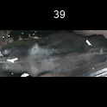
/Users/as16542/Downloads/10m32xl88x2b61zlkkgz3fml17/identification/images/train/024/000029.jpg | 0 | 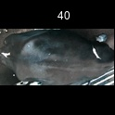
/Users/as16542/Downloads/10m32xl88x2b61zlkkgz3fml17/identification/images/train/024/000042.jpg | 1 |  | 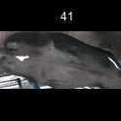
/Users/as16542/Downloads/10m32xl88x2b61zlkkgz3fml17/identification/images/train/024/000031.jpg | 1 |  | 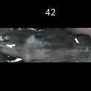
/Users/as16542/Downloads/10m32xl88x2b61zlkkgz3fml17/identification/images/train/024/000021.jpg | 0 | 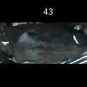
/Users/as16542/Downloads/10m32xl88x2b61zlkkgz3fml17/identification/images/train/024/000022.jpg | 1 |  | 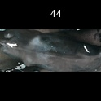
/Users/as16542/Downloads/10m32xl88x2b61zlkkgz3fml17/identification/images/train/024/000047.jpg | 1 |  | 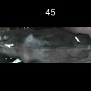
/Users/as16542/Downloads/10m32xl88x2b61zlkkgz3fml17/identification/images/train/024/000055.jpg | 1 |  | 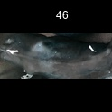
/Users/as16542/Downloads/10m32xl88x2b61zlkkgz3fml17/identification/images/train/024/000049.jpg | 0 | 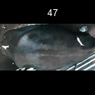
/Users/as16542/Downloads/10m32xl88x2b61zlkkgz3fml17/identification/images/train/024/000038.jpg | 1 |  | 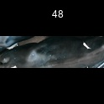
/Users/as16542/Downloads/10m32xl88x2b61zlkkgz3fml17/identification/images/train/024/000016.jpg | 1 |  | 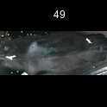
/Users/as16542/Downloads/10m32xl88x2b61zlkkgz3fml17/identification/images/train/024/000027.jpg | 0 | 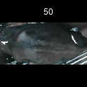
/Users/as16542/Downloads/10m32xl88x2b61zlkkgz3fml17/identification/images/train/024/000024.jpg | 0 | 
/Users/as16542/Downloads/10m32xl88x2b61zlkkgz3fml17/identification/images/train/024/000054.jpg | 0 | 
/Users/as16542/Downloads/10m32xl88x2b61zlkkgz3fml17/identification/images/train/024/000007.jpg | 0 | 
/Users/as16542/Downloads/10m32xl88x2b61zlkkgz3fml17/identification/images/train/024/000020.jpg | 1 |  | 

