Sheet1
/Users/as16542/Downloads/10m32xl88x2b61zlkkgz3fml17/identification/images/train/026/000079.jpg | 1 |  | 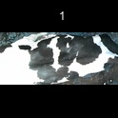
/Users/as16542/Downloads/10m32xl88x2b61zlkkgz3fml17/identification/images/train/026/000071.jpg | 1 |  | 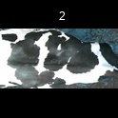
/Users/as16542/Downloads/10m32xl88x2b61zlkkgz3fml17/identification/images/train/026/000053.jpg | 2 |  |  | 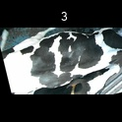
/Users/as16542/Downloads/10m32xl88x2b61zlkkgz3fml17/identification/images/train/026/000077.jpg | 0 | 
/Users/as16542/Downloads/10m32xl88x2b61zlkkgz3fml17/identification/images/train/026/000107.jpg | 0 | 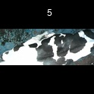
/Users/as16542/Downloads/10m32xl88x2b61zlkkgz3fml17/identification/images/train/026/000066.jpg | 0 | 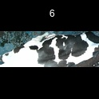
/Users/as16542/Downloads/10m32xl88x2b61zlkkgz3fml17/identification/images/train/026/000095.jpg | 1 |  | 
/Users/as16542/Downloads/10m32xl88x2b61zlkkgz3fml17/identification/images/train/026/000056.jpg | 0 | 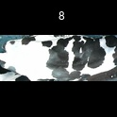
/Users/as16542/Downloads/10m32xl88x2b61zlkkgz3fml17/identification/images/train/026/000009.jpg | 0 | 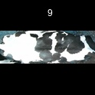
/Users/as16542/Downloads/10m32xl88x2b61zlkkgz3fml17/identification/images/train/026/000015.jpg | 1 |  | 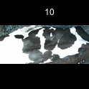
/Users/as16542/Downloads/10m32xl88x2b61zlkkgz3fml17/identification/images/train/026/000093.jpg | 1 |  | 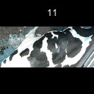
/Users/as16542/Downloads/10m32xl88x2b61zlkkgz3fml17/identification/images/train/026/000091.jpg | 0 | 
/Users/as16542/Downloads/10m32xl88x2b61zlkkgz3fml17/identification/images/train/026/000075.jpg | 0 | 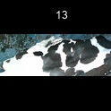
/Users/as16542/Downloads/10m32xl88x2b61zlkkgz3fml17/identification/images/train/026/000048.jpg | 1 |  | 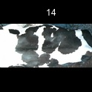
/Users/as16542/Downloads/10m32xl88x2b61zlkkgz3fml17/identification/images/train/026/000050.jpg | 0 | 
/Users/as16542/Downloads/10m32xl88x2b61zlkkgz3fml17/identification/images/train/026/000112.jpg | 2 |  |  | 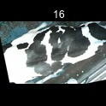
/Users/as16542/Downloads/10m32xl88x2b61zlkkgz3fml17/identification/images/train/026/000052.jpg | 0 | 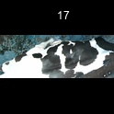
/Users/as16542/Downloads/10m32xl88x2b61zlkkgz3fml17/identification/images/train/026/000043.jpg | 1 |  | 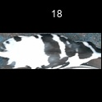
/Users/as16542/Downloads/10m32xl88x2b61zlkkgz3fml17/identification/images/train/026/000115.jpg | 0 | 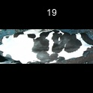
/Users/as16542/Downloads/10m32xl88x2b61zlkkgz3fml17/identification/images/train/026/000086.jpg | 1 |  | 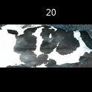
/Users/as16542/Downloads/10m32xl88x2b61zlkkgz3fml17/identification/images/train/026/000037.jpg | 0 | 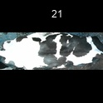
/Users/as16542/Downloads/10m32xl88x2b61zlkkgz3fml17/identification/images/train/026/000014.jpg | 1 |  | 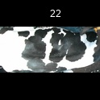
/Users/as16542/Downloads/10m32xl88x2b61zlkkgz3fml17/identification/images/train/026/000057.jpg | 0 | 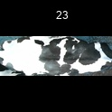
/Users/as16542/Downloads/10m32xl88x2b61zlkkgz3fml17/identification/images/train/026/000019.jpg | 1 |  | 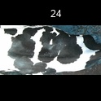
/Users/as16542/Downloads/10m32xl88x2b61zlkkgz3fml17/identification/images/train/026/000040.jpg | 0 | 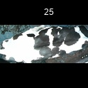
/Users/as16542/Downloads/10m32xl88x2b61zlkkgz3fml17/identification/images/train/026/000069.jpg | 0 | 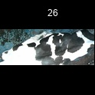
/Users/as16542/Downloads/10m32xl88x2b61zlkkgz3fml17/identification/images/train/026/000060.jpg | 1 |  | 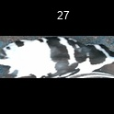
/Users/as16542/Downloads/10m32xl88x2b61zlkkgz3fml17/identification/images/train/026/000046.jpg | 0 | 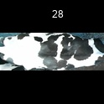
/Users/as16542/Downloads/10m32xl88x2b61zlkkgz3fml17/identification/images/train/026/000105.jpg | 0 | 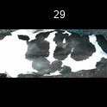
/Users/as16542/Downloads/10m32xl88x2b61zlkkgz3fml17/identification/images/train/026/000089.jpg | 0 | 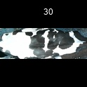
/Users/as16542/Downloads/10m32xl88x2b61zlkkgz3fml17/identification/images/train/026/000051.jpg | 1 |  | 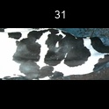
/Users/as16542/Downloads/10m32xl88x2b61zlkkgz3fml17/identification/images/train/026/000072.jpg | 1 |  | 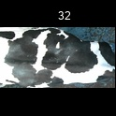
/Users/as16542/Downloads/10m32xl88x2b61zlkkgz3fml17/identification/images/train/026/000044.jpg | 1 |  | 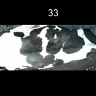
/Users/as16542/Downloads/10m32xl88x2b61zlkkgz3fml17/identification/images/train/026/000078.jpg | 0 | 
/Users/as16542/Downloads/10m32xl88x2b61zlkkgz3fml17/identification/images/train/026/000011.jpg | 2 |  |  | 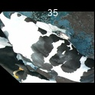
/Users/as16542/Downloads/10m32xl88x2b61zlkkgz3fml17/identification/images/train/026/000063.jpg | 0 | 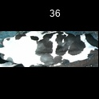
/Users/as16542/Downloads/10m32xl88x2b61zlkkgz3fml17/identification/images/train/026/000002.jpg | 1 |  | 
/Users/as16542/Downloads/10m32xl88x2b61zlkkgz3fml17/identification/images/train/026/000081.jpg | 0 | 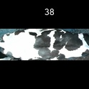
/Users/as16542/Downloads/10m32xl88x2b61zlkkgz3fml17/identification/images/train/026/000041.jpg | 0 | 
/Users/as16542/Downloads/10m32xl88x2b61zlkkgz3fml17/identification/images/train/026/000003.jpg | 0 | 
/Users/as16542/Downloads/10m32xl88x2b61zlkkgz3fml17/identification/images/train/026/000032.jpg | 0 | 
/Users/as16542/Downloads/10m32xl88x2b61zlkkgz3fml17/identification/images/train/026/000025.jpg | 0 | 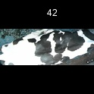
/Users/as16542/Downloads/10m32xl88x2b61zlkkgz3fml17/identification/images/train/026/000067.jpg | 1 |  | 
/Users/as16542/Downloads/10m32xl88x2b61zlkkgz3fml17/identification/images/train/026/000097.jpg | 1 |  | 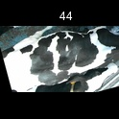
/Users/as16542/Downloads/10m32xl88x2b61zlkkgz3fml17/identification/images/train/026/000012.jpg | 1 |  | 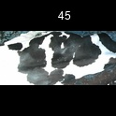
/Users/as16542/Downloads/10m32xl88x2b61zlkkgz3fml17/identification/images/train/026/000058.jpg | 1 |  | 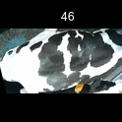
/Users/as16542/Downloads/10m32xl88x2b61zlkkgz3fml17/identification/images/train/026/000018.jpg | 0 | 
/Users/as16542/Downloads/10m32xl88x2b61zlkkgz3fml17/identification/images/train/026/000013.jpg | 0 | 
/Users/as16542/Downloads/10m32xl88x2b61zlkkgz3fml17/identification/images/train/026/000068.jpg | 0 | 
/Users/as16542/Downloads/10m32xl88x2b61zlkkgz3fml17/identification/images/train/026/000017.jpg | 1 |  | 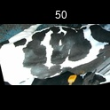
/Users/as16542/Downloads/10m32xl88x2b61zlkkgz3fml17/identification/images/train/026/000008.jpg | 1 |  | 
/Users/as16542/Downloads/10m32xl88x2b61zlkkgz3fml17/identification/images/train/026/000035.jpg | 0 | 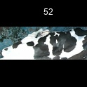
/Users/as16542/Downloads/10m32xl88x2b61zlkkgz3fml17/identification/images/train/026/000108.jpg | 0 | 
/Users/as16542/Downloads/10m32xl88x2b61zlkkgz3fml17/identification/images/train/026/000005.jpg | 0 | 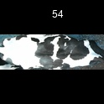
/Users/as16542/Downloads/10m32xl88x2b61zlkkgz3fml17/identification/images/train/026/000070.jpg | 0 | 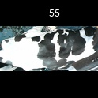
/Users/as16542/Downloads/10m32xl88x2b61zlkkgz3fml17/identification/images/train/026/000001.jpg | 0 | 
/Users/as16542/Downloads/10m32xl88x2b61zlkkgz3fml17/identification/images/train/026/000085.jpg | 0 | 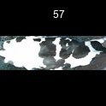
/Users/as16542/Downloads/10m32xl88x2b61zlkkgz3fml17/identification/images/train/026/000111.jpg | 0 | 
/Users/as16542/Downloads/10m32xl88x2b61zlkkgz3fml17/identification/images/train/026/000104.jpg | 0 | 
/Users/as16542/Downloads/10m32xl88x2b61zlkkgz3fml17/identification/images/train/026/000099.jpg | 0 | 
/Users/as16542/Downloads/10m32xl88x2b61zlkkgz3fml17/identification/images/train/026/000006.jpg | 0 | 
/Users/as16542/Downloads/10m32xl88x2b61zlkkgz3fml17/identification/images/train/026/000062.jpg | 1 |  | 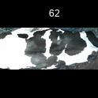
/Users/as16542/Downloads/10m32xl88x2b61zlkkgz3fml17/identification/images/train/026/000023.jpg | 1 |  | 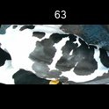
/Users/as16542/Downloads/10m32xl88x2b61zlkkgz3fml17/identification/images/train/026/000026.jpg | 1 |  | 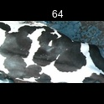
/Users/as16542/Downloads/10m32xl88x2b61zlkkgz3fml17/identification/images/train/026/000036.jpg | 0 | 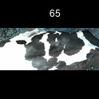
/Users/as16542/Downloads/10m32xl88x2b61zlkkgz3fml17/identification/images/train/026/000010.jpg | 0 | 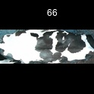
/Users/as16542/Downloads/10m32xl88x2b61zlkkgz3fml17/identification/images/train/026/000114.jpg | 0 | 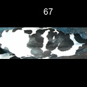
/Users/as16542/Downloads/10m32xl88x2b61zlkkgz3fml17/identification/images/train/026/000083.jpg | 1 |  | 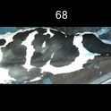
/Users/as16542/Downloads/10m32xl88x2b61zlkkgz3fml17/identification/images/train/026/000039.jpg | 0 | 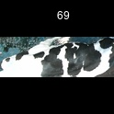
/Users/as16542/Downloads/10m32xl88x2b61zlkkgz3fml17/identification/images/train/026/000059.jpg | 0 | 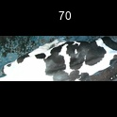
/Users/as16542/Downloads/10m32xl88x2b61zlkkgz3fml17/identification/images/train/026/000110.jpg | 1 |  | 
/Users/as16542/Downloads/10m32xl88x2b61zlkkgz3fml17/identification/images/train/026/000113.jpg | 1 |  | 
/Users/as16542/Downloads/10m32xl88x2b61zlkkgz3fml17/identification/images/train/026/000004.jpg | 0 | 
/Users/as16542/Downloads/10m32xl88x2b61zlkkgz3fml17/identification/images/train/026/000084.jpg | 0 | 
/Users/as16542/Downloads/10m32xl88x2b61zlkkgz3fml17/identification/images/train/026/000092.jpg | 1 |  | 
/Users/as16542/Downloads/10m32xl88x2b61zlkkgz3fml17/identification/images/train/026/000033.jpg | 1 |  | 
/Users/as16542/Downloads/10m32xl88x2b61zlkkgz3fml17/identification/images/train/026/000034.jpg | 1 |  | 
/Users/as16542/Downloads/10m32xl88x2b61zlkkgz3fml17/identification/images/train/026/000061.jpg | 0 | 
/Users/as16542/Downloads/10m32xl88x2b61zlkkgz3fml17/identification/images/train/026/000028.jpg | 1 |  | 
/Users/as16542/Downloads/10m32xl88x2b61zlkkgz3fml17/identification/images/train/026/000082.jpg | 1 |  | 
/Users/as16542/Downloads/10m32xl88x2b61zlkkgz3fml17/identification/images/train/026/000098.jpg | 0 | 
/Users/as16542/Downloads/10m32xl88x2b61zlkkgz3fml17/identification/images/train/026/000030.jpg | 1 |  | 
/Users/as16542/Downloads/10m32xl88x2b61zlkkgz3fml17/identification/images/train/026/000045.jpg | 0 | 
/Users/as16542/Downloads/10m32xl88x2b61zlkkgz3fml17/identification/images/train/026/000080.jpg | 1 |  | 
/Users/as16542/Downloads/10m32xl88x2b61zlkkgz3fml17/identification/images/train/026/000074.jpg | 1 |  | 
/Users/as16542/Downloads/10m32xl88x2b61zlkkgz3fml17/identification/images/train/026/000029.jpg | 1 |  | 
/Users/as16542/Downloads/10m32xl88x2b61zlkkgz3fml17/identification/images/train/026/000103.jpg | 1 |  | 
/Users/as16542/Downloads/10m32xl88x2b61zlkkgz3fml17/identification/images/train/026/000064.jpg | 0 | 
/Users/as16542/Downloads/10m32xl88x2b61zlkkgz3fml17/identification/images/train/026/000042.jpg | 1 |  | 
/Users/as16542/Downloads/10m32xl88x2b61zlkkgz3fml17/identification/images/train/026/000109.jpg | 0 | 
/Users/as16542/Downloads/10m32xl88x2b61zlkkgz3fml17/identification/images/train/026/000031.jpg | 0 | 
/Users/as16542/Downloads/10m32xl88x2b61zlkkgz3fml17/identification/images/train/026/000073.jpg | 0 | 
/Users/as16542/Downloads/10m32xl88x2b61zlkkgz3fml17/identification/images/train/026/000021.jpg | 0 | 
/Users/as16542/Downloads/10m32xl88x2b61zlkkgz3fml17/identification/images/train/026/000094.jpg | 1 |  | 
/Users/as16542/Downloads/10m32xl88x2b61zlkkgz3fml17/identification/images/train/026/000022.jpg | 0 | 
/Users/as16542/Downloads/10m32xl88x2b61zlkkgz3fml17/identification/images/train/026/000101.jpg | 0 | 
/Users/as16542/Downloads/10m32xl88x2b61zlkkgz3fml17/identification/images/train/026/000047.jpg | 1 |  | 
/Users/as16542/Downloads/10m32xl88x2b61zlkkgz3fml17/identification/images/train/026/000055.jpg | 1 |  | 
/Users/as16542/Downloads/10m32xl88x2b61zlkkgz3fml17/identification/images/train/026/000049.jpg | 1 |  | 
/Users/as16542/Downloads/10m32xl88x2b61zlkkgz3fml17/identification/images/train/026/000096.jpg | 0 | 
/Users/as16542/Downloads/10m32xl88x2b61zlkkgz3fml17/identification/images/train/026/000076.jpg | 1 |  | 
/Users/as16542/Downloads/10m32xl88x2b61zlkkgz3fml17/identification/images/train/026/000038.jpg | 1 |  | 
/Users/as16542/Downloads/10m32xl88x2b61zlkkgz3fml17/identification/images/train/026/000016.jpg | 1 |  | 
/Users/as16542/Downloads/10m32xl88x2b61zlkkgz3fml17/identification/images/train/026/000087.jpg | 0 | 
/Users/as16542/Downloads/10m32xl88x2b61zlkkgz3fml17/identification/images/train/026/000027.jpg | 1 |  | 
/Users/as16542/Downloads/10m32xl88x2b61zlkkgz3fml17/identification/images/train/026/000106.jpg | 0 | 
/Users/as16542/Downloads/10m32xl88x2b61zlkkgz3fml17/identification/images/train/026/000090.jpg | 1 |  | 
/Users/as16542/Downloads/10m32xl88x2b61zlkkgz3fml17/identification/images/train/026/000100.jpg | 1 |  | 
/Users/as16542/Downloads/10m32xl88x2b61zlkkgz3fml17/identification/images/train/026/000065.jpg | 0 | 
/Users/as16542/Downloads/10m32xl88x2b61zlkkgz3fml17/identification/images/train/026/000024.jpg | 1 |  | 
/Users/as16542/Downloads/10m32xl88x2b61zlkkgz3fml17/identification/images/train/026/000054.jpg | 0 | 
/Users/as16542/Downloads/10m32xl88x2b61zlkkgz3fml17/identification/images/train/026/000007.jpg | 0 | 
/Users/as16542/Downloads/10m32xl88x2b61zlkkgz3fml17/identification/images/train/026/000102.jpg | 0 | 
/Users/as16542/Downloads/10m32xl88x2b61zlkkgz3fml17/identification/images/train/026/000020.jpg | 1 |  | 

