Sheet1
/Users/as16542/Downloads/10m32xl88x2b61zlkkgz3fml17/identification/images/train/028/000015.jpg | 1 |  | 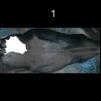
/Users/as16542/Downloads/10m32xl88x2b61zlkkgz3fml17/identification/images/train/028/000037.jpg | 1 |  | 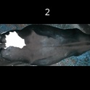
/Users/as16542/Downloads/10m32xl88x2b61zlkkgz3fml17/identification/images/train/028/000014.jpg | 0 | 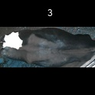
/Users/as16542/Downloads/10m32xl88x2b61zlkkgz3fml17/identification/images/train/028/000019.jpg | 1 |  | 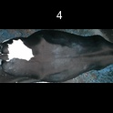
/Users/as16542/Downloads/10m32xl88x2b61zlkkgz3fml17/identification/images/train/028/000011.jpg | 0 | 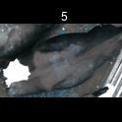
/Users/as16542/Downloads/10m32xl88x2b61zlkkgz3fml17/identification/images/train/028/000002.jpg | 0 | 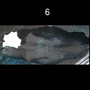
/Users/as16542/Downloads/10m32xl88x2b61zlkkgz3fml17/identification/images/train/028/000003.jpg | 0 | 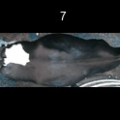
/Users/as16542/Downloads/10m32xl88x2b61zlkkgz3fml17/identification/images/train/028/000032.jpg | 0 | 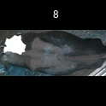
/Users/as16542/Downloads/10m32xl88x2b61zlkkgz3fml17/identification/images/train/028/000025.jpg | 1 |  | 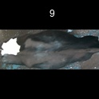
/Users/as16542/Downloads/10m32xl88x2b61zlkkgz3fml17/identification/images/train/028/000012.jpg | 1 |  | 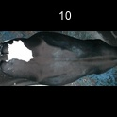
/Users/as16542/Downloads/10m32xl88x2b61zlkkgz3fml17/identification/images/train/028/000018.jpg | 0 | 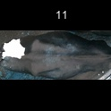
/Users/as16542/Downloads/10m32xl88x2b61zlkkgz3fml17/identification/images/train/028/000013.jpg | 0 | 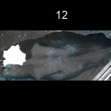
/Users/as16542/Downloads/10m32xl88x2b61zlkkgz3fml17/identification/images/train/028/000017.jpg | 1 |  | 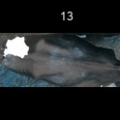
/Users/as16542/Downloads/10m32xl88x2b61zlkkgz3fml17/identification/images/train/028/000008.jpg | 1 |  | 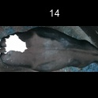
/Users/as16542/Downloads/10m32xl88x2b61zlkkgz3fml17/identification/images/train/028/000035.jpg | 2 |  |  | 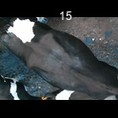
/Users/as16542/Downloads/10m32xl88x2b61zlkkgz3fml17/identification/images/train/028/000005.jpg | 0 | 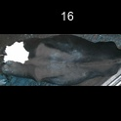
/Users/as16542/Downloads/10m32xl88x2b61zlkkgz3fml17/identification/images/train/028/000001.jpg | 0 | 
/Users/as16542/Downloads/10m32xl88x2b61zlkkgz3fml17/identification/images/train/028/000006.jpg | 0 | 
/Users/as16542/Downloads/10m32xl88x2b61zlkkgz3fml17/identification/images/train/028/000023.jpg | 0 | 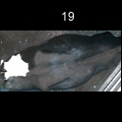
/Users/as16542/Downloads/10m32xl88x2b61zlkkgz3fml17/identification/images/train/028/000026.jpg | 0 | 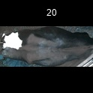
/Users/as16542/Downloads/10m32xl88x2b61zlkkgz3fml17/identification/images/train/028/000036.jpg | 0 | 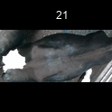
/Users/as16542/Downloads/10m32xl88x2b61zlkkgz3fml17/identification/images/train/028/000010.jpg | 0 | 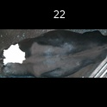
/Users/as16542/Downloads/10m32xl88x2b61zlkkgz3fml17/identification/images/train/028/000004.jpg | 0 | 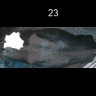
/Users/as16542/Downloads/10m32xl88x2b61zlkkgz3fml17/identification/images/train/028/000033.jpg | 1 |  | 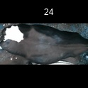
/Users/as16542/Downloads/10m32xl88x2b61zlkkgz3fml17/identification/images/train/028/000034.jpg | 1 |  | 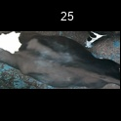
/Users/as16542/Downloads/10m32xl88x2b61zlkkgz3fml17/identification/images/train/028/000028.jpg | 0 | 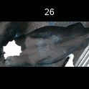
/Users/as16542/Downloads/10m32xl88x2b61zlkkgz3fml17/identification/images/train/028/000030.jpg | 1 |  | 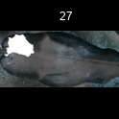
/Users/as16542/Downloads/10m32xl88x2b61zlkkgz3fml17/identification/images/train/028/000029.jpg | 1 |  | 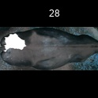
/Users/as16542/Downloads/10m32xl88x2b61zlkkgz3fml17/identification/images/train/028/000031.jpg | 0 | 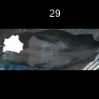
/Users/as16542/Downloads/10m32xl88x2b61zlkkgz3fml17/identification/images/train/028/000021.jpg | 0 | 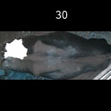
/Users/as16542/Downloads/10m32xl88x2b61zlkkgz3fml17/identification/images/train/028/000022.jpg | 0 | 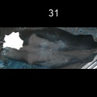
/Users/as16542/Downloads/10m32xl88x2b61zlkkgz3fml17/identification/images/train/028/000038.jpg | 2 |  |  | 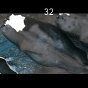
/Users/as16542/Downloads/10m32xl88x2b61zlkkgz3fml17/identification/images/train/028/000016.jpg | 1 |  | 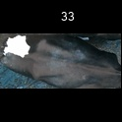
/Users/as16542/Downloads/10m32xl88x2b61zlkkgz3fml17/identification/images/train/028/000027.jpg | 0 | 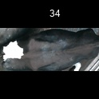
/Users/as16542/Downloads/10m32xl88x2b61zlkkgz3fml17/identification/images/train/028/000024.jpg | 0 | 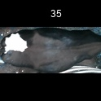
/Users/as16542/Downloads/10m32xl88x2b61zlkkgz3fml17/identification/images/train/028/000007.jpg | 1 |  | 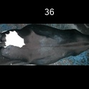
/Users/as16542/Downloads/10m32xl88x2b61zlkkgz3fml17/identification/images/train/028/000020.jpg | 1 |  | 