Sheet1
/Users/as16542/Downloads/10m32xl88x2b61zlkkgz3fml17/identification/images/train/030/000015.jpg | 0 | 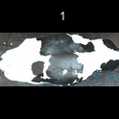
/Users/as16542/Downloads/10m32xl88x2b61zlkkgz3fml17/identification/images/train/030/000014.jpg | 1 |  | 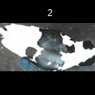
/Users/as16542/Downloads/10m32xl88x2b61zlkkgz3fml17/identification/images/train/030/000019.jpg | 0 | 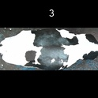
/Users/as16542/Downloads/10m32xl88x2b61zlkkgz3fml17/identification/images/train/030/000011.jpg | 0 | 
/Users/as16542/Downloads/10m32xl88x2b61zlkkgz3fml17/identification/images/train/030/000002.jpg | 0 | 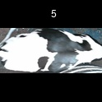
/Users/as16542/Downloads/10m32xl88x2b61zlkkgz3fml17/identification/images/train/030/000003.jpg | 0 | 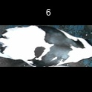
/Users/as16542/Downloads/10m32xl88x2b61zlkkgz3fml17/identification/images/train/030/000032.jpg | 1 |  | 
/Users/as16542/Downloads/10m32xl88x2b61zlkkgz3fml17/identification/images/train/030/000025.jpg | 0 | 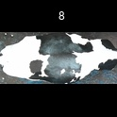
/Users/as16542/Downloads/10m32xl88x2b61zlkkgz3fml17/identification/images/train/030/000012.jpg | 1 |  | 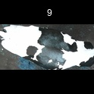
/Users/as16542/Downloads/10m32xl88x2b61zlkkgz3fml17/identification/images/train/030/000018.jpg | 0 | 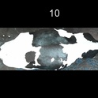
/Users/as16542/Downloads/10m32xl88x2b61zlkkgz3fml17/identification/images/train/030/000013.jpg | 0 | 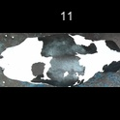
/Users/as16542/Downloads/10m32xl88x2b61zlkkgz3fml17/identification/images/train/030/000017.jpg | 1 |  | 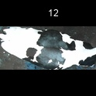
/Users/as16542/Downloads/10m32xl88x2b61zlkkgz3fml17/identification/images/train/030/000008.jpg | 1 |  | 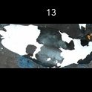
/Users/as16542/Downloads/10m32xl88x2b61zlkkgz3fml17/identification/images/train/030/000035.jpg | 0 | 
/Users/as16542/Downloads/10m32xl88x2b61zlkkgz3fml17/identification/images/train/030/000005.jpg | 0 | 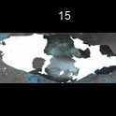
/Users/as16542/Downloads/10m32xl88x2b61zlkkgz3fml17/identification/images/train/030/000001.jpg | 1 |  | 
/Users/as16542/Downloads/10m32xl88x2b61zlkkgz3fml17/identification/images/train/030/000006.jpg | 0 | 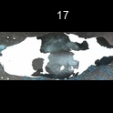
/Users/as16542/Downloads/10m32xl88x2b61zlkkgz3fml17/identification/images/train/030/000023.jpg | 1 |  | 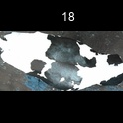
/Users/as16542/Downloads/10m32xl88x2b61zlkkgz3fml17/identification/images/train/030/000026.jpg | 1 |  | 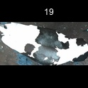
/Users/as16542/Downloads/10m32xl88x2b61zlkkgz3fml17/identification/images/train/030/000036.jpg | 1 |  | 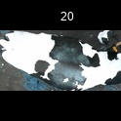
/Users/as16542/Downloads/10m32xl88x2b61zlkkgz3fml17/identification/images/train/030/000010.jpg | 0 | 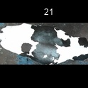
/Users/as16542/Downloads/10m32xl88x2b61zlkkgz3fml17/identification/images/train/030/000004.jpg | 0 | 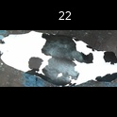
/Users/as16542/Downloads/10m32xl88x2b61zlkkgz3fml17/identification/images/train/030/000033.jpg | 1 |  | 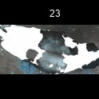
/Users/as16542/Downloads/10m32xl88x2b61zlkkgz3fml17/identification/images/train/030/000034.jpg | 0 | 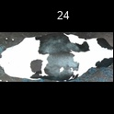
/Users/as16542/Downloads/10m32xl88x2b61zlkkgz3fml17/identification/images/train/030/000028.jpg | 1 |  | 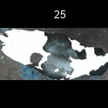
/Users/as16542/Downloads/10m32xl88x2b61zlkkgz3fml17/identification/images/train/030/000030.jpg | 0 | 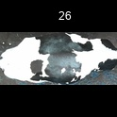
/Users/as16542/Downloads/10m32xl88x2b61zlkkgz3fml17/identification/images/train/030/000029.jpg | 0 | 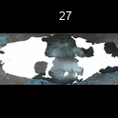
/Users/as16542/Downloads/10m32xl88x2b61zlkkgz3fml17/identification/images/train/030/000031.jpg | 0 | 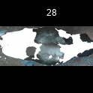
/Users/as16542/Downloads/10m32xl88x2b61zlkkgz3fml17/identification/images/train/030/000021.jpg | 0 | 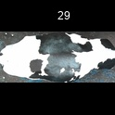
/Users/as16542/Downloads/10m32xl88x2b61zlkkgz3fml17/identification/images/train/030/000022.jpg | 0 | 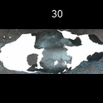
/Users/as16542/Downloads/10m32xl88x2b61zlkkgz3fml17/identification/images/train/030/000016.jpg | 0 | 
/Users/as16542/Downloads/10m32xl88x2b61zlkkgz3fml17/identification/images/train/030/000027.jpg | 1 |  | 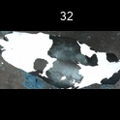
/Users/as16542/Downloads/10m32xl88x2b61zlkkgz3fml17/identification/images/train/030/000024.jpg | 0 | 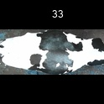
/Users/as16542/Downloads/10m32xl88x2b61zlkkgz3fml17/identification/images/train/030/000007.jpg | 1 |  | 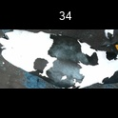
/Users/as16542/Downloads/10m32xl88x2b61zlkkgz3fml17/identification/images/train/030/000020.jpg | 0 | 