Sheet1
/Users/as16542/Downloads/10m32xl88x2b61zlkkgz3fml17/identification/images/train/031/000015.jpg | 0 | 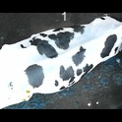
/Users/as16542/Downloads/10m32xl88x2b61zlkkgz3fml17/identification/images/train/031/000014.jpg | 1 |  |  | 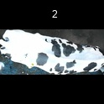
/Users/as16542/Downloads/10m32xl88x2b61zlkkgz3fml17/identification/images/train/031/000019.jpg | 1 |  | 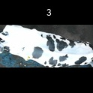
/Users/as16542/Downloads/10m32xl88x2b61zlkkgz3fml17/identification/images/train/031/000011.jpg | 0 | 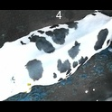
/Users/as16542/Downloads/10m32xl88x2b61zlkkgz3fml17/identification/images/train/031/000002.jpg | 1 |  |  | 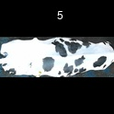
/Users/as16542/Downloads/10m32xl88x2b61zlkkgz3fml17/identification/images/train/031/000003.jpg | 1 |  |  | 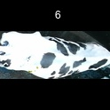
/Users/as16542/Downloads/10m32xl88x2b61zlkkgz3fml17/identification/images/train/031/000012.jpg | 1 |  |  | 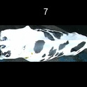
/Users/as16542/Downloads/10m32xl88x2b61zlkkgz3fml17/identification/images/train/031/000018.jpg | 1 |  |  | 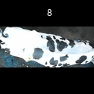
/Users/as16542/Downloads/10m32xl88x2b61zlkkgz3fml17/identification/images/train/031/000013.jpg | 1 |  |  | 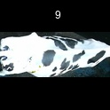
/Users/as16542/Downloads/10m32xl88x2b61zlkkgz3fml17/identification/images/train/031/000017.jpg | 1 |  |  | 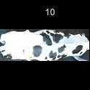
/Users/as16542/Downloads/10m32xl88x2b61zlkkgz3fml17/identification/images/train/031/000008.jpg | 1 |  |  | 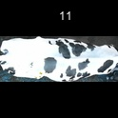
/Users/as16542/Downloads/10m32xl88x2b61zlkkgz3fml17/identification/images/train/031/000005.jpg | 1 |  |  | 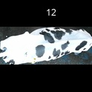
/Users/as16542/Downloads/10m32xl88x2b61zlkkgz3fml17/identification/images/train/031/000001.jpg | 1 |  |  | 
/Users/as16542/Downloads/10m32xl88x2b61zlkkgz3fml17/identification/images/train/031/000006.jpg | 1 |  |  | 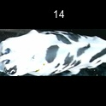
/Users/as16542/Downloads/10m32xl88x2b61zlkkgz3fml17/identification/images/train/031/000010.jpg | 1 |  | 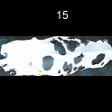
/Users/as16542/Downloads/10m32xl88x2b61zlkkgz3fml17/identification/images/train/031/000004.jpg | 1 |  | 
/Users/as16542/Downloads/10m32xl88x2b61zlkkgz3fml17/identification/images/train/031/000016.jpg | 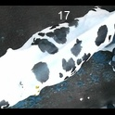 0
/Users/as16542/Downloads/10m32xl88x2b61zlkkgz3fml17/identification/images/train/031/000007.jpg | 1 |  | 