Sheet1
/Users/as16542/Downloads/10m32xl88x2b61zlkkgz3fml17/identification/images/train/032/000009.jpg | 1 |  |  | 
/Users/as16542/Downloads/10m32xl88x2b61zlkkgz3fml17/identification/images/train/032/000015.jpg | 1 |  |  | 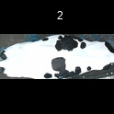
/Users/as16542/Downloads/10m32xl88x2b61zlkkgz3fml17/identification/images/train/032/000048.jpg | 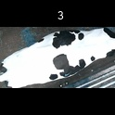 0
/Users/as16542/Downloads/10m32xl88x2b61zlkkgz3fml17/identification/images/train/032/000050.jpg | 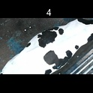 0
/Users/as16542/Downloads/10m32xl88x2b61zlkkgz3fml17/identification/images/train/032/000052.jpg | 1 |  |  | 
/Users/as16542/Downloads/10m32xl88x2b61zlkkgz3fml17/identification/images/train/032/000043.jpg | 1 |  |  | 
/Users/as16542/Downloads/10m32xl88x2b61zlkkgz3fml17/identification/images/train/032/000037.jpg | 1 |  |  | 
/Users/as16542/Downloads/10m32xl88x2b61zlkkgz3fml17/identification/images/train/032/000014.jpg | 1 |  |  | 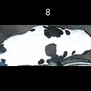
/Users/as16542/Downloads/10m32xl88x2b61zlkkgz3fml17/identification/images/train/032/000019.jpg | 1 |  | 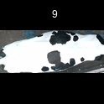
/Users/as16542/Downloads/10m32xl88x2b61zlkkgz3fml17/identification/images/train/032/000040.jpg | 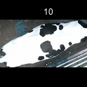 0
/Users/as16542/Downloads/10m32xl88x2b61zlkkgz3fml17/identification/images/train/032/000046.jpg | 0 | 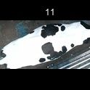
/Users/as16542/Downloads/10m32xl88x2b61zlkkgz3fml17/identification/images/train/032/000051.jpg | 1 |  |  | 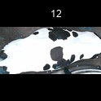
/Users/as16542/Downloads/10m32xl88x2b61zlkkgz3fml17/identification/images/train/032/000044.jpg | 1 |  |  | 
/Users/as16542/Downloads/10m32xl88x2b61zlkkgz3fml17/identification/images/train/032/000011.jpg | 1 |  | 
/Users/as16542/Downloads/10m32xl88x2b61zlkkgz3fml17/identification/images/train/032/000002.jpg | 1 |  | 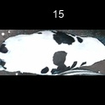
/Users/as16542/Downloads/10m32xl88x2b61zlkkgz3fml17/identification/images/train/032/000041.jpg | 0 | 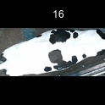
/Users/as16542/Downloads/10m32xl88x2b61zlkkgz3fml17/identification/images/train/032/000003.jpg | 1 |  |  | 
/Users/as16542/Downloads/10m32xl88x2b61zlkkgz3fml17/identification/images/train/032/000032.jpg | 1 |  |  | 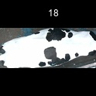
/Users/as16542/Downloads/10m32xl88x2b61zlkkgz3fml17/identification/images/train/032/000025.jpg | 1 |  |  | 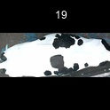
/Users/as16542/Downloads/10m32xl88x2b61zlkkgz3fml17/identification/images/train/032/000012.jpg | 1 |  |  | 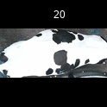
/Users/as16542/Downloads/10m32xl88x2b61zlkkgz3fml17/identification/images/train/032/000018.jpg | 1 |  |  | 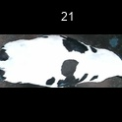
/Users/as16542/Downloads/10m32xl88x2b61zlkkgz3fml17/identification/images/train/032/000013.jpg | 0 | 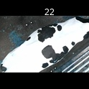
/Users/as16542/Downloads/10m32xl88x2b61zlkkgz3fml17/identification/images/train/032/000017.jpg | 1 |  |  | 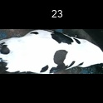
/Users/as16542/Downloads/10m32xl88x2b61zlkkgz3fml17/identification/images/train/032/000008.jpg | 1 |  |  | 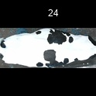
/Users/as16542/Downloads/10m32xl88x2b61zlkkgz3fml17/identification/images/train/032/000035.jpg | 1 |  |  | 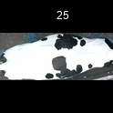
/Users/as16542/Downloads/10m32xl88x2b61zlkkgz3fml17/identification/images/train/032/000005.jpg | 0 | 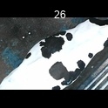
/Users/as16542/Downloads/10m32xl88x2b61zlkkgz3fml17/identification/images/train/032/000001.jpg | 1 |  |  | 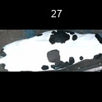
/Users/as16542/Downloads/10m32xl88x2b61zlkkgz3fml17/identification/images/train/032/000006.jpg | 1 |  | 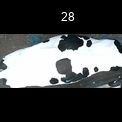
/Users/as16542/Downloads/10m32xl88x2b61zlkkgz3fml17/identification/images/train/032/000023.jpg | 1 |  |  | 
/Users/as16542/Downloads/10m32xl88x2b61zlkkgz3fml17/identification/images/train/032/000026.jpg | 0 | 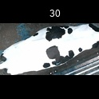
/Users/as16542/Downloads/10m32xl88x2b61zlkkgz3fml17/identification/images/train/032/000036.jpg | 1 |  |  | 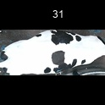
/Users/as16542/Downloads/10m32xl88x2b61zlkkgz3fml17/identification/images/train/032/000010.jpg | 1 |  |  | 
/Users/as16542/Downloads/10m32xl88x2b61zlkkgz3fml17/identification/images/train/032/000039.jpg | 1 |  |  | 
/Users/as16542/Downloads/10m32xl88x2b61zlkkgz3fml17/identification/images/train/032/000004.jpg |  0
/Users/as16542/Downloads/10m32xl88x2b61zlkkgz3fml17/identification/images/train/032/000033.jpg | 1 |  |  | 
/Users/as16542/Downloads/10m32xl88x2b61zlkkgz3fml17/identification/images/train/032/000034.jpg | 1 |  |  | 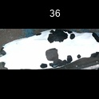
/Users/as16542/Downloads/10m32xl88x2b61zlkkgz3fml17/identification/images/train/032/000028.jpg | 1 |  |  | 
/Users/as16542/Downloads/10m32xl88x2b61zlkkgz3fml17/identification/images/train/032/000030.jpg | 0 | 
/Users/as16542/Downloads/10m32xl88x2b61zlkkgz3fml17/identification/images/train/032/000045.jpg | 0 | 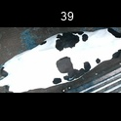
/Users/as16542/Downloads/10m32xl88x2b61zlkkgz3fml17/identification/images/train/032/000029.jpg | 0 | 
/Users/as16542/Downloads/10m32xl88x2b61zlkkgz3fml17/identification/images/train/032/000042.jpg | 1 |  |  | 
/Users/as16542/Downloads/10m32xl88x2b61zlkkgz3fml17/identification/images/train/032/000031.jpg | 1 |  |  | 
/Users/as16542/Downloads/10m32xl88x2b61zlkkgz3fml17/identification/images/train/032/000021.jpg | 0 | 
/Users/as16542/Downloads/10m32xl88x2b61zlkkgz3fml17/identification/images/train/032/000022.jpg | 1 |  |  | 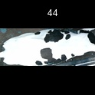
/Users/as16542/Downloads/10m32xl88x2b61zlkkgz3fml17/identification/images/train/032/000047.jpg | 1 |  |  | 
/Users/as16542/Downloads/10m32xl88x2b61zlkkgz3fml17/identification/images/train/032/000055.jpg | 1 |  | 
/Users/as16542/Downloads/10m32xl88x2b61zlkkgz3fml17/identification/images/train/032/000049.jpg | 1 |  | 
/Users/as16542/Downloads/10m32xl88x2b61zlkkgz3fml17/identification/images/train/032/000038.jpg | 1 |  | 
/Users/as16542/Downloads/10m32xl88x2b61zlkkgz3fml17/identification/images/train/032/000016.jpg | 0 | 
/Users/as16542/Downloads/10m32xl88x2b61zlkkgz3fml17/identification/images/train/032/000027.jpg | 1 |  |  | 
/Users/as16542/Downloads/10m32xl88x2b61zlkkgz3fml17/identification/images/train/032/000024.jpg | 1 |  |  | 
/Users/as16542/Downloads/10m32xl88x2b61zlkkgz3fml17/identification/images/train/032/000054.jpg | 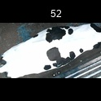 0
/Users/as16542/Downloads/10m32xl88x2b61zlkkgz3fml17/identification/images/train/032/000007.jpg |  0
/Users/as16542/Downloads/10m32xl88x2b61zlkkgz3fml17/identification/images/train/032/000020.jpg | 0 | 