Sheet1
/Users/as16542/Downloads/10m32xl88x2b61zlkkgz3fml17/identification/images/train/033/000015.jpg | 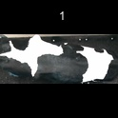 0
/Users/as16542/Downloads/10m32xl88x2b61zlkkgz3fml17/identification/images/train/033/000043.jpg | 0 | 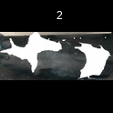
/Users/as16542/Downloads/10m32xl88x2b61zlkkgz3fml17/identification/images/train/033/000037.jpg | 0 | 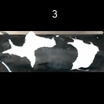
/Users/as16542/Downloads/10m32xl88x2b61zlkkgz3fml17/identification/images/train/033/000014.jpg | 0 | 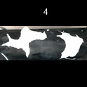
/Users/as16542/Downloads/10m32xl88x2b61zlkkgz3fml17/identification/images/train/033/000019.jpg | 0 | 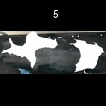
/Users/as16542/Downloads/10m32xl88x2b61zlkkgz3fml17/identification/images/train/033/000040.jpg | 0 | 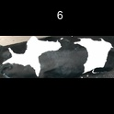
/Users/as16542/Downloads/10m32xl88x2b61zlkkgz3fml17/identification/images/train/033/000011.jpg | 0 | 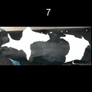
/Users/as16542/Downloads/10m32xl88x2b61zlkkgz3fml17/identification/images/train/033/000002.jpg | 0 | 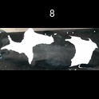
/Users/as16542/Downloads/10m32xl88x2b61zlkkgz3fml17/identification/images/train/033/000041.jpg | 0 | 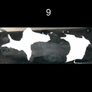
/Users/as16542/Downloads/10m32xl88x2b61zlkkgz3fml17/identification/images/train/033/000003.jpg | 0 | 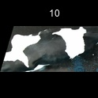
/Users/as16542/Downloads/10m32xl88x2b61zlkkgz3fml17/identification/images/train/033/000032.jpg | 1 |  | 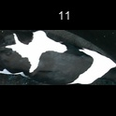
/Users/as16542/Downloads/10m32xl88x2b61zlkkgz3fml17/identification/images/train/033/000025.jpg | 1 |  | 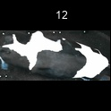
/Users/as16542/Downloads/10m32xl88x2b61zlkkgz3fml17/identification/images/train/033/000012.jpg | 0 | 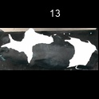
/Users/as16542/Downloads/10m32xl88x2b61zlkkgz3fml17/identification/images/train/033/000018.jpg | 0 | 
/Users/as16542/Downloads/10m32xl88x2b61zlkkgz3fml17/identification/images/train/033/000013.jpg | 0 | 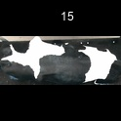
/Users/as16542/Downloads/10m32xl88x2b61zlkkgz3fml17/identification/images/train/033/000017.jpg | 0 | 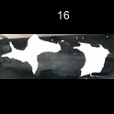
/Users/as16542/Downloads/10m32xl88x2b61zlkkgz3fml17/identification/images/train/033/000008.jpg | 0 | 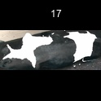
/Users/as16542/Downloads/10m32xl88x2b61zlkkgz3fml17/identification/images/train/033/000035.jpg | 0 | 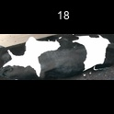
/Users/as16542/Downloads/10m32xl88x2b61zlkkgz3fml17/identification/images/train/033/000005.jpg | 0 | 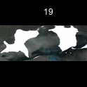
/Users/as16542/Downloads/10m32xl88x2b61zlkkgz3fml17/identification/images/train/033/000001.jpg | 0 | 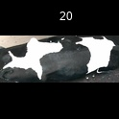
/Users/as16542/Downloads/10m32xl88x2b61zlkkgz3fml17/identification/images/train/033/000006.jpg | 0 | 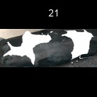
/Users/as16542/Downloads/10m32xl88x2b61zlkkgz3fml17/identification/images/train/033/000023.jpg | 0 | 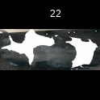
/Users/as16542/Downloads/10m32xl88x2b61zlkkgz3fml17/identification/images/train/033/000026.jpg | 0 | 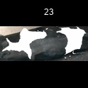
/Users/as16542/Downloads/10m32xl88x2b61zlkkgz3fml17/identification/images/train/033/000036.jpg | 0 | 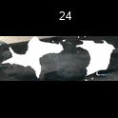
/Users/as16542/Downloads/10m32xl88x2b61zlkkgz3fml17/identification/images/train/033/000010.jpg |  0
/Users/as16542/Downloads/10m32xl88x2b61zlkkgz3fml17/identification/images/train/033/000039.jpg | 1 |  | 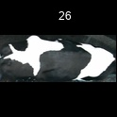
/Users/as16542/Downloads/10m32xl88x2b61zlkkgz3fml17/identification/images/train/033/000004.jpg | 0 | 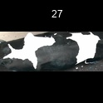
/Users/as16542/Downloads/10m32xl88x2b61zlkkgz3fml17/identification/images/train/033/000033.jpg | 1 |  | 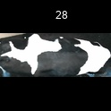
/Users/as16542/Downloads/10m32xl88x2b61zlkkgz3fml17/identification/images/train/033/000034.jpg | 0 | 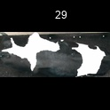
/Users/as16542/Downloads/10m32xl88x2b61zlkkgz3fml17/identification/images/train/033/000028.jpg | 0 | 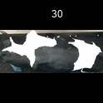
/Users/as16542/Downloads/10m32xl88x2b61zlkkgz3fml17/identification/images/train/033/000030.jpg | 1 |  | 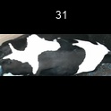
/Users/as16542/Downloads/10m32xl88x2b61zlkkgz3fml17/identification/images/train/033/000029.jpg | 0 | 
/Users/as16542/Downloads/10m32xl88x2b61zlkkgz3fml17/identification/images/train/033/000042.jpg | 0 | 
/Users/as16542/Downloads/10m32xl88x2b61zlkkgz3fml17/identification/images/train/033/000031.jpg | 0 | 
/Users/as16542/Downloads/10m32xl88x2b61zlkkgz3fml17/identification/images/train/033/000021.jpg | 0 | 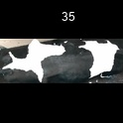
/Users/as16542/Downloads/10m32xl88x2b61zlkkgz3fml17/identification/images/train/033/000022.jpg | 0 | 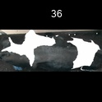
/Users/as16542/Downloads/10m32xl88x2b61zlkkgz3fml17/identification/images/train/033/000038.jpg | 0 | 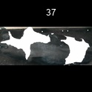
/Users/as16542/Downloads/10m32xl88x2b61zlkkgz3fml17/identification/images/train/033/000016.jpg | 0 | 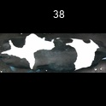
/Users/as16542/Downloads/10m32xl88x2b61zlkkgz3fml17/identification/images/train/033/000027.jpg | 0 | 
/Users/as16542/Downloads/10m32xl88x2b61zlkkgz3fml17/identification/images/train/033/000024.jpg | 1 |  | 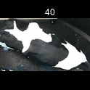
/Users/as16542/Downloads/10m32xl88x2b61zlkkgz3fml17/identification/images/train/033/000007.jpg | 0 | 
/Users/as16542/Downloads/10m32xl88x2b61zlkkgz3fml17/identification/images/train/033/000020.jpg | 0 | 