Sheet1
/Users/as16542/Downloads/10m32xl88x2b61zlkkgz3fml17/identification/images/train/035/000015.jpg | 1 |  | 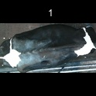
/Users/as16542/Downloads/10m32xl88x2b61zlkkgz3fml17/identification/images/train/035/000014.jpg | 1 |  | 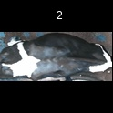
/Users/as16542/Downloads/10m32xl88x2b61zlkkgz3fml17/identification/images/train/035/000011.jpg | 1 |  | 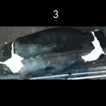
/Users/as16542/Downloads/10m32xl88x2b61zlkkgz3fml17/identification/images/train/035/000002.jpg | 1 |  | 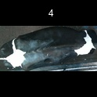
/Users/as16542/Downloads/10m32xl88x2b61zlkkgz3fml17/identification/images/train/035/000003.jpg | 1 |  | 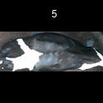
/Users/as16542/Downloads/10m32xl88x2b61zlkkgz3fml17/identification/images/train/035/000012.jpg | 0 | 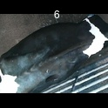
/Users/as16542/Downloads/10m32xl88x2b61zlkkgz3fml17/identification/images/train/035/000018.jpg | 1 |  | 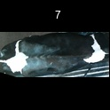
/Users/as16542/Downloads/10m32xl88x2b61zlkkgz3fml17/identification/images/train/035/000013.jpg | 1 |  | 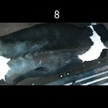
/Users/as16542/Downloads/10m32xl88x2b61zlkkgz3fml17/identification/images/train/035/000017.jpg | 1 |  | 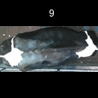
/Users/as16542/Downloads/10m32xl88x2b61zlkkgz3fml17/identification/images/train/035/000008.jpg | 1 |  | 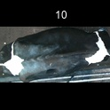
/Users/as16542/Downloads/10m32xl88x2b61zlkkgz3fml17/identification/images/train/035/000005.jpg | 1 |  | 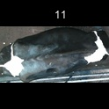
/Users/as16542/Downloads/10m32xl88x2b61zlkkgz3fml17/identification/images/train/035/000001.jpg | 1 |  | 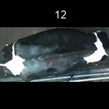
/Users/as16542/Downloads/10m32xl88x2b61zlkkgz3fml17/identification/images/train/035/000006.jpg | 1 |  | 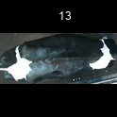
/Users/as16542/Downloads/10m32xl88x2b61zlkkgz3fml17/identification/images/train/035/000010.jpg | 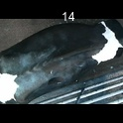 0
/Users/as16542/Downloads/10m32xl88x2b61zlkkgz3fml17/identification/images/train/035/000004.jpg | 0 | 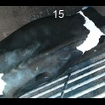
/Users/as16542/Downloads/10m32xl88x2b61zlkkgz3fml17/identification/images/train/035/000016.jpg | 0 | 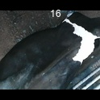
/Users/as16542/Downloads/10m32xl88x2b61zlkkgz3fml17/identification/images/train/035/000007.jpg | 1 |  | 