Sheet1
/Users/as16542/Downloads/10m32xl88x2b61zlkkgz3fml17/identification/images/train/036/000015.jpg | 1 |  |  | 
/Users/as16542/Downloads/10m32xl88x2b61zlkkgz3fml17/identification/images/train/036/000014.jpg | 1 |  |  | 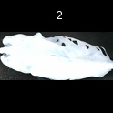
/Users/as16542/Downloads/10m32xl88x2b61zlkkgz3fml17/identification/images/train/036/000019.jpg | 1 |  |  | 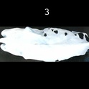
/Users/as16542/Downloads/10m32xl88x2b61zlkkgz3fml17/identification/images/train/036/000011.jpg | 0 | 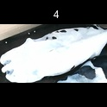
/Users/as16542/Downloads/10m32xl88x2b61zlkkgz3fml17/identification/images/train/036/000002.jpg | 1 |  |  | 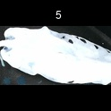
/Users/as16542/Downloads/10m32xl88x2b61zlkkgz3fml17/identification/images/train/036/000003.jpg | 1 |  |  | 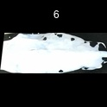
/Users/as16542/Downloads/10m32xl88x2b61zlkkgz3fml17/identification/images/train/036/000012.jpg | 1 |  |  | 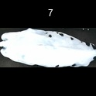
/Users/as16542/Downloads/10m32xl88x2b61zlkkgz3fml17/identification/images/train/036/000018.jpg | 1 |  |  | 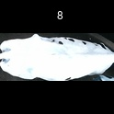
/Users/as16542/Downloads/10m32xl88x2b61zlkkgz3fml17/identification/images/train/036/000013.jpg | 0 | 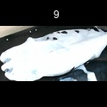
/Users/as16542/Downloads/10m32xl88x2b61zlkkgz3fml17/identification/images/train/036/000017.jpg | 1 |  |  | 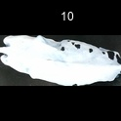
/Users/as16542/Downloads/10m32xl88x2b61zlkkgz3fml17/identification/images/train/036/000008.jpg | 1 |  |  | 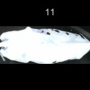
/Users/as16542/Downloads/10m32xl88x2b61zlkkgz3fml17/identification/images/train/036/000005.jpg | 1 |  | 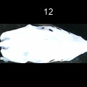
/Users/as16542/Downloads/10m32xl88x2b61zlkkgz3fml17/identification/images/train/036/000006.jpg | 1 |  |  | 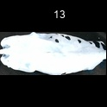
/Users/as16542/Downloads/10m32xl88x2b61zlkkgz3fml17/identification/images/train/036/000010.jpg | 1 |  |  | 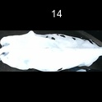
/Users/as16542/Downloads/10m32xl88x2b61zlkkgz3fml17/identification/images/train/036/000004.jpg | 1 |  |  | 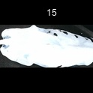
/Users/as16542/Downloads/10m32xl88x2b61zlkkgz3fml17/identification/images/train/036/000021.jpg | 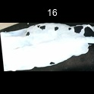 0
/Users/as16542/Downloads/10m32xl88x2b61zlkkgz3fml17/identification/images/train/036/000016.jpg | 1 |  | 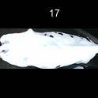
/Users/as16542/Downloads/10m32xl88x2b61zlkkgz3fml17/identification/images/train/036/000007.jpg | 1 |  | 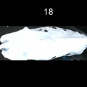
/Users/as16542/Downloads/10m32xl88x2b61zlkkgz3fml17/identification/images/train/036/000020.jpg | 1 |  | 
/Users/as16542/Downloads/10m32xl88x2b61zlkkgz3fml17/identification/images/train/036/000001.jpg | 1 |  | 