Sheet1
/Users/as16542/Downloads/10m32xl88x2b61zlkkgz3fml17/identification/images/train/038/000015.jpg | 2 |  |  |  | 
/Users/as16542/Downloads/10m32xl88x2b61zlkkgz3fml17/identification/images/train/038/000014.jpg | 2 |  |  |  | 
/Users/as16542/Downloads/10m32xl88x2b61zlkkgz3fml17/identification/images/train/038/000011.jpg | 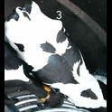 0
/Users/as16542/Downloads/10m32xl88x2b61zlkkgz3fml17/identification/images/train/038/000002.jpg | 2 |  |  |  | 
/Users/as16542/Downloads/10m32xl88x2b61zlkkgz3fml17/identification/images/train/038/000003.jpg | 0 | 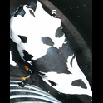
/Users/as16542/Downloads/10m32xl88x2b61zlkkgz3fml17/identification/images/train/038/000012.jpg | 2 |  |  |  | 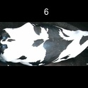
/Users/as16542/Downloads/10m32xl88x2b61zlkkgz3fml17/identification/images/train/038/000018.jpg | 1 |  | 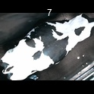
/Users/as16542/Downloads/10m32xl88x2b61zlkkgz3fml17/identification/images/train/038/000013.jpg | 2 |  |  |  | 
/Users/as16542/Downloads/10m32xl88x2b61zlkkgz3fml17/identification/images/train/038/000017.jpg | 1 |  | 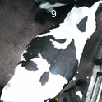
/Users/as16542/Downloads/10m32xl88x2b61zlkkgz3fml17/identification/images/train/038/000008.jpg | 2 |  |  |  | 
/Users/as16542/Downloads/10m32xl88x2b61zlkkgz3fml17/identification/images/train/038/000005.jpg | 2 |  |  |  | 
/Users/as16542/Downloads/10m32xl88x2b61zlkkgz3fml17/identification/images/train/038/000001.jpg | 2 |  |  |  | 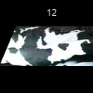
/Users/as16542/Downloads/10m32xl88x2b61zlkkgz3fml17/identification/images/train/038/000006.jpg | 2 |  |  | 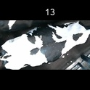
/Users/as16542/Downloads/10m32xl88x2b61zlkkgz3fml17/identification/images/train/038/000010.jpg | 2 |  |  | 
/Users/as16542/Downloads/10m32xl88x2b61zlkkgz3fml17/identification/images/train/038/000004.jpg | 0 | 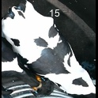
/Users/as16542/Downloads/10m32xl88x2b61zlkkgz3fml17/identification/images/train/038/000016.jpg | 2 |  |  | 
/Users/as16542/Downloads/10m32xl88x2b61zlkkgz3fml17/identification/images/train/038/000007.jpg | 2 |  |  | 

