Sheet1
/Users/as16542/Downloads/10m32xl88x2b61zlkkgz3fml17/identification/images/train/039/000015.jpg | 0 | 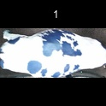
/Users/as16542/Downloads/10m32xl88x2b61zlkkgz3fml17/identification/images/train/039/000037.jpg | 1 |  |  | 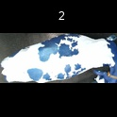
/Users/as16542/Downloads/10m32xl88x2b61zlkkgz3fml17/identification/images/train/039/000014.jpg | 0 | 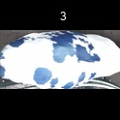
/Users/as16542/Downloads/10m32xl88x2b61zlkkgz3fml17/identification/images/train/039/000019.jpg | 1 |  |  | 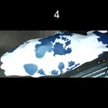
/Users/as16542/Downloads/10m32xl88x2b61zlkkgz3fml17/identification/images/train/039/000040.jpg | 0 | 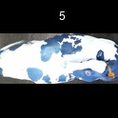
/Users/as16542/Downloads/10m32xl88x2b61zlkkgz3fml17/identification/images/train/039/000011.jpg | 1 |  |  | 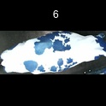
/Users/as16542/Downloads/10m32xl88x2b61zlkkgz3fml17/identification/images/train/039/000002.jpg | 1 |  |  | 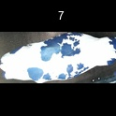
/Users/as16542/Downloads/10m32xl88x2b61zlkkgz3fml17/identification/images/train/039/000003.jpg | 1 |  |  | 
/Users/as16542/Downloads/10m32xl88x2b61zlkkgz3fml17/identification/images/train/039/000032.jpg | 1 |  |  | 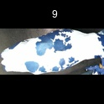
/Users/as16542/Downloads/10m32xl88x2b61zlkkgz3fml17/identification/images/train/039/000025.jpg | 0 | 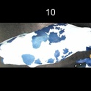
/Users/as16542/Downloads/10m32xl88x2b61zlkkgz3fml17/identification/images/train/039/000012.jpg | 1 |  |  | 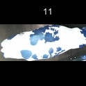
/Users/as16542/Downloads/10m32xl88x2b61zlkkgz3fml17/identification/images/train/039/000018.jpg | 1 |  |  | 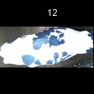
/Users/as16542/Downloads/10m32xl88x2b61zlkkgz3fml17/identification/images/train/039/000013.jpg | 0 | 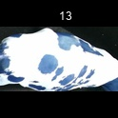
/Users/as16542/Downloads/10m32xl88x2b61zlkkgz3fml17/identification/images/train/039/000017.jpg | 1 |  |  | 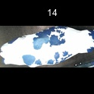
/Users/as16542/Downloads/10m32xl88x2b61zlkkgz3fml17/identification/images/train/039/000008.jpg | 1 |  |  | 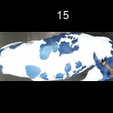
/Users/as16542/Downloads/10m32xl88x2b61zlkkgz3fml17/identification/images/train/039/000035.jpg | 1 |  |  | 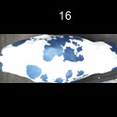
/Users/as16542/Downloads/10m32xl88x2b61zlkkgz3fml17/identification/images/train/039/000005.jpg | 1 |  |  | 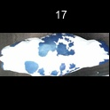
/Users/as16542/Downloads/10m32xl88x2b61zlkkgz3fml17/identification/images/train/039/000001.jpg | 0 | 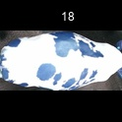
/Users/as16542/Downloads/10m32xl88x2b61zlkkgz3fml17/identification/images/train/039/000006.jpg | 1 |  | 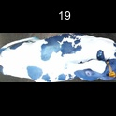
/Users/as16542/Downloads/10m32xl88x2b61zlkkgz3fml17/identification/images/train/039/000023.jpg | 1 |  | 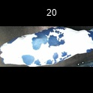
/Users/as16542/Downloads/10m32xl88x2b61zlkkgz3fml17/identification/images/train/039/000026.jpg | 1 |  |  | 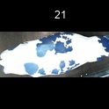
/Users/as16542/Downloads/10m32xl88x2b61zlkkgz3fml17/identification/images/train/039/000036.jpg | 1 |  |  | 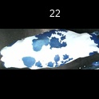
/Users/as16542/Downloads/10m32xl88x2b61zlkkgz3fml17/identification/images/train/039/000010.jpg | 1 |  |  | 
/Users/as16542/Downloads/10m32xl88x2b61zlkkgz3fml17/identification/images/train/039/000039.jpg | 1 |  |  | 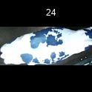
/Users/as16542/Downloads/10m32xl88x2b61zlkkgz3fml17/identification/images/train/039/000004.jpg | 1 |  |  | 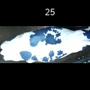
/Users/as16542/Downloads/10m32xl88x2b61zlkkgz3fml17/identification/images/train/039/000033.jpg | 0 | 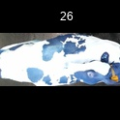
/Users/as16542/Downloads/10m32xl88x2b61zlkkgz3fml17/identification/images/train/039/000034.jpg | 1 |  |  | 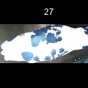
/Users/as16542/Downloads/10m32xl88x2b61zlkkgz3fml17/identification/images/train/039/000028.jpg | 1 |  | 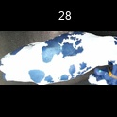
/Users/as16542/Downloads/10m32xl88x2b61zlkkgz3fml17/identification/images/train/039/000030.jpg | 1 |  | 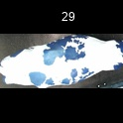
/Users/as16542/Downloads/10m32xl88x2b61zlkkgz3fml17/identification/images/train/039/000029.jpg | 1 |  |  | 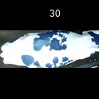
/Users/as16542/Downloads/10m32xl88x2b61zlkkgz3fml17/identification/images/train/039/000031.jpg | 1 |  | 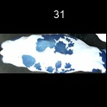
/Users/as16542/Downloads/10m32xl88x2b61zlkkgz3fml17/identification/images/train/039/000021.jpg | 1 |  |  | 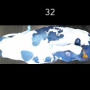
/Users/as16542/Downloads/10m32xl88x2b61zlkkgz3fml17/identification/images/train/039/000022.jpg | 1 |  |  | 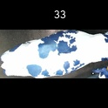
/Users/as16542/Downloads/10m32xl88x2b61zlkkgz3fml17/identification/images/train/039/000038.jpg | 1 |  |  | 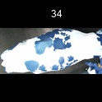
/Users/as16542/Downloads/10m32xl88x2b61zlkkgz3fml17/identification/images/train/039/000016.jpg | 1 |  |  | 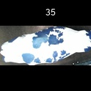
/Users/as16542/Downloads/10m32xl88x2b61zlkkgz3fml17/identification/images/train/039/000027.jpg | 1 |  |  | 
/Users/as16542/Downloads/10m32xl88x2b61zlkkgz3fml17/identification/images/train/039/000024.jpg | 1 |  |  | 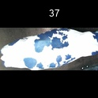
/Users/as16542/Downloads/10m32xl88x2b61zlkkgz3fml17/identification/images/train/039/000007.jpg | 0 | 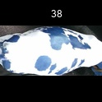
/Users/as16542/Downloads/10m32xl88x2b61zlkkgz3fml17/identification/images/train/039/000020.jpg | 1 |  | 