Sheet1
/Users/as16542/Downloads/10m32xl88x2b61zlkkgz3fml17/identification/images/train/041/000053.jpg | 0 | 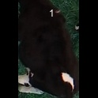
/Users/as16542/Downloads/10m32xl88x2b61zlkkgz3fml17/identification/images/train/041/000077.jpg | 0 | 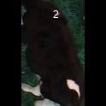
/Users/as16542/Downloads/10m32xl88x2b61zlkkgz3fml17/identification/images/train/041/000066.jpg | 0 | 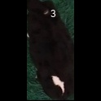
/Users/as16542/Downloads/10m32xl88x2b61zlkkgz3fml17/identification/images/train/041/000056.jpg | 1 |  |  | 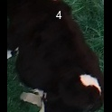
/Users/as16542/Downloads/10m32xl88x2b61zlkkgz3fml17/identification/images/train/041/000009.jpg | 0 | 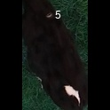
/Users/as16542/Downloads/10m32xl88x2b61zlkkgz3fml17/identification/images/train/041/000015.jpg | 0 | 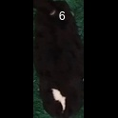
/Users/as16542/Downloads/10m32xl88x2b61zlkkgz3fml17/identification/images/train/041/000075.jpg | 1 |  | 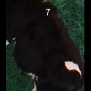
/Users/as16542/Downloads/10m32xl88x2b61zlkkgz3fml17/identification/images/train/041/000048.jpg | 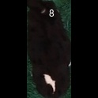 0
/Users/as16542/Downloads/10m32xl88x2b61zlkkgz3fml17/identification/images/train/041/000050.jpg | 1 |  |  | 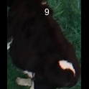
/Users/as16542/Downloads/10m32xl88x2b61zlkkgz3fml17/identification/images/train/041/000052.jpg | 0 | 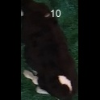
/Users/as16542/Downloads/10m32xl88x2b61zlkkgz3fml17/identification/images/train/041/000043.jpg | 0 | 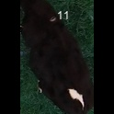
/Users/as16542/Downloads/10m32xl88x2b61zlkkgz3fml17/identification/images/train/041/000037.jpg | 0 | 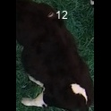
/Users/as16542/Downloads/10m32xl88x2b61zlkkgz3fml17/identification/images/train/041/000014.jpg | 0 | 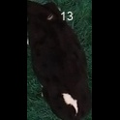
/Users/as16542/Downloads/10m32xl88x2b61zlkkgz3fml17/identification/images/train/041/000057.jpg | 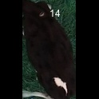 0
/Users/as16542/Downloads/10m32xl88x2b61zlkkgz3fml17/identification/images/train/041/000019.jpg | 1 |  | 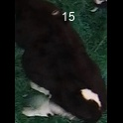
/Users/as16542/Downloads/10m32xl88x2b61zlkkgz3fml17/identification/images/train/041/000040.jpg | 0 | 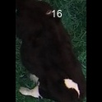
/Users/as16542/Downloads/10m32xl88x2b61zlkkgz3fml17/identification/images/train/041/000069.jpg | 0 | 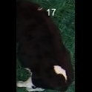
/Users/as16542/Downloads/10m32xl88x2b61zlkkgz3fml17/identification/images/train/041/000060.jpg | 0 | 
/Users/as16542/Downloads/10m32xl88x2b61zlkkgz3fml17/identification/images/train/041/000046.jpg | 0 | 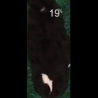
/Users/as16542/Downloads/10m32xl88x2b61zlkkgz3fml17/identification/images/train/041/000051.jpg | 0 | 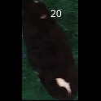
/Users/as16542/Downloads/10m32xl88x2b61zlkkgz3fml17/identification/images/train/041/000072.jpg | 0 | 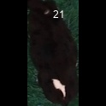
/Users/as16542/Downloads/10m32xl88x2b61zlkkgz3fml17/identification/images/train/041/000044.jpg | 1 |  |  | 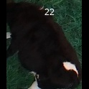
/Users/as16542/Downloads/10m32xl88x2b61zlkkgz3fml17/identification/images/train/041/000011.jpg | 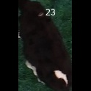 0
/Users/as16542/Downloads/10m32xl88x2b61zlkkgz3fml17/identification/images/train/041/000063.jpg | 1 |  | 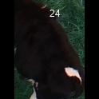
/Users/as16542/Downloads/10m32xl88x2b61zlkkgz3fml17/identification/images/train/041/000002.jpg | 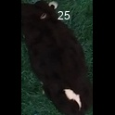 0
/Users/as16542/Downloads/10m32xl88x2b61zlkkgz3fml17/identification/images/train/041/000041.jpg | 0 | 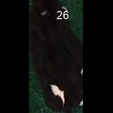
/Users/as16542/Downloads/10m32xl88x2b61zlkkgz3fml17/identification/images/train/041/000003.jpg | 1 |  |  | 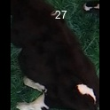
/Users/as16542/Downloads/10m32xl88x2b61zlkkgz3fml17/identification/images/train/041/000032.jpg | 0 | 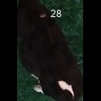
/Users/as16542/Downloads/10m32xl88x2b61zlkkgz3fml17/identification/images/train/041/000025.jpg | 0 | 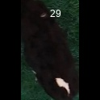
/Users/as16542/Downloads/10m32xl88x2b61zlkkgz3fml17/identification/images/train/041/000067.jpg | 0 | 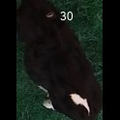
/Users/as16542/Downloads/10m32xl88x2b61zlkkgz3fml17/identification/images/train/041/000012.jpg | 0 | 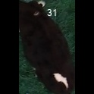
/Users/as16542/Downloads/10m32xl88x2b61zlkkgz3fml17/identification/images/train/041/000058.jpg | 0 | 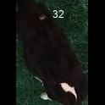
/Users/as16542/Downloads/10m32xl88x2b61zlkkgz3fml17/identification/images/train/041/000018.jpg | 0 | 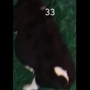
/Users/as16542/Downloads/10m32xl88x2b61zlkkgz3fml17/identification/images/train/041/000013.jpg | 0 | 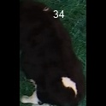
/Users/as16542/Downloads/10m32xl88x2b61zlkkgz3fml17/identification/images/train/041/000068.jpg | 0 | 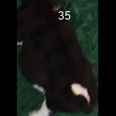
/Users/as16542/Downloads/10m32xl88x2b61zlkkgz3fml17/identification/images/train/041/000017.jpg | 0 | 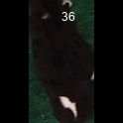
/Users/as16542/Downloads/10m32xl88x2b61zlkkgz3fml17/identification/images/train/041/000008.jpg | 1 |  |  | 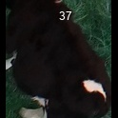
/Users/as16542/Downloads/10m32xl88x2b61zlkkgz3fml17/identification/images/train/041/000035.jpg | 1 |  |  | 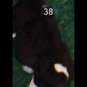
/Users/as16542/Downloads/10m32xl88x2b61zlkkgz3fml17/identification/images/train/041/000005.jpg | 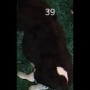 0
/Users/as16542/Downloads/10m32xl88x2b61zlkkgz3fml17/identification/images/train/041/000070.jpg | 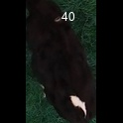 0
/Users/as16542/Downloads/10m32xl88x2b61zlkkgz3fml17/identification/images/train/041/000001.jpg | 1 |  |  | 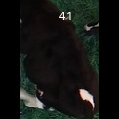
/Users/as16542/Downloads/10m32xl88x2b61zlkkgz3fml17/identification/images/train/041/000006.jpg | 1 |  |  | 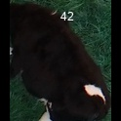
/Users/as16542/Downloads/10m32xl88x2b61zlkkgz3fml17/identification/images/train/041/000062.jpg | 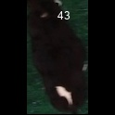 0
/Users/as16542/Downloads/10m32xl88x2b61zlkkgz3fml17/identification/images/train/041/000023.jpg | 1 |  |  | 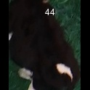
/Users/as16542/Downloads/10m32xl88x2b61zlkkgz3fml17/identification/images/train/041/000026.jpg | 0 | 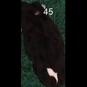
/Users/as16542/Downloads/10m32xl88x2b61zlkkgz3fml17/identification/images/train/041/000036.jpg | 0 | 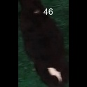
/Users/as16542/Downloads/10m32xl88x2b61zlkkgz3fml17/identification/images/train/041/000010.jpg | 0 | 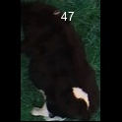
/Users/as16542/Downloads/10m32xl88x2b61zlkkgz3fml17/identification/images/train/041/000039.jpg | 1 |  |  | 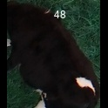
/Users/as16542/Downloads/10m32xl88x2b61zlkkgz3fml17/identification/images/train/041/000059.jpg | 0 | 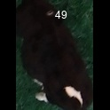
/Users/as16542/Downloads/10m32xl88x2b61zlkkgz3fml17/identification/images/train/041/000004.jpg | 0 | 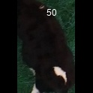
/Users/as16542/Downloads/10m32xl88x2b61zlkkgz3fml17/identification/images/train/041/000033.jpg | 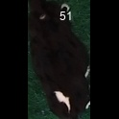 0
/Users/as16542/Downloads/10m32xl88x2b61zlkkgz3fml17/identification/images/train/041/000034.jpg |  0
/Users/as16542/Downloads/10m32xl88x2b61zlkkgz3fml17/identification/images/train/041/000061.jpg | 1 |  |  | 
/Users/as16542/Downloads/10m32xl88x2b61zlkkgz3fml17/identification/images/train/041/000028.jpg | 0 | 
/Users/as16542/Downloads/10m32xl88x2b61zlkkgz3fml17/identification/images/train/041/000030.jpg | 1 |  |  | 
/Users/as16542/Downloads/10m32xl88x2b61zlkkgz3fml17/identification/images/train/041/000045.jpg | 0 | 
/Users/as16542/Downloads/10m32xl88x2b61zlkkgz3fml17/identification/images/train/041/000074.jpg |  0
/Users/as16542/Downloads/10m32xl88x2b61zlkkgz3fml17/identification/images/train/041/000029.jpg |  0
/Users/as16542/Downloads/10m32xl88x2b61zlkkgz3fml17/identification/images/train/041/000064.jpg | 1 |  |  | 
/Users/as16542/Downloads/10m32xl88x2b61zlkkgz3fml17/identification/images/train/041/000042.jpg | 1 |  |  | 
/Users/as16542/Downloads/10m32xl88x2b61zlkkgz3fml17/identification/images/train/041/000031.jpg | 1 |  |  | 
/Users/as16542/Downloads/10m32xl88x2b61zlkkgz3fml17/identification/images/train/041/000073.jpg |  0
/Users/as16542/Downloads/10m32xl88x2b61zlkkgz3fml17/identification/images/train/041/000021.jpg | 0 | 
/Users/as16542/Downloads/10m32xl88x2b61zlkkgz3fml17/identification/images/train/041/000022.jpg |  0
/Users/as16542/Downloads/10m32xl88x2b61zlkkgz3fml17/identification/images/train/041/000047.jpg | 0 | 
/Users/as16542/Downloads/10m32xl88x2b61zlkkgz3fml17/identification/images/train/041/000055.jpg | 0 | 
/Users/as16542/Downloads/10m32xl88x2b61zlkkgz3fml17/identification/images/train/041/000049.jpg | 0 | 
/Users/as16542/Downloads/10m32xl88x2b61zlkkgz3fml17/identification/images/train/041/000076.jpg | 1 |  |  | 
/Users/as16542/Downloads/10m32xl88x2b61zlkkgz3fml17/identification/images/train/041/000038.jpg | 1 |  |  | 
/Users/as16542/Downloads/10m32xl88x2b61zlkkgz3fml17/identification/images/train/041/000016.jpg | 1 |  |  | 
/Users/as16542/Downloads/10m32xl88x2b61zlkkgz3fml17/identification/images/train/041/000027.jpg | 1 |  |  | 
/Users/as16542/Downloads/10m32xl88x2b61zlkkgz3fml17/identification/images/train/041/000065.jpg | 1 |  |  | 
/Users/as16542/Downloads/10m32xl88x2b61zlkkgz3fml17/identification/images/train/041/000024.jpg | 1 |  |  | 
/Users/as16542/Downloads/10m32xl88x2b61zlkkgz3fml17/identification/images/train/041/000054.jpg | 1 |  |  | 
/Users/as16542/Downloads/10m32xl88x2b61zlkkgz3fml17/identification/images/train/041/000007.jpg | 0 | 
/Users/as16542/Downloads/10m32xl88x2b61zlkkgz3fml17/identification/images/train/041/000020.jpg | 0 | 

