Sheet1
/Users/as16542/Downloads/10m32xl88x2b61zlkkgz3fml17/identification/images/train/042/000015.jpg | 0 | 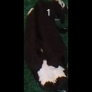
/Users/as16542/Downloads/10m32xl88x2b61zlkkgz3fml17/identification/images/train/042/000037.jpg | 1 |  | 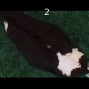
/Users/as16542/Downloads/10m32xl88x2b61zlkkgz3fml17/identification/images/train/042/000014.jpg | 1 |  |  | 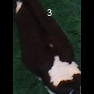
/Users/as16542/Downloads/10m32xl88x2b61zlkkgz3fml17/identification/images/train/042/000019.jpg | 1 |  |  | 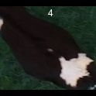
/Users/as16542/Downloads/10m32xl88x2b61zlkkgz3fml17/identification/images/train/042/000040.jpg | 0 | 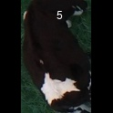
/Users/as16542/Downloads/10m32xl88x2b61zlkkgz3fml17/identification/images/train/042/000011.jpg | 0 | 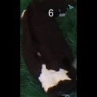
/Users/as16542/Downloads/10m32xl88x2b61zlkkgz3fml17/identification/images/train/042/000002.jpg | 1 |  |  | 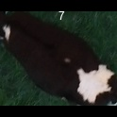
/Users/as16542/Downloads/10m32xl88x2b61zlkkgz3fml17/identification/images/train/042/000041.jpg | 1 |  |  | 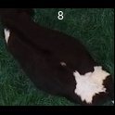
/Users/as16542/Downloads/10m32xl88x2b61zlkkgz3fml17/identification/images/train/042/000003.jpg | 1 |  |  | 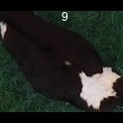
/Users/as16542/Downloads/10m32xl88x2b61zlkkgz3fml17/identification/images/train/042/000032.jpg | 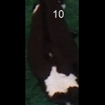 0
/Users/as16542/Downloads/10m32xl88x2b61zlkkgz3fml17/identification/images/train/042/000025.jpg | 1 |  |  | 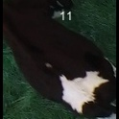
/Users/as16542/Downloads/10m32xl88x2b61zlkkgz3fml17/identification/images/train/042/000012.jpg | 0 | 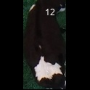
/Users/as16542/Downloads/10m32xl88x2b61zlkkgz3fml17/identification/images/train/042/000018.jpg | 1 |  |  | 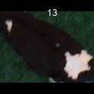
/Users/as16542/Downloads/10m32xl88x2b61zlkkgz3fml17/identification/images/train/042/000013.jpg | 1 |  |  | 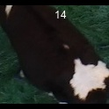
/Users/as16542/Downloads/10m32xl88x2b61zlkkgz3fml17/identification/images/train/042/000017.jpg | 1 |  |  | 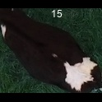
/Users/as16542/Downloads/10m32xl88x2b61zlkkgz3fml17/identification/images/train/042/000008.jpg | 1 |  |  | 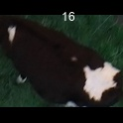
/Users/as16542/Downloads/10m32xl88x2b61zlkkgz3fml17/identification/images/train/042/000035.jpg | 0 | 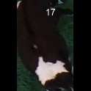
/Users/as16542/Downloads/10m32xl88x2b61zlkkgz3fml17/identification/images/train/042/000005.jpg | 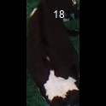 0
/Users/as16542/Downloads/10m32xl88x2b61zlkkgz3fml17/identification/images/train/042/000001.jpg | 1 |  |  | 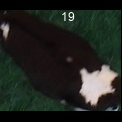
/Users/as16542/Downloads/10m32xl88x2b61zlkkgz3fml17/identification/images/train/042/000006.jpg | 1 |  |  | 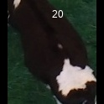
/Users/as16542/Downloads/10m32xl88x2b61zlkkgz3fml17/identification/images/train/042/000023.jpg | 0 | 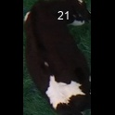
/Users/as16542/Downloads/10m32xl88x2b61zlkkgz3fml17/identification/images/train/042/000026.jpg | 1 |  |  | 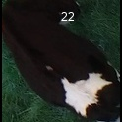
/Users/as16542/Downloads/10m32xl88x2b61zlkkgz3fml17/identification/images/train/042/000036.jpg | 1 |  |  | 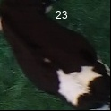
/Users/as16542/Downloads/10m32xl88x2b61zlkkgz3fml17/identification/images/train/042/000010.jpg | 1 |  |  | 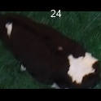
/Users/as16542/Downloads/10m32xl88x2b61zlkkgz3fml17/identification/images/train/042/000039.jpg | 1 |  |  | 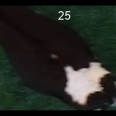
/Users/as16542/Downloads/10m32xl88x2b61zlkkgz3fml17/identification/images/train/042/000004.jpg | 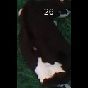 0
/Users/as16542/Downloads/10m32xl88x2b61zlkkgz3fml17/identification/images/train/042/000033.jpg | 1 |  |  | 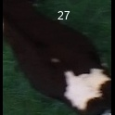
/Users/as16542/Downloads/10m32xl88x2b61zlkkgz3fml17/identification/images/train/042/000034.jpg | 1 |  | 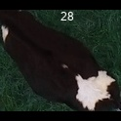
/Users/as16542/Downloads/10m32xl88x2b61zlkkgz3fml17/identification/images/train/042/000028.jpg | 1 |  |  | 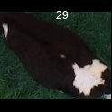
/Users/as16542/Downloads/10m32xl88x2b61zlkkgz3fml17/identification/images/train/042/000030.jpg | 1 |  |  | 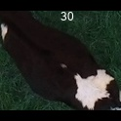
/Users/as16542/Downloads/10m32xl88x2b61zlkkgz3fml17/identification/images/train/042/000029.jpg | 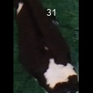 0
/Users/as16542/Downloads/10m32xl88x2b61zlkkgz3fml17/identification/images/train/042/000042.jpg | 0 | 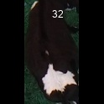
/Users/as16542/Downloads/10m32xl88x2b61zlkkgz3fml17/identification/images/train/042/000031.jpg | 0 | 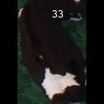
/Users/as16542/Downloads/10m32xl88x2b61zlkkgz3fml17/identification/images/train/042/000021.jpg | 0 | 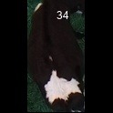
/Users/as16542/Downloads/10m32xl88x2b61zlkkgz3fml17/identification/images/train/042/000022.jpg | 1 |  |  | 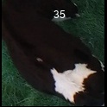
/Users/as16542/Downloads/10m32xl88x2b61zlkkgz3fml17/identification/images/train/042/000038.jpg | 1 |  |  | 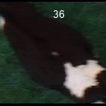
/Users/as16542/Downloads/10m32xl88x2b61zlkkgz3fml17/identification/images/train/042/000016.jpg | 1 |  |  | 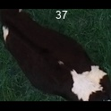
/Users/as16542/Downloads/10m32xl88x2b61zlkkgz3fml17/identification/images/train/042/000027.jpg | 1 |  |  | 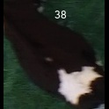
/Users/as16542/Downloads/10m32xl88x2b61zlkkgz3fml17/identification/images/train/042/000024.jpg | 0 | 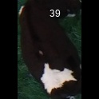
/Users/as16542/Downloads/10m32xl88x2b61zlkkgz3fml17/identification/images/train/042/000007.jpg | 1 |  | 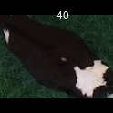
/Users/as16542/Downloads/10m32xl88x2b61zlkkgz3fml17/identification/images/train/042/000020.jpg | 0 | 