Sheet1
/Users/as16542/Downloads/10m32xl88x2b61zlkkgz3fml17/identification/images/train/043/000056.jpg | 0 | 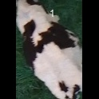
/Users/as16542/Downloads/10m32xl88x2b61zlkkgz3fml17/identification/images/train/043/000009.jpg | 0 | 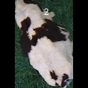
/Users/as16542/Downloads/10m32xl88x2b61zlkkgz3fml17/identification/images/train/043/000015.jpg | 1 |  |  | 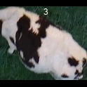
/Users/as16542/Downloads/10m32xl88x2b61zlkkgz3fml17/identification/images/train/043/000048.jpg | 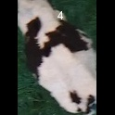 0
/Users/as16542/Downloads/10m32xl88x2b61zlkkgz3fml17/identification/images/train/043/000050.jpg | 1 |  |  | 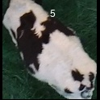
/Users/as16542/Downloads/10m32xl88x2b61zlkkgz3fml17/identification/images/train/043/000052.jpg | 1 |  |  | 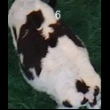
/Users/as16542/Downloads/10m32xl88x2b61zlkkgz3fml17/identification/images/train/043/000043.jpg | 1 |  |  | 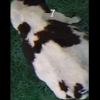
/Users/as16542/Downloads/10m32xl88x2b61zlkkgz3fml17/identification/images/train/043/000037.jpg | 1 |  |  | 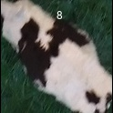
/Users/as16542/Downloads/10m32xl88x2b61zlkkgz3fml17/identification/images/train/043/000014.jpg | 1 |  |  | 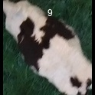
/Users/as16542/Downloads/10m32xl88x2b61zlkkgz3fml17/identification/images/train/043/000057.jpg | 1 |  |  | 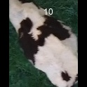
/Users/as16542/Downloads/10m32xl88x2b61zlkkgz3fml17/identification/images/train/043/000019.jpg | 1 |  |  | 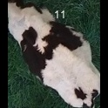
/Users/as16542/Downloads/10m32xl88x2b61zlkkgz3fml17/identification/images/train/043/000040.jpg | 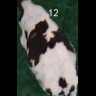 0
/Users/as16542/Downloads/10m32xl88x2b61zlkkgz3fml17/identification/images/train/043/000060.jpg | 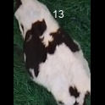 0
/Users/as16542/Downloads/10m32xl88x2b61zlkkgz3fml17/identification/images/train/043/000046.jpg | 1 |  |  | 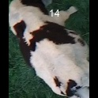
/Users/as16542/Downloads/10m32xl88x2b61zlkkgz3fml17/identification/images/train/043/000051.jpg | 1 |  | 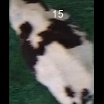
/Users/as16542/Downloads/10m32xl88x2b61zlkkgz3fml17/identification/images/train/043/000044.jpg | 0 | 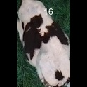
/Users/as16542/Downloads/10m32xl88x2b61zlkkgz3fml17/identification/images/train/043/000011.jpg | 1 |  |  | 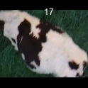
/Users/as16542/Downloads/10m32xl88x2b61zlkkgz3fml17/identification/images/train/043/000002.jpg | 0 | 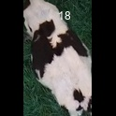
/Users/as16542/Downloads/10m32xl88x2b61zlkkgz3fml17/identification/images/train/043/000041.jpg | 1 |  |  | 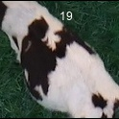
/Users/as16542/Downloads/10m32xl88x2b61zlkkgz3fml17/identification/images/train/043/000003.jpg | 0 | 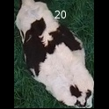
/Users/as16542/Downloads/10m32xl88x2b61zlkkgz3fml17/identification/images/train/043/000032.jpg | 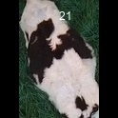 0
/Users/as16542/Downloads/10m32xl88x2b61zlkkgz3fml17/identification/images/train/043/000025.jpg | 1 |  |  | 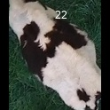
/Users/as16542/Downloads/10m32xl88x2b61zlkkgz3fml17/identification/images/train/043/000012.jpg | 1 |  | 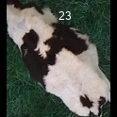
/Users/as16542/Downloads/10m32xl88x2b61zlkkgz3fml17/identification/images/train/043/000058.jpg | 1 |  |  | 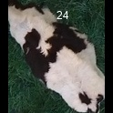
/Users/as16542/Downloads/10m32xl88x2b61zlkkgz3fml17/identification/images/train/043/000018.jpg | 1 |  |  | 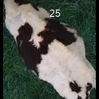
/Users/as16542/Downloads/10m32xl88x2b61zlkkgz3fml17/identification/images/train/043/000013.jpg | 0 | 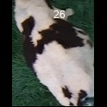
/Users/as16542/Downloads/10m32xl88x2b61zlkkgz3fml17/identification/images/train/043/000017.jpg | 1 |  |  | 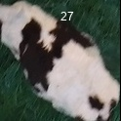
/Users/as16542/Downloads/10m32xl88x2b61zlkkgz3fml17/identification/images/train/043/000008.jpg | 1 |  |  | 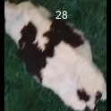
/Users/as16542/Downloads/10m32xl88x2b61zlkkgz3fml17/identification/images/train/043/000035.jpg | 0 | 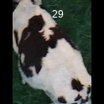
/Users/as16542/Downloads/10m32xl88x2b61zlkkgz3fml17/identification/images/train/043/000005.jpg | 0 | 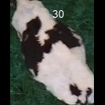
/Users/as16542/Downloads/10m32xl88x2b61zlkkgz3fml17/identification/images/train/043/000001.jpg | 0 | 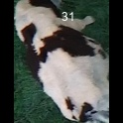
/Users/as16542/Downloads/10m32xl88x2b61zlkkgz3fml17/identification/images/train/043/000006.jpg | 0 | 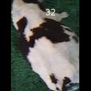
/Users/as16542/Downloads/10m32xl88x2b61zlkkgz3fml17/identification/images/train/043/000062.jpg | 1 |  | 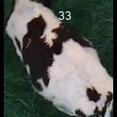
/Users/as16542/Downloads/10m32xl88x2b61zlkkgz3fml17/identification/images/train/043/000023.jpg | 1 |  |  | 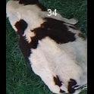
/Users/as16542/Downloads/10m32xl88x2b61zlkkgz3fml17/identification/images/train/043/000026.jpg | 0 | 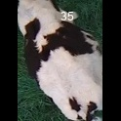
/Users/as16542/Downloads/10m32xl88x2b61zlkkgz3fml17/identification/images/train/043/000036.jpg | 0 | 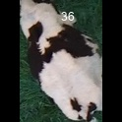
/Users/as16542/Downloads/10m32xl88x2b61zlkkgz3fml17/identification/images/train/043/000010.jpg | 0 | 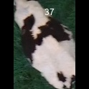
/Users/as16542/Downloads/10m32xl88x2b61zlkkgz3fml17/identification/images/train/043/000039.jpg | 0 | 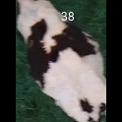
/Users/as16542/Downloads/10m32xl88x2b61zlkkgz3fml17/identification/images/train/043/000059.jpg | 1 |  |  | 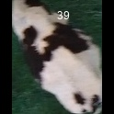
/Users/as16542/Downloads/10m32xl88x2b61zlkkgz3fml17/identification/images/train/043/000004.jpg | 1 |  |  | 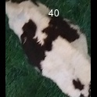
/Users/as16542/Downloads/10m32xl88x2b61zlkkgz3fml17/identification/images/train/043/000033.jpg | 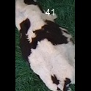 0
/Users/as16542/Downloads/10m32xl88x2b61zlkkgz3fml17/identification/images/train/043/000034.jpg | 0 | 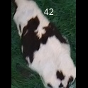
/Users/as16542/Downloads/10m32xl88x2b61zlkkgz3fml17/identification/images/train/043/000061.jpg | 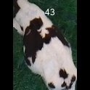 0
/Users/as16542/Downloads/10m32xl88x2b61zlkkgz3fml17/identification/images/train/043/000028.jpg | 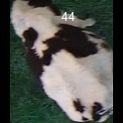 0
/Users/as16542/Downloads/10m32xl88x2b61zlkkgz3fml17/identification/images/train/043/000030.jpg | 1 |  | 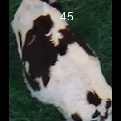
/Users/as16542/Downloads/10m32xl88x2b61zlkkgz3fml17/identification/images/train/043/000045.jpg | 0 | 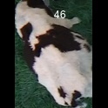
/Users/as16542/Downloads/10m32xl88x2b61zlkkgz3fml17/identification/images/train/043/000029.jpg | 1 |  |  | 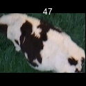
/Users/as16542/Downloads/10m32xl88x2b61zlkkgz3fml17/identification/images/train/043/000042.jpg | 1 |  |  | 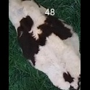
/Users/as16542/Downloads/10m32xl88x2b61zlkkgz3fml17/identification/images/train/043/000031.jpg | 1 |  |  | 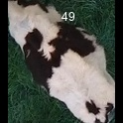
/Users/as16542/Downloads/10m32xl88x2b61zlkkgz3fml17/identification/images/train/043/000021.jpg | 0 | 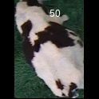
/Users/as16542/Downloads/10m32xl88x2b61zlkkgz3fml17/identification/images/train/043/000022.jpg | 0 | 
/Users/as16542/Downloads/10m32xl88x2b61zlkkgz3fml17/identification/images/train/043/000047.jpg | 1 |  |  | 
/Users/as16542/Downloads/10m32xl88x2b61zlkkgz3fml17/identification/images/train/043/000055.jpg | 1 |  |  | 
/Users/as16542/Downloads/10m32xl88x2b61zlkkgz3fml17/identification/images/train/043/000049.jpg |  0
/Users/as16542/Downloads/10m32xl88x2b61zlkkgz3fml17/identification/images/train/043/000038.jpg | 1 |  |  | 
/Users/as16542/Downloads/10m32xl88x2b61zlkkgz3fml17/identification/images/train/043/000016.jpg | 0 | 
/Users/as16542/Downloads/10m32xl88x2b61zlkkgz3fml17/identification/images/train/043/000027.jpg | 1 |  |  | 
/Users/as16542/Downloads/10m32xl88x2b61zlkkgz3fml17/identification/images/train/043/000024.jpg | 0 | 
/Users/as16542/Downloads/10m32xl88x2b61zlkkgz3fml17/identification/images/train/043/000054.jpg | 1 |  |  | 
/Users/as16542/Downloads/10m32xl88x2b61zlkkgz3fml17/identification/images/train/043/000007.jpg | 1 |  |  | 
/Users/as16542/Downloads/10m32xl88x2b61zlkkgz3fml17/identification/images/train/043/000020.jpg | 0 | 

