Sheet1
/Users/as16542/Downloads/10m32xl88x2b61zlkkgz3fml17/identification/images/train/044/000015.jpg | 0 | 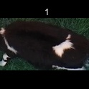
/Users/as16542/Downloads/10m32xl88x2b61zlkkgz3fml17/identification/images/train/044/000043.jpg | 0 | 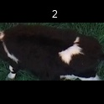
/Users/as16542/Downloads/10m32xl88x2b61zlkkgz3fml17/identification/images/train/044/000037.jpg | 0 | 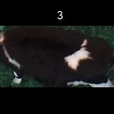
/Users/as16542/Downloads/10m32xl88x2b61zlkkgz3fml17/identification/images/train/044/000014.jpg | 0 | 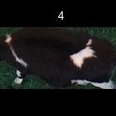
/Users/as16542/Downloads/10m32xl88x2b61zlkkgz3fml17/identification/images/train/044/000019.jpg | 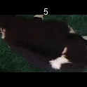 0
/Users/as16542/Downloads/10m32xl88x2b61zlkkgz3fml17/identification/images/train/044/000040.jpg | 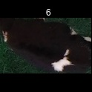 0
/Users/as16542/Downloads/10m32xl88x2b61zlkkgz3fml17/identification/images/train/044/000046.jpg | 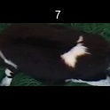 0
/Users/as16542/Downloads/10m32xl88x2b61zlkkgz3fml17/identification/images/train/044/000044.jpg | 1 |  | 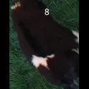
/Users/as16542/Downloads/10m32xl88x2b61zlkkgz3fml17/identification/images/train/044/000011.jpg | 0 | 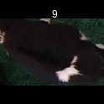
/Users/as16542/Downloads/10m32xl88x2b61zlkkgz3fml17/identification/images/train/044/000002.jpg | 0 | 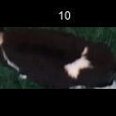
/Users/as16542/Downloads/10m32xl88x2b61zlkkgz3fml17/identification/images/train/044/000041.jpg | 0 | 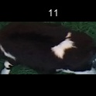
/Users/as16542/Downloads/10m32xl88x2b61zlkkgz3fml17/identification/images/train/044/000003.jpg | 0 | 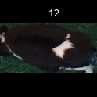
/Users/as16542/Downloads/10m32xl88x2b61zlkkgz3fml17/identification/images/train/044/000032.jpg | 0 | 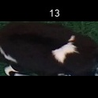
/Users/as16542/Downloads/10m32xl88x2b61zlkkgz3fml17/identification/images/train/044/000025.jpg | 1 |  | 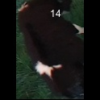
/Users/as16542/Downloads/10m32xl88x2b61zlkkgz3fml17/identification/images/train/044/000012.jpg | 0 | 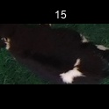
/Users/as16542/Downloads/10m32xl88x2b61zlkkgz3fml17/identification/images/train/044/000018.jpg | 0 | 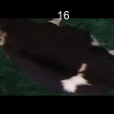
/Users/as16542/Downloads/10m32xl88x2b61zlkkgz3fml17/identification/images/train/044/000013.jpg | 0 | 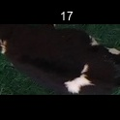
/Users/as16542/Downloads/10m32xl88x2b61zlkkgz3fml17/identification/images/train/044/000017.jpg | 0 | 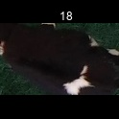
/Users/as16542/Downloads/10m32xl88x2b61zlkkgz3fml17/identification/images/train/044/000008.jpg | 0 | 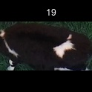
/Users/as16542/Downloads/10m32xl88x2b61zlkkgz3fml17/identification/images/train/044/000035.jpg | 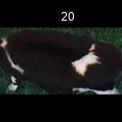 0
/Users/as16542/Downloads/10m32xl88x2b61zlkkgz3fml17/identification/images/train/044/000005.jpg | 0 | 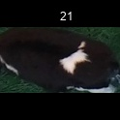
/Users/as16542/Downloads/10m32xl88x2b61zlkkgz3fml17/identification/images/train/044/000001.jpg | 0 | 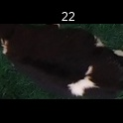
/Users/as16542/Downloads/10m32xl88x2b61zlkkgz3fml17/identification/images/train/044/000006.jpg | 1 |  | 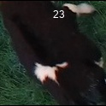
/Users/as16542/Downloads/10m32xl88x2b61zlkkgz3fml17/identification/images/train/044/000023.jpg | 0 | 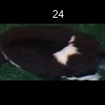
/Users/as16542/Downloads/10m32xl88x2b61zlkkgz3fml17/identification/images/train/044/000026.jpg | 0 | 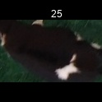
/Users/as16542/Downloads/10m32xl88x2b61zlkkgz3fml17/identification/images/train/044/000036.jpg | 0 | 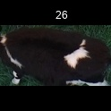
/Users/as16542/Downloads/10m32xl88x2b61zlkkgz3fml17/identification/images/train/044/000010.jpg | 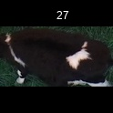 0
/Users/as16542/Downloads/10m32xl88x2b61zlkkgz3fml17/identification/images/train/044/000039.jpg | 0 | 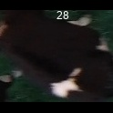
/Users/as16542/Downloads/10m32xl88x2b61zlkkgz3fml17/identification/images/train/044/000004.jpg | 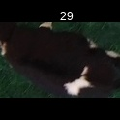 0
/Users/as16542/Downloads/10m32xl88x2b61zlkkgz3fml17/identification/images/train/044/000033.jpg | 0 | 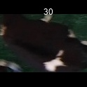
/Users/as16542/Downloads/10m32xl88x2b61zlkkgz3fml17/identification/images/train/044/000034.jpg | 0 | 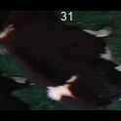
/Users/as16542/Downloads/10m32xl88x2b61zlkkgz3fml17/identification/images/train/044/000028.jpg | 0 | 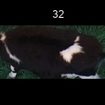
/Users/as16542/Downloads/10m32xl88x2b61zlkkgz3fml17/identification/images/train/044/000030.jpg | 0 | 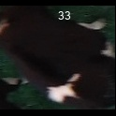
/Users/as16542/Downloads/10m32xl88x2b61zlkkgz3fml17/identification/images/train/044/000045.jpg | 0 | 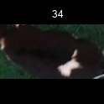
/Users/as16542/Downloads/10m32xl88x2b61zlkkgz3fml17/identification/images/train/044/000029.jpg | 0 | 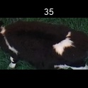
/Users/as16542/Downloads/10m32xl88x2b61zlkkgz3fml17/identification/images/train/044/000042.jpg | 0 | 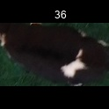
/Users/as16542/Downloads/10m32xl88x2b61zlkkgz3fml17/identification/images/train/044/000031.jpg | 0 | 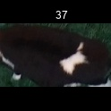
/Users/as16542/Downloads/10m32xl88x2b61zlkkgz3fml17/identification/images/train/044/000021.jpg | 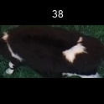 0
/Users/as16542/Downloads/10m32xl88x2b61zlkkgz3fml17/identification/images/train/044/000022.jpg | 0 | 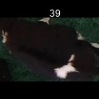
/Users/as16542/Downloads/10m32xl88x2b61zlkkgz3fml17/identification/images/train/044/000038.jpg | 0 | 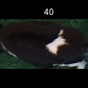
/Users/as16542/Downloads/10m32xl88x2b61zlkkgz3fml17/identification/images/train/044/000016.jpg | 1 |  | 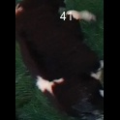
/Users/as16542/Downloads/10m32xl88x2b61zlkkgz3fml17/identification/images/train/044/000027.jpg | 1 |  | 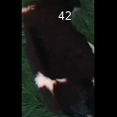
/Users/as16542/Downloads/10m32xl88x2b61zlkkgz3fml17/identification/images/train/044/000024.jpg | 0 | 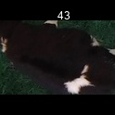
/Users/as16542/Downloads/10m32xl88x2b61zlkkgz3fml17/identification/images/train/044/000007.jpg | 0 | 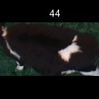
/Users/as16542/Downloads/10m32xl88x2b61zlkkgz3fml17/identification/images/train/044/000020.jpg | 0 | 