Sheet1
/Users/as16542/Downloads/10m32xl88x2b61zlkkgz3fml17/identification/images/train/045/000015.jpg | 0 | 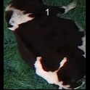
/Users/as16542/Downloads/10m32xl88x2b61zlkkgz3fml17/identification/images/train/045/000037.jpg | 1 |  |  | 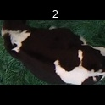
/Users/as16542/Downloads/10m32xl88x2b61zlkkgz3fml17/identification/images/train/045/000014.jpg | 1 |  |  | 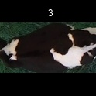
/Users/as16542/Downloads/10m32xl88x2b61zlkkgz3fml17/identification/images/train/045/000019.jpg | 0 | 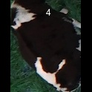
/Users/as16542/Downloads/10m32xl88x2b61zlkkgz3fml17/identification/images/train/045/000040.jpg | 1 |  |  | 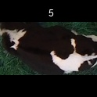
/Users/as16542/Downloads/10m32xl88x2b61zlkkgz3fml17/identification/images/train/045/000011.jpg | 1 |  |  | 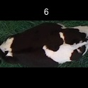
/Users/as16542/Downloads/10m32xl88x2b61zlkkgz3fml17/identification/images/train/045/000002.jpg | 0 | 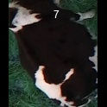
/Users/as16542/Downloads/10m32xl88x2b61zlkkgz3fml17/identification/images/train/045/000003.jpg | 0 | 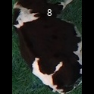
/Users/as16542/Downloads/10m32xl88x2b61zlkkgz3fml17/identification/images/train/045/000032.jpg | 1 |  |  | 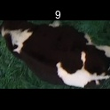
/Users/as16542/Downloads/10m32xl88x2b61zlkkgz3fml17/identification/images/train/045/000025.jpg | 1 |  |  | 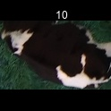
/Users/as16542/Downloads/10m32xl88x2b61zlkkgz3fml17/identification/images/train/045/000012.jpg | 1 |  |  | 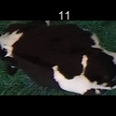
/Users/as16542/Downloads/10m32xl88x2b61zlkkgz3fml17/identification/images/train/045/000018.jpg | 1 |  |  | 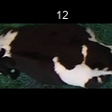
/Users/as16542/Downloads/10m32xl88x2b61zlkkgz3fml17/identification/images/train/045/000013.jpg | 0 | 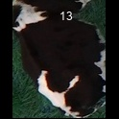
/Users/as16542/Downloads/10m32xl88x2b61zlkkgz3fml17/identification/images/train/045/000017.jpg | 1 |  |  | 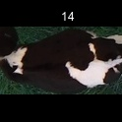
/Users/as16542/Downloads/10m32xl88x2b61zlkkgz3fml17/identification/images/train/045/000008.jpg | 1 |  |  | 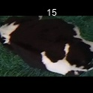
/Users/as16542/Downloads/10m32xl88x2b61zlkkgz3fml17/identification/images/train/045/000035.jpg | 0 | 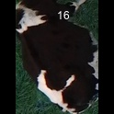
/Users/as16542/Downloads/10m32xl88x2b61zlkkgz3fml17/identification/images/train/045/000005.jpg | 1 |  | 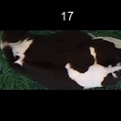
/Users/as16542/Downloads/10m32xl88x2b61zlkkgz3fml17/identification/images/train/045/000001.jpg | 0 | 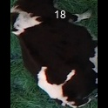
/Users/as16542/Downloads/10m32xl88x2b61zlkkgz3fml17/identification/images/train/045/000006.jpg | 0 | 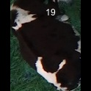
/Users/as16542/Downloads/10m32xl88x2b61zlkkgz3fml17/identification/images/train/045/000023.jpg | 0 | 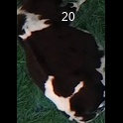
/Users/as16542/Downloads/10m32xl88x2b61zlkkgz3fml17/identification/images/train/045/000026.jpg | 1 |  | 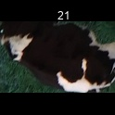
/Users/as16542/Downloads/10m32xl88x2b61zlkkgz3fml17/identification/images/train/045/000036.jpg | 1 |  | 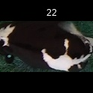
/Users/as16542/Downloads/10m32xl88x2b61zlkkgz3fml17/identification/images/train/045/000010.jpg | 0 | 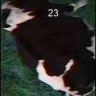
/Users/as16542/Downloads/10m32xl88x2b61zlkkgz3fml17/identification/images/train/045/000039.jpg | 1 |  |  | 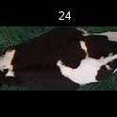
/Users/as16542/Downloads/10m32xl88x2b61zlkkgz3fml17/identification/images/train/045/000004.jpg | 0 | 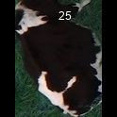
/Users/as16542/Downloads/10m32xl88x2b61zlkkgz3fml17/identification/images/train/045/000033.jpg | 0 | 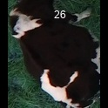
/Users/as16542/Downloads/10m32xl88x2b61zlkkgz3fml17/identification/images/train/045/000034.jpg | 1 |  |  | 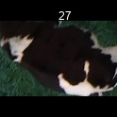
/Users/as16542/Downloads/10m32xl88x2b61zlkkgz3fml17/identification/images/train/045/000028.jpg | 0 | 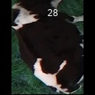
/Users/as16542/Downloads/10m32xl88x2b61zlkkgz3fml17/identification/images/train/045/000030.jpg | 1 |  |  | 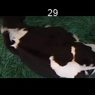
/Users/as16542/Downloads/10m32xl88x2b61zlkkgz3fml17/identification/images/train/045/000029.jpg | 0 | 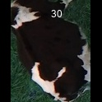
/Users/as16542/Downloads/10m32xl88x2b61zlkkgz3fml17/identification/images/train/045/000031.jpg | 0 | 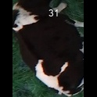
/Users/as16542/Downloads/10m32xl88x2b61zlkkgz3fml17/identification/images/train/045/000021.jpg | 0 | 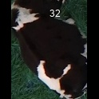
/Users/as16542/Downloads/10m32xl88x2b61zlkkgz3fml17/identification/images/train/045/000022.jpg | 1 |  | 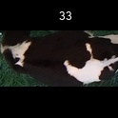
/Users/as16542/Downloads/10m32xl88x2b61zlkkgz3fml17/identification/images/train/045/000038.jpg | 1 |  | 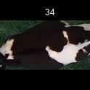
/Users/as16542/Downloads/10m32xl88x2b61zlkkgz3fml17/identification/images/train/045/000016.jpg | 0 | 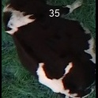
/Users/as16542/Downloads/10m32xl88x2b61zlkkgz3fml17/identification/images/train/045/000027.jpg | 0 | 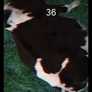
/Users/as16542/Downloads/10m32xl88x2b61zlkkgz3fml17/identification/images/train/045/000024.jpg | 1 |  | 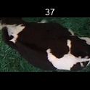
/Users/as16542/Downloads/10m32xl88x2b61zlkkgz3fml17/identification/images/train/045/000007.jpg | 1 |  | 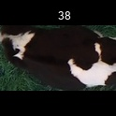
/Users/as16542/Downloads/10m32xl88x2b61zlkkgz3fml17/identification/images/train/045/000020.jpg | 1 |  | 