Sheet1
/Users/as16542/Downloads/10m32xl88x2b61zlkkgz3fml17/identification/images/train/003/000079.jpg |  |  |  | 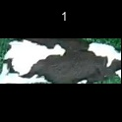
/Users/as16542/Downloads/10m32xl88x2b61zlkkgz3fml17/identification/images/train/003/000071.jpg |  |  |  | 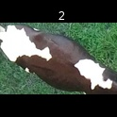
/Users/as16542/Downloads/10m32xl88x2b61zlkkgz3fml17/identification/images/train/003/000053.jpg |  |  |  | 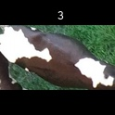
/Users/as16542/Downloads/10m32xl88x2b61zlkkgz3fml17/identification/images/train/003/000077.jpg |  | 
/Users/as16542/Downloads/10m32xl88x2b61zlkkgz3fml17/identification/images/train/003/000066.jpg |  |  |  | 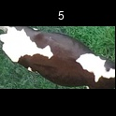
/Users/as16542/Downloads/10m32xl88x2b61zlkkgz3fml17/identification/images/train/003/000095.jpg |  |  |  | 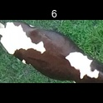
/Users/as16542/Downloads/10m32xl88x2b61zlkkgz3fml17/identification/images/train/003/000056.jpg |  |  |  | 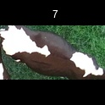
/Users/as16542/Downloads/10m32xl88x2b61zlkkgz3fml17/identification/images/train/003/000009.jpg |  |  |  | 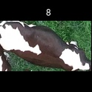
/Users/as16542/Downloads/10m32xl88x2b61zlkkgz3fml17/identification/images/train/003/000015.jpg |  | 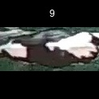
/Users/as16542/Downloads/10m32xl88x2b61zlkkgz3fml17/identification/images/train/003/000093.jpg |  |  |  |  | 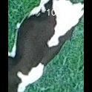
/Users/as16542/Downloads/10m32xl88x2b61zlkkgz3fml17/identification/images/train/003/000091.jpg |  | 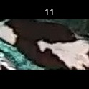
/Users/as16542/Downloads/10m32xl88x2b61zlkkgz3fml17/identification/images/train/003/000075.jpg |  |  |  | 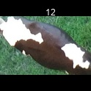
/Users/as16542/Downloads/10m32xl88x2b61zlkkgz3fml17/identification/images/train/003/000048.jpg |  | 
/Users/as16542/Downloads/10m32xl88x2b61zlkkgz3fml17/identification/images/train/003/000050.jpg |  |  |  | 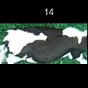
/Users/as16542/Downloads/10m32xl88x2b61zlkkgz3fml17/identification/images/train/003/000052.jpg |  |  |  | 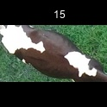
/Users/as16542/Downloads/10m32xl88x2b61zlkkgz3fml17/identification/images/train/003/000043.jpg |  |  |  | 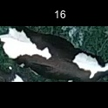
/Users/as16542/Downloads/10m32xl88x2b61zlkkgz3fml17/identification/images/train/003/000086.jpg |  | 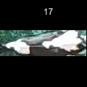
/Users/as16542/Downloads/10m32xl88x2b61zlkkgz3fml17/identification/images/train/003/000037.jpg |  |  |  | 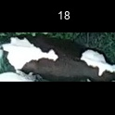
/Users/as16542/Downloads/10m32xl88x2b61zlkkgz3fml17/identification/images/train/003/000014.jpg |  |  |  | 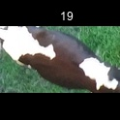
/Users/as16542/Downloads/10m32xl88x2b61zlkkgz3fml17/identification/images/train/003/000057.jpg | 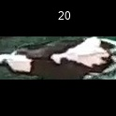
/Users/as16542/Downloads/10m32xl88x2b61zlkkgz3fml17/identification/images/train/003/000019.jpg |  |  | 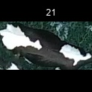
/Users/as16542/Downloads/10m32xl88x2b61zlkkgz3fml17/identification/images/train/003/000040.jpg |  | 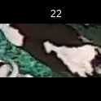
/Users/as16542/Downloads/10m32xl88x2b61zlkkgz3fml17/identification/images/train/003/000069.jpg |  |  |  |  | 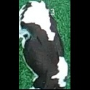
/Users/as16542/Downloads/10m32xl88x2b61zlkkgz3fml17/identification/images/train/003/000060.jpg | 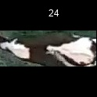
/Users/as16542/Downloads/10m32xl88x2b61zlkkgz3fml17/identification/images/train/003/000046.jpg |  |  | 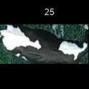
/Users/as16542/Downloads/10m32xl88x2b61zlkkgz3fml17/identification/images/train/003/000089.jpg |  |  |  |  |  |  | 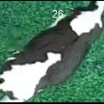
/Users/as16542/Downloads/10m32xl88x2b61zlkkgz3fml17/identification/images/train/003/000051.jpg |  |  |  |  | 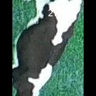
/Users/as16542/Downloads/10m32xl88x2b61zlkkgz3fml17/identification/images/train/003/000072.jpg |  | 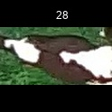
/Users/as16542/Downloads/10m32xl88x2b61zlkkgz3fml17/identification/images/train/003/000044.jpg |  |  |  |  | 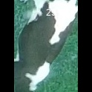
/Users/as16542/Downloads/10m32xl88x2b61zlkkgz3fml17/identification/images/train/003/000078.jpg |  |  |  |  |  | 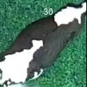
/Users/as16542/Downloads/10m32xl88x2b61zlkkgz3fml17/identification/images/train/003/000011.jpg |  | 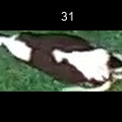
/Users/as16542/Downloads/10m32xl88x2b61zlkkgz3fml17/identification/images/train/003/000063.jpg |  | 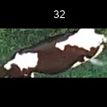
/Users/as16542/Downloads/10m32xl88x2b61zlkkgz3fml17/identification/images/train/003/000002.jpg | 
/Users/as16542/Downloads/10m32xl88x2b61zlkkgz3fml17/identification/images/train/003/000081.jpg |  |  | 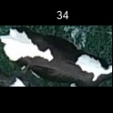
/Users/as16542/Downloads/10m32xl88x2b61zlkkgz3fml17/identification/images/train/003/000041.jpg |  |  | 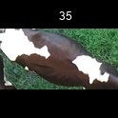
/Users/as16542/Downloads/10m32xl88x2b61zlkkgz3fml17/identification/images/train/003/000003.jpg |  |  | 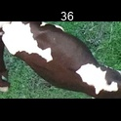
/Users/as16542/Downloads/10m32xl88x2b61zlkkgz3fml17/identification/images/train/003/000032.jpg | 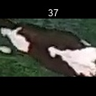
/Users/as16542/Downloads/10m32xl88x2b61zlkkgz3fml17/identification/images/train/003/000025.jpg |  |  |  | 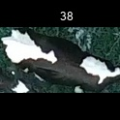
/Users/as16542/Downloads/10m32xl88x2b61zlkkgz3fml17/identification/images/train/003/000067.jpg |  |  |  | 
/Users/as16542/Downloads/10m32xl88x2b61zlkkgz3fml17/identification/images/train/003/000097.jpg |  | 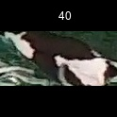
/Users/as16542/Downloads/10m32xl88x2b61zlkkgz3fml17/identification/images/train/003/000012.jpg |  |  |  | 
/Users/as16542/Downloads/10m32xl88x2b61zlkkgz3fml17/identification/images/train/003/000058.jpg |  |  |  | 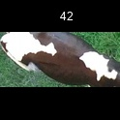
/Users/as16542/Downloads/10m32xl88x2b61zlkkgz3fml17/identification/images/train/003/000018.jpg |  | 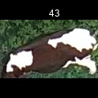
/Users/as16542/Downloads/10m32xl88x2b61zlkkgz3fml17/identification/images/train/003/000013.jpg |  |  |  | 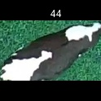
/Users/as16542/Downloads/10m32xl88x2b61zlkkgz3fml17/identification/images/train/003/000068.jpg |  | 
/Users/as16542/Downloads/10m32xl88x2b61zlkkgz3fml17/identification/images/train/003/000017.jpg |  |  |  | 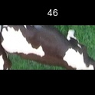
/Users/as16542/Downloads/10m32xl88x2b61zlkkgz3fml17/identification/images/train/003/000008.jpg |  |  |  | 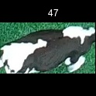
/Users/as16542/Downloads/10m32xl88x2b61zlkkgz3fml17/identification/images/train/003/000035.jpg |  |  |  | 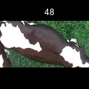
/Users/as16542/Downloads/10m32xl88x2b61zlkkgz3fml17/identification/images/train/003/000005.jpg |  | 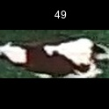
/Users/as16542/Downloads/10m32xl88x2b61zlkkgz3fml17/identification/images/train/003/000070.jpg |  |  |  | 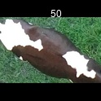
/Users/as16542/Downloads/10m32xl88x2b61zlkkgz3fml17/identification/images/train/003/000001.jpg |  |  |  | 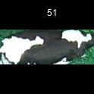
/Users/as16542/Downloads/10m32xl88x2b61zlkkgz3fml17/identification/images/train/003/000085.jpg |  |  |  | 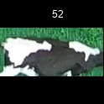
/Users/as16542/Downloads/10m32xl88x2b61zlkkgz3fml17/identification/images/train/003/000099.jpg |  |  |  | 
/Users/as16542/Downloads/10m32xl88x2b61zlkkgz3fml17/identification/images/train/003/000006.jpg |  |  |  | 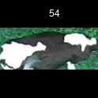
/Users/as16542/Downloads/10m32xl88x2b61zlkkgz3fml17/identification/images/train/003/000062.jpg |  |  |  |  | 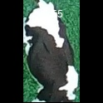
/Users/as16542/Downloads/10m32xl88x2b61zlkkgz3fml17/identification/images/train/003/000023.jpg |  | 
/Users/as16542/Downloads/10m32xl88x2b61zlkkgz3fml17/identification/images/train/003/000026.jpg |  |  |  |  | 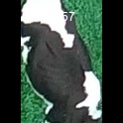
/Users/as16542/Downloads/10m32xl88x2b61zlkkgz3fml17/identification/images/train/003/000036.jpg |  |  |  | 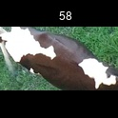
/Users/as16542/Downloads/10m32xl88x2b61zlkkgz3fml17/identification/images/train/003/000010.jpg |  |  |  | 
/Users/as16542/Downloads/10m32xl88x2b61zlkkgz3fml17/identification/images/train/003/000083.jpg |  | 
/Users/as16542/Downloads/10m32xl88x2b61zlkkgz3fml17/identification/images/train/003/000039.jpg |  |  | 
/Users/as16542/Downloads/10m32xl88x2b61zlkkgz3fml17/identification/images/train/003/000059.jpg |  |  | 
/Users/as16542/Downloads/10m32xl88x2b61zlkkgz3fml17/identification/images/train/003/000004.jpg |  |  | 
/Users/as16542/Downloads/10m32xl88x2b61zlkkgz3fml17/identification/images/train/003/000084.jpg |  |  | 
/Users/as16542/Downloads/10m32xl88x2b61zlkkgz3fml17/identification/images/train/003/000092.jpg |  |  |  |  |  |  | 
/Users/as16542/Downloads/10m32xl88x2b61zlkkgz3fml17/identification/images/train/003/000033.jpg |  |  |  |  | 
/Users/as16542/Downloads/10m32xl88x2b61zlkkgz3fml17/identification/images/train/003/000034.jpg |  |  | 
/Users/as16542/Downloads/10m32xl88x2b61zlkkgz3fml17/identification/images/train/003/000061.jpg |  | 
/Users/as16542/Downloads/10m32xl88x2b61zlkkgz3fml17/identification/images/train/003/000028.jpg |  |  |  |  |  | 
/Users/as16542/Downloads/10m32xl88x2b61zlkkgz3fml17/identification/images/train/003/000082.jpg |  |  |  | 
/Users/as16542/Downloads/10m32xl88x2b61zlkkgz3fml17/identification/images/train/003/000098.jpg |  |  |  |  |  |  |  | 
/Users/as16542/Downloads/10m32xl88x2b61zlkkgz3fml17/identification/images/train/003/000030.jpg |  | 
/Users/as16542/Downloads/10m32xl88x2b61zlkkgz3fml17/identification/images/train/003/000045.jpg |  |  |  | 
/Users/as16542/Downloads/10m32xl88x2b61zlkkgz3fml17/identification/images/train/003/000080.jpg |  |  |  | 
/Users/as16542/Downloads/10m32xl88x2b61zlkkgz3fml17/identification/images/train/003/000074.jpg |  | 
/Users/as16542/Downloads/10m32xl88x2b61zlkkgz3fml17/identification/images/train/003/000029.jpg |  |  |  |  |  |  |  | 
/Users/as16542/Downloads/10m32xl88x2b61zlkkgz3fml17/identification/images/train/003/000103.jpg |  |  |  |  | 
/Users/as16542/Downloads/10m32xl88x2b61zlkkgz3fml17/identification/images/train/003/000064.jpg |  |  |  | 
/Users/as16542/Downloads/10m32xl88x2b61zlkkgz3fml17/identification/images/train/003/000042.jpg |  |  |  | 
/Users/as16542/Downloads/10m32xl88x2b61zlkkgz3fml17/identification/images/train/003/000031.jpg | 
/Users/as16542/Downloads/10m32xl88x2b61zlkkgz3fml17/identification/images/train/003/000073.jpg |  |  |  | 
/Users/as16542/Downloads/10m32xl88x2b61zlkkgz3fml17/identification/images/train/003/000021.jpg |  |  |  | 
/Users/as16542/Downloads/10m32xl88x2b61zlkkgz3fml17/identification/images/train/003/000094.jpg |  |  |  | 
/Users/as16542/Downloads/10m32xl88x2b61zlkkgz3fml17/identification/images/train/003/000022.jpg | 
/Users/as16542/Downloads/10m32xl88x2b61zlkkgz3fml17/identification/images/train/003/000101.jpg | 
/Users/as16542/Downloads/10m32xl88x2b61zlkkgz3fml17/identification/images/train/003/000047.jpg |  |  |  | 
/Users/as16542/Downloads/10m32xl88x2b61zlkkgz3fml17/identification/images/train/003/000055.jpg |  |  |  | 
/Users/as16542/Downloads/10m32xl88x2b61zlkkgz3fml17/identification/images/train/003/000049.jpg |  |  |  |  |  |  | 
/Users/as16542/Downloads/10m32xl88x2b61zlkkgz3fml17/identification/images/train/003/000096.jpg |  |  |  | 
/Users/as16542/Downloads/10m32xl88x2b61zlkkgz3fml17/identification/images/train/003/000076.jpg |  |  |  |  | 
/Users/as16542/Downloads/10m32xl88x2b61zlkkgz3fml17/identification/images/train/003/000038.jpg |  | 
/Users/as16542/Downloads/10m32xl88x2b61zlkkgz3fml17/identification/images/train/003/000016.jpg |  |  |  | 
/Users/as16542/Downloads/10m32xl88x2b61zlkkgz3fml17/identification/images/train/003/000087.jpg |  |  |  | 
/Users/as16542/Downloads/10m32xl88x2b61zlkkgz3fml17/identification/images/train/003/000027.jpg |  | 
/Users/as16542/Downloads/10m32xl88x2b61zlkkgz3fml17/identification/images/train/003/000090.jpg |  |  |  |  |  |  |  | 
/Users/as16542/Downloads/10m32xl88x2b61zlkkgz3fml17/identification/images/train/003/000100.jpg |  | 
/Users/as16542/Downloads/10m32xl88x2b61zlkkgz3fml17/identification/images/train/003/000065.jpg |  |  |  | 
/Users/as16542/Downloads/10m32xl88x2b61zlkkgz3fml17/identification/images/train/003/000024.jpg |  |  |  | 
/Users/as16542/Downloads/10m32xl88x2b61zlkkgz3fml17/identification/images/train/003/000054.jpg |  |  |  | 
/Users/as16542/Downloads/10m32xl88x2b61zlkkgz3fml17/identification/images/train/003/000007.jpg |  | 
/Users/as16542/Downloads/10m32xl88x2b61zlkkgz3fml17/identification/images/train/003/000102.jpg |  |  |  |  |  |  | 
/Users/as16542/Downloads/10m32xl88x2b61zlkkgz3fml17/identification/images/train/003/000020.jpg |  |  |  |  |  |  |  | 

