Sheet1
/Users/as16542/Downloads/10m32xl88x2b61zlkkgz3fml17/identification/images/train/044/000015.jpg |  | 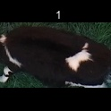
/Users/as16542/Downloads/10m32xl88x2b61zlkkgz3fml17/identification/images/train/044/000043.jpg |  | 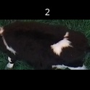
/Users/as16542/Downloads/10m32xl88x2b61zlkkgz3fml17/identification/images/train/044/000037.jpg |  | 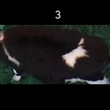
/Users/as16542/Downloads/10m32xl88x2b61zlkkgz3fml17/identification/images/train/044/000014.jpg |  | 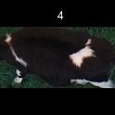
/Users/as16542/Downloads/10m32xl88x2b61zlkkgz3fml17/identification/images/train/044/000019.jpg | 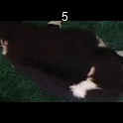
/Users/as16542/Downloads/10m32xl88x2b61zlkkgz3fml17/identification/images/train/044/000040.jpg | 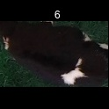
/Users/as16542/Downloads/10m32xl88x2b61zlkkgz3fml17/identification/images/train/044/000046.jpg | 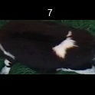
/Users/as16542/Downloads/10m32xl88x2b61zlkkgz3fml17/identification/images/train/044/000044.jpg |  |  | 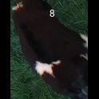
/Users/as16542/Downloads/10m32xl88x2b61zlkkgz3fml17/identification/images/train/044/000011.jpg |  | 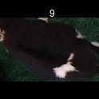
/Users/as16542/Downloads/10m32xl88x2b61zlkkgz3fml17/identification/images/train/044/000002.jpg |  | 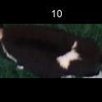
/Users/as16542/Downloads/10m32xl88x2b61zlkkgz3fml17/identification/images/train/044/000041.jpg |  | 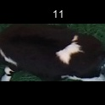
/Users/as16542/Downloads/10m32xl88x2b61zlkkgz3fml17/identification/images/train/044/000003.jpg |  | 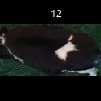
/Users/as16542/Downloads/10m32xl88x2b61zlkkgz3fml17/identification/images/train/044/000032.jpg |  | 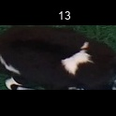
/Users/as16542/Downloads/10m32xl88x2b61zlkkgz3fml17/identification/images/train/044/000025.jpg |  |  | 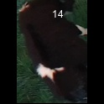
/Users/as16542/Downloads/10m32xl88x2b61zlkkgz3fml17/identification/images/train/044/000012.jpg |  | 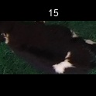
/Users/as16542/Downloads/10m32xl88x2b61zlkkgz3fml17/identification/images/train/044/000018.jpg |  | 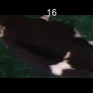
/Users/as16542/Downloads/10m32xl88x2b61zlkkgz3fml17/identification/images/train/044/000013.jpg |  | 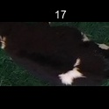
/Users/as16542/Downloads/10m32xl88x2b61zlkkgz3fml17/identification/images/train/044/000017.jpg |  | 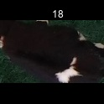
/Users/as16542/Downloads/10m32xl88x2b61zlkkgz3fml17/identification/images/train/044/000008.jpg |  | 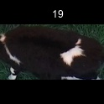
/Users/as16542/Downloads/10m32xl88x2b61zlkkgz3fml17/identification/images/train/044/000035.jpg | 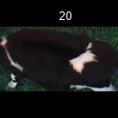
/Users/as16542/Downloads/10m32xl88x2b61zlkkgz3fml17/identification/images/train/044/000005.jpg |  | 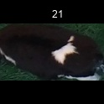
/Users/as16542/Downloads/10m32xl88x2b61zlkkgz3fml17/identification/images/train/044/000001.jpg |  | 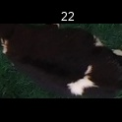
/Users/as16542/Downloads/10m32xl88x2b61zlkkgz3fml17/identification/images/train/044/000006.jpg |  |  | 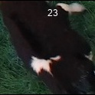
/Users/as16542/Downloads/10m32xl88x2b61zlkkgz3fml17/identification/images/train/044/000023.jpg |  | 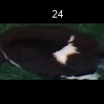
/Users/as16542/Downloads/10m32xl88x2b61zlkkgz3fml17/identification/images/train/044/000026.jpg |  | 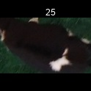
/Users/as16542/Downloads/10m32xl88x2b61zlkkgz3fml17/identification/images/train/044/000036.jpg |  | 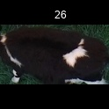
/Users/as16542/Downloads/10m32xl88x2b61zlkkgz3fml17/identification/images/train/044/000010.jpg | 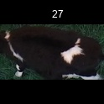
/Users/as16542/Downloads/10m32xl88x2b61zlkkgz3fml17/identification/images/train/044/000039.jpg |  | 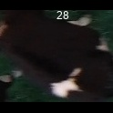
/Users/as16542/Downloads/10m32xl88x2b61zlkkgz3fml17/identification/images/train/044/000004.jpg | 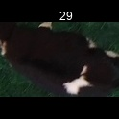
/Users/as16542/Downloads/10m32xl88x2b61zlkkgz3fml17/identification/images/train/044/000033.jpg |  | 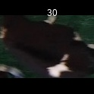
/Users/as16542/Downloads/10m32xl88x2b61zlkkgz3fml17/identification/images/train/044/000034.jpg |  | 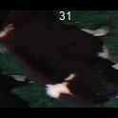
/Users/as16542/Downloads/10m32xl88x2b61zlkkgz3fml17/identification/images/train/044/000028.jpg |  | 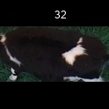
/Users/as16542/Downloads/10m32xl88x2b61zlkkgz3fml17/identification/images/train/044/000030.jpg |  | 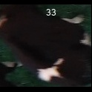
/Users/as16542/Downloads/10m32xl88x2b61zlkkgz3fml17/identification/images/train/044/000045.jpg |  | 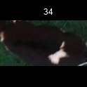
/Users/as16542/Downloads/10m32xl88x2b61zlkkgz3fml17/identification/images/train/044/000029.jpg |  | 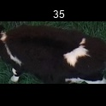
/Users/as16542/Downloads/10m32xl88x2b61zlkkgz3fml17/identification/images/train/044/000042.jpg |  | 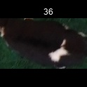
/Users/as16542/Downloads/10m32xl88x2b61zlkkgz3fml17/identification/images/train/044/000031.jpg |  | 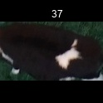
/Users/as16542/Downloads/10m32xl88x2b61zlkkgz3fml17/identification/images/train/044/000021.jpg | 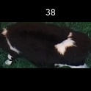
/Users/as16542/Downloads/10m32xl88x2b61zlkkgz3fml17/identification/images/train/044/000022.jpg |  | 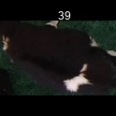
/Users/as16542/Downloads/10m32xl88x2b61zlkkgz3fml17/identification/images/train/044/000038.jpg |  | 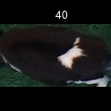
/Users/as16542/Downloads/10m32xl88x2b61zlkkgz3fml17/identification/images/train/044/000016.jpg |  |  | 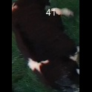
/Users/as16542/Downloads/10m32xl88x2b61zlkkgz3fml17/identification/images/train/044/000027.jpg |  |  | 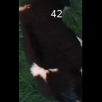
/Users/as16542/Downloads/10m32xl88x2b61zlkkgz3fml17/identification/images/train/044/000024.jpg |  | 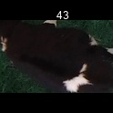
/Users/as16542/Downloads/10m32xl88x2b61zlkkgz3fml17/identification/images/train/044/000007.jpg |  | 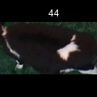
/Users/as16542/Downloads/10m32xl88x2b61zlkkgz3fml17/identification/images/train/044/000020.jpg |  | 