Sheet1
/Users/as16542/Downloads/10m32xl88x2b61zlkkgz3fml17/identification/images/train/045/000015.jpg | 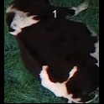
/Users/as16542/Downloads/10m32xl88x2b61zlkkgz3fml17/identification/images/train/045/000037.jpg |  |  | 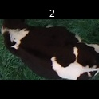
/Users/as16542/Downloads/10m32xl88x2b61zlkkgz3fml17/identification/images/train/045/000014.jpg |  |  | 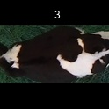
/Users/as16542/Downloads/10m32xl88x2b61zlkkgz3fml17/identification/images/train/045/000019.jpg | 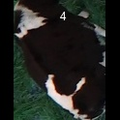
/Users/as16542/Downloads/10m32xl88x2b61zlkkgz3fml17/identification/images/train/045/000040.jpg |  |  | 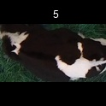
/Users/as16542/Downloads/10m32xl88x2b61zlkkgz3fml17/identification/images/train/045/000011.jpg |  |  | 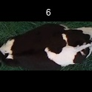
/Users/as16542/Downloads/10m32xl88x2b61zlkkgz3fml17/identification/images/train/045/000002.jpg | 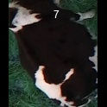
/Users/as16542/Downloads/10m32xl88x2b61zlkkgz3fml17/identification/images/train/045/000003.jpg | 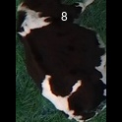
/Users/as16542/Downloads/10m32xl88x2b61zlkkgz3fml17/identification/images/train/045/000032.jpg |  |  | 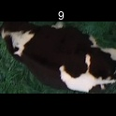
/Users/as16542/Downloads/10m32xl88x2b61zlkkgz3fml17/identification/images/train/045/000025.jpg |  |  | 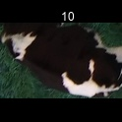
/Users/as16542/Downloads/10m32xl88x2b61zlkkgz3fml17/identification/images/train/045/000012.jpg |  |  | 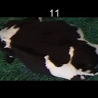
/Users/as16542/Downloads/10m32xl88x2b61zlkkgz3fml17/identification/images/train/045/000018.jpg |  |  | 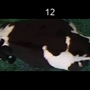
/Users/as16542/Downloads/10m32xl88x2b61zlkkgz3fml17/identification/images/train/045/000013.jpg | 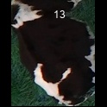
/Users/as16542/Downloads/10m32xl88x2b61zlkkgz3fml17/identification/images/train/045/000017.jpg |  |  | 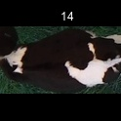
/Users/as16542/Downloads/10m32xl88x2b61zlkkgz3fml17/identification/images/train/045/000008.jpg |  |  | 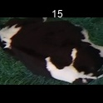
/Users/as16542/Downloads/10m32xl88x2b61zlkkgz3fml17/identification/images/train/045/000035.jpg | 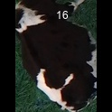
/Users/as16542/Downloads/10m32xl88x2b61zlkkgz3fml17/identification/images/train/045/000005.jpg |  | 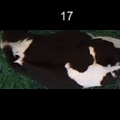
/Users/as16542/Downloads/10m32xl88x2b61zlkkgz3fml17/identification/images/train/045/000001.jpg | 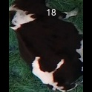
/Users/as16542/Downloads/10m32xl88x2b61zlkkgz3fml17/identification/images/train/045/000006.jpg | 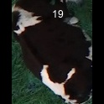
/Users/as16542/Downloads/10m32xl88x2b61zlkkgz3fml17/identification/images/train/045/000023.jpg | 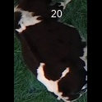
/Users/as16542/Downloads/10m32xl88x2b61zlkkgz3fml17/identification/images/train/045/000026.jpg |  | 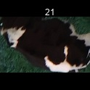
/Users/as16542/Downloads/10m32xl88x2b61zlkkgz3fml17/identification/images/train/045/000036.jpg |  | 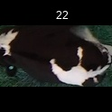
/Users/as16542/Downloads/10m32xl88x2b61zlkkgz3fml17/identification/images/train/045/000010.jpg | 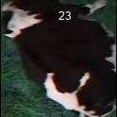
/Users/as16542/Downloads/10m32xl88x2b61zlkkgz3fml17/identification/images/train/045/000039.jpg |  |  | 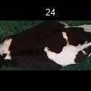
/Users/as16542/Downloads/10m32xl88x2b61zlkkgz3fml17/identification/images/train/045/000004.jpg | 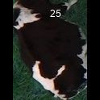
/Users/as16542/Downloads/10m32xl88x2b61zlkkgz3fml17/identification/images/train/045/000033.jpg | 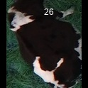
/Users/as16542/Downloads/10m32xl88x2b61zlkkgz3fml17/identification/images/train/045/000034.jpg |  |  | 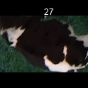
/Users/as16542/Downloads/10m32xl88x2b61zlkkgz3fml17/identification/images/train/045/000028.jpg | 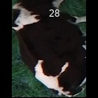
/Users/as16542/Downloads/10m32xl88x2b61zlkkgz3fml17/identification/images/train/045/000030.jpg |  |  | 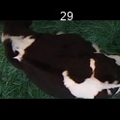
/Users/as16542/Downloads/10m32xl88x2b61zlkkgz3fml17/identification/images/train/045/000029.jpg | 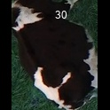
/Users/as16542/Downloads/10m32xl88x2b61zlkkgz3fml17/identification/images/train/045/000031.jpg | 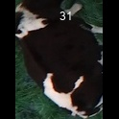
/Users/as16542/Downloads/10m32xl88x2b61zlkkgz3fml17/identification/images/train/045/000021.jpg | 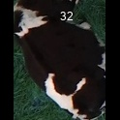
/Users/as16542/Downloads/10m32xl88x2b61zlkkgz3fml17/identification/images/train/045/000022.jpg |  | 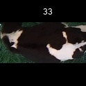
/Users/as16542/Downloads/10m32xl88x2b61zlkkgz3fml17/identification/images/train/045/000038.jpg |  | 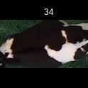
/Users/as16542/Downloads/10m32xl88x2b61zlkkgz3fml17/identification/images/train/045/000016.jpg | 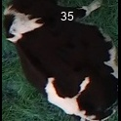
/Users/as16542/Downloads/10m32xl88x2b61zlkkgz3fml17/identification/images/train/045/000027.jpg | 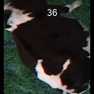
/Users/as16542/Downloads/10m32xl88x2b61zlkkgz3fml17/identification/images/train/045/000024.jpg |  | 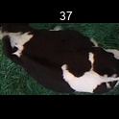
/Users/as16542/Downloads/10m32xl88x2b61zlkkgz3fml17/identification/images/train/045/000007.jpg |  | 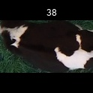
/Users/as16542/Downloads/10m32xl88x2b61zlkkgz3fml17/identification/images/train/045/000020.jpg |  | 