Sheet1
/Users/as16542/Downloads/10m32xl88x2b61zlkkgz3fml17/identification/images/train/046/000066.jpg |  | 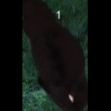
/Users/as16542/Downloads/10m32xl88x2b61zlkkgz3fml17/identification/images/train/046/000056.jpg | 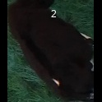
/Users/as16542/Downloads/10m32xl88x2b61zlkkgz3fml17/identification/images/train/046/000009.jpg | 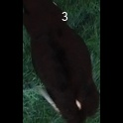
/Users/as16542/Downloads/10m32xl88x2b61zlkkgz3fml17/identification/images/train/046/000015.jpg |  | 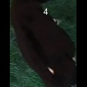
/Users/as16542/Downloads/10m32xl88x2b61zlkkgz3fml17/identification/images/train/046/000048.jpg |  | 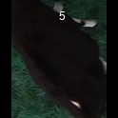
/Users/as16542/Downloads/10m32xl88x2b61zlkkgz3fml17/identification/images/train/046/000050.jpg |  | 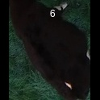
/Users/as16542/Downloads/10m32xl88x2b61zlkkgz3fml17/identification/images/train/046/000052.jpg |  | 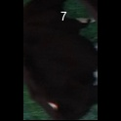
/Users/as16542/Downloads/10m32xl88x2b61zlkkgz3fml17/identification/images/train/046/000043.jpg |  | 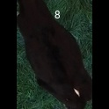
/Users/as16542/Downloads/10m32xl88x2b61zlkkgz3fml17/identification/images/train/046/000037.jpg |  | 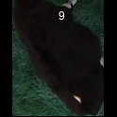
/Users/as16542/Downloads/10m32xl88x2b61zlkkgz3fml17/identification/images/train/046/000014.jpg |  | 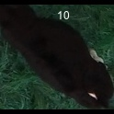
/Users/as16542/Downloads/10m32xl88x2b61zlkkgz3fml17/identification/images/train/046/000057.jpg |  | 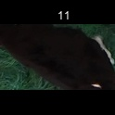
/Users/as16542/Downloads/10m32xl88x2b61zlkkgz3fml17/identification/images/train/046/000019.jpg |  | 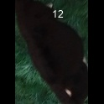
/Users/as16542/Downloads/10m32xl88x2b61zlkkgz3fml17/identification/images/train/046/000040.jpg |  | 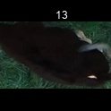
/Users/as16542/Downloads/10m32xl88x2b61zlkkgz3fml17/identification/images/train/046/000060.jpg |  | 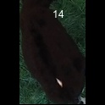
/Users/as16542/Downloads/10m32xl88x2b61zlkkgz3fml17/identification/images/train/046/000046.jpg |  | 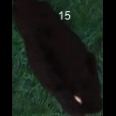
/Users/as16542/Downloads/10m32xl88x2b61zlkkgz3fml17/identification/images/train/046/000051.jpg |  | 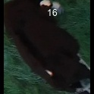
/Users/as16542/Downloads/10m32xl88x2b61zlkkgz3fml17/identification/images/train/046/000044.jpg |  | 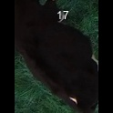
/Users/as16542/Downloads/10m32xl88x2b61zlkkgz3fml17/identification/images/train/046/000011.jpg |  | 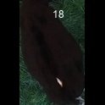
/Users/as16542/Downloads/10m32xl88x2b61zlkkgz3fml17/identification/images/train/046/000063.jpg |  | 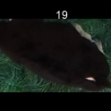
/Users/as16542/Downloads/10m32xl88x2b61zlkkgz3fml17/identification/images/train/046/000002.jpg |  | 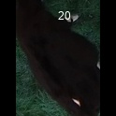
/Users/as16542/Downloads/10m32xl88x2b61zlkkgz3fml17/identification/images/train/046/000041.jpg | 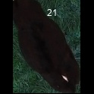
/Users/as16542/Downloads/10m32xl88x2b61zlkkgz3fml17/identification/images/train/046/000003.jpg |  | 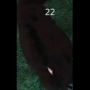
/Users/as16542/Downloads/10m32xl88x2b61zlkkgz3fml17/identification/images/train/046/000032.jpg |  | 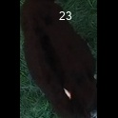
/Users/as16542/Downloads/10m32xl88x2b61zlkkgz3fml17/identification/images/train/046/000025.jpg |  | 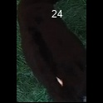
/Users/as16542/Downloads/10m32xl88x2b61zlkkgz3fml17/identification/images/train/046/000067.jpg |  | 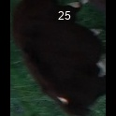
/Users/as16542/Downloads/10m32xl88x2b61zlkkgz3fml17/identification/images/train/046/000012.jpg | 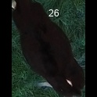
/Users/as16542/Downloads/10m32xl88x2b61zlkkgz3fml17/identification/images/train/046/000058.jpg |  | 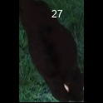
/Users/as16542/Downloads/10m32xl88x2b61zlkkgz3fml17/identification/images/train/046/000018.jpg |  | 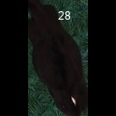
/Users/as16542/Downloads/10m32xl88x2b61zlkkgz3fml17/identification/images/train/046/000013.jpg |  | 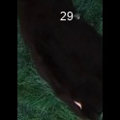
/Users/as16542/Downloads/10m32xl88x2b61zlkkgz3fml17/identification/images/train/046/000017.jpg | 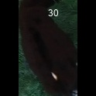
/Users/as16542/Downloads/10m32xl88x2b61zlkkgz3fml17/identification/images/train/046/000008.jpg | 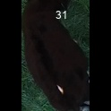
/Users/as16542/Downloads/10m32xl88x2b61zlkkgz3fml17/identification/images/train/046/000035.jpg |  | 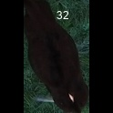
/Users/as16542/Downloads/10m32xl88x2b61zlkkgz3fml17/identification/images/train/046/000005.jpg |  | 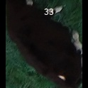
/Users/as16542/Downloads/10m32xl88x2b61zlkkgz3fml17/identification/images/train/046/000001.jpg |  | 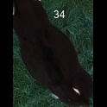
/Users/as16542/Downloads/10m32xl88x2b61zlkkgz3fml17/identification/images/train/046/000006.jpg |  | 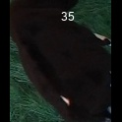
/Users/as16542/Downloads/10m32xl88x2b61zlkkgz3fml17/identification/images/train/046/000062.jpg | 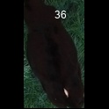
/Users/as16542/Downloads/10m32xl88x2b61zlkkgz3fml17/identification/images/train/046/000023.jpg | 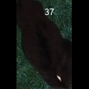
/Users/as16542/Downloads/10m32xl88x2b61zlkkgz3fml17/identification/images/train/046/000026.jpg |  | 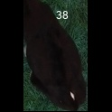
/Users/as16542/Downloads/10m32xl88x2b61zlkkgz3fml17/identification/images/train/046/000036.jpg | 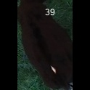
/Users/as16542/Downloads/10m32xl88x2b61zlkkgz3fml17/identification/images/train/046/000010.jpg |  | 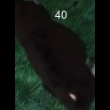
/Users/as16542/Downloads/10m32xl88x2b61zlkkgz3fml17/identification/images/train/046/000039.jpg | 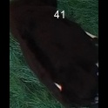
/Users/as16542/Downloads/10m32xl88x2b61zlkkgz3fml17/identification/images/train/046/000059.jpg | 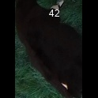
/Users/as16542/Downloads/10m32xl88x2b61zlkkgz3fml17/identification/images/train/046/000004.jpg | 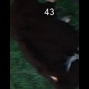
/Users/as16542/Downloads/10m32xl88x2b61zlkkgz3fml17/identification/images/train/046/000033.jpg | 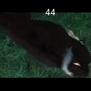
/Users/as16542/Downloads/10m32xl88x2b61zlkkgz3fml17/identification/images/train/046/000034.jpg | 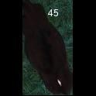
/Users/as16542/Downloads/10m32xl88x2b61zlkkgz3fml17/identification/images/train/046/000061.jpg | 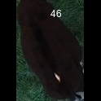
/Users/as16542/Downloads/10m32xl88x2b61zlkkgz3fml17/identification/images/train/046/000028.jpg | 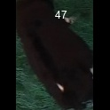
/Users/as16542/Downloads/10m32xl88x2b61zlkkgz3fml17/identification/images/train/046/000030.jpg |  | 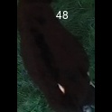
/Users/as16542/Downloads/10m32xl88x2b61zlkkgz3fml17/identification/images/train/046/000045.jpg |  | 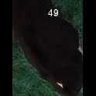
/Users/as16542/Downloads/10m32xl88x2b61zlkkgz3fml17/identification/images/train/046/000029.jpg |  | 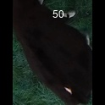
/Users/as16542/Downloads/10m32xl88x2b61zlkkgz3fml17/identification/images/train/046/000064.jpg |  | 
/Users/as16542/Downloads/10m32xl88x2b61zlkkgz3fml17/identification/images/train/046/000042.jpg | 
/Users/as16542/Downloads/10m32xl88x2b61zlkkgz3fml17/identification/images/train/046/000031.jpg |  | 
/Users/as16542/Downloads/10m32xl88x2b61zlkkgz3fml17/identification/images/train/046/000021.jpg |  | 
/Users/as16542/Downloads/10m32xl88x2b61zlkkgz3fml17/identification/images/train/046/000022.jpg |  | 
/Users/as16542/Downloads/10m32xl88x2b61zlkkgz3fml17/identification/images/train/046/000047.jpg |  | 
/Users/as16542/Downloads/10m32xl88x2b61zlkkgz3fml17/identification/images/train/046/000055.jpg |  | 
/Users/as16542/Downloads/10m32xl88x2b61zlkkgz3fml17/identification/images/train/046/000049.jpg | 
/Users/as16542/Downloads/10m32xl88x2b61zlkkgz3fml17/identification/images/train/046/000038.jpg | 
/Users/as16542/Downloads/10m32xl88x2b61zlkkgz3fml17/identification/images/train/046/000016.jpg | 
/Users/as16542/Downloads/10m32xl88x2b61zlkkgz3fml17/identification/images/train/046/000027.jpg |  | 
/Users/as16542/Downloads/10m32xl88x2b61zlkkgz3fml17/identification/images/train/046/000065.jpg |  | 
/Users/as16542/Downloads/10m32xl88x2b61zlkkgz3fml17/identification/images/train/046/000024.jpg |  | 
/Users/as16542/Downloads/10m32xl88x2b61zlkkgz3fml17/identification/images/train/046/000054.jpg |  | 
/Users/as16542/Downloads/10m32xl88x2b61zlkkgz3fml17/identification/images/train/046/000007.jpg | 
/Users/as16542/Downloads/10m32xl88x2b61zlkkgz3fml17/identification/images/train/046/000020.jpg | 

