Sheet1
/Users/as16542/Downloads/10m32xl88x2b61zlkkgz3fml17/identification/images/test/001/000015.jpg | 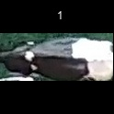
/Users/as16542/Downloads/10m32xl88x2b61zlkkgz3fml17/identification/images/test/001/000014.jpg | 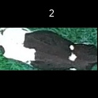
/Users/as16542/Downloads/10m32xl88x2b61zlkkgz3fml17/identification/images/test/001/000019.jpg | 
/Users/as16542/Downloads/10m32xl88x2b61zlkkgz3fml17/identification/images/test/001/000011.jpg | 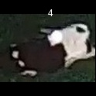
/Users/as16542/Downloads/10m32xl88x2b61zlkkgz3fml17/identification/images/test/001/000002.jpg | 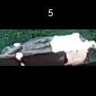
/Users/as16542/Downloads/10m32xl88x2b61zlkkgz3fml17/identification/images/test/001/000003.jpg | 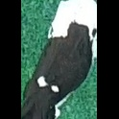
/Users/as16542/Downloads/10m32xl88x2b61zlkkgz3fml17/identification/images/test/001/000012.jpg | 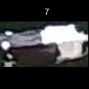
/Users/as16542/Downloads/10m32xl88x2b61zlkkgz3fml17/identification/images/test/001/000018.jpg | 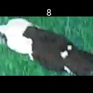
/Users/as16542/Downloads/10m32xl88x2b61zlkkgz3fml17/identification/images/test/001/000013.jpg | 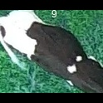
/Users/as16542/Downloads/10m32xl88x2b61zlkkgz3fml17/identification/images/test/001/000017.jpg | 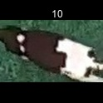
/Users/as16542/Downloads/10m32xl88x2b61zlkkgz3fml17/identification/images/test/001/000008.jpg | 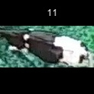
/Users/as16542/Downloads/10m32xl88x2b61zlkkgz3fml17/identification/images/test/001/000005.jpg | 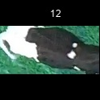
/Users/as16542/Downloads/10m32xl88x2b61zlkkgz3fml17/identification/images/test/001/000001.jpg | 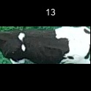
/Users/as16542/Downloads/10m32xl88x2b61zlkkgz3fml17/identification/images/test/001/000006.jpg | 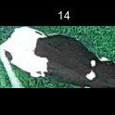
/Users/as16542/Downloads/10m32xl88x2b61zlkkgz3fml17/identification/images/test/001/000010.jpg | 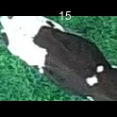
/Users/as16542/Downloads/10m32xl88x2b61zlkkgz3fml17/identification/images/test/001/000004.jpg | 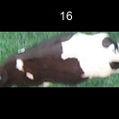
/Users/as16542/Downloads/10m32xl88x2b61zlkkgz3fml17/identification/images/test/001/000016.jpg | 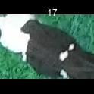
/Users/as16542/Downloads/10m32xl88x2b61zlkkgz3fml17/identification/images/test/001/000007.jpg | 