Sheet1
/Users/as16542/Downloads/10m32xl88x2b61zlkkgz3fml17/identification/images/test/003/000011.jpg | 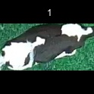
/Users/as16542/Downloads/10m32xl88x2b61zlkkgz3fml17/identification/images/test/003/000002.jpg | 
/Users/as16542/Downloads/10m32xl88x2b61zlkkgz3fml17/identification/images/test/003/000003.jpg | 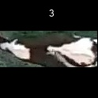
/Users/as16542/Downloads/10m32xl88x2b61zlkkgz3fml17/identification/images/test/003/000012.jpg | 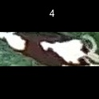
/Users/as16542/Downloads/10m32xl88x2b61zlkkgz3fml17/identification/images/test/003/000008.jpg | 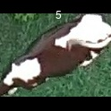
/Users/as16542/Downloads/10m32xl88x2b61zlkkgz3fml17/identification/images/test/003/000005.jpg | 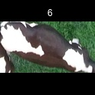
/Users/as16542/Downloads/10m32xl88x2b61zlkkgz3fml17/identification/images/test/003/000001.jpg | 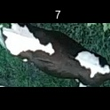
/Users/as16542/Downloads/10m32xl88x2b61zlkkgz3fml17/identification/images/test/003/000006.jpg | 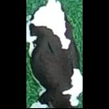
/Users/as16542/Downloads/10m32xl88x2b61zlkkgz3fml17/identification/images/test/003/000010.jpg | 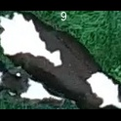
/Users/as16542/Downloads/10m32xl88x2b61zlkkgz3fml17/identification/images/test/003/000004.jpg | 
/Users/as16542/Downloads/10m32xl88x2b61zlkkgz3fml17/identification/images/test/003/000007.jpg | 