Sheet1
/Users/as16542/Downloads/10m32xl88x2b61zlkkgz3fml17/identification/images/test/005/000015.jpg | 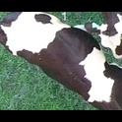
/Users/as16542/Downloads/10m32xl88x2b61zlkkgz3fml17/identification/images/test/005/000014.jpg | 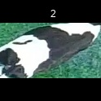
/Users/as16542/Downloads/10m32xl88x2b61zlkkgz3fml17/identification/images/test/005/000019.jpg | 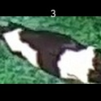
/Users/as16542/Downloads/10m32xl88x2b61zlkkgz3fml17/identification/images/test/005/000011.jpg | 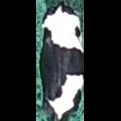
/Users/as16542/Downloads/10m32xl88x2b61zlkkgz3fml17/identification/images/test/005/000002.jpg | 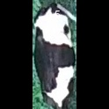
/Users/as16542/Downloads/10m32xl88x2b61zlkkgz3fml17/identification/images/test/005/000003.jpg | 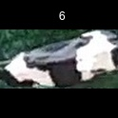
/Users/as16542/Downloads/10m32xl88x2b61zlkkgz3fml17/identification/images/test/005/000012.jpg | 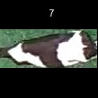
/Users/as16542/Downloads/10m32xl88x2b61zlkkgz3fml17/identification/images/test/005/000018.jpg | 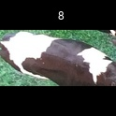
/Users/as16542/Downloads/10m32xl88x2b61zlkkgz3fml17/identification/images/test/005/000013.jpg | 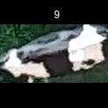
/Users/as16542/Downloads/10m32xl88x2b61zlkkgz3fml17/identification/images/test/005/000017.jpg | 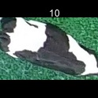
/Users/as16542/Downloads/10m32xl88x2b61zlkkgz3fml17/identification/images/test/005/000008.jpg | 
/Users/as16542/Downloads/10m32xl88x2b61zlkkgz3fml17/identification/images/test/005/000005.jpg | 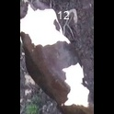
/Users/as16542/Downloads/10m32xl88x2b61zlkkgz3fml17/identification/images/test/005/000001.jpg | 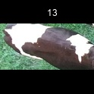
/Users/as16542/Downloads/10m32xl88x2b61zlkkgz3fml17/identification/images/test/005/000006.jpg | 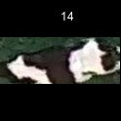
/Users/as16542/Downloads/10m32xl88x2b61zlkkgz3fml17/identification/images/test/005/000010.jpg | 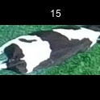
/Users/as16542/Downloads/10m32xl88x2b61zlkkgz3fml17/identification/images/test/005/000004.jpg | 
/Users/as16542/Downloads/10m32xl88x2b61zlkkgz3fml17/identification/images/test/005/000021.jpg | 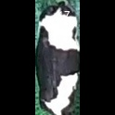
/Users/as16542/Downloads/10m32xl88x2b61zlkkgz3fml17/identification/images/test/005/000016.jpg | 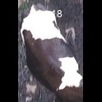
/Users/as16542/Downloads/10m32xl88x2b61zlkkgz3fml17/identification/images/test/005/000007.jpg | 
/Users/as16542/Downloads/10m32xl88x2b61zlkkgz3fml17/identification/images/test/005/000020.jpg | 