Sheet1
/Users/as16542/Downloads/10m32xl88x2b61zlkkgz3fml17/identification/images/test/007/000015.jpg | 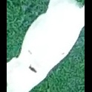
/Users/as16542/Downloads/10m32xl88x2b61zlkkgz3fml17/identification/images/test/007/000014.jpg | 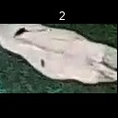
/Users/as16542/Downloads/10m32xl88x2b61zlkkgz3fml17/identification/images/test/007/000011.jpg | 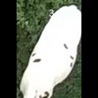
/Users/as16542/Downloads/10m32xl88x2b61zlkkgz3fml17/identification/images/test/007/000002.jpg | 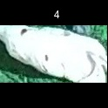
/Users/as16542/Downloads/10m32xl88x2b61zlkkgz3fml17/identification/images/test/007/000003.jpg | 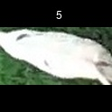
/Users/as16542/Downloads/10m32xl88x2b61zlkkgz3fml17/identification/images/test/007/000012.jpg | 
/Users/as16542/Downloads/10m32xl88x2b61zlkkgz3fml17/identification/images/test/007/000013.jpg | 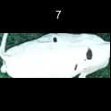
/Users/as16542/Downloads/10m32xl88x2b61zlkkgz3fml17/identification/images/test/007/000008.jpg | 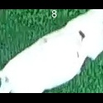
/Users/as16542/Downloads/10m32xl88x2b61zlkkgz3fml17/identification/images/test/007/000005.jpg | 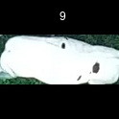
/Users/as16542/Downloads/10m32xl88x2b61zlkkgz3fml17/identification/images/test/007/000001.jpg | 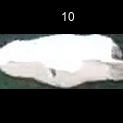
/Users/as16542/Downloads/10m32xl88x2b61zlkkgz3fml17/identification/images/test/007/000006.jpg | 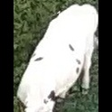
/Users/as16542/Downloads/10m32xl88x2b61zlkkgz3fml17/identification/images/test/007/000010.jpg | 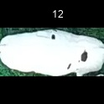
/Users/as16542/Downloads/10m32xl88x2b61zlkkgz3fml17/identification/images/test/007/000004.jpg | 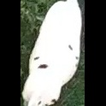
/Users/as16542/Downloads/10m32xl88x2b61zlkkgz3fml17/identification/images/test/007/000007.jpg | 