Sheet1
/Users/as16542/Downloads/10m32xl88x2b61zlkkgz3fml17/identification/images/test/009/000002.jpg | 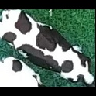
/Users/as16542/Downloads/10m32xl88x2b61zlkkgz3fml17/identification/images/test/009/000003.jpg | 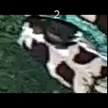
/Users/as16542/Downloads/10m32xl88x2b61zlkkgz3fml17/identification/images/test/009/000008.jpg | 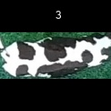
/Users/as16542/Downloads/10m32xl88x2b61zlkkgz3fml17/identification/images/test/009/000005.jpg | 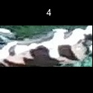
/Users/as16542/Downloads/10m32xl88x2b61zlkkgz3fml17/identification/images/test/009/000001.jpg | 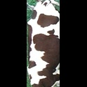
/Users/as16542/Downloads/10m32xl88x2b61zlkkgz3fml17/identification/images/test/009/000006.jpg | 
/Users/as16542/Downloads/10m32xl88x2b61zlkkgz3fml17/identification/images/test/009/000004.jpg | 
/Users/as16542/Downloads/10m32xl88x2b61zlkkgz3fml17/identification/images/test/009/000007.jpg | 