Sheet1
/Users/as16542/Downloads/10m32xl88x2b61zlkkgz3fml17/identification/images/test/010/000015.jpg | 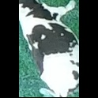
/Users/as16542/Downloads/10m32xl88x2b61zlkkgz3fml17/identification/images/test/010/000014.jpg | 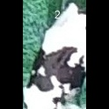
/Users/as16542/Downloads/10m32xl88x2b61zlkkgz3fml17/identification/images/test/010/000019.jpg | 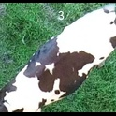
/Users/as16542/Downloads/10m32xl88x2b61zlkkgz3fml17/identification/images/test/010/000011.jpg | 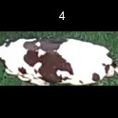
/Users/as16542/Downloads/10m32xl88x2b61zlkkgz3fml17/identification/images/test/010/000002.jpg | 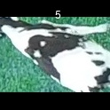
/Users/as16542/Downloads/10m32xl88x2b61zlkkgz3fml17/identification/images/test/010/000003.jpg | 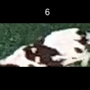
/Users/as16542/Downloads/10m32xl88x2b61zlkkgz3fml17/identification/images/test/010/000012.jpg | 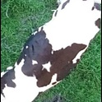
/Users/as16542/Downloads/10m32xl88x2b61zlkkgz3fml17/identification/images/test/010/000018.jpg | 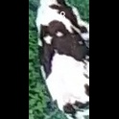
/Users/as16542/Downloads/10m32xl88x2b61zlkkgz3fml17/identification/images/test/010/000013.jpg | 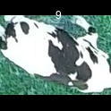
/Users/as16542/Downloads/10m32xl88x2b61zlkkgz3fml17/identification/images/test/010/000017.jpg | 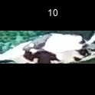
/Users/as16542/Downloads/10m32xl88x2b61zlkkgz3fml17/identification/images/test/010/000008.jpg | 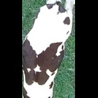
/Users/as16542/Downloads/10m32xl88x2b61zlkkgz3fml17/identification/images/test/010/000005.jpg | 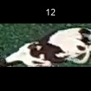
/Users/as16542/Downloads/10m32xl88x2b61zlkkgz3fml17/identification/images/test/010/000001.jpg | 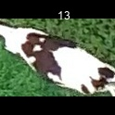
/Users/as16542/Downloads/10m32xl88x2b61zlkkgz3fml17/identification/images/test/010/000006.jpg | 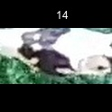
/Users/as16542/Downloads/10m32xl88x2b61zlkkgz3fml17/identification/images/test/010/000010.jpg | 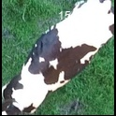
/Users/as16542/Downloads/10m32xl88x2b61zlkkgz3fml17/identification/images/test/010/000004.jpg | 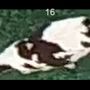
/Users/as16542/Downloads/10m32xl88x2b61zlkkgz3fml17/identification/images/test/010/000021.jpg | 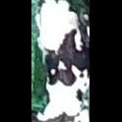
/Users/as16542/Downloads/10m32xl88x2b61zlkkgz3fml17/identification/images/test/010/000016.jpg | 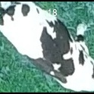
/Users/as16542/Downloads/10m32xl88x2b61zlkkgz3fml17/identification/images/test/010/000007.jpg | 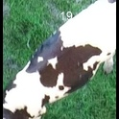
/Users/as16542/Downloads/10m32xl88x2b61zlkkgz3fml17/identification/images/test/010/000020.jpg | 