Sheet1
/Users/as16542/Downloads/10m32xl88x2b61zlkkgz3fml17/identification/images/test/014/000015.jpg | 
/Users/as16542/Downloads/10m32xl88x2b61zlkkgz3fml17/identification/images/test/014/000014.jpg | 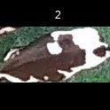
/Users/as16542/Downloads/10m32xl88x2b61zlkkgz3fml17/identification/images/test/014/000019.jpg | 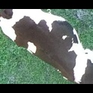
/Users/as16542/Downloads/10m32xl88x2b61zlkkgz3fml17/identification/images/test/014/000011.jpg | 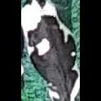
/Users/as16542/Downloads/10m32xl88x2b61zlkkgz3fml17/identification/images/test/014/000002.jpg | 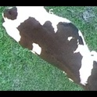
/Users/as16542/Downloads/10m32xl88x2b61zlkkgz3fml17/identification/images/test/014/000003.jpg | 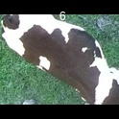
/Users/as16542/Downloads/10m32xl88x2b61zlkkgz3fml17/identification/images/test/014/000032.jpg | 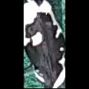
/Users/as16542/Downloads/10m32xl88x2b61zlkkgz3fml17/identification/images/test/014/000025.jpg | 
/Users/as16542/Downloads/10m32xl88x2b61zlkkgz3fml17/identification/images/test/014/000012.jpg | 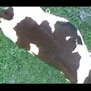
/Users/as16542/Downloads/10m32xl88x2b61zlkkgz3fml17/identification/images/test/014/000018.jpg | 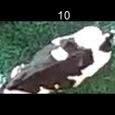
/Users/as16542/Downloads/10m32xl88x2b61zlkkgz3fml17/identification/images/test/014/000013.jpg | 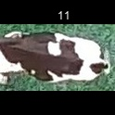
/Users/as16542/Downloads/10m32xl88x2b61zlkkgz3fml17/identification/images/test/014/000017.jpg | 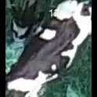
/Users/as16542/Downloads/10m32xl88x2b61zlkkgz3fml17/identification/images/test/014/000008.jpg | 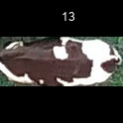
/Users/as16542/Downloads/10m32xl88x2b61zlkkgz3fml17/identification/images/test/014/000005.jpg | 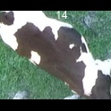
/Users/as16542/Downloads/10m32xl88x2b61zlkkgz3fml17/identification/images/test/014/000001.jpg | 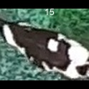
/Users/as16542/Downloads/10m32xl88x2b61zlkkgz3fml17/identification/images/test/014/000006.jpg | 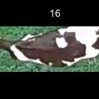
/Users/as16542/Downloads/10m32xl88x2b61zlkkgz3fml17/identification/images/test/014/000023.jpg | 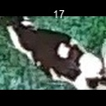
/Users/as16542/Downloads/10m32xl88x2b61zlkkgz3fml17/identification/images/test/014/000026.jpg | 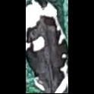
/Users/as16542/Downloads/10m32xl88x2b61zlkkgz3fml17/identification/images/test/014/000010.jpg | 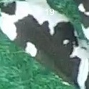
/Users/as16542/Downloads/10m32xl88x2b61zlkkgz3fml17/identification/images/test/014/000004.jpg | 
/Users/as16542/Downloads/10m32xl88x2b61zlkkgz3fml17/identification/images/test/014/000033.jpg | 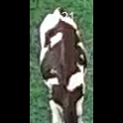
/Users/as16542/Downloads/10m32xl88x2b61zlkkgz3fml17/identification/images/test/014/000028.jpg | 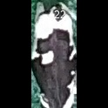
/Users/as16542/Downloads/10m32xl88x2b61zlkkgz3fml17/identification/images/test/014/000030.jpg | 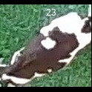
/Users/as16542/Downloads/10m32xl88x2b61zlkkgz3fml17/identification/images/test/014/000029.jpg | 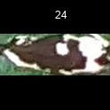
/Users/as16542/Downloads/10m32xl88x2b61zlkkgz3fml17/identification/images/test/014/000031.jpg | 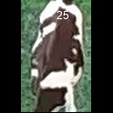
/Users/as16542/Downloads/10m32xl88x2b61zlkkgz3fml17/identification/images/test/014/000021.jpg | 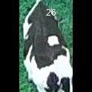
/Users/as16542/Downloads/10m32xl88x2b61zlkkgz3fml17/identification/images/test/014/000022.jpg | 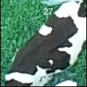
/Users/as16542/Downloads/10m32xl88x2b61zlkkgz3fml17/identification/images/test/014/000016.jpg | 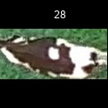
/Users/as16542/Downloads/10m32xl88x2b61zlkkgz3fml17/identification/images/test/014/000027.jpg | 
/Users/as16542/Downloads/10m32xl88x2b61zlkkgz3fml17/identification/images/test/014/000024.jpg | 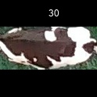
/Users/as16542/Downloads/10m32xl88x2b61zlkkgz3fml17/identification/images/test/014/000007.jpg | 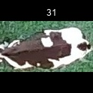
/Users/as16542/Downloads/10m32xl88x2b61zlkkgz3fml17/identification/images/test/014/000020.jpg | 