Sheet1
/Users/as16542/Downloads/10m32xl88x2b61zlkkgz3fml17/identification/images/test/015/000015.jpg | 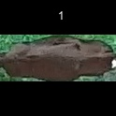
/Users/as16542/Downloads/10m32xl88x2b61zlkkgz3fml17/identification/images/test/015/000014.jpg | 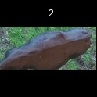
/Users/as16542/Downloads/10m32xl88x2b61zlkkgz3fml17/identification/images/test/015/000019.jpg | 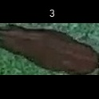
/Users/as16542/Downloads/10m32xl88x2b61zlkkgz3fml17/identification/images/test/015/000011.jpg | 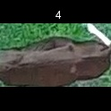
/Users/as16542/Downloads/10m32xl88x2b61zlkkgz3fml17/identification/images/test/015/000002.jpg | 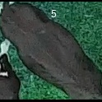
/Users/as16542/Downloads/10m32xl88x2b61zlkkgz3fml17/identification/images/test/015/000003.jpg | 
/Users/as16542/Downloads/10m32xl88x2b61zlkkgz3fml17/identification/images/test/015/000025.jpg | 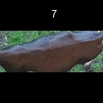
/Users/as16542/Downloads/10m32xl88x2b61zlkkgz3fml17/identification/images/test/015/000012.jpg | 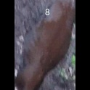
/Users/as16542/Downloads/10m32xl88x2b61zlkkgz3fml17/identification/images/test/015/000018.jpg | 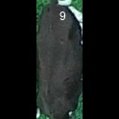
/Users/as16542/Downloads/10m32xl88x2b61zlkkgz3fml17/identification/images/test/015/000013.jpg | 
/Users/as16542/Downloads/10m32xl88x2b61zlkkgz3fml17/identification/images/test/015/000017.jpg | 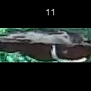
/Users/as16542/Downloads/10m32xl88x2b61zlkkgz3fml17/identification/images/test/015/000008.jpg | 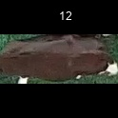
/Users/as16542/Downloads/10m32xl88x2b61zlkkgz3fml17/identification/images/test/015/000005.jpg | 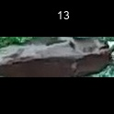
/Users/as16542/Downloads/10m32xl88x2b61zlkkgz3fml17/identification/images/test/015/000001.jpg | 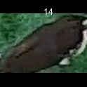
/Users/as16542/Downloads/10m32xl88x2b61zlkkgz3fml17/identification/images/test/015/000006.jpg | 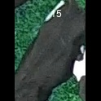
/Users/as16542/Downloads/10m32xl88x2b61zlkkgz3fml17/identification/images/test/015/000023.jpg | 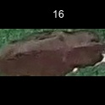
/Users/as16542/Downloads/10m32xl88x2b61zlkkgz3fml17/identification/images/test/015/000026.jpg | 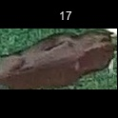
/Users/as16542/Downloads/10m32xl88x2b61zlkkgz3fml17/identification/images/test/015/000010.jpg | 
/Users/as16542/Downloads/10m32xl88x2b61zlkkgz3fml17/identification/images/test/015/000004.jpg | 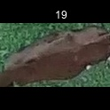
/Users/as16542/Downloads/10m32xl88x2b61zlkkgz3fml17/identification/images/test/015/000021.jpg | 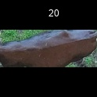
/Users/as16542/Downloads/10m32xl88x2b61zlkkgz3fml17/identification/images/test/015/000022.jpg | 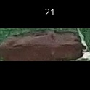
/Users/as16542/Downloads/10m32xl88x2b61zlkkgz3fml17/identification/images/test/015/000016.jpg | 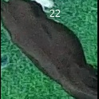
/Users/as16542/Downloads/10m32xl88x2b61zlkkgz3fml17/identification/images/test/015/000027.jpg | 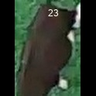
/Users/as16542/Downloads/10m32xl88x2b61zlkkgz3fml17/identification/images/test/015/000024.jpg | 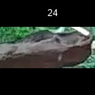
/Users/as16542/Downloads/10m32xl88x2b61zlkkgz3fml17/identification/images/test/015/000007.jpg | 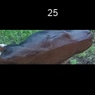
/Users/as16542/Downloads/10m32xl88x2b61zlkkgz3fml17/identification/images/test/015/000020.jpg | 