Sheet1
/Users/as16542/Downloads/10m32xl88x2b61zlkkgz3fml17/identification/images/train/002/000079.jpg | 2 |  |  |  |  | 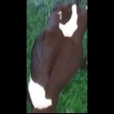
/Users/as16542/Downloads/10m32xl88x2b61zlkkgz3fml17/identification/images/train/002/000071.jpg | 0 | 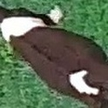
/Users/as16542/Downloads/10m32xl88x2b61zlkkgz3fml17/identification/images/train/002/000053.jpg | 1 |  |  | 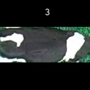
/Users/as16542/Downloads/10m32xl88x2b61zlkkgz3fml17/identification/images/train/002/000077.jpg | 0 | 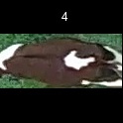
/Users/as16542/Downloads/10m32xl88x2b61zlkkgz3fml17/identification/images/train/002/000107.jpg | 1 |  |  | 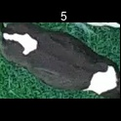
/Users/as16542/Downloads/10m32xl88x2b61zlkkgz3fml17/identification/images/train/002/000066.jpg | 1 |  |  | 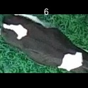
/Users/as16542/Downloads/10m32xl88x2b61zlkkgz3fml17/identification/images/train/002/000095.jpg | 1 |  |  | 
/Users/as16542/Downloads/10m32xl88x2b61zlkkgz3fml17/identification/images/train/002/000056.jpg | 3 |  |  |  |  |  | 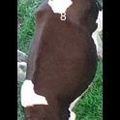
/Users/as16542/Downloads/10m32xl88x2b61zlkkgz3fml17/identification/images/train/002/000009.jpg | 0 | 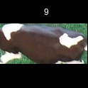
/Users/as16542/Downloads/10m32xl88x2b61zlkkgz3fml17/identification/images/train/002/000015.jpg | 1 |  |  | 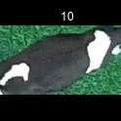
/Users/as16542/Downloads/10m32xl88x2b61zlkkgz3fml17/identification/images/train/002/000093.jpg | 0 | 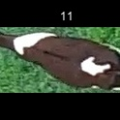
/Users/as16542/Downloads/10m32xl88x2b61zlkkgz3fml17/identification/images/train/002/000091.jpg | 0 | 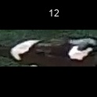
/Users/as16542/Downloads/10m32xl88x2b61zlkkgz3fml17/identification/images/train/002/000075.jpg | 1 |  |  | 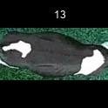
/Users/as16542/Downloads/10m32xl88x2b61zlkkgz3fml17/identification/images/train/002/000048.jpg | 2 |  |  |  | 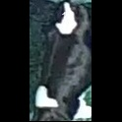
/Users/as16542/Downloads/10m32xl88x2b61zlkkgz3fml17/identification/images/train/002/000050.jpg | 1 |  |  | 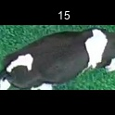
/Users/as16542/Downloads/10m32xl88x2b61zlkkgz3fml17/identification/images/train/002/000052.jpg | 2 |  |  |  |  | 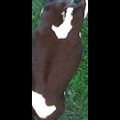
/Users/as16542/Downloads/10m32xl88x2b61zlkkgz3fml17/identification/images/train/002/000043.jpg | 1 |  |  | 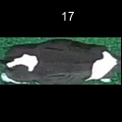
/Users/as16542/Downloads/10m32xl88x2b61zlkkgz3fml17/identification/images/train/002/000086.jpg | 0 | 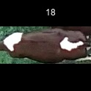
/Users/as16542/Downloads/10m32xl88x2b61zlkkgz3fml17/identification/images/train/002/000037.jpg | 1 |  |  | 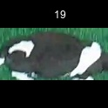
/Users/as16542/Downloads/10m32xl88x2b61zlkkgz3fml17/identification/images/train/002/000014.jpg | 1 |  |  | 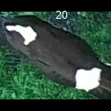
/Users/as16542/Downloads/10m32xl88x2b61zlkkgz3fml17/identification/images/train/002/000057.jpg | 2 |  |  |  |  | 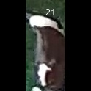
/Users/as16542/Downloads/10m32xl88x2b61zlkkgz3fml17/identification/images/train/002/000019.jpg | 1 |  |  | 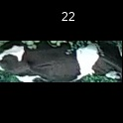
/Users/as16542/Downloads/10m32xl88x2b61zlkkgz3fml17/identification/images/train/002/000040.jpg | 1 |  |  | 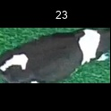
/Users/as16542/Downloads/10m32xl88x2b61zlkkgz3fml17/identification/images/train/002/000069.jpg | 2 |  |  |  |  | 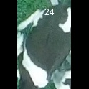
/Users/as16542/Downloads/10m32xl88x2b61zlkkgz3fml17/identification/images/train/002/000060.jpg | 1 |  | 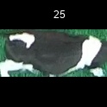
/Users/as16542/Downloads/10m32xl88x2b61zlkkgz3fml17/identification/images/train/002/000046.jpg | 2 |  |  |  |  | 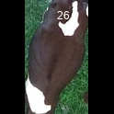
/Users/as16542/Downloads/10m32xl88x2b61zlkkgz3fml17/identification/images/train/002/000105.jpg | 0 | 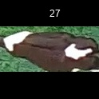
/Users/as16542/Downloads/10m32xl88x2b61zlkkgz3fml17/identification/images/train/002/000089.jpg | 0 | 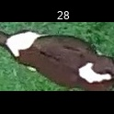
/Users/as16542/Downloads/10m32xl88x2b61zlkkgz3fml17/identification/images/train/002/000051.jpg | 3 |  |  |  |  |  | 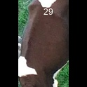
/Users/as16542/Downloads/10m32xl88x2b61zlkkgz3fml17/identification/images/train/002/000072.jpg | 1 |  |  | 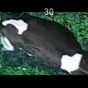
/Users/as16542/Downloads/10m32xl88x2b61zlkkgz3fml17/identification/images/train/002/000044.jpg | 2 |  |  |  |  | 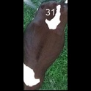
/Users/as16542/Downloads/10m32xl88x2b61zlkkgz3fml17/identification/images/train/002/000078.jpg | 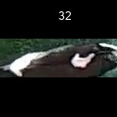 0
/Users/as16542/Downloads/10m32xl88x2b61zlkkgz3fml17/identification/images/train/002/000011.jpg | 0 | 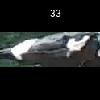
/Users/as16542/Downloads/10m32xl88x2b61zlkkgz3fml17/identification/images/train/002/000063.jpg | 0 | 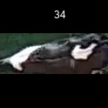
/Users/as16542/Downloads/10m32xl88x2b61zlkkgz3fml17/identification/images/train/002/000002.jpg | 0 | 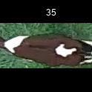
/Users/as16542/Downloads/10m32xl88x2b61zlkkgz3fml17/identification/images/train/002/000081.jpg | 0 | 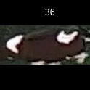
/Users/as16542/Downloads/10m32xl88x2b61zlkkgz3fml17/identification/images/train/002/000041.jpg | 1 |  |  | 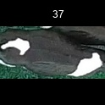
/Users/as16542/Downloads/10m32xl88x2b61zlkkgz3fml17/identification/images/train/002/000003.jpg | 1 |  |  | 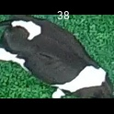
/Users/as16542/Downloads/10m32xl88x2b61zlkkgz3fml17/identification/images/train/002/000032.jpg | 2 |  |  |  | 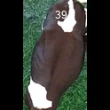
/Users/as16542/Downloads/10m32xl88x2b61zlkkgz3fml17/identification/images/train/002/000025.jpg | 2 |  |  |  | 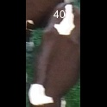
/Users/as16542/Downloads/10m32xl88x2b61zlkkgz3fml17/identification/images/train/002/000067.jpg | 2 |  |  |  | 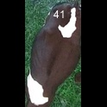
/Users/as16542/Downloads/10m32xl88x2b61zlkkgz3fml17/identification/images/train/002/000097.jpg | 0 | 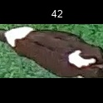
/Users/as16542/Downloads/10m32xl88x2b61zlkkgz3fml17/identification/images/train/002/000012.jpg | 0 | 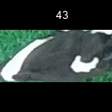
/Users/as16542/Downloads/10m32xl88x2b61zlkkgz3fml17/identification/images/train/002/000058.jpg | 1 |  |  | 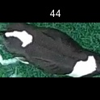
/Users/as16542/Downloads/10m32xl88x2b61zlkkgz3fml17/identification/images/train/002/000018.jpg | 1 |  |  | 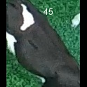
/Users/as16542/Downloads/10m32xl88x2b61zlkkgz3fml17/identification/images/train/002/000013.jpg | 1 |  |  | 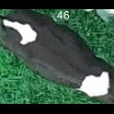
/Users/as16542/Downloads/10m32xl88x2b61zlkkgz3fml17/identification/images/train/002/000068.jpg | 3 |  |  |  |  |  | 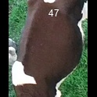
/Users/as16542/Downloads/10m32xl88x2b61zlkkgz3fml17/identification/images/train/002/000017.jpg | 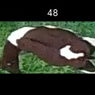 0
/Users/as16542/Downloads/10m32xl88x2b61zlkkgz3fml17/identification/images/train/002/000008.jpg | 0 | 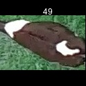
/Users/as16542/Downloads/10m32xl88x2b61zlkkgz3fml17/identification/images/train/002/000035.jpg | 0 | 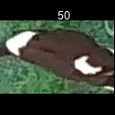
/Users/as16542/Downloads/10m32xl88x2b61zlkkgz3fml17/identification/images/train/002/000108.jpg | 1 |  |  | 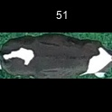
/Users/as16542/Downloads/10m32xl88x2b61zlkkgz3fml17/identification/images/train/002/000005.jpg | 0 | 
/Users/as16542/Downloads/10m32xl88x2b61zlkkgz3fml17/identification/images/train/002/000070.jpg | 1 |  | 
/Users/as16542/Downloads/10m32xl88x2b61zlkkgz3fml17/identification/images/train/002/000001.jpg | 2 |  |  |  |  | 
/Users/as16542/Downloads/10m32xl88x2b61zlkkgz3fml17/identification/images/train/002/000085.jpg | 0 | 
/Users/as16542/Downloads/10m32xl88x2b61zlkkgz3fml17/identification/images/train/002/000104.jpg | 2 |  |  |  |  | 
/Users/as16542/Downloads/10m32xl88x2b61zlkkgz3fml17/identification/images/train/002/000099.jpg | 1 |  |  | 
/Users/as16542/Downloads/10m32xl88x2b61zlkkgz3fml17/identification/images/train/002/000006.jpg | 1 |  | 
/Users/as16542/Downloads/10m32xl88x2b61zlkkgz3fml17/identification/images/train/002/000062.jpg | 0 | 
/Users/as16542/Downloads/10m32xl88x2b61zlkkgz3fml17/identification/images/train/002/000023.jpg | 4 |  |  |  |  |  |  |  | 
/Users/as16542/Downloads/10m32xl88x2b61zlkkgz3fml17/identification/images/train/002/000026.jpg | 0 | 
/Users/as16542/Downloads/10m32xl88x2b61zlkkgz3fml17/identification/images/train/002/000036.jpg | 0 | 
/Users/as16542/Downloads/10m32xl88x2b61zlkkgz3fml17/identification/images/train/002/000010.jpg | 1 |  |  | 
/Users/as16542/Downloads/10m32xl88x2b61zlkkgz3fml17/identification/images/train/002/000083.jpg | 0 | 
/Users/as16542/Downloads/10m32xl88x2b61zlkkgz3fml17/identification/images/train/002/000039.jpg | 2 |  |  |  |  | 
/Users/as16542/Downloads/10m32xl88x2b61zlkkgz3fml17/identification/images/train/002/000059.jpg | 2 |  |  |  |  | 
/Users/as16542/Downloads/10m32xl88x2b61zlkkgz3fml17/identification/images/train/002/000110.jpg | 0 | 
/Users/as16542/Downloads/10m32xl88x2b61zlkkgz3fml17/identification/images/train/002/000004.jpg | 2 |  |  |  |  | 
/Users/as16542/Downloads/10m32xl88x2b61zlkkgz3fml17/identification/images/train/002/000084.jpg | 1 |  |  | 
/Users/as16542/Downloads/10m32xl88x2b61zlkkgz3fml17/identification/images/train/002/000092.jpg |  0
/Users/as16542/Downloads/10m32xl88x2b61zlkkgz3fml17/identification/images/train/002/000033.jpg | 0 | 
/Users/as16542/Downloads/10m32xl88x2b61zlkkgz3fml17/identification/images/train/002/000034.jpg | 2 |  |  |  |  | 
/Users/as16542/Downloads/10m32xl88x2b61zlkkgz3fml17/identification/images/train/002/000061.jpg | 1 |  |  | 
/Users/as16542/Downloads/10m32xl88x2b61zlkkgz3fml17/identification/images/train/002/000028.jpg | 2 |  |  |  |  | 
/Users/as16542/Downloads/10m32xl88x2b61zlkkgz3fml17/identification/images/train/002/000082.jpg | 1 |  |  | 
/Users/as16542/Downloads/10m32xl88x2b61zlkkgz3fml17/identification/images/train/002/000098.jpg |  0
/Users/as16542/Downloads/10m32xl88x2b61zlkkgz3fml17/identification/images/train/002/000030.jpg | 1 |  |  | 
/Users/as16542/Downloads/10m32xl88x2b61zlkkgz3fml17/identification/images/train/002/000045.jpg | 4 |  |  |  |  |  |  |  | 
/Users/as16542/Downloads/10m32xl88x2b61zlkkgz3fml17/identification/images/train/002/000080.jpg | 1 |  |  | 
/Users/as16542/Downloads/10m32xl88x2b61zlkkgz3fml17/identification/images/train/002/000074.jpg | 2 |  |  |  |  | 
/Users/as16542/Downloads/10m32xl88x2b61zlkkgz3fml17/identification/images/train/002/000029.jpg | 0 | 
/Users/as16542/Downloads/10m32xl88x2b61zlkkgz3fml17/identification/images/train/002/000103.jpg | 4 |  |  |  |  |  |  |  | 
/Users/as16542/Downloads/10m32xl88x2b61zlkkgz3fml17/identification/images/train/002/000064.jpg | 1 |  |  | 
/Users/as16542/Downloads/10m32xl88x2b61zlkkgz3fml17/identification/images/train/002/000042.jpg | 0 | 
/Users/as16542/Downloads/10m32xl88x2b61zlkkgz3fml17/identification/images/train/002/000109.jpg | 1 |  |  | 
/Users/as16542/Downloads/10m32xl88x2b61zlkkgz3fml17/identification/images/train/002/000031.jpg | 0 | 
/Users/as16542/Downloads/10m32xl88x2b61zlkkgz3fml17/identification/images/train/002/000073.jpg | 4 |  |  |  |  |  |  |  | 
/Users/as16542/Downloads/10m32xl88x2b61zlkkgz3fml17/identification/images/train/002/000021.jpg | 4 |  |  |  |  |  |  |  | 
/Users/as16542/Downloads/10m32xl88x2b61zlkkgz3fml17/identification/images/train/002/000094.jpg | 0 | 
/Users/as16542/Downloads/10m32xl88x2b61zlkkgz3fml17/identification/images/train/002/000022.jpg | 0 | 
/Users/as16542/Downloads/10m32xl88x2b61zlkkgz3fml17/identification/images/train/002/000101.jpg | 1 |  |  | 
/Users/as16542/Downloads/10m32xl88x2b61zlkkgz3fml17/identification/images/train/002/000047.jpg | 2 |  |  |  |  | 
/Users/as16542/Downloads/10m32xl88x2b61zlkkgz3fml17/identification/images/train/002/000055.jpg | 0 | 
/Users/as16542/Downloads/10m32xl88x2b61zlkkgz3fml17/identification/images/train/002/000049.jpg | 0 | 
/Users/as16542/Downloads/10m32xl88x2b61zlkkgz3fml17/identification/images/train/002/000096.jpg | 1 |  |  | 
/Users/as16542/Downloads/10m32xl88x2b61zlkkgz3fml17/identification/images/train/002/000076.jpg | 2 |  |  |  | 
/Users/as16542/Downloads/10m32xl88x2b61zlkkgz3fml17/identification/images/train/002/000038.jpg | 4 |  |  |  |  |  |  | 
/Users/as16542/Downloads/10m32xl88x2b61zlkkgz3fml17/identification/images/train/002/000016.jpg | 3 |  |  |  |  |  | 
/Users/as16542/Downloads/10m32xl88x2b61zlkkgz3fml17/identification/images/train/002/000087.jpg | 1 |  |  | 
/Users/as16542/Downloads/10m32xl88x2b61zlkkgz3fml17/identification/images/train/002/000027.jpg | 2 |  |  |  |  | 
/Users/as16542/Downloads/10m32xl88x2b61zlkkgz3fml17/identification/images/train/002/000106.jpg | 0 | 
/Users/as16542/Downloads/10m32xl88x2b61zlkkgz3fml17/identification/images/train/002/000090.jpg | 0 | 
/Users/as16542/Downloads/10m32xl88x2b61zlkkgz3fml17/identification/images/train/002/000100.jpg | 2 |  |  |  |  | 
/Users/as16542/Downloads/10m32xl88x2b61zlkkgz3fml17/identification/images/train/002/000065.jpg | 2 |  |  |  |  | 
/Users/as16542/Downloads/10m32xl88x2b61zlkkgz3fml17/identification/images/train/002/000024.jpg | 0 | 
/Users/as16542/Downloads/10m32xl88x2b61zlkkgz3fml17/identification/images/train/002/000054.jpg | 2 |  |  |  |  | 
/Users/as16542/Downloads/10m32xl88x2b61zlkkgz3fml17/identification/images/train/002/000007.jpg | 2 |  |  |  |  | 
/Users/as16542/Downloads/10m32xl88x2b61zlkkgz3fml17/identification/images/train/002/000102.jpg | 2 |  |  |  |  | 
/Users/as16542/Downloads/10m32xl88x2b61zlkkgz3fml17/identification/images/train/002/000020.jpg | 2 |  |  |  |  | 

